OFERTOWNIK
LP. | SERIES | PHOTO | CODE PRACTIC | CODE EAN | NAME | PRICE EUR EXW | PCS. CARTON | PCS. PALLET | PRODUCT DIMENSIONS | MATERIA6 | ORDER
466. | 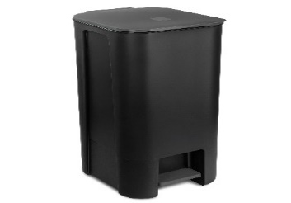 PEDAL BIN |  | 10104699 | 5903456122386 | Pedal basket 25 l /black/ | € 6.07 | 1 | 17 | 41x29x35 cm | polipropylen, stal
468. | 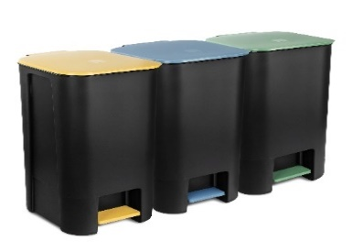 PEDAL BIN |  | 10104177 | 5903456122652 | Basket with pedal 25L / set of 3pcs. / with colored lid / yellow, green, blue | € 17.86 | 1 | 17 | 41x29x35 cm | polipropylen, stal
469. | PEDAL BIN | 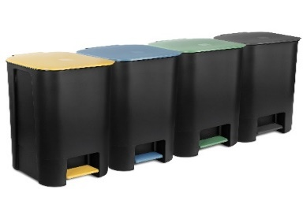 | 10104277 | 5903456122713 | Segregation set 4 x basket with pedal 25 L / black | € 23.81 | 1 | 17 | 41x29x35 cm | polipropylen, stal
459. |  PEDAL BIN |  | 10104593 | 5903456120429 | Pedal basket 40 l /black/ | € 7.62 | 1 | 15 | 62x29x35 cm | polipropylen, stal
 | 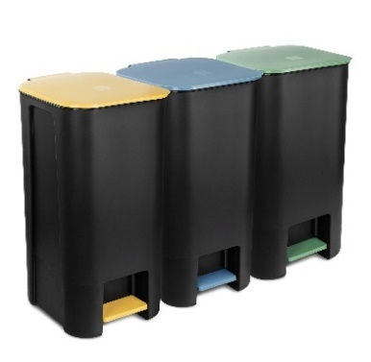 PEDAL BIN |  | 10104377 | 5903456122669 | Basket with pedal 40L / set of 3pcs. / with colored lid / yellow, green, blue | € 22.86 | 1 | 10 | 62x29x35 cm | polipropylen, stal
463. | 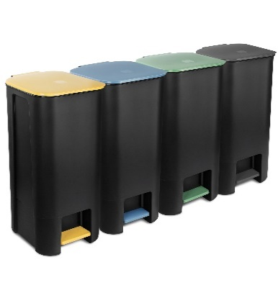 PEDAL BIN |  | 10104477 | 5903456122720 | Garbage can with pedal 40L / set of 4pcs. / with colored lid / yellow, green, blue, black | € 30.48 | 1 | 10 | 62x29x35 cm | polipropylen, stal
448. | BINI |  | 10100499 | 5903456114015 | BINI set of 3 black waste segregation bins with color lid and color flap blue/green/yellow | € 11.70 | 1 | 27 | 54x25X39 cm | polipropylen
 | BINI |  |  |  | BINI BASIC SET 3 BLACK | € 8.33 |  | 27 | 54x25X39 cm | polipropylen
449. | BINI |  | 10100599 | 5903456114022 | BINI set of 4 black bins, with color lid, flap color: yellow, blue, green, brown | € 16.36 | 1 | 27 | 54x25X39 cm | polipropylen
450. | BINI |  | 10100310 | 5903456114008 | BINI white general purpose container - 25l | € 5.03 | 4 | 108 | 54x25X39 cm | polipropylen
457. | BINI | 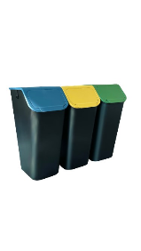 | 10103335 | 5903456119713 | BINI set of 3 black waste segregation bins 3 x 35L. with lids blue/green/yellow / without handles / | € 17.42 | 1 | 18 | 38x25xx70 cm | polipropylen
458. | BINI | 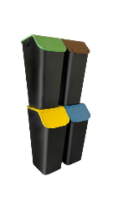 | 10103435 | 5903456119706 | BINI set of 4 black waste segregation bins 4 x 35L. with lids blue/green/yellow/brown / without handles / | € 22.07 | 1 | 18 | 38x25xx77 cm | polipropylen
426. |  |  | 10085190 | 5903456119454 | container for fruit and vegetables 10 L "Greengrocer" | € 2.20 |  | 128 | 29x19x20 cm | polipropylen
430. | BINI | 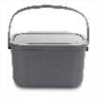 | 15110893 | 5903456118471 | MINI BINI - handy container for bio waste - grey 35% bio - 4.5L | € 1.85 |  | 216 | 24.5x19x13 cm | polipropylen
434. | BINI | 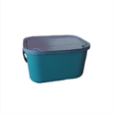 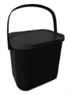 | 10100699 | 5903456119553 | Bio-waste container 6L BINI black | € 2.05 |  | 162 | 24.5x19x17,5 cm | polipropylen
423. | Family | 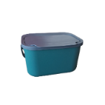 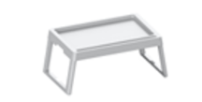 | 56120702 | 5903456120702 | Folding table for bed - white | € 4.64 | 6 | 108 | 55x36x5cm | Polipropylen
424. | Family | 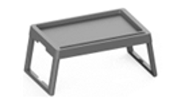 | 56120696 | 5903456120696 | Folding table for bed - gray | € 4.64 | 6 | 108 | 55x36x5cm | Polipropylen
87. | BASIC |  | 10020599 | 5903456114763 | HANDY spatula black | € 0.40 | 72 | 5040 | 32x8x3.5 cm | poliamid
89. | BASIC |  | 10020699 | 5903456114732 | HANDY spoon black | € 0.50 | 96 | 6720 | 30.7x6.3x3.5 cm | poliamid
91. | BASIC |  | 10020799 | 5903456114725 | HANDY ladle black | € 0.50 | 48 | 3360 | 31x8.7x7 cm | poliamid
93. | BASIC |  | 10020899 | 5903456114756 | HANDY skimmer black | € 0.50 | 48 | 3360 | 32.2x10.4x5.5 cm | poliamid
95. | BASIC |  | 10020999 | 5903456114749 | Pasta spoon HANDY black | € 0.50 | 96 | 6720 | 30.2x7x5.5 cm | poliamid
97. | BASIC |  | 10022199 | 5903456114794 | HANDY cake spatula black | € 0.50 | 108 | 7560 | 32x4x7.5 cm | poliamid
99. | BASIC |  | 10023599 | 5903456114787 | HANDY fork black | € 0.50 | 96 | 6720 | 31.5x5.3x2 cm | poliamid
101. | HANDY | 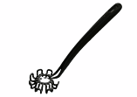 | 10020099 | 5903456118891 | HANDY whisk black | € 0.50 | 72 | 5040 | 27,5x2 | poliamid
103. |  HANDY |  | 10022899 | 5903456120375 | Handy sauce spoon black | € 0.50 | 48 | 3360 | 25x8x3cm | poliamid
105. | HANDY | 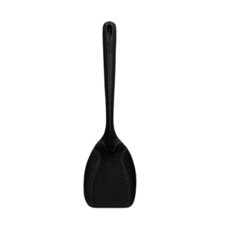 | 10021599 | 5903456120382 | Handy wok spatula black | € 0.50 | 48 | 3360 | 34,5x9,5,3cm | p0oliamid
107. | HANDY | 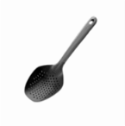 | 10021899 | 5903456120337 | HANDY slotted spoon large black | € 0.62 | 48 | 3360 | 35,5x11,5x3cm | poliamid
109. | HANDY | 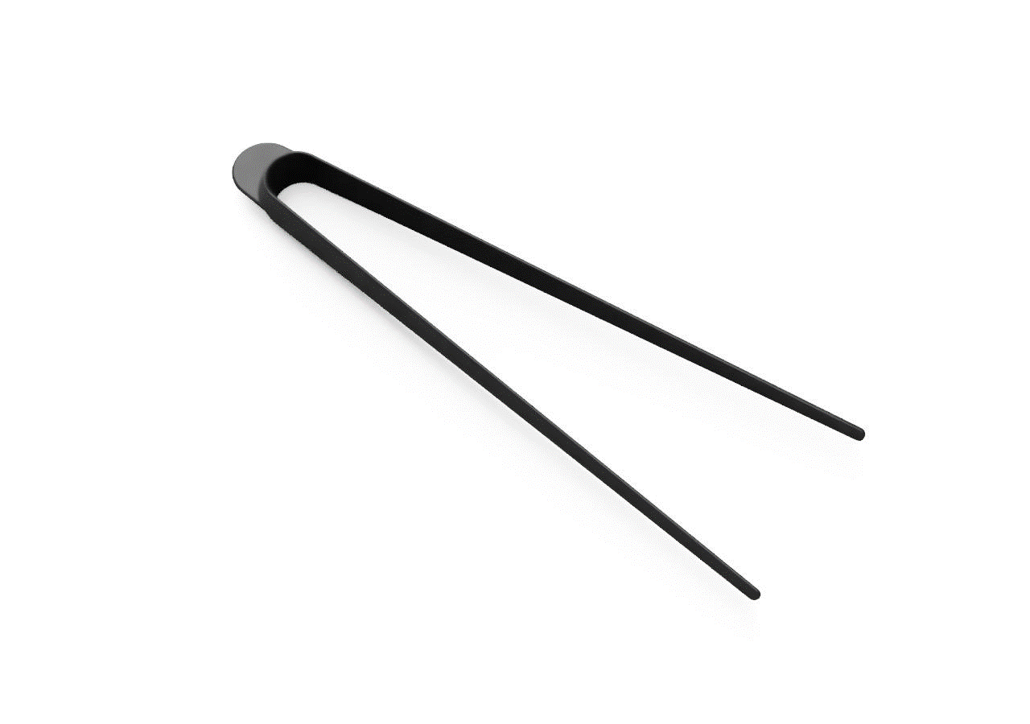 | 10023399 | 5903456115913 | HANDY pliers black | € 0.50 | 9 | 2448 | 32x6x3cm | poliamid
110. | HANDY |  | 10023298 | 5903456115890 | HANDY meat tenderizer cosmos black | € 1.10 | 11 | 2112 | 27,5x5,5x5,5 cm | polipropylen
111. | HANDY | 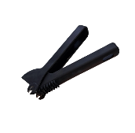 | 10025111 | 5903456119300 | Handy garlic squeezer-black | € 0.95 | 50 | 2000 | 17,5x5x3,5 | poliamid
113. | HANDY |  | 10025101 | 5903456119058 | HANDY spoon - honey knife black | € 0.31 | 20 |  | 18x2,5 | polipropylen
 |  |  | 10034092 | 5903456121327 | Bowl with handle 3 L dark graphite | € 1.02 | 10 | 400 | 24x29x14,5cm | Polipropylen
 |  |  | 10034192 | 5903456121334 | Colander with handle 2 L dark graphite | € 0.92 | 12 | 480 | 21,5x27x13cm | Polipropylen
 |  |  | 10034292 | 5903456121341 | Bowl with handle 1.5 L dark graphite | € 0.82 | 16 | 640 | 19x24,5x11cm | Polipropylen
 |  |  | 10034392 | 5903456121358 | Set of 2 bowls and colander with handle: 3L, 2 L, 1.5L dark graphite | € 2.00 | 6 | 162 | 24x29x14,5cm | Polipropylen
1. | BĄBLE |  | 10010190 | 5903456110130 | non-slip chopping board size S - gray | € 0.92 | 40 | 2800 | 24x16.5x0.6 cm | polipropylen
2. | BĄBLE |  | 10010198 | 5903456012014 | non-slip chopping board size S - black cosmos | € 0.92 | 40 | 2800 | 24x16.5x0.6 cm | polipropylen
3. |  |  | 10010177 | 5903456007188 | non-slip chopping board size S - mix(black cosmos,gray) | € 0.92 | 40 | 2800 | 24x16.5x0.6 cm | polipropylen
4. | BĄBLE |  | 10010290 | 5903456110093 | non-slip chopping board size M - gray | € 1.54 | 40 | 2800 | 30x20x0.6 cm | polipropylen
5. | BĄBLE |  | 10010298 | 5903456012137 | non-slip chopping board size M - black cosmos | € 1.54 | 40 | 2800 | 30x20x0.6 cm | polipropylen
6. |  |  | 10010277 | 5903456007201 | non-slip chopping board size M - mix(black cosmos, gray) | € 1.54 | 40 | 2800 | 30x20x0.6 cm | polipropylen
7. | BĄBLE |  | 10010390 | 5903456104863 | non-slip chopping board size L - grey | € 2.05 | 20 | 1400 | 35x24x0.7 cm | polipropylen
8. | BĄBLE |  | 10010398 | 5903456007133 | non-slip chopping board size L - black cosmos | € 2.05 | 20 | 1400 | 35x24x0.7 cm | polipropylen
9. |  |  | 10010377 | 5903456007126 | non-slip chopping board size L - mix(black cosmos,gray) | € 2.05 | 20 | 1400 | 35x24x0.7 cm | polipropylen
10. | BĄBLE |  | 10010490 | 5903456111113 | Set of two non-slip chopping boards S,M on a stand- grey | € 4.26 | 12 | 480 | 30x20.5x8 cm | polipropylen
11. | BĄBLE |  | 10010498 | 5903456101282 | Set of two non-slip chopping boards S,M on a stand- black cosmos | € 4.16 | 12 | 480 | 30x20x7.7 cm | polipropylen
12. |  |  | 10010477 | 5903456000707 | Set of two non-slip chopping boards S,M on a stand- mix(black cosmos, gray) | € 4.26 | 12 | 480 | 30x20.5x8 cm | polipropylen
13. | BĄBLE |  | 10010590 | 5903456111076 | Set of three non-slip chopping boards S,M,L with stand - grey | € 6.39 | 6 | 240 | 35.5x24x9 cm | polipropylen
14. | BĄBLE |  | 10010598 | 5903456101251 | Set of three non-slip chopping boards S,M,L with stand - black cosmos | € 6.39 | 6 | 240 | 35.5x24x9 cm | polipropylen
15. | BĄBLE |  | 10010690 | 5903456110253 | Vegana chopping board S -grey | € 1.01 | 30 | 2100 | 30.3x15.2x0.7 cm | polipropylen
16. | BĄBLE |  | 10010698 | 5903456100025 | Vegana chopping board S - black cosmos | € 1.01 | 30 | 2100 | 30.3x15.2x0.7 cm | polipropylen
17. |  |  | 10010677 | 5903456005016 | Vegana chopping board S - mix(black cosmos,gray) | € 1.01 | 30 | 2100 | 30.3x15.2x0.7 cm | polipropylen
18. | BĄBLE |  | 10010790 | 5903456110215 | Vegana chopping board M - grey | € 1.61 | 20 | 1400 | 35.5x18.5x0.8 cm | polipropylen
19. | BĄBLE |  | 10010798 | 5903456100117 | Vegana chopping board M - black cosmos | € 1.61 | 20 | 1400 | 35.5x18.5x0.8 cm | polipropylen
20. |  |  | 10010777 | 5903456005023 | Vegana chopping board M - mix(black cosmos,gray) | € 1.61 | 20 | 1400 | 35.5x18.5x0.8 cm | polipropylen
21. | BĄBLE |  | 10010890 | 5903456110178 | Vegana chopping board L - grey | € 2.01 | 20 | 1400 | 40.5x22x0.8 cm | polipropylen
22. | BĄBLE |  | 10010898 | 5903456100179 | Vegana chopping board L - black cosmos | € 2.01 | 20 | 1400 | 40.5x22x0.8 cm | polipropylen
23. |  |  | 10010877 | 5903456005030 | Vegana chopping board L - mix(black cosmos,gray) | € 2.01 | 20 | 1400 | 40.5x22x0.8 cm | polipropylen
24. | BĄBLE |  | 10010990 | 5903456111199 | Set of two Vegana chopping boards S,M with stand - grey | € 4.64 | 8 | 320 | 36x18.5x7.8 cm | polipropylen
25. | BĄBLE |  | 10010998 | 5903456100957 | Set of two Vegana chopping boards S,M with stand - black cosmos | € 4.64 | 8 | 320 | 36x18.5x7.8 cm | polipropylen
26. |  |  | 10010977 | 5903456000745 | Set of two Vegana chopping boards S,M with stand -mix(black cosmos,gray) | € 4.64 | 8 | 320 | 36x18.5x7.8 cm | polipropylen
27. | BĄBLE |  | 10011090 | 5903456111151 | Set of three Vegana chopping boards S,M,L with stand - grey | € 6.15 | 5 | 200 | 40x23x9 cm | polipropylen
28. | BĄBLE |  | 10011098 | 5903456001902 | Set of three Vegana chopping boards S,M,L with stand - black cosmos | € 6.15 | 5 | 200 | 40x23x9 cm | polipropylen
32. | BASIC |  | 10011190 | 5903456110451 | Cutting board S - grey | € 0.91 | 50 | 3500 | 17x25.5x0.5 cm | polipropylen
33. | BASIC |  | 10011198 | 5903456005221 | Cutting board S - black cosmos | € 0.91 | 50 | 3500 | 17x25.5x0.5 cm | polipropylen
34. |  |  | 10011177 | 5903456005238 | Cutting board S -mix(black cosmos,gray) | € 0.91 | 50 | 3500 | 17x25.5x0.5 cm | polipropylen
35. | BASIC |  | 10011290 | 5903456110413 | Cutting board M - grey | € 1.38 | 50 | 2000 | 31x19.3x0.5 cm | polipropylen
36. | BASIC |  | 10011298 | 5903456011833 | Cutting board M - black cosmos | € 1.38 | 50 | 2000 | 31x19.3x0.5 cm | polipropylen
37. |  |  | 10011277 | 5903456004996 | Cutting board M - mix(black cosmos,gray) | € 1.38 | 50 | 2000 | 31x19.3x0.5 cm | polipropylen
38. | BASIC |  | 10011390 | 5903456110376 | Cutting board L - grey | € 2.13 | 25 | 1750 | 38x24x0.6 cm | polipropylen
39. | BASIC |  | 10011398 | 5903456099275 | Cutting board L - black cosmos | € 2.13 | 25 | 1750 | 38x24x0.6 cm | polipropylen
40. |  |  | 10011377 | 5903456018801 | Cutting board L - mix(black cosmos,gray) | € 2.13 | 25 | 1750 | 38x24x0.6 cm | polipropylen
41. | BASIC |  | 10012190 | 5903456000035 | Set of two chopping boards S,M with stand - grey | € 3.48 | 8 | 320 | 31.5x19.3x8 cm | polipropylen
42. | BASIC |  | 10012198 | 5903456000028 | Set of two chopping boards S,M with stand - black cosmos | € 3.48 | 8 | 320 | 31.5x19.3x8cm | polipropylen
43. | BASIC |  | ZDEPL314 | 5903456112912 | Set of three chopping boards S,M,L with stand - grey | € 5.13 | 5 | 200 | 38.5x24x9 cm | polipropylen
44. | BASIC |  | ZDEPL308 | 5903456112950 | Set of three chopping boards S,M,L with stand - black cosmos | € 5.13 | 5 | 200 | 38.5x24x9 cm | polipropylen
45. | BASIC |  | 10011693 | 5903456018603 | Fish board - grey | € 2.01 | 6 | 528 | 44.5x18x4.5 cm | polipropylen
46. |  |  | 10011677 | 5903456005726 | Fish board - mix | € 2.01 | 6 | 528 | 44.5x18x4.5 cm | polipropylen
47. | BASIC | 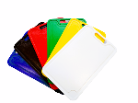 | 10012179 | 5903456118457 |  | € 11.61 | 6 | 420 | 38x24x0,6cm
48. | LIŚĆ I DĄB |  | 21010100 | 5903456096137 | Wooden chopping board TERESKA 20/32 cm | € 2.55 | 5 | 630 | 32x20x1.5 cm | drewno bukowe
49. | LIŚĆ I DĄB |  | 21010200 | 5903456096144 | Wooden chopping board TERESKA 44/28 cm | € 4.92 | 5 | 270 | 44x32x1.5 cm | drewno bukowe
50. | BASIC WOOD |  | 20010900 | 5903456091217 | Wooden board with a handle 20 cm | € 2.62 | 10 | 500 | 41.5x20x1.6 cm | drewno bukowe
51. | BASIC WOOD |  | 20010800 | 5903456091194 | Wooden board with a handle 18 cm | € 2.21 | 10 | 600 | 39.5x18x1.6 cm | drewno bukowe
52. | BASIC WOOD |  | 20010700 | 5903456091187 | Wooden board with a handle 16 cm | € 1.61 | 10 | 840 | 35x16x1.6 cm | drewno bukowe
53. | BASIC WOOD |  | 20010600 | 5903456091170 | Wooden board with a handle 14 cm | € 1.41 | 10 | 1020 | 31x14x1.6 cm | drewno bukowe
54. | BASIC WOOD |  | 20011000 | 5903456095017 | Wooden breakfast board | € 0.80 | 10 | 7200 | 20.5x11.5x1 cm | drewno bukowe
57. | BĄBLE |  | 10011790 | 5903456110499 | Flexi cutting mat - gray | € 1.01 | 50 | 3500 | 33x24x0.3cm | elastomer
58. | BĄBLE |  | 10011798 | 5903456024390 | Flexi cutting mat - black cosmos | € 1.01 | 50 | 3500 | 33x24x0.3cm | elastomer
59. |  |  | 10011777 | 5903456024345 | Flexi cutting mat - mix(black cosmos,gary) | € 1.01 | 50 | 3500 | 33x24x0.3cm | elastomer
106 | BĄBLE |  | 10011790 | 5903456110499 | Flexi cutting mat - gray | € 0.70 | 50 | 3500 | 33x24x0.3cm | LDPE
121 | BĄBLE |  | 10011890 | 5903456122195 | Stolnica Flexi S - beige | € 1.51 | 6 | 720 | 39x29.4x1.2 cm | LDPE
60. | BĄBLE |  | 10011710 | 5903456107789 | HACCP cutting mat - white for dairy products and bread | € 1.01 | 50 | 3500 | 24x33x0.3cm | elastomer
61. | BĄBLE |  | 10011785 | 5903456107772 | HACCP cutting mat - brown for boiled meat and cold cuts | € 1.01 | 50 | 3500 | 24x33x0.3cm | elastomer
62. | BĄBLE |  | 10011765 | 5903456107734 | HACCP cutting mat - red for meat | € 1.01 | 50 | 3500 | 24x33x0.3cm | elastomer
63. | BĄBLE |  | 10011745 | 5903456107741 | HACCP cutting mat - blue for raw fish. Seafood | € 1.01 | 50 | 3500 | 24x33x0.3cm | elastomer
64. | BĄBLE |  | 10011755 | 5903456107758 | HACCP cutting mat - green for vegetables and fruits | € 1.01 | 50 | 3500 | 24x33x0.3cm | elastomer
65. | BĄBLE |  | 10011735 | 5903456107765 | HACCP cutting mat - yellow for raw poultry | € 1.01 | 50 | 3500 | 24x33x0.3cm | elastomer
66. | BĄBLE |  | 10012077 | 5903456107796 | Cutting mats HACCP kpl. 6 pcs. | € 5.83 | 10 | 700 | 24x33x1.8cm | elastomer
69. | BĄBLE |  | 10011877 | 5903456099985 | Stolnica Flexi S - mix | € 2.09 | 6 | 720 | 39x29.4x1.2 cm | elastomer
124 | BĄBLE |  | 10011990 | 5903456122188 | Stolnica Flexi L - beige | € 3.88 | 6 | 378 | 52.5x40.5x2.2 cm | LDPE
74. | BASIC WOOD | 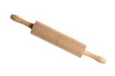 | 20060100 | 5903456090098 | Wooden rolling pin 19x6 cm | € 1.60 | 8 | 936 | 37.5x19x6 cm | drewno bukowe
75. | BASIC WOOD |  | 20060200 | 5903456097332 | Wooden rolling pin metal axis 25x6.5 cm | € 2.75 | 6 | 600 | 46x25x6.5 cm | drewno bukowe
77. | BASIC WOOD |  | 20060400 | 5903456098445 | Pizza roller 36 cm wooden | € 0.96 | 10 | 2800 | 36x3x3 cm | drewno bukowe
79. | BASIC WOOD |  | 20060800 | 5903456090166 | Wooden roller for mold | € 1.02 | 6 | 2400 | 17x7x5 cm | drewno bukowe
80. | BASIC WOOD |  | 20060600 | 5903456090227 | Wooden roller for meat small | € 1.54 | 8 | 1536 | 27.5x12x5.4 cm | drewno bukowe
81. | HANDY | 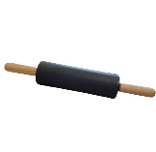 | 6119997 | 5903456119997 | Rolling pin HANDY black | € 2.44 | 8 | 486 | 39,5x6,3x6,3cm | silikon/drewno bukowe
82. | BASIC WOOD |  | 20020100 | 5903456094935 | Wooden butter cutter | € 0.48 | 20 | 8000 | 17.2x3.5x1.5 cm | drewno bukowe
127. | BASIC |  | 10021610 | 5903456013288 | Knob molding spoon white | € 0.39 | 100 | 4000 | 19.3 x 7 x 3.5 cm | polipropylen
128. |  |  | 10021677 | 5903456001063 | Knob molding spoon- mix(white,gray) | € 0.39 | 100 | 4000 | 19.3 x 7 x 3.5 cm | polipropylen
129. | BASIC WOOD |  | 20020200 | 5903456090067 | Wooden Teflon spatula. | € 0.20 | 30 | 12000 | 29.5x5.5x0.5 cm | drewno bukowe
130. | BASIC WOOD |  | 20020300 | 5903456090074 | Wooden openwork spatula | € 0.20 | 30 | 12000 | 29.5x5.5x0.5 cm | drewno bukowe
131. | BASIC WOOD |  | 20020400 | 5903456090197 | Wooden pancake spatula | € 0.24 | 30 | 1200 | 23.8x4.5x0.4 cm | drewno bukowe
134. | BASIC WOOD |  | 20020800 | 5903456090029 | Swedish wooden spoon 30 cm | € 0.39 | 20 | 8000 | 30x5.5x1.2 cm | drewno bukowe
135. | BASIC WOOD |  | 20021000 | 5903456090180 | Wooden spoon 40 cm | € 0.60 | 20 | 3840 | 40x5.5x1.4 cm | drewno bukowe
136. | BASIC WOOD |  | 20021100 | 5903456090043 | Wooden openwork spoon | € 0.42 | 20 | 8000 | 30x5.6x1.4 cm | drewno bukowe
148. | BASIC WOOD | 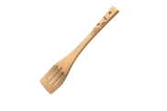 | 20022700 | 5903456098605 | TefloSilver wooden meat tenderizer | € 1.35 | 25 | 1000 | 29x9.7x5.6 cm | drewno bukowe, stal
152. | BASIC WOOD |  | 20023100 | 5903456096038 | Wooden honey stick | € 0.37 | 20 | 8000 | 16.2x2.8x2.8 cm | drewno bukowe
153. | BASIC |  | 10020510 | 5903456014100 | Small dumpling maker for ravioli white Φ 5.5 cm | € 0.37 | 50 | 2000 | 11.9x8x2 cm | polipropylen
155. | BASIC |  | 10020610 | 5903456013967 | White dumpling dish Φ 9cm | € 0.43 | 50 | 3500 | 18.3x11.3x2.7 cm | polipropylen
157. | BASIC |  | 10020710 | 5903456103408 | White noble dumplings Φ 12cm | € 0.65 | 40 | 2000 | 21x14.3x2.8 cm | polipropylen
159. | BASIC |  | 10020810 | 5903456103378 | Calzone dumplings Φ 15cm white | € 0.86 | 25 | 1000 | 17x25x1.7 cm | polipropylen
161. | BASIC |  | 10020910 | 5903456109424 | Dumpling dish large and small Φ 9 cm and 5.5 cm white | € 0.70 | 50 | 2000 | 18.3x11.3x4.5 cm | polipropylen
163. | WYPIEKI |  | 40020100 | 5903456002022 | Dumpling cutter | € 0.90 | 60 | 2400 | 6.8x6.8 cm | drewno bukowe, stal
165. | BASIC |  | 19020410 | 5903456103729 | Shredder mini 1 double-sided blade white | € 1.06 | 100 | 7000 | 18.4 x 7.7 x 0.9 cm | polipropylen, stal
166. | BASIC |  | 10021110 | 5903456103750 | Shredder 2 blade white | € 2.01 | 30 | 1200 | 32x13.5x1.7 cm | polipropylen, stal
168. | BASIC |  | 10021210 | 5903456103781 | Shredder 3 blades white | € 3.19 | 25 | 1000 | 33x13.5x1.5 cm | polipropylen, stal
172. | BASIC |  | 49020700 | 5903456001353 | Vegetable slicer set of 2 pcs. | € 1.60 | 50 | 3600 | 0.9x9.9x14.3 cm | stal
179. | BASIC |  | 10021390 | 5903456111021 | Jar and bottle opener gray | € 0.70 | 100 | 7000 | 11.3 x 4.5 x 2 cm | polipropylen, stal
180. |  |  | 10021377 | 5903456003494 | Jar and bottle opener mix(white,gray) | € 0.70 | 100 | 7000 | 11.3 x 4.5 x 2 cm | polipropylen, stal
181. | BASIC |  | 10021490 | 5903456109523 | Set of 3 funnels gray | € 0.87 | 12 | 840 | 14.5x14.5x15cm | polipropylen
186. | BASIC |  | 10021777 | 5903456018818 | Bag clips 5 pcs small | € 0.48 | 50 | 3500 | 7.7x2x1.3 cm | polipropylen
187. | BASIC |  | 10021877 | 5903456095123 | Bag clips 5 pcs large | € 0.68 | 50 | 3500 | 11 x 2 x 1.3 cm | polipropylen
189. | BASIC WOOD |  | 20023300 | 5903456097486 | Wooden flat brush "4" | € 0.48 | 20 | 8000 | 19.5x4x0.8 cm | drewno bukowe
190. | BASIC WOOD |  | 20023400 | 5903456097493 | Wooden flat brush "6" | € 0.50 | 20 | 8000 | 19.5x4x0.8 cm | drewno bukowe
192. | BASIC WOOD |  | 20023600 | 5903456090234 | Wooden nutcracker | € 1.31 | 6 | 2400 | 12x6x5 cm | drewno bukowe
193. | BASIC WOOD |  | 20023500 | 5903456098377 | Wooden nutcracker "Mushroom" | € 1.31 | 6 | 2400 | 9.7x6.3x6.3 cm | drewno bukowe
194. | BASIC | 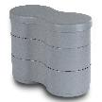 | 10084190 | 5903456118341 | Snack container - gray | € 0.97 | 14 | 560 | 17,5x8,5x5cm | polipropylen
195. | BĄBLE |  | 10030510 | 5903456010553 | 6 L PP plastic bowl white | € 1.02 | 26 | 468 | 28x28x15 cm | polipropylen
196. | BĄBLE |  | 10030590 | 5903456109851 | 6L PP bowl gray | € 0.95 | 26 | 468 | 28x28x15 cm | polipropylen
197. | BĄBLE |  | 10030598 | 5903456101206 | 6L PP bowl black cosmos | € 1.02 | 26 | 468 | 28x28x15 cm | polipropylen
198. |  |  | 10030577 | 5903456097110 | 6L PP bowl mix(black cosmos,gray) | € 1.02 | 26 | 468 | 28x28x15 cm | polipropylen
199. | BĄBLE |  | 10030410 | 5903456010355 | 3L PP bowl white | € 0.82 | 28 | 756 | 24x24x12.5 cm | polipropylen
200. | BĄBLE |  | 10030490 | 5903456109899 | 3L PP bowl grey | € 0.82 | 28 | 756 | 24x24x12.5 cm | polipropylen
201. | BĄBLE |  | 10030498 | 5903456010393 | 3L PP bowl black cosmos | € 0.82 | 28 | 756 | 24x24x12.5 cm | polipropylen
202. |  |  | 10030477 | 5903456097103 | 3L PP bowl mix(black cosmos,gray) | € 0.82 | 28 | 756 | 24x24x12.5 cm | polipropylen
203. | BĄBLE |  | 10030310 | 5903456105372 | 1.5L PP bowl white | € 0.61 | 50 | 1350 | 19x19x10 cm | polipropylen
204. | BĄBLE |  | 10030390 | 5903456109936 | Bowl 1.5L PP gray | € 0.61 | 50 | 1350 | 19x19x10 cm | polipropylen
205. | BĄBLE |  | 10030398 | 5903456010294 | Bowl 1.5L PP black cosmos | € 0.61 | 50 | 1350 | 19x19x10 cm | polipropylen
206. |  |  | 10030377 | 5903456097127 | Bowl 1.5L PP mix(black cosmos,gray) | € 0.61 | 50 | 1350 | 19x19x10 cm | polipropylen
207. | BĄBLE |  | 10030210 | 5903456010171 | 0.75L PP bowl white | € 0.41 | 50 | 2000 | 15x15x7.5 cm | polipropylen
208. | BĄBLE |  | 10030290 | 5903456109974 | 0.75L PP bowl gray | € 0.41 | 50 | 2000 | 15x15x7.5 cm | polipropylen
209. | BĄBLE |  | 10030298 | 5903456000370 | 0.75L PP bowl black cosmos | € 0.41 | 50 | 2000 | 15x15x7.5 cm | polipropylen
210. |  |  | 10030277 | 5903456097134 | 0.75L PP bowl mix(black cosmos,gray) | € 0.41 | 50 | 2000 | 15x15x7.5 cm | polipropylen
211. | BĄBLE |  | 10030110 | 5903456108472 | Plastic bowl 0.5 L PP white | € 0.29 | 50 | 3500 | 13x13x7 cm | polipropylen
212. | BĄBLE |  | 10030190 | 5903456110017 | Plastic bowl 0.5 L PP gray | € 0.29 | 50 | 3500 | 13x13x7 cm | polipropylen
213. | BĄBLE |  | 10030198 | 5903456108489 | Plastic bowl 0.5 L PP black cosmos | € 0.29 | 50 | 3500 | 13x13x7 cm | polipropylen
214. |  |  | 10030177 | 5903456097158 | Plastic bowl 0.5 L PP mix(black cosmos,gray) | € 0.29 | 50 | 3500 | 13x13x7 cm | polipropylen
216. | BĄBLE |  | 10030890 | 5903456110987 | Plastic bowl 6 L PP with lid grey | € 1.89 | 6 | 108 | 29x29x16.5 cm | polipropylen
217. | BĄBLE |  | 10030898 | 5903456110970 | Plastic bowl 6 L PP with lid black cosmos | € 1.89 | 6 | 108 | 29x29x16.5 cm | polipropylen
219. | BĄBLE |  | 10030798 | 5903456108953 | 3 L bowl with lid black cosmos | € 1.38 | 6 | 162 | 24.5x24.5x14 cm | polipropylen
220. | BĄBLE |  | 10030790 | 5903456109660 | 3 L bowl with lid grey | € 1.38 | 6 | 162 | 24.5x24.5x14 cm | polipropylen
222. | BĄBLE |  | 10030690 | 5903456109721 | Bowl 1.5 L with lid grey | € 1.01 | 12 | 288 | 20x20x11 cm | polipropylen
223. | BĄBLE |  | 10030698 | 5903456109714 | Bowl 1.5 l with lid black cosmos | € 1.01 | 12 | 288 | 20x20x11 cm | polipropylen
224. | BIO KOMPOZYT 35% |  | 15031221 | 5903456111632 | Set of bowls 1.5;3;6 L with lids with bio 35 % - hemp | € 3.65 | 6 | 108 | 550/300/400mm | polipropylen, włókna drzewne
226. | BĄBLE |  | 10031290 | 5903456111595 | Set of bowls 1.5;3;6 L with lids grey | € 2.50 | 6 | 108 | 550/300/400mm | polipropylen
227. | BĄBLE |  | 10031298 | 5903456111571 | Set of bowls 1.5;3;6 L with lids black cosmos | € 3.65 | 6 | 108 | 550/300/400mm | polipropylen
228. | BĄBLE | 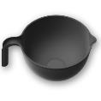 | 10071210 | 5903456115005 | Colander white 3 L | € 0.68 | 18 | 720 | 29 x 23,5 x 11,5 cm | polipropylen
229. | BĄBLE |  | 10071290 | 5903456115029 | Colander grey 3 L | € 0.68 | 18 | 720 | 29 x 23,5 x 11,5 cm | polipropylen
230. |  | 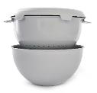 | 10072190 | 5903456115555 | Set (colander, bowl, lid) gray | € 2.13 | 8 | 144 | 27 x 23,5 x 15 cm | polipropylen
231. |  | 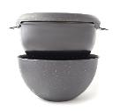 | 10072199 | 5903456115548 | Set (colander, bowl, lid) black | € 2.13 | 8 | 144 | 28 x 23,5 x 15 cm | polipropylen
232. |  | 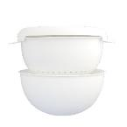 | 10072110 | 5903456115531 | Set (colander, bowl, lid) white | € 2.13 | 8 | 144 | 29 x 23,5 x 15 cm | polipropylen
 |  | 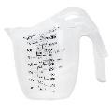 | 56120719 | 5903456120719 | Set of 3 measuring cups with handle - transparent | € 1.92 | 6 | 420 | 12x20,5x14,2cm | polipropylen
236. | PIECZENIE |  | 10060177 | 5903456006143 | Silicone cupcakes kpl.6 pcs. | € 1.51 | 30 | 2100 | 7.5x7.5x3.3 cm | silikon
237. | PIECZENIE |  | 40060200 | 5903456002510 | Cupcakes " Twist" fi 48 mm kpl. 6 pcs. | € 0.48 | 100 | 7000 | 4.8x4.8x2 cm | stal
238. | PIECZENIE |  | 40060300 | 5903456002480 | Cupcakes " Twist" fi 65 mm kpl. 6 pcs. | € 0.58 | 60 | 4200 | 6.5x6.5x2.5 cm | stal
239. | PIECZENIE |  | 40060400 | 5903456002534 | Cupcakes " Twist" fi 96 mm 2 pcs. | € 0.58 | 50 | 3500 | 9.6x9.6x4.5 cm | stal
240. | PIECZENIE |  | 40060500 | 5903456003586 | Cupcakes " Classic" fi 35 mm kpl. 6 pcs. | € 0.37 | 150 | 10500 | 3.5x3.5x2 cm | stal
241. | PIECZENIE |  | 40060600 | 5903456002763 | Cupcakes " Classic" fi 42 mm kpl. 6 pcs. | € 0.48 | 100 | 7000 | 4x4x2 cm | stal
242. | PIECZENIE |  | 40060700 | 5903456002657 | Cupcakes " Classic" fi 48 mm kpl. 6 pcs. | € 0.48 | 100 | 7000 | 5x5x2 cm | stal
243. | PIECZENIE |  | 40060800 | 5903456002374 | Cupcakes " Classic" fi 57 mm kpl. 6 pcs. | € 0.53 | 70 | 4900 | 5.7x5.7x2.5 cm | stal
244. | PIECZENIE |  | 40060900 | 5903456002770 | Large cupcakes " Classic" fi 96 mm kpl. 2 pcs. | € 0.59 | 50 | 3500 | 9.5x9.5x4.5 cm | stal
248. | PIECZENIE |  | 49060200 | 5903456004804 | Tart cupcakes kpl. 5 pcs. | € 0.97 | 100 | 4000 | 9x9x2 cm | stal
249. | PIECZENIE |  | 19060510 | 5903456007263 | No-bake cookie molds "Beehives" kpl. 2 pcs. | € 0.96 | 50 | 3500 | 6x5x3.5x4 cm | stal
250. | PIECZENIE |  | 40061300 | 5903456001551 | Peanut molds "Nuts" 10 pcs. | € 0.82 | 100 | 7000 | 6.3x4x1 cm | stal
253. | PIECZENIE |  | 49060600 | 5903456098629 | Punching molds " People" kpl. 4 pcs. | € 0.81 | 30 | 2100 | 2.2x12.5x17 cm | stal
254. | PIECZENIE |  | 49063100 | 5903456114817 | Star molds "Stars" kpl. 6 pcs. | € 0.58 | 20 | 3840 | 9.3x9.3x1.7 cm | stal
255. | PIECZENIE |  | 49060800 | 5903456007287 | Christmas molds "Christmas" kpl. 4 pcs. | € 0.82 | 24 | 1680 | 21.5x15.2x7 cm | stal
257. | PIECZENIE |  | 49061000 | 5903456002664 | Molds large kpl. 6 pcs. | € 0.77 | 24 | 1680 | 25x17x1.7 cm | stal
258. | PIECZENIE |  | 49060500 | 5903456122560 | Easter punch molds kpl. 4 pcs. | € 0.81 | 24 |  |  | stal
259. | PIECZENIE |  | 49061100 | 5903456019006 | Mold "Easter Lamb" | € 0.29 | 25 | 4800 | 8x6.5x1.5 cm | stal
260. | PIECZENIE |  | 49061200 | 5903456019013 | Mold "Egg and chick" | € 0.48 | 25 | 4800 | 8x6.5x1.5 cm | stal
261. | PIECZENIE |  | 49061300 | 5903456018993 | Easter egg mold | € 0.29 | 25 | 4800 | 7.5x6x1.5 cm | stal
262. | PIECZENIE |  | 49061400 | 5903456018979 | Mold "Easter chicken" | € 0.29 | 25 | 4800 | 7x7.5x1.5 cm | stal
263. | PIECZENIE |  | 49061500 | 5903456018986 | Mold "Easter bunny" | € 0.29 | 25 | 4800 | 7.5x7x1.5cm | stal
264. | PIECZENIE |  | 49061601 | 5903456118310 | Molds "Hearts" 3 pcs. | € 0.58 | 20 | 3840 | 10x9x1.5 cm | stal
265. | PIECZENIE |  | 49061700 | 5903456007317 | Molds "Safari" 4 pcs. | € 0.77 | 24 | 1680 | 7.5x6.5x1.5 cm | stal
267. | PIECZENIE |  | 49062000 | 5903456007294 | Molds "Angels" 4 pcs. | € 0.85 | 24 | 1680 | 15.5x21.5x1.7 cm | stal
268. | PIECZENIE | 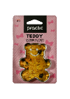 | 49062100 | 5903456007331 | Mold "Teddy" | € 0.29 | 25 | 4800 | 7.5x6.5x1.5 cm | stal
270. | PIECZENIE |  | 49062300 | 5903456007256 | Molds punching "bridge cards" | € 0.77 | 24 | 1680 | 15,5x21,5x1,7cm | stal
273. | BĄBLE |  | 10070110 | 5903456011086 | Sink mat square white | € 0.70 | 25 | 2600 | 28x28x0.3 cm | elastomer
274. | BĄBLE |  | 10070190 | 5903456110857 | Sink mat square gray | € 0.70 | 25 | 2600 | 28x28x0.3 cm | elastomer
275. | BĄBLE |  | 10070199 | 5903456011123 | Sink mat square black | € 0.70 | 25 | 2600 | 28x28x0.3 cm | elastomer
276. |  |  | 10070177 | 5903456005610 | Sink mat square mix(black,gray) | € 0.70 | 25 | 2600 | 28x28x0.3 cm | elastomer
279. | BĄBLE | 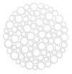 | 10070210 | 5903456011222 | Round sink mat white | € 0.70 | 25 | 2600 | 30x30x0.3 cm | elastomer
280. | BĄBLE | 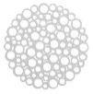 | 10070290 | 5903456110864 | Round sink mat gray | € 0.70 | 25 | 2600 | 30x30x0.3 cm | elastomer
281. | BĄBLE | 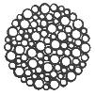 | 10070299 | 5903456011260 | Round sink mat black | € 0.70 | 25 | 2600 | 30x30x0.3 cm | elastomer
282. |  |  | 10070277 | 5903456005924 | Round sink mat mix(black,gray) | € 0.70 | 25 | 2600 | 30x30x0.3 cm | elastomer
283. | BĄBLE |  | 10070410 | 5903456108038 | Drainer Flexi L white | € 3.48 | 6 | 576 | 45x39x0.8 cm | elastomer
284. | BĄBLE | 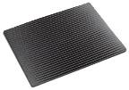 | 10070498 | 5903456012359 | Drainer Flexi L black cosmos | € 3.48 | 6 | 576 | 45x39x0.8 cm | elastomer
285. |  |  | 10070477 | 5903456099961 | Drainer Flexi L mix(black cosmos,gray) | € 3.48 | 6 | 576 | 45x39x0.8 cm | elastomer
286. | BĄBLE |  | 10070390 | 5903456110895 | Drainer Flexi M grey | € 2.05 | 6 | 576 | 39 x 31 x 0.8 cm | elastomer
287. | BĄBLE | 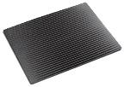 | 10070398 | 5903456103941 | Drainer Flexi M black cosmos | € 2.05 | 6 | 576 | 39 x 31 x 0.8 cm | elastomer
288. |  |  | 10070377 | 5903456103903 | Drainer Flexi M mix(black cosmos,gray) | € 2.05 | 6 | 576 | 39 x 31 x 0.8 cm | elastomer
290. | BĄBLE |  | 10070510 | 5903456110925 | Plate stand "quick dry" white | € 1.01 | 40 | 2800 | 30x13x6 cm | polipropylen
291. | BĄBLE |  | 10070590 | 5903456110932 | Plate stand "quick dry" grey | € 1.01 | 40 | 2800 | 30x13x6 cm | polipropylen
292. | BĄBLE |  | 10070598 | 5903456105389 | Plate stand "quick dry" black cosmos | € 1.01 | 40 | 2800 | 30x13x6 cm | polipropylen
293. |  | 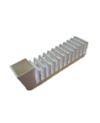 | 10070600 | 5903456118754 | Cutlery drainer and 12 plates white | € 1.06 | 12 | 840 | 37x11,5x10,5cm | polipropylen
294. |  | 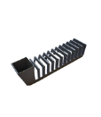 | 10071690 | 5903456118778 | Cutlery drainer and 12 plates grey | € 1.04 | 12 | 840 | 37x11,5x10,5cm | polipropylen
296. | BĄBLE |  | 10070610 | 5903456011321 | Cutlery drainer with base white | € 0.97 | 20 | 1400 | 11x11x13.6 cm | polipropyeln, elastomer
297. | BĄBLE |  | 10070690 | 5903456110956 | Cutlery drainer with base gray | € 0.97 | 20 | 1400 | 11x11x13.6 cm | polipropyeln, elastomer
298. | BĄBLE |  | 10070698 | 5903456011338 | Cutlery drainer with base black cosmos | € 0.97 | 20 | 1400 | 11x11x13.6 cm | polipropyeln, elastomer
299. | BĄBLE |  | 10070677 | 5903456001162 | Cutlery drainer with base mix(black cosmos,gray) | € 0.97 | 20 | 1400 | 11x11x13.6 cm | polipropyeln, elastomer
300. | BĄBLE |  | 10070798 | 5903456119294 | Cutlery drainer modular cosmos black | € 1.04 | 8 | 560 | 25x6,05x11,5 | polipropylen
301. |  |  | 10070710 | 5903456119966 | Cutlery drainer modular cosmos white | € 1.04 | 8 | 560 | 25x6,05x11,5 | polipropylen
302. | BĄBLE |  | 10070793 | 5903456119492 | Cutlery drainer modular cosmos grey | € 1.04 | 8 | 560 | 25x6,05x11,5 | polipropylen
304. | BASIC WOOD |  | 20080400 | 5903456095383 | Wooden breadbox with louvre | € 8.55 | 1 | 64 | 38.5x28.5x18 cm | drewno bukowe
311. |  |  | 10083010 | 5903456115630 | Breadbox white | € 6.15 | 3 | 81 | 37,5 x 23,5 x 15,5 cm | drewno bukowe, polipropylen
312. |  |  | 10083090 | 5903456115647 | Breadbox gray | € 6.15 | 3 | 81 | 37,5 x 23,5 x 15,5 cm | drewno bukowe, polipropylen
313. |  |  | 10083099 | 5903456115524 | Breadbox black | € 6.15 | 3 | 81 | 37,5 x 23,5 x 15,5 cm | drewno bukowe, polipropylen
320. |  | 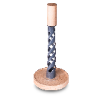 | 33070102 | 5903456119041 |  | € 3.10 | 10 | 400 | 32x13x13cm | drewno, polipropylena
321. | PRESIDENT LINE |  | 33070100 | 5903456090173 | Paper towel stand without towel | € 1.92 | 20 | 800 | 11.5x11.5x29.3 cm | drewno bukowe, stal
322. | PRESIDENT LINE |  | 33070200 | 5903456003746 | Paper towel stand with towel President Line | € 2.36 | 10 | 400 | 13x13x29.3 cm | drewno bukowe, stal
323. | PRESIDENT LINE |  | 33080300 | 5903456002701 | President Line shelf and 5 containers | € 6.39 | 10 | 400 | 32.8x6.7x12.2 cm | drewno bukowe, szkło
324. | PRESIDENT LINE |  | 33080400 | 5903456002718 | President Line shelf and 10 containers | € 11.20 | 6 | 144 | 33x14x15 cm | drewno bukowe, szkło
325. | PRESIDENT LINE |  | 33080500 | 5903456002695 | Spice containers 3 pcs. 120 ml President Line | € 1.88 | 25 | 1000 | 17x5.5x7.5 cm | drewno bukowe, szkło
326. | PRESIDENT LINE |  | 33080600 | 5903456002688 | Spice containers 3 pcs. 150 ml President Line | € 1.97 | 25 | 1000 | 17.2x5.7x10 cm | drewno bukowe, szkło
327. | PRESIDENT LINE |  | 33080700 | 5903456094980 | Spice container 120ml President Line | € 0.69 | 12 | 3600 | 7.5x5.5x5.5 cm | drewno bukowe, szkło
328. | PRESIDENT LINE |  | 33080800 | 5903456003524 | Spice container 150ml President Line | € 0.76 | 12 | 2640 | 5.7x5.7x10 cm | drewno bukowe, szkło
329. | BASIC | 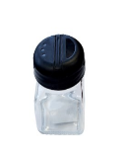 | 33081899 | 5903456120351 | Container for loose spices 150 ml black with flap | € 0.59 | 12 | 2640 | 5,5x5,5x10cm | polipropylen,szkło
330. | BASIC | 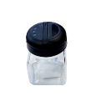 | 33080799 | 5903456120368 | Container for loose spices 120 ml black with flap | € 0.56 | 12 | 3600 | 5,5x5,5x7,5cm | polipropylen,szkło
331. | BASIC |  | 21081300 | 5903456019112 | Container 1.2L | € 1.89 | 5 | 350 | 12.3x12.3x15.5 cm | drewno bukowe, polistyren
332. | BASIC |  | 21081200 | 5903456019105 | Container 0.5L | € 1.63 | 6 | 420 | 10.2x10.2x12.5 cm | drewno bukowe, polistyren
333. | BASIC |  | 21081100 | 5903456114992 | Container 250 ml | € 1.38 | 9 | 864 | 9x9x10 cm | drewno bukowe, polistyren
334. | BASIC |  | 10081930 | 5903456109585 | Lemonade container yellow | € 0.68 | 18 | 1260 | 11x8x9 cm | polipropylen, polistyren
335. | BĄBLE |  | 10021790 | 5903456120764 | Lemon squeezer yellow 0.5l | € 0.64 | 9 | 630 | 10x12.5x14 cm | polipropylen
336. | BĄBLE |  | 10021530 | 5903456108557 | Lemon squeezer green 0.5l | € 0.64 | 9 | 630 | 10x12.5x14 cm | polipropylen
340. | BASIC |  | 33091410 | 5903456014469 | Spice container 50 ml white | € 0.39 | 12 | 5040 | 4x4x8.3 cm | polipropylen, szkło
341. | BASIC |  | 33091499 | 5903456109608 | Spice container 50 ml black | € 0.39 | 12 | 5040 | 4x4x8.3 cm | polipropylen, szkło
342. |  |  | 33091477 | 5903456001186 | Spice container 50 ml mix(white,black) | € 0.39 | 12 | 5040 | 4x4x8.3 cm | polipropylen, szkło
343. | BASIC |  | 33091510 | 5903456014643 | Spice container 50 ml with flap white | € 0.39 | 12 | 5040 | 4x4x8.8 cm | polipropylen, szkło
344. | BASIC |  | 33091599 | 5903456108762 | Spice container 50 ml with flap black | € 0.39 | 12 | 5040 | 4x4x8.8 cm | polipropylen, szkło
345. |  |  | 33091577 | 5903456001254 | Spice container 50 ml with flap mix(white,black) | € 0.39 | 12 | 5040 | 4x4x8.8 cm | polipropylen, szkło
346. | BASIC |  | 33091690 | 5903456104153 | Liquid spice container 50 ml white | € 0.45 | 12 | 5040 | 4X4X9.7 cm | polipropylen, szkło
347. | BASIC |  | 33091699 | 5903456109615 | Liquid spice container 50 ml black | € 0.45 | 12 | 5040 | 4X4X9.7 cm | polipropylen, szkło
348. |  |  | 33091677 | 5903456004729 | Liquid spice container 50 ml mix(white,black) | € 0.45 | 12 | 5040 | 4X4X9.7 cm | polipropylen, szkło
349. | BASIC |  | 33091700 | 5903456003562 | Spice container 50 ml (stainless steel) | € 0.55 | 12 | 5040 | 4x4x8.5 cm | stal, szkło
350. | BASIC |  | 33091800 | 5903456002879 | Liquid spice container 50ml (stainless steel) | € 0.55 | 12 | 5040 | 4x4x8.5 cm | stal, szkło
351. | BASIC |  |  | 5903456003579 | Carafe 150ml Bistroline for liquid spices | € 0.75 | 15 | 1944 | 6x6x15cm | polipropylen, szkło
352. | BASIC |  |  | 5903456001698 | Carafe 150ml Chrom-line for liquid spices | € 0.75 | 15 | 1944 | 6x6x15cm | stal, szkło
360. | PRESIDENT LINE |  | 33092100 | 5903456001834 | Seasoning set 2 pcs President Line | € 1.97 | 20 | 1400 | 12x6x12 cm | drewno bukowe, stal, szkło
361. | PRESIDENT LINE |  | 33092200 | 5903456001421 | Seasoning set 3 pcs President Line | € 3.83 | 10 | 700 | 11.5x11.5x13.5 cm | drewno bukowe, stal, szkło
362. | PRESIDENT LINE |  | 33092400 | 5903456001681 | Seasoning set 4 pcs President Line | € 5.43 | 10 | 400 | 15x15x18 cm | drewno bukowe, stal, szkło
363. | PRESIDENT LINE |  | 33092300 | 5903456001575 | 2-element containers with napkin holder President Line | € 3.16 | 18 | 1260 | 13x9x9.3 cm | drewno bukowe, stal, szkło
364. |  |  |  | JADALNIA |  | € -
365. | PRESIDENT LINE |  | 33092500 | 5903456001667 | Napkin holder Presindent Line | € 1.33 | 27 | 1890 | 13x6x9.3 cm | drewno bukowe, stal
366. | BASIC |  | 10092010 | 5903456012700 | Napkin holder Pablo white | € 0.48 | 25 | 4800 | 14x7.5x3.3 cm | polipropylen
367. | BASIC |  | 10092098 | 5903456103811 | Napkin holder Pablo black cosmos | € 0.48 | 25 | 4800 | 14x7.5x3.3 cm | polipropylen
369. | BASIC WOOD |  | 20090500 | 5903456095475 | Rotary tray fi 30 cm | € 5.10 | 5 | 240 | 30x30x4 cm | drewno bukowe
370. | BASIC WOOD | 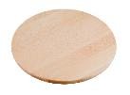 | 20090600 | 5903456095024 | Rotary tray fi 35 cm | € 6.01 | 5 | 200 | 35x35x3.5 cm | drewno bukowe
371. | BASIC WOOD |  | 20090700 | 5903456095482 | Rotary tray fi 40 cm | € 7.52 | 5 | 240 | 40x40x5 cm | drewno bukowe
372. |  |  | 10085000 | 5903456118587 | Rotary tray with cover Ø 30 cm | € 7.14 | 1 | 85 | 30x30x15 cm | drewno bukowe, polistyren
375. | BASIC |  | 20092700 | 5903456090258 | Sugar bowl Ania with wooden spoon | € 1.51 | 18 | 1260 | 9x9x11 cm | polistyren, drewno bukowe,stal
376. | BĄBLE |  | 21032010 | 5903456099978 | Smart butter container white | € 6.22 | 5 | 350 | 16.5x10x10 cm | polipropylen, drewno bukowe
377. | BĄBLE |  | 21032098 | 5903456101015 | Smart butter container black cosmos | € 7.99 | 5 | 350 | 16.5x10x10 cm | polipropylen, drewno bukowe
378. | BASIC |  | 10032110 | 5903456013127 | Butter container white | € 1.02 | 25 | 1000 | 18x11x7.5 cm | polipropylen, polistyren
379. |  |  | 10032177 | 5903456006020 | Butter container mix(black,white) | € 1.02 | 25 | 1000 | 18x11x7.5 cm | polipropylen, polistyren
380. | BASIC |  | 10032210 | 5903456012960 | Butter container white | € 0.70 | 32 | 1280 | 17x10.5x6.5 cm | polipropylen, polistyren
381. |  |  | 10032277 | 5903456002145 | Butter container mix(black,white) | € 0.70 | 32 | 1280 | 17x10.5x6.5 cm | polipropylen, polistyren
382. | PRESIDENT LINE |  | 33032800 | 5903456003470 | Butter container with wooden base President Line | € 2.82 | 20 | 800 | 18.5x12x7.2 cm | drewno bukowe, polistyren
383. | BĄBLE |  | 10032310 | 5903456101718 | Egg saucer 2 pcs white | € 0.79 | 20 | 1400 | 12.5x12x3.2 cm | polipropylen
384. | BASIC |  | 10032410 | 5903456101749 | Plate for eggs white | € 0.77 | 40 | 1600 | 23.3x23.3x2.5 cm | polipropylen
385. | BASIC |  | 10032400 | 5903456101770 | Plate for eggs transparent | € 0.82 | 40 | 1600 | 23.3x23.3x2.5 cm | polistyren
386. |  |  | 10032477 | 5903456018856 | Plate for eggs mix(white) | € 0.77 | 40 | 1600 | 23.3x23.3x2.5 cm | polipropylen
387. | BAILANGO |  | 10043301 | 5903456107475 | Set of dishes and cutlery Bailango white | € 1.51 | 8 | 320 | 26x21x10 cm | polipropylen
388. | BAILANGO |  | 10043340 | 5903456113346 | Set of dishes and cutlery Bailango pastel blue | € 1.47 | 8 | 320 | 26x21x10 cm | polipropylen
389. | BAILANGO |  | 10043390 | 5903456113339 | Set of dishes and cutlery Bailango grey | € 1.51 | 8 | 320 | 26x21x10 cm | polipropylen
390. |  |  | 10043377 | 5903456114459 | Set of dishes and cutlery Bailango mix(white,gray,blue) | € 1.51 | 8 | 320 | 26x21x10 cm | polipropylen
391. | BAILANGO |  | 10040110 | 5903456101862 | Plate Bailango fi 24 cm white | € 0.48 | 60 | 2400 | 26x21x2.3 cm | polipropylen
392. | BAILANGO |  | 10040140 | 5903456110611 | Plate Bailango fi 24 cm pastel blue | € 0.48 | 60 | 2400 | 26x21x2.3 cm | polipropylen
393. | BAILANGO |  | 10040190 | 5903456110598 | Plate Bailango fi 24 cm grey | € 0.48 | 60 | 2400 | 26x21x2.3 cm | polipropylen
394. |  |  | 10040177 | 5903456023126 | Plate Bailango fi 24 cm mix(gray,white,blue) | € 0.48 | 60 | 2400 | 26x21x2.3 cm | polipropylen
395. | BAILANGO |  | 10040210 | 5903456101817 | Bowl Bailango 0.75l white | € 0.37 | 40 | 2800 | 17.3x14x6.7 cm | polipropylen
396. | BAILANGO |  | 10040240 | 5903456110550 | Bowl Bailango 0.75l pastel blue | € 0.37 | 40 | 2800 | 17.3x14x6.7 cm | polipropylen
397. | BAILANGO |  | 10040290 | 5903456110536 | Bowl Bailango 0.75l grey | € 0.37 | 40 | 2800 | 17.3x14x6.7 cm | polipropylen
398. |  |  | 10040277 | 5903456021238 | Bowl Bailango 0.75l mix(gray,white,blue) | € 0.37 | 40 | 2800 | 17.3x14x6.7 cm | polipropylen
399. | BAILANGO |  | 10040410 | 5903456114688 | Bowl for salads Bailango 2L white | € 0.74 | 32 | 1280 | 25.6 x 7 cm | polipropylen
400. | BAILANGO |  | 10040490 | 5903456114671 | Bowl for salads Bailango 2L gray | € 0.74 | 32 | 1280 | 25.6 x 7 cm | polipropylen
401. | BAILANGO |  | 10040310 | 5903456101909 | Dip bowl white | € 0.21 | 50 | 20000 | 7.5x7.5x3 cm | polipropylen
402. |  |  | 10040377 | 5903456010119 | Dip bowl mix(white,gray) | € 0.21 | 50 | 20000 | 7.5x7.5x3 cm | polipropylen
403. | BAILANGO |  | 10060410 | 5903456107031 | Bailango - cutlery set / spoon, knife, fork / white | € 0.24 | 30 | 2100 | 23x12.5x1cm | polipropylen
404. | BAILANGO |  | 10060490 | 5903456110703 | Bailango - cutlery set / spoon, knife, fork / gray | € 0.24 | 30 | 2100 | 23x12.5x1cm | polipropylen
405. | BAILANGO |  | 10060440 | 5903456110727 | Bailango - cutlery set / spoon, knife, fork / pastel blue | € 0.24 | 30 | 2100 | 23x12.5x1cm | polipropylen
406. |  |  | 10060477 | 5903456106645 | Bailango - cutlery set / spoon, knife, fork / mix(gray,white,blue) | € 0.24 | 30 | 2100 | 22x7x3.5 cm | polipropylen
407. | BAILANGO |  | 10040740 | 5903456110659 | Bailango cup 0.3L pastel blue | € 0.27 | 80 | 5600 | 9.5x10x8 cm | polipropylen
408. | BAILANGO |  | 10040710 | 5903456101787 | Bailango cup 0.3L white | € 0.27 | 80 | 5600 | 9.5x7.4x10 cm | polipropylen
409. | BAILANGO |  | 10040790 | 5903456110635 | Bailango cup 0.3L grey | € 0.27 | 80 | 5600 | 9.5x7.4x10 cm | polipropylen
410. |  |  | 10040777 | 5903456022129 | Bailango cup 0.3Lmix(gray,white,blue) | € 0.27 | 80 | 5600 | 9.5x7.4x10 cm | polipropylen
411. | Family |  | 10301010 | 5903456122041 | Family 23cm plate white | € 0.42 |  |  | 23x23x2cm | Polipropylen
412. | Family | 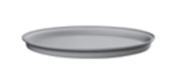 | 10301090 | 5903456122058 | Family plate 23cm grey | € 0.42 |  |  | 23x23x2cm | Polipropylen
413. | Family |  | 10301040 | 5903456122065 | Family plate 23cm pastel blue | € 0.42 |  |  | 23x23x2cm | Polipropylen
414. | Family | 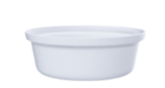 | 10303010 | 5903456122072 | Family bowl 0.5L white | € 0.32 |  |  | 15x15x5,4cm | Polipropylen
415. |  | 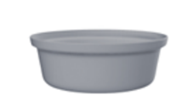 | 10303090 | 5903456122089 | Family bowl 0.5L grey | € 0.32 |  |  | 15x15x5,4cm | Polipropylen
416. | Family | 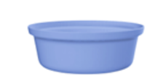 | 10303040 | 5903456122096 | Family bowl 0.5L blue pastel | € 0.32 |  |  | 15x15x5,4cm | Polipropylen
417. | Family |  | 10305010 | 5903456122102 | Family cutlery set / spoon, knife, fork/ white | € 0.21 |  |  | 4,2x4,5x17cm | Polipropylen
418. | Family |  | 10305090 | 5903456122119 | Cutlery set Family / spoon, knife, fork/ gray | € 0.21 |  |  | 4,2x4,5x17cm | Polipropylen
419. | Family |  | 10305040 | 5903456122126 | Cutlery set Family / spoon, knife, fork/ blue pastel | € 0.21 |  |  | 4,2x4,5x17cm | Polipropylen
420. | Family | 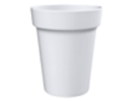 | 10307010 | 5903456122133 | Family mug 0.3L White | € 0.21 |  |  | 8,5x8,5x10cm | Polipropylen
421. | Family |  | 10307090 | 5903456122140 | Family Mug 0.3L Gray | € 0.21 |  |  | 8,5x8,5x10cm | Polipropylen
422. | Family |  | 10307040 | 5903456122157 | Family mug 0.3L Blue pastel | € 0.21 |  |  | 8,5x8,5x10cm | Polipropylen
470. | BASIC |  | 10082299 | 5903456114879 | Sprouter black base with cress seeds 5g | € 1.16 | 15 | 1320 |  | polipropylen, polistyren
471. |  |  |  | 5903456123697 | Folding table for bed - cappuccino | € 4.25 | 6 | 108 | 54x35.5x26 cm | polipropylen
472. |  |  |  | 5903456119478 | MINI BINI - handy container for bio waste - green color container gray cover 35% bio - 4.5L | € 1.50 |  | 252 | 24.5x19x13 cm | polipropylen
473. |  |  |  | 5903456119560 | Bio-waste container 6L BINI grey | € 1.80 |  | 162 | 24.5x19x17,5 cm | polipropylen
474. |  |  |  | 5903456122928 | BINI BASIC set of 3 black waste segregation bins with color lid and color flap blue/green/yellow | € 10.50 | 1 | 27 | 54x25X39 cm | polipropylen
475. |  |  |  | 5903456123369 | non-slip chopping board size M - mint | € 1.26 | 40 | 2800 | 30x20x0.6 cm | polipropylen
476. |  |  |  | 5903456123390 | non-slip chopping board size L - cappucino | € 1.78 | 20 | 1400 | 35x24x0.7 cm | polipropylen
477. |  |  |  | 5903456119065 | Food container 1 l | € 0.91 | 8 | 560 | 20x14x7 cm | polipropylen,silikon
478. |  |  |  | 5903456123246 | Bowl with 2 grinders - MINT | € 2.39 | 6 | 162 | 24x29x14,5cm | polipropylen
479. |  |  |  | 5903456123765 | Container for loose products, 0,65 l | € 0.67 | 12 | 840 | 10x10,5x10,5 cm | PET, silikon
480. |  |  |  | 5903456123772 | Container for loose products, 0,9 l | € 0.85 | 12 | 840 | 14x10,5x10,5cm | PET, silikon
481. |  |  |  | 5903456123789 | Container for loose products, 1,6 l | € 0.98 | 12 | 480 | 24x10,5x10,5 cm | PET, silikon

