11.1 Scale Description
Exhibit 11.1: Students Like Learning Mathematics
Students’ Reports

 |  | About the Scale
 |  | Students were scored according to their responses to nine statements on the Students Like Learning Mathematics scale. Cut scores divide the scale into three categories. Students who Very Much Like Learning Mathematics had a score at or above the cut score corresponding to “agreeing a lot” with five of the nine statements and “agreeing a little” with the other four, on average. Students who Do Not Like Learning Mathematics had a score at or below the cut score corresponding to “disagreeing a little” with five of the nine statements and “agreeing a little” with the other four, on average. All other students Somewhat Like Learning Mathematics.
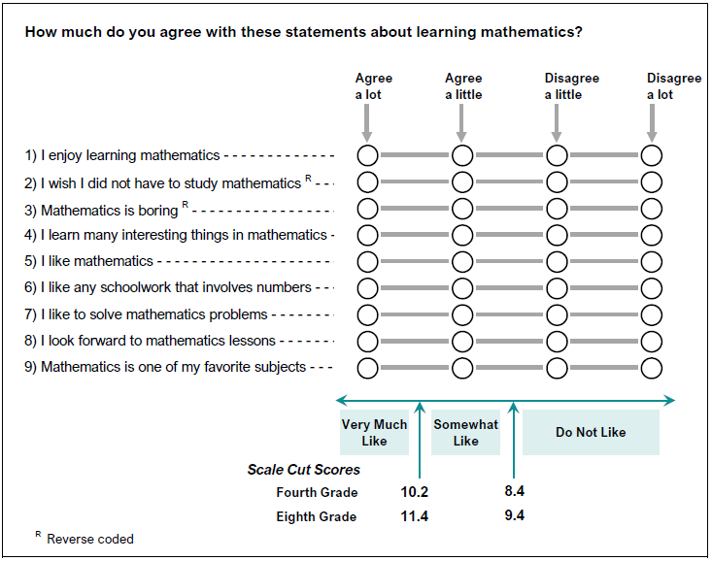

 | SOURCE: IEA's Trends in International Mathematics and Science Study - TIMSS 2019
 | Downloaded from http://timss2019.org/download

