8.1 Scale Description
Exhibit 8.1: School Discipline – Principals’ Reports
Students’ Results based on Principals’ Reports

 |  | About the Scale
 |  | Students were scored according to their principals’ reports regarding eleven potential problems on the School Discipline scale. Cut scores divide the scale into three categories. Students in schools with Hardly Any Problems had a score at or above the cut score corresponding to their principals reporting that six of the eleven issues are “not a problem” and the other five are a “minor problem,” on average. Students in schools with Moderate to Severe Problems had a score at or below the cut score corresponding to their principals reporting that six of the eleven issues are a “moderate problem” and the other five are a “minor problem,” on average. All other students were in schools with Minor Problems.
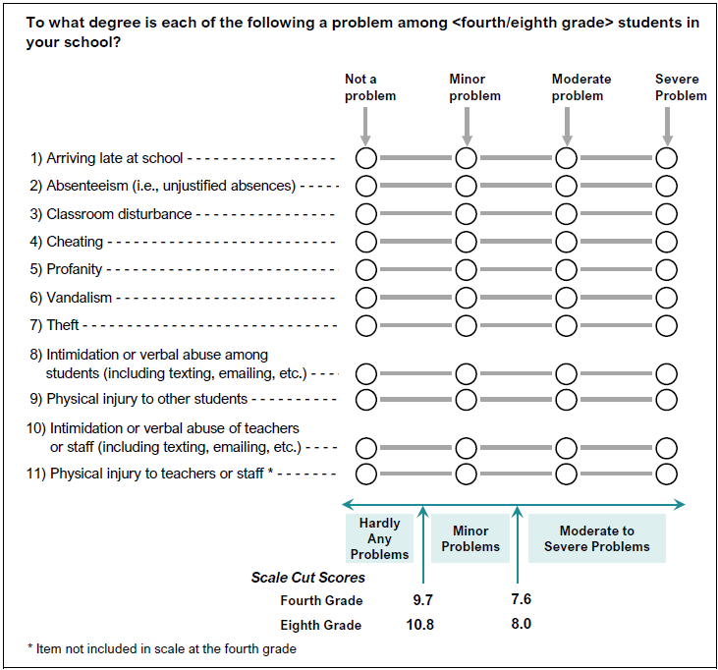

 | SOURCE: IEA's Trends in International Mathematics and Science Study - TIMSS 2019
 | Downloaded from http://timss2019.org/download

