8.6 Scale Description
Exhibit 8.6: Safe and Orderly School – Teachers’ Reports
Students’ Results based on Teachers’ Reports

 |  | About the Scale
 |  | Students were scored according to their teachers’ responses to eight statements on the Safe and Orderly School scale. Cut scores divide the scale into three categories. Students in Very Safe and Orderly schools had a score at or above the cut score corresponding to their teachers “agreeing a lot” with four of the eight statements and “agreeing a little” with the other four, on average. Students in Less than Safe and Orderly schools had a score at or below the cut score corresponding to their teachers “disagreeing a little” with four of the eight statements and “agreeing a little” with the other four, on average. All other students were in Somewhat Safe and Orderly schools.
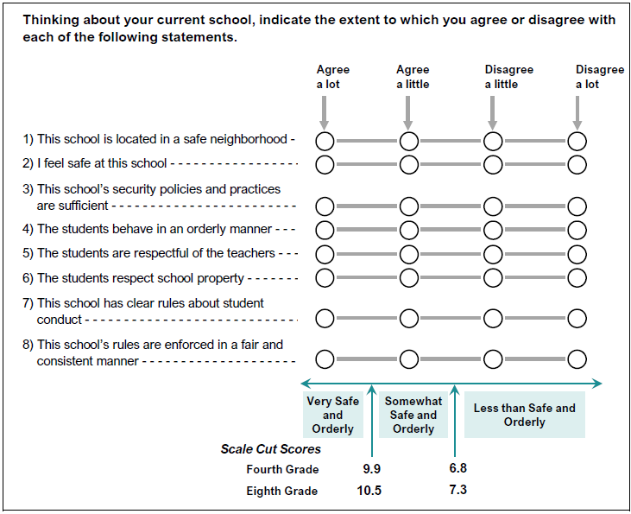

 | SOURCE: IEA's Trends in International Mathematics and Science Study - TIMSS 2019
 | Downloaded from http://timss2019.org/download

