ICC world Cup
TABLE SCRIPT -
create table icc_world_cup (
Team_1 Varchar(20),
Team_2 Varchar(20),
Winner Varchar(20)
);
INSERT INTO icc_world_cup values('India','SL','India');
INSERT INTO icc_world_cup values('SL','Aus','Aus');
INSERT INTO icc_world_cup values('SA','Eng','Eng');
INSERT INTO icc_world_cup values('Eng','NZ','NZ');
INSERT INTO icc_world_cup values('Aus','India','India');
ICC WORLD CUP TABLE

Team 1 | Team 2 | Winner
India | SL | India
SL | Aus | Aus
SA | Eng | Eng
Eng | NZ | NZ
Aus | India | India

SQL CHALLENGE QUESTION 1 -
Write a query to derive points table for icc tournament

QUERY USED -
SELECT team_name, COUNT(*) AS no_of_matches_played, SUM(win_flag) AS matches_won,
SELECT team_name, COUNT(*) AS no_of_matches_played,
SUM(win_flag) AS matches_won , COUNT(*) - SUM(win_flag) AS matches_lost FROM (SELECT team_1 AS team_name, CASE WHEN team_1 = winner THEN 1 ELSE 0 END as win_flag
FROM icc_world_cup UNION ALL SELECT team_2 AS team_name, CASE WHEN team_2 = winner THEN 1 ELSE 0 END AS win_flag FROM icc_world_cup) X GROUP BY team_name ORDER BY matches_won DESC;

OUTPUT RESULT -

New and Repeated customers
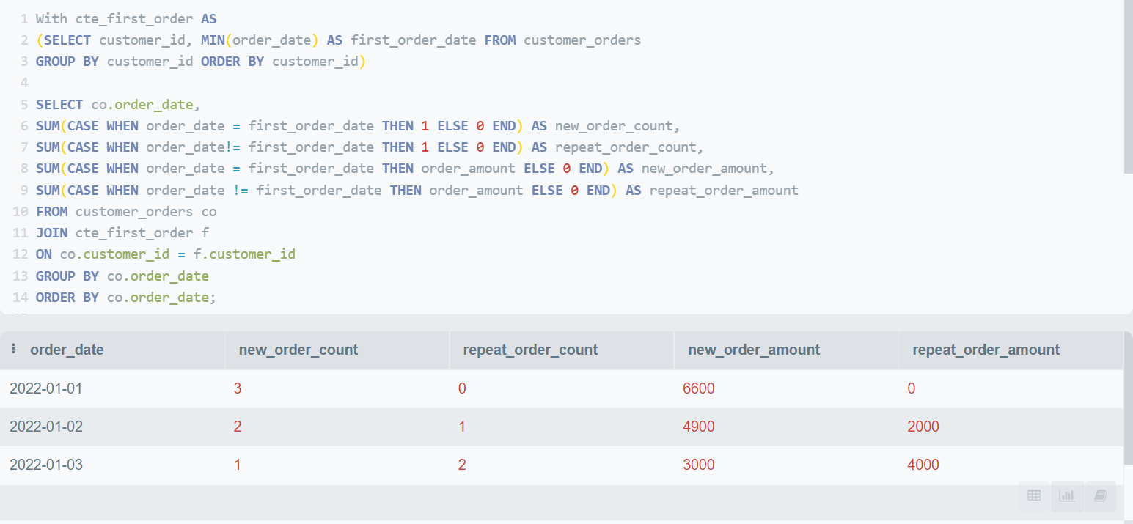
TABLE SCRIPT -
create table customer_orders(
order_id integer,
customer_id integer,
order_date date,
order_amount integer);
insert into customer_orders values (1,100,cast('2022-01-01' as date),2000),
(2,200,cast('2022-01-01' as date),2500),
(3,300,cast('2022-01-01' as date),2100) ,
(4,100,cast('2022-01-02' as date),2000),
(5,400,cast('2022-01-02' as date),2200),
(6,500,cast('2022-01-02' as date),2700) ,
(7,100,cast('2022-01-03' as date),3000),
(8,400,cast('2022-01-03' as date),1000),
(9,600,cast('2022-01-03' as date),3000) ;
CUSTOMER ORDERS TABLE

order_id | customer_id | order_date | order_amount
1 | 100 | 2022-01-01 | 2000
2 | 200 | 2022-01-01 | 2500
3 | 300 | 2022-01-01 | 2100
4 | 100 | 2022-01-02 | 2000
5 | 400 | 2022-01-02 | 2200
6 | 500 | 2022-01-02 | 2700
7 | 100 | 2022-01-03 | 3000
8 | 400 | 2022-01-03 | 1000
9 | 600 | 2022-01-03 | 3000

SQL CHALLENGE QUESTION 1 -
Find out the count of new customers visits and repeated customers visit along with the total amount spend by new customers and repeated customers seperately

QUERY USED -
With cte_first_order as
(SELECT customer_id, MIN(order_date) as first_order_date FROM customer_orders
GROUP BY customer_id ORDER BY customer_id)
SELECT co.order_date,
SUM(CASE WHEN order_date = first_order_date THEN 1 ELSE 0 END) AS new_order_count,
SUM(CASE WHEN order_date!= first_order_date THEN 1 ELSE 0 END) AS repeat_order_count,
SUM(CASE WHEN order_date = first_order_date THEN order_amount ELSE 0 END) AS new_order_amount,
SUM(CASE WHEN order_date != first_order_date THEN order_amount ELSE 0 END) AS repeat_order_amount
FROM customer_orders co
JOIN cte_first_order f
ON co.customer_id = f.customer_id
GROUP BY co.order_date
ORDER BY co.order_date;

OUTPUT RESULT -

Senerio Based 1
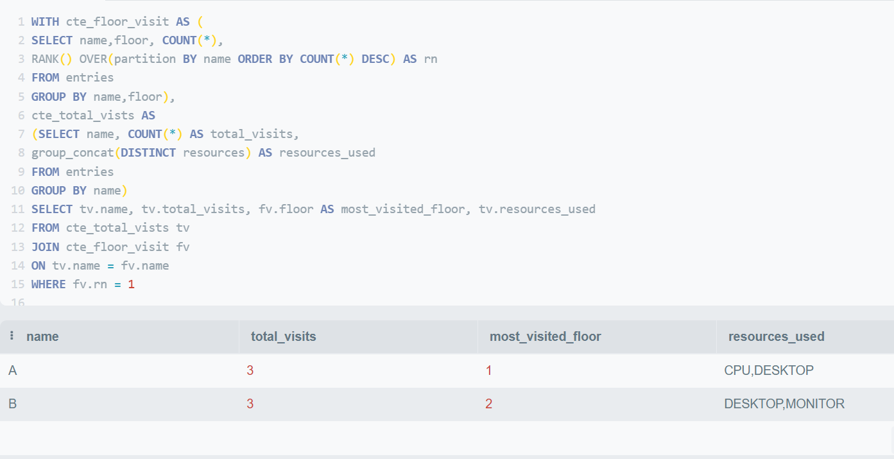
TABLE SCRIPT -
create table entries ( name varchar(20),
address varchar(20),
email varchar(20),
floor int,
resources varchar(10));
insert into entries values ('A','Bangalore','A@gmail.com',1,'CPU'),
('A','Bangalore','A1@gmail.com',1,'CPU'),
('A','Bangalore','A2@gmail.com',2,'DESKTOP'),
('B','Bangalore','B@gmail.com',2,'DESKTOP'),
('B','Bangalore','B1@gmail.com',2,'DESKTOP'),
('B','Bangalore','B2@gmail.com',1,'MONITOR')
ENTRIES TABLE

name | address | email | floor | resources
A | Bangalore | A@gmail.com | 1 | CPU
A | Bangalore | A1@gmail.com | 1 | CPU
A | Bangalore | A2@gmail.com | 2 | DESKTOP
B | Bangalore | B@gmail.com | 2 | DESKTOP
B | Bangalore | B1@gmail.com | 2 | DESKTOP
B | Bangalore | B2@gmail.com | 1 | MONITOR

SQL CHALLENGE QUESTION 1
summarize the data with the name of the employee, total no of visits by each employee, most visited floor by employee and the resources used by them

with cte_floor_visit as (
SELECT name,floor, COUNT(*),
RANK() OVER(partition by name ORDER BY count(*) desc) as rn
FROM entries
GROUP BY name,floor),
cte_total_visits as
(SELECT name, COUNT(*) AS total_visits,
group_concat(DISTINCT resources) as resources_used
from entries
GROUP BY name)
SELECT tv.name, tv.total_visits, fv.floor AS most_visited_floor, tv.resources_used
FROM cte_total_vists tv
JOIN cte_floor_visit fv
ON tv.name = fv.name
WHERE fv.rn = 1
QUERY USED -

 |  |  |  |  | GROUP_CONCAT() function is an aggregate function that concatenates strings from a group into a single string with various options.

OUTPUT RESULT -

Senerio Based 2
FRIENDS TABLE |  | PERSONS TABLE

PersonID | FriendID | PersonID | Name | Email | Score
1 | 2 | 1 | Alice | alice2018@hotmail.com | 88
1 | 3 | 2 | Bob | bob2018@hotmail.com | 11
2 | 1 | 3 | Davis | davis2018@hotmail.com | 27
2 | 3 | 4 | Tara | tara2018@hotmail.com | 45
3 | 5 | 5 | John | john2018@hotmail.com | 63
4 | 2
4 | 3
4 | 5

SQL CHALLENGE QUESTION-
write a query to find out the person id, person name, no of friends of each person and the Sum of total scores of their friends . Query on those person's ID whose total of friends scores is greater than 100.

QUERY USED -
with cte_friendscore as
(SELECT f.personID, COUNT(f.friendID) AS no_of_friends,
SUM(p.score) AS total_friendscore
FROM friends f
JOIN persons p ON
f.friendID = p.personID
GROUP BY f.personID
HAVING SUM(p.score) > 100)
SELECT s.personID, p.name, s.no_of_friends, s.total_friendscore
FROM cte_friendscore s
JOIN persons p
ON s.personID = p.personID;

OUTPUT RESULT -

Debit_credit
TABLE SCRIPT -
create table account_balance
( account_no varchar(20),
transaction_date date,
debit_credit varchar(10),
transaction_amount decimal );
insert into account_balance values ('acc_1', to_date('2022-01-20', 'YYYY-MM-DD'), 'credit', 100);
insert into account_balance values ('acc_1', to_date('2022-01-21', 'YYYY-MM-DD'), 'credit', 500);
insert into account_balance values ('acc_1', to_date('2022-01-22', 'YYYY-MM-DD'), 'credit', 300);
insert into account_balance values ('acc_1', to_date('2022-01-23', 'YYYY-MM-DD'), 'credit', 200);
insert into account_balance values ('acc_2', to_date('2022-01-20', 'YYYY-MM-DD'), 'credit', 500);
insert into account_balance values ('acc_2', to_date('2022-01-21', 'YYYY-MM-DD'), 'credit', 1100);
insert into account_balance values ('acc_2', to_date('2022-01-22', 'YYYY-MM-DD'), 'debit', 1000);
insert into account_balance values ('acc_3', to_date('2022-01-20', 'YYYY-MM-DD'), 'credit', 1000);
insert into account_balance values ('acc_4', to_date('2022-01-20', 'YYYY-MM-DD'), 'credit', 1500);
insert into account_balance values ('acc_4', to_date('2022-01-21', 'YYYY-MM-DD'), 'debit', 500);
insert into account_balance values ('acc_5', to_date('2022-01-20', 'YYYY-MM-DD'), 'credit', 900);
select * from account_balance;
ACCOUNT_BALANCE TABLE

account_no | transaction_date | debit_credit | transaction_amount
acc_1 | 2022-01-20 | credit | 100
acc_1 | 2022-01-21 | credit | 500
acc_1 | 2022-01-22 | credit | 300
acc_1 | 2022-01-23 | credit | 200
acc_2 | 2022-01-20 | credit | 500
acc_2 | 2022-01-21 | credit | 1100
acc_2 | 2022-01-22 | debit | 1000
acc_3 | 2022-01-20 | credit | 1000
acc_4 | 2022-01-20 | credit | 1500
acc_4 | 2022-01-21 | debit | 500
acc_5 | 2022-01-20 | credit | 900

SQL CHALLENGE QUESTION -
Write a query to return the account no and the transaction date when the account balance reached 1000. Please include only those records whose account balance is currently > = 1000

QUERY USED -
with cte_input as (select account_no, transaction_date,
CASE WHEN debit_credit = 'debit' THEN -1*transaction_amount ELSE transaction_amount END as trn_amt
FROM account_balance) ,
cte_final as (SELECT *,
SUM(trn_amt) OVER(partition by account_no order by transaction_date range between UNBOUNDED PRECEDING and UNBOUNDED following) as final_balance,
SUM(trn_amt) OVER (partition by account_no order by transaction_date) as net_balance,
case when SUM(trn_amt) OVER (partition by account_no order by transaction_date) >= 1000 then 1 else 0 end as flg
FROM cte_input)
SELECT account_no, MIN(transaction_date) as Trn_date
FROM cte_final
WHERE final_balance >=1000
AND flg = 1
group by account_no;

FINAL OUTPUT

max_min_employeeL&T
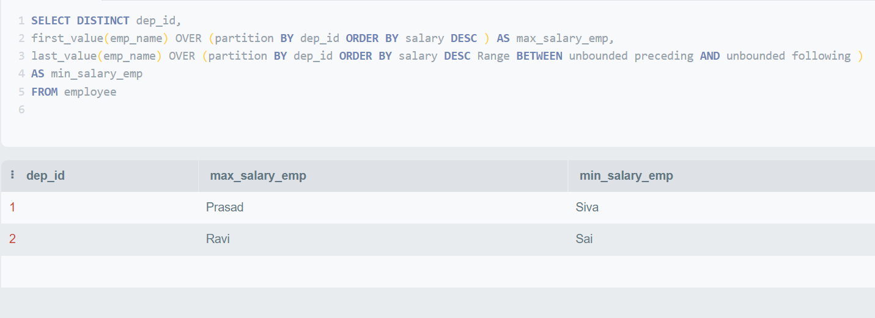
TABLE SCRIPT -
create table employee (
emp_name varchar(10),
dep_id int,
salary int );
insert into employee values ('Siva',1,30000),
('Ravi',2,40000),
('Prasad',1,50000),
('Sai',2,20000);
Employee Table

emp_name | dep_id | salary
Siva | 1 | 30000
Ravi | 2 | 40000
Prasad | 1 | 50000
Sai | 2 | 20000

SQL QUESTION -
write a Query to print highest and lowest salary employee in each department.

QUERY USED -
SELECT DISTINCT dep_id,
first_value(emp_name) OVER (partition By dep_id ORDER BY salary DESC ) as max_salary_emp,
last_value(emp_name) OVER (partition By dep_id ORDER BY salary DESC Range between unbounded preceding and unbounded following )
as min_salary_emp
FROM employee

OUTPUT -

Most Modified File Ext
TABLE SCRIPT -
create table file
(id int primary key,
date_modified date,
file_name varchar(50));
insert into files values (1, to_date('2021-06-03','yyyy-mm-dd'), 'thresholds.svg');
insert into files values (2, to_date('2021-06-01','yyyy-mm-dd'), 'redrag.py');
insert into files values (3, to_date('2021-06-03','yyyy-mm-dd'), 'counter.pdf');
insert into files values (4, to_date('2021-06-06','yyyy-mm-dd'), 'reinfusion.py');
insert into files values (5, to_date('2021-06-06','yyyy-mm-dd'), 'tonoplast.docx');
insert into files values (6, to_date('2021-06-01','yyyy-mm-dd'), 'uranian.pptx');
insert into files values (7, to_date('2021-06-03','yyyy-mm-dd'), 'discuss.pdf');
insert into files values (8, to_date('2021-06-06','yyyy-mm-dd'), 'nontheologically.pdf');
insert into files values (9, to_date('2021-06-01','yyyy-mm-dd'), 'skiagrams.py');
insert into files values (10, to_date('2021-06-04','yyyy-mm-dd'), 'flavors.py');
insert into files values (11, to_date('2021-06-05','yyyy-mm-dd'), 'nonv.pptx');
insert into files values (12, to_date('2021-06-01','yyyy-mm-dd'), 'under.pptx');
insert into files values (13, to_date('2021-06-02','yyyy-mm-dd'), 'demit.csv');
insert into files values (14, to_date('2021-06-02','yyyy-mm-dd'), 'trailings.pptx');
insert into files values (15, to_date('2021-06-04','yyyy-mm-dd'), 'asst.py');
insert into files values (16, to_date('2021-06-03','yyyy-mm-dd'), 'pseudo.pdf');
insert into files values (17, to_date('2021-06-03','yyyy-mm-dd'), 'unguarded.jpeg');
insert into files values (18, to_date('2021-06-06','yyyy-mm-dd'), 'suzy.docx');
insert into files values (19, to_date('2021-06-06','yyyy-mm-dd'), 'anitsplentic.py');
insert into files values (20, to_date('2021-06-03','yyyy-mm-dd'), 'tallies.py');
File Database

id | date_modified | file_name
1 | 2021-06-03 | thresholds.svg
2 | 2021-06-01 | redrag.py
3 | 2021-06-03 | counter.pdf
4 | 2021-06-06 | reinfusion.py
5 | 2021-06-06 | tonoplast.docx
6 | 2021-06-01 | uranian.pptx
7 | 2021-06-03 | discuss.pdf
8 | 2021-06-06 | nontheologically.pdf
9 | 2021-06-01 | skiagrams.py
10 | 2021-06-04 | flavors.py
11 | 2021-06-05 | nonv.pptx
12 | 2021-06-01 | under.pptx
13 | 2021-06-02 | demit.csv
14 | 2021-06-02 | trailings.pptx
15 | 2021-06-04 | asst.py
16 | 2021-06-03 | pseudo.pdf
17 | 2021-06-03 | unguarded.jpeg
18 | 2021-06-06 | suzy.docx
19 | 2021-06-06 | anitsplentic.py
20 | 2021-06-03 | tallies.py

SQL PROBLEM -
Write a Query to find the most Modified file extension -

QUERY USED -
with cte AS
(select date_modified, SUBSTRING(file_name, (INSTR(file_name,"."))+1) AS extension, count(1) as cnt
FROM file
GROUP BY date_modified, extension)
SELECT date_modified, GROUP_CONCAT(DISTINCT extension) AS extension, cnt
FROM cte c1
WHERE cnt = (SELECT MAX(cnt) FROM cte c2 WHERE c2.date_modified = c1.date_modified)
GROUP BY date_modified
order by date_modified;

OUTPUT RESULT -

