Production
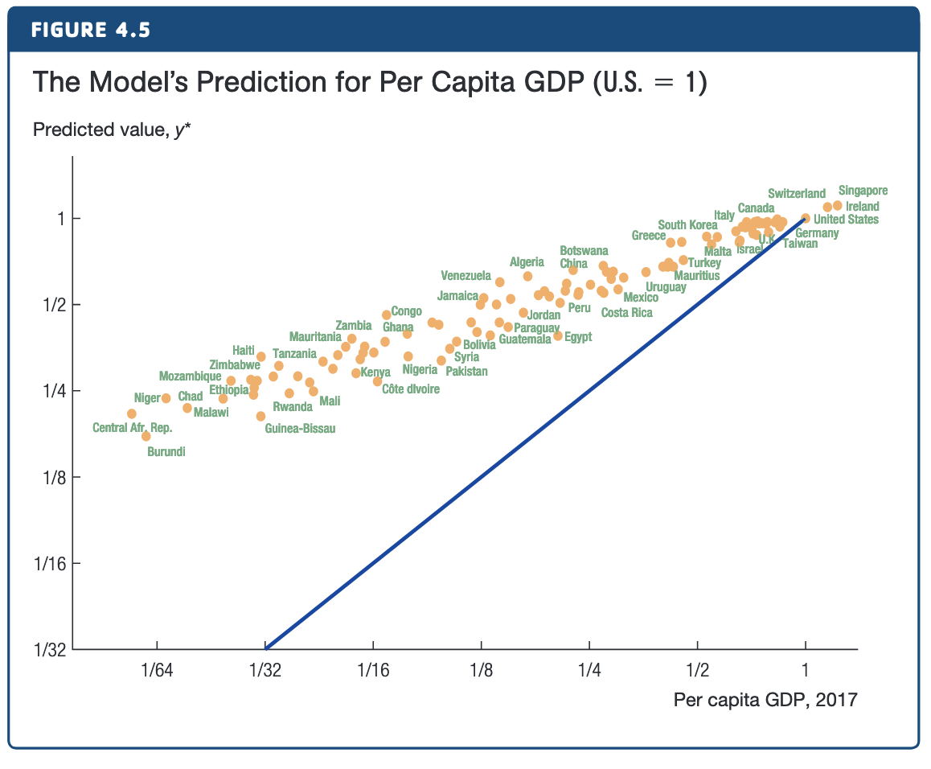
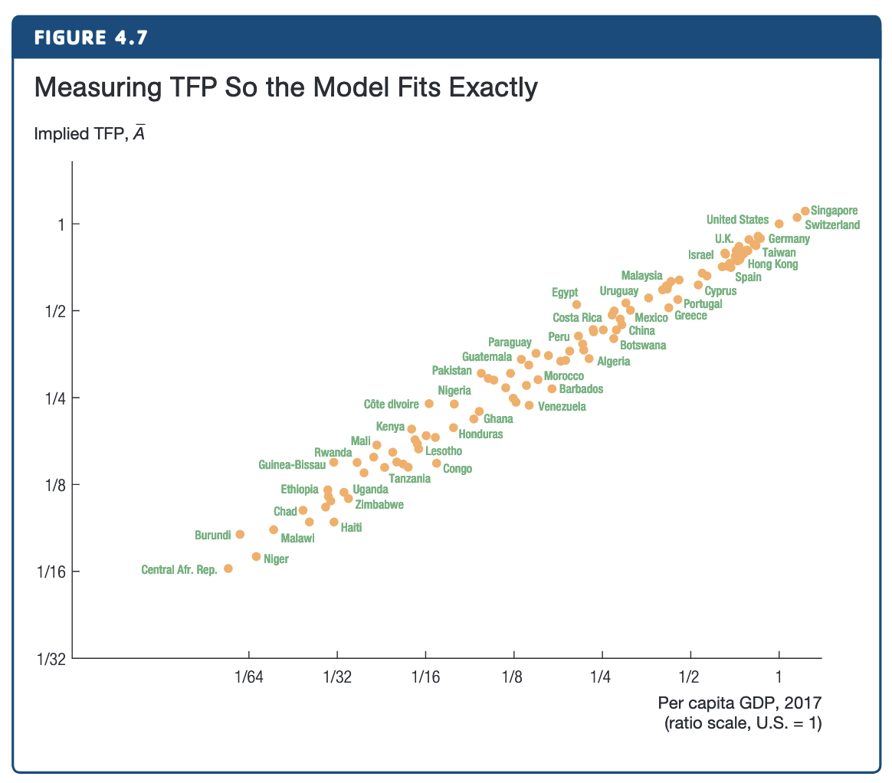
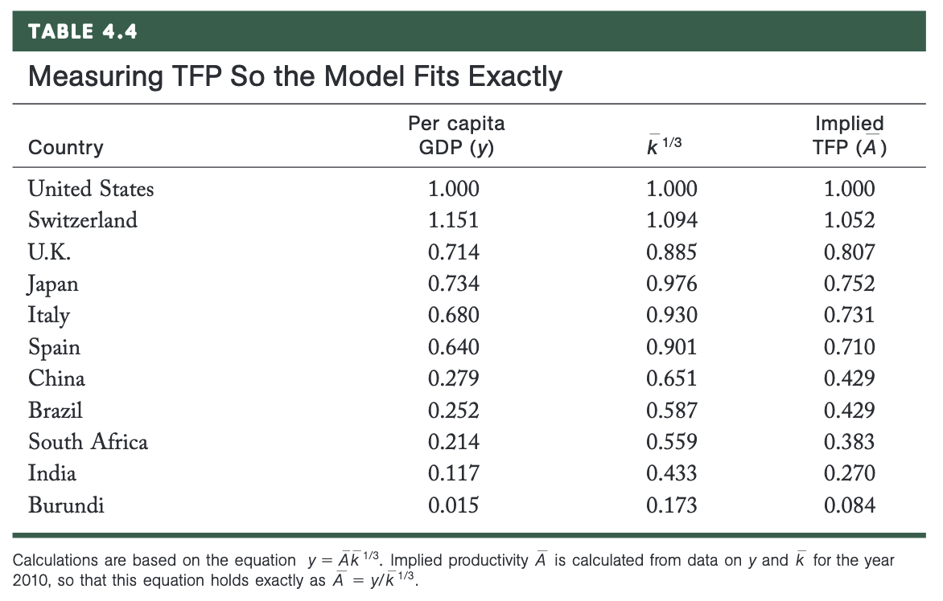

Table 4.3
Country | k_bar | y_predict | y | TFP
U.S. | 1 | 1 | 1
Switzerland | 1.309 | 1.094 | 1.151
Japan | 0.93 | 0.976 | 0.734
U.K. | 0.693 | 0.885 | 0.714
Italy | 0.804 | 0.93 | 0.68
Spain | 0.731 | 0.901 | 0.64
China | 0.276 | 0.651 | 0.279
Brazil | 0.202 | 0.587 | 0.252
South Africa | 0.174 | 0.559 | 0.214
India | 0.081 | 0.433 | 0.117
Burundi | 0.005 | 0.173 | 0.015

