Instructions
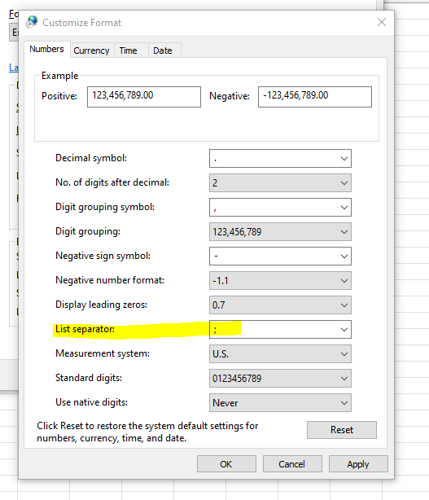
 | Instructions
 | Time Spend: 5 minutes Dim report, 5 min checking & editing if needed, 5 min loading -- 10-15 min

How To Video: |  | ..\Training\Excel Template Upload Videos\Linked Lines_ Manual Load-20250106.mp4

1 |  | Save down V3 Linked Lines Manual file to personal folder.
2 |  | Paste in Master List of linked (mapped) styles onto LINKED tab following sheet format.
3 |  | Confirm list order is correct. ACTIVE style numbers are the last number in the style series.
4 |  | Ensure formula in column F is pulled down so that all styles are included.
5 |  | Open RDW link. Clear out current style list selection and paste in the style concatenates found in column F. Run.
6 |  | Export report but do not open.
7 |  | On LINKED tab select LOAD DIMENSION FILE. Select recently exported RDW report.
8 |  | Select PROCESS on LINKED tab.
9 |  | Validate linked lines are correct on PRE tab columns W & X. If incorrect, update by +/- or shifting.
 |  | NOTE: If style shows _DFTDM, find & replace to remove.
10 |  | On LINKED tab select CREATE CSV. Complete pop ups to identify dept & division.
 |  | NOTE: Prior to creating CSV, ensure that your computer settings are set to "semicolon delimiters" when creating CSV.
 |  | 1. Open CONTROL PANEL > Search REGION > Once open select ADDITIONAL SETTINGS > Update list separator to semicolon (see right) > APPLY.
11 |  | Save down CSV to your personal folder for later reference if needed.
12 |  | Without opening the file, copy and place in the below location. NX will pick up overnight and linked lines should reflect by 7am.
 |  | ..\..\..\..\..\Allocation\ASNs\Arthur_Allocation_Sizes\Arthur Allocation Grades\Nextail\LinkedLines
13 |  | When making changes to a linked line file, save down a new copy from the the last loaded CSV file saved in our shared NX folder. Do not save down from the loaded Archive folder as the format is incorrect and will not reload.

 | Changes Needed

 | 2025-02-25 | Remove function that deletes any non-linked styles when creating csv. Need the ability to use this file to "break" linked lines as well as create.
 | 2025-02-25 | DFTDM is still showing in productref, need removed.

