Bug Report
BUG REPORT
Bug ID | B01/1/B1/BUG1 | Auto
Module | PIM Module
Requirements/Submodule/Feature | Create/add user requirement
Test Case Number | TC/11
Release/Server | QA
Status | New | Auto
Reporter | Shraddha kale | Auto
Date | 2024-08-01 | Auto
Assign To | Developer
CC | TL/PM | NA
Severity | S3
Priority | P3
Platform | Web,MOBILE,DATABASE,API
Build No. | 1 | NA
Test Data | all the details of user
Attachment | 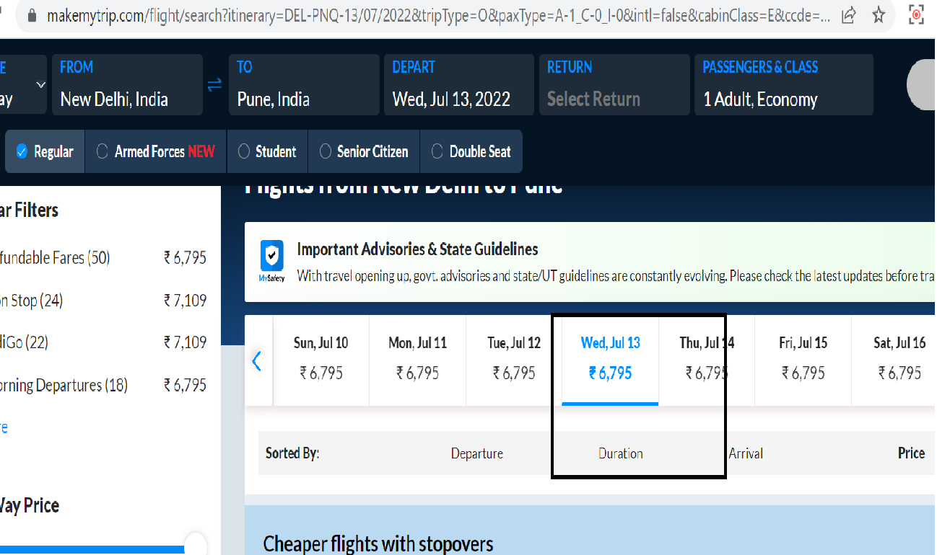 NA
Navigation Steps | 1. Open OrangeHRM application in Browser 2. Enter valid username & valid password 3. click on login button. 4. go to PIM--- > Employee list ----> Add Employee 5.Click on login detail create toggle button 6. Enter Details 7. Click on SAVE."
Expected Result | when user enters create valid details and clicked on SAVE button then it should be save.
Actual Result | when user entered all the valid details still SAVE button is disabled and not able to save.

