Bug Report
BUG REPORT
Bug ID | B01/1/B1/BUG1 ETC | Auto
Module | ONE WAY FLIGHT
Requirements/Submodule/Feature | ONE WAY FLIGHT requirement
Test Case Number | TC3
Release/Server | BUILD
Status | New/Open/tO-DO | Auto
Reporter | Owner | Auto
Date | 2024-07-19 | Auto
Assign To | Developer
CC | TL/PM | NA
Severity | S1
Priority | P3
Platform | Web,MOBILE,DATABASE,API
Build No. | 1 | NA
Test Data | Username = aDMIN and password = admin123
Attachment | 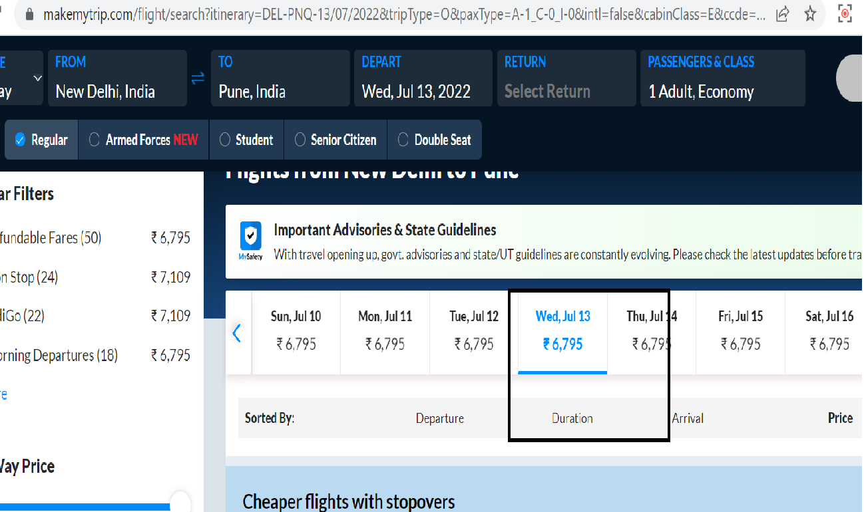 NA
Navigation Steps | 1. Open URL 2. Enter Valid Username with different cases and correct password 3. Click on Login button
Expected Result | Login should not happen when entered wrong username in different case
Actual Result | Login happens when entered Username with different case

