docs
Selection criteria
ENV better than Kent
outputs within 0.05 of Kent

ENV worse than Kent
outputs within 0.25 of Kent | * observation: those with output scores close to Kent tended to do better overall in environment

both:
size +- 25 of Kent FTE (full time equivalent, where a single full time employee is 1.0, and part time employees are a fraction of an FTE between 0 and 1 exclusive)
9 (10% of 90) selected to represent each set of samples, keeping similar distributions for better-than and worse-than samples

environment better than Kent
The University of Birmingham | ENV BETTER THAN KENT | 0.40625
The University of Lancaster | ENV BETTER THAN KENT | 0.375
The University of Manchester | ENV BETTER THAN KENT | 0.4375
The University of Sheffield | ENV BETTER THAN KENT | 0.40625
University of Bristol | ENV BETTER THAN KENT | 0.375
University of Dundee | ENV BETTER THAN KENT | 0.21875
University of Nottingham, The | ENV BETTER THAN KENT | 0.4375
University of Southampton | ENV BETTER THAN KENT | 0.4375
University of York | ENV BETTER THAN KENT | 0.40625
 | ave env improvement | 0.38888888889

environment worse than Kent
Aston University | ENV WORSE THAN KENT | -0.46875
Birkbeck College | ENV WORSE THAN KENT | -0.1875
Liverpool John Moores University | ENV WORSE THAN KENT | -0.375
Manchester Metropolitan University | ENV WORSE THAN KENT | -0.46875
Nottingham Trent University | ENV WORSE THAN KENT | -0.375
The University of Huddersfield | ENV WORSE THAN KENT | -0.5625
The University of West London | ENV WORSE THAN KENT | -0.5625
University of East London | ENV WORSE THAN KENT | -0.5625
University of Stirling | ENV WORSE THAN KENT | -0.375
 | ave env deficit | -0.4375

Scoring for REF2021 | From https://ref.ac.uk/guidance-on-results/guidance-on-ref-2021-results/

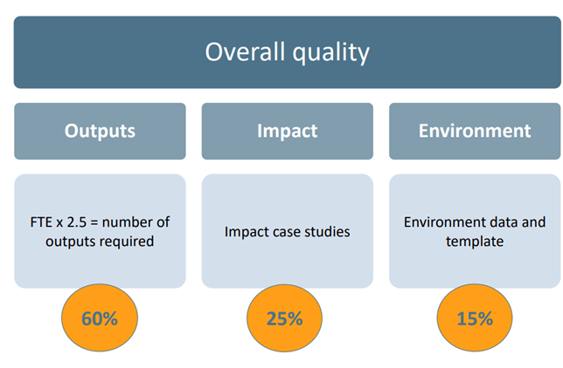

Rationale behind weighted score:
Multiply 4* ratings by 4 | (these contributed the majority of income in REF2014)
Multiply 3* ratings by 1 | (these contributed a small part of income in REF2014)
Disregard 2*, 1*, unclassified entirely from score | (no income from these in REF2014)

