overall total time
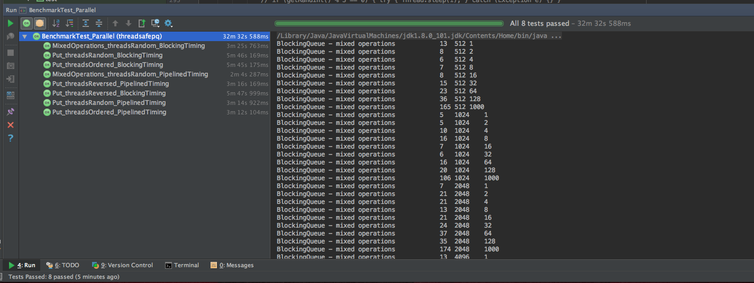
Overall completion time for all tests, PipelinedPriorityQueue vs PriorityBlockingQueue (check other tabs for break down)

Operation/input | Time for PPQ (s) | Time for PBQ (s) | Speed up
mixed operations | 124 | 205 | 1.6532258065
random input | 194 | 346 | 1.7835051546
ordered input | 192 | 345 | 1.796875
reversed input | 196 | 347 | 1.7704081633

