F02.CFG-Paths
 |  | VVSS, Info Romana, 2020-2021

F04. Modificarea detaliilor unui task.

F02. Covered source code |  |  | F02. Control Flow Graph (CFG) | F02. Cyclomatic Complexity (CC)
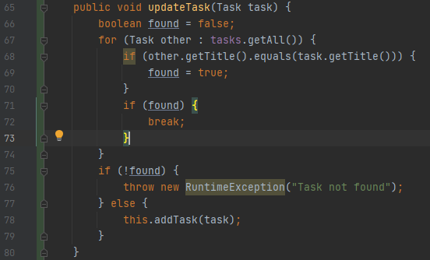
67
76
80
68
69
F
T
F
T
R1
R2
R3
71
75
R4
R5
T
F
F
T
78
72
Line No. | Source code |  |  | CC1 = No. of regions = |  | 5
Req02_L01 | … |  |  | CC2 = Edges - Nodes + 2 = |  | 5
Req02_L02 | … |  |  | CC3 = No. of Conditions + 1 = |  | 5
Req02_L03 | …
... | …
.. | … |  |  | F02. Individual Paths
... | …
 |  |  |  | Path No. | Path
 |  |  |  | F02_P01 | 67(T) - 68(T) - 69 - 71(T) - 72 - 75(F) - 78 - 80
 |  |  |  | F02_P02 | 67(T) - 68(F) - 71(T) - 72 - 75(F) - 78 - 80
 |  |  |  | F02_P03 | 67(T) - 68(T) - 69 - 71(F) - 67(T) - 68(T) - 69 - 71(T) - 72 - 75(F) - 78 - 80
 |  |  |  | F02_P04 | 67(F) - 75(T) - 76 - 80
 |  |  |  | F02_P05 | 67(F) - 75(F) - 78 - 80
 |  |  |  | F02_P06 | 67(T) - 68(F) - 71(F) - 67(F) - 75(T) - 76 - 80

