GiHub
Section | Content
What is Purple Butterfly Trading | PBT is a social trading platform. It aims to improve the usability by bringing exchanges and user's activities together in one place for traders. Using the application, the users can view orders from multiple exchanges, follow & gather experience from other traders. PBT's mission is to connect traders together by creating a one-stop evolving platform where traders can trade cryptocurrencies, copy trades, and compete with each other's trading skills. We aim to become the industry standard and thought leader when it comes to trading in cryptocurrencies. For a deeper look into PBT, you can read the whitepaper or check out the trading platform here.
Architecture | 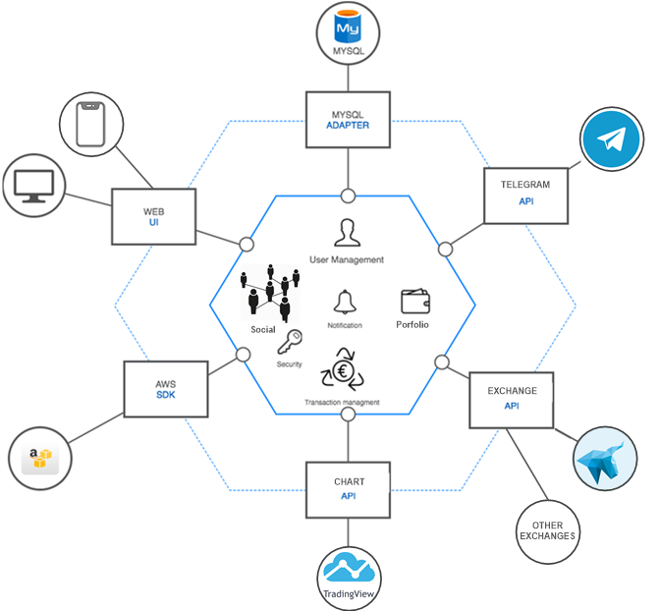 PBT is a single page web application which supports multiple platforms, can be easily access from computers and mobile devices. PBT currently has the connection to the HitBTC exchange where PBTT is listed on, and plans to connect to many popular exchanges in the future. It also has the connection to API of Telegram, providing the secure messaging feature to users.
Project Roadmap | 2019 1Q Beta release through pre-registration For the pre-registered users, we will release the β version of Purple Butterfly Trading platform. API connect partner alliance We will start getting the transaction data by connecting to exchanges where PBTT is listed on through API. Trade contest（Copy trade） On Purple Butterfly Trading platform, we will hold Trading contest#1. After the contest, we will host regularly. 2019 2Q RC release At the same time as the full-fledged version is released, we will start promotions globally. Expand the API connect partners By expanding and adding a number of exchanges which is connected through API, we will aim to make Purple Butterfly Trading platform more convenient and acquire a wide range of users. Social game and trading Trading insurance 2019 3Q Generate the strategy by AI deep learning We will analyze the transaction data on Purple Butterfly Trading platform and create a new strategy to win the investment by using AI deep-learning. 2020 1Q Set up Purple Butterfly Fund Based on the strategy collected, analyzed, and developed from Purple Butterfly Trading platform, we will establish Purple Butterfly Fund.
Key Features
Connect Exchanges | By integrating to multiple cryptocurrency exchanges, it will create opportunities for investors to inquire their transaction history, and asset information from all exchanges in one single place.
Social Trading | Social trading or copy trading is to enable any users to choose expert trader to follow, establising a "follower - leader" type of relationship, based on the expected returns and risk preferences, and delegate the authority to execute copied trade orders automatically to PBT via ECR20 smart contract system. To select an appropriate trader, who best fits your own trading strategy, PBT publishes various indicators. Thus, the followers are properly able to assess the performance and investment behaviour of traders. In order to make an appropriate choice for their own portfolio, followers should consider all available figures such as: - Performance: measures the percentage development of the strategy - Maximum Drawdown: details the maximum continuous loss. - Volatility: describes the return fluctuation of the trader.
Game & Reward | Users can play gacha games inside PBT system to get hot rewards.
Trade Insurance | PBT proposes the trade insurance to investors for their tradings. This insurance gives back an insurance amount to traders if the result of trading becomes negative in the insured time. Users can get trade insurance by playing game or get rewards from the trading competitions...

