1099-MISC
This form has yet to be implemented.

Download and follow IRS instructions for where the information and amounts should be entered.

NOTE: | Amounts of more than $600 will NOT typically be reported on Schedule 1 (Form 1040), Line 8.

Instructions for Form 1099-MISC may be downloaded from the IRS:
https://www.irs.gov/pub/irs-pdf/f1099msc.pdf

Form 1099-MISC may be downloaded from the IRS:
https://www.irs.gov/pub/irs-pdf/f1099msc_21.pdf
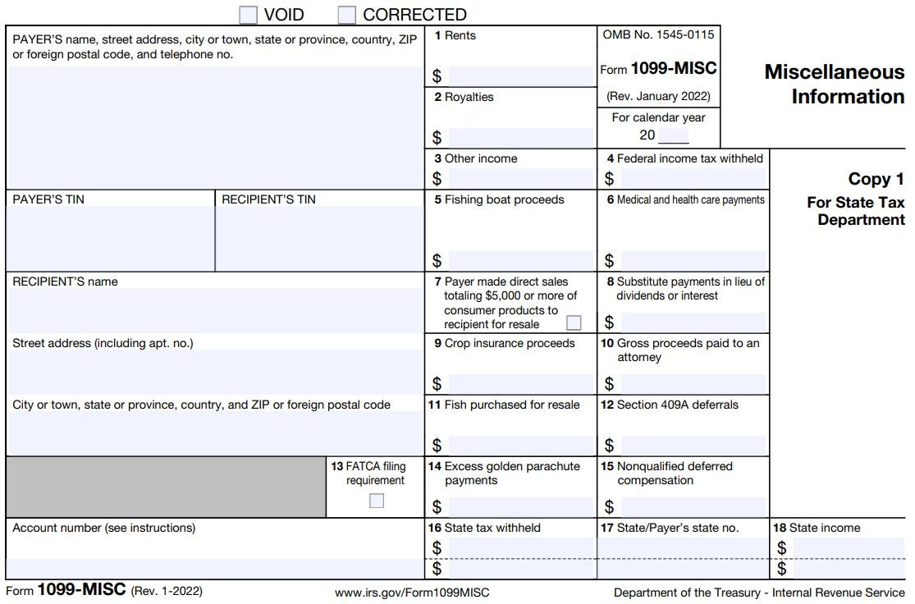

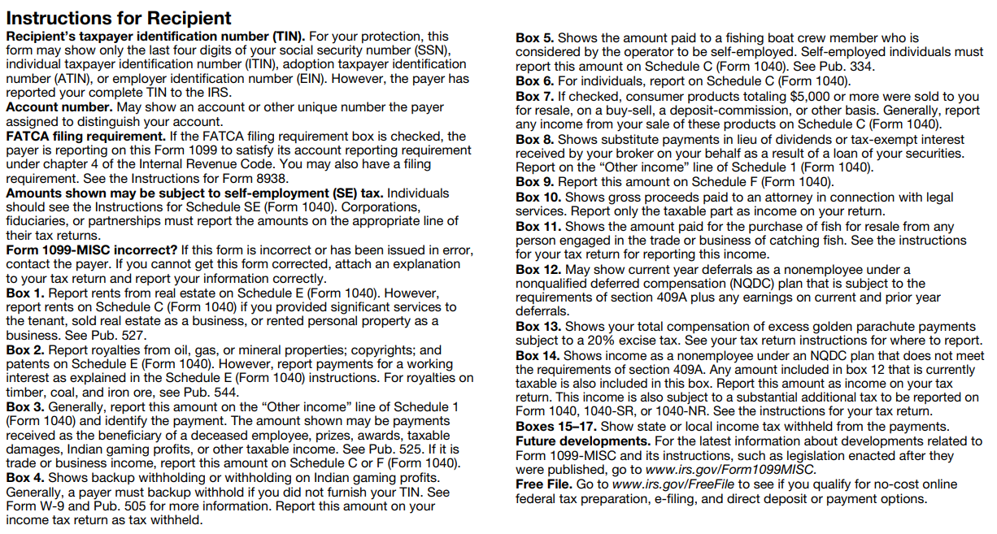

Table of Contents

Line 27a (EIC)
FALSE | #REF! | Please answer question at Step 1, Question 2. |  |  |  |  |  |  |  |  |  | FALSE |  |  | Notes
Line 27a, 27b, and 27c --
Earned Income Credit (EIC)
 |  |  |  |  |  |  |  |  |  |  |  | Override
Step 1 | All Filers |  |  |  |  |  |  |  |  |  | Number of qualified children
 |  |  |  |  |  |  |  |  |  |  |  | 0
 |  | 1. | If, in 2021:

 |  | ● | 3 or more children lived with you,
 |  |  | Is the amount on Form 1040, line 11, less than $51,464 ($57,414 if married filing jointly)? |  |  |  |  |  |  |  |  | 51464 | 57414
 |  | or |  |  |  |  |  |  |  |  |  | 51464
 |  | ● | 2 children lived with you,
 |  |  | Is the amount on Form 1040, line 11, less than $47,915 ($53,865 if married filing jointly)? |  |  |  |  |  |  |  |  | 47915 | 53865
 |  | or |  |  |  |  |  |  |  |  |  | 47915
 |  | ● | 1 child lived with you,
 |  |  | Is the amount on Form 1040, line 11, less than $42,158 ($48,108 if married filing jointly)? |  |  |  |  |  |  |  |  | 42158 | 48108
 |  | or |  |  |  |  |  |  |  |  |  | 42158
 |  | ● | No children lived with you,
 |  |  | Is the amount on Form 1040, line 11, less than $21,430 ($27,380 if married filing jointly)? |  |  |  |  |  |  |  |  | 21430 | 27380
 |  |  |  |  |  |  |  |  |  |  |  | 21430
FALSE |  |  | Yes. Continue. |  |  |  |  | No. STOP You can't take the credit.

 |  | 2. | Do you, and your spouse if filing a joint return, have a social security number issued on or before the due date
 |  |  | of your 2021 return (including extensions) that allows you to work and is valid for EIC purposes?

FALSE |  |  | Yes. Continue. |  |  | FALSE |  | No. STOP You cannot take the credit.
 |  |  |  |  |  |  |  | Enter “No” on the dotted line next to Form 1040, line 27a.

 |  | 3. | Is your filing status married filing separately?

FALSE |  |  | Yes. STOP You can't take the credit. |  |  |  |  | No. Continue |  |  | FALSE

 |  | 4. | Are you filing Form 2555 (relating to foreign earned income)?

FALSE |  |  | Yes. STOP You can't take the credit. |  |  |  |  | No. Continue |  |  | FALSE

 |  | 5. | Were you or your spouse a nonresident alien for any part of 2021?

TRUE |  |  | Yes. |  |  |  | X | No. Go to Step 2. |  |  | TRUE
 |  |  | See Non-resident aliens, later,
FALSE |  |  | under Definitions and Special Rules

Step 2 | Investment Income

 |  | 1. | Add the amounts from Form 1040 or 1040-SR: (This is automatically completed.)

 |  |  | Line 2a | 0
 |  |  | Line 2b + | 0
 |  |  | Line 3b + | 0
 |  |  | Line 7* + | 0

 |  |  | Investment Income = | 0

 |  | *If line 7 is a loss, enter -0-.

 |  | 2. | Is your investment income more than $10,000? |  |  |  |  |  |  |  |  | 10000

FALSE |  |  | Yes. Continue |  |  |  |  | No. Skip question 3; go to question 4. |  |  |  | FALSE

 |  | 3. | Are you filing Form 4797 (relating to sales of business property)?

FALSE |  |  | Yes. See Form 4797 filers, |  |  |  |  | No. You cannot take the credit.
 |  |  | under Definitions and Special Rules
 |  |  |  |  |  |  |  |  |  |  |  | FALSE
 |  | 4. | Do any of the following apply for 2021?

® |  | ● | You are filing Schedule E. (This is automatically completed.)
 |  | or
® |  | ● | You are reporting income or a loss from the rental of
 |  |  | personal property not used in a trade or business.
 |  | or
® |  | ● | You are filing Form 8814 (relating to election to report child’s interest
 |  |  | and dividends on your return).
 |  | or
® |  | ● | You have income or loss from a passive activity.

FALSE |  |  | Yes. Use Worksheet 1 |  |  | ® |  | No. Go to Step 3. |  |  |  | FALSE
 |  |  | in Pub. 596 to see if you
 |  |  | can take the credit. |  |  | ® |  | Check here if you can take the credit.

Step 3 | Qualifying Child |  |  |  | See CAUTIONS and TIP in the instructions.

 | A qualifying child for the EIC is a child who is your…

 |  | ● | Son, daughter, stepchild, foster child, brother, sister, stepbrother, stepsister, |  |  |  |  |  |  |  | CAUTION:
 |  |  | half brother, half sister, or a descendant of any of them |  |  |  |  |  |  |  | You can't take the credit for a child who didn't live with you for more than half the year, even if you paid most of the child's living expenses. The IRS may ask you for documents to show you lived with each qualifying child. Documents you might want to keep for this purpose include school and child care records and other records that show your child's address.
 |  |  | (for example, your grandchild, niece, or nephew)
 |  | and,
 |  |  | was …
 |  | ● | Under age 19 at the end of 2021 and younger than you (or your spouse, if filing jointly)
 |  |  | or
 |  | ● | Under age 24 at the end of 2021 and a student (defined later) and younger than you
 |  |  | (or your spouse, if filing jointly), |  |  |  |  |  |  |  | TIP:
 |  |  | or |  |  |  |  |  |  |  | If the child didn't live with you for more than half of 2021 because of a temporary absence, birth, death, or kidnapping, see Exception to time lived with you, later.
 |  | ● | Any age and permanently and totally disabled (defined later)
 |  | and,
 |  |  | Who isn't filing a joint return for 2021
 |  |  | or is filing a joint return for 2021 only to claim a refund of withheld income tax or |  |  |  |  |  |  |  | CAUTION:
 |  |  | estimated tax paid (see Pub. 596 for examples) |  |  |  |  |  |  |  | If the child meets the conditions to be a qualifying child of any other person (other than your spouse if filing a joint return) for 2021, see Qualifying child of more than one person, later. If the child was married, see Married child, later.
 |  | and,
 |  |  | Who lived with you in the United States for more than half of 2021.

 |  |  |  |  |  |  |  |  | Override
 | 0 |  | <-- Enter number of qualifying children here.

 |  | 1. | Do you have at least one child who meets the conditions to
 |  |  | be your qualifying child for the purpose of claiming the EIC?

FALSE |  |  | Yes. Continue |  |  |  | X | No. Skip questions 2 through 6; go to Step 4. |  |  |  | FALSE

 |  | 2. | Are you filing a joint return for 2021?

FALSE |  |  | Yes. Skip questions 3 through 6 and |  |  |  |  | No. Continue. |  |  |  | FALSE
 |  |  | Step 4; go to Step 5.

 |  | 3. | Are you a married taxpayer whose filing status is married
 |  |  | filing separately or head of household?

FALSE |  |  | Yes. Continue |  |  |  |  | No. Skip questions 4 and 5; |  |  |  | FALSE
 |  |  |  |  |  |  |  | go to question 6.

 |  | 4. | Did you and your spouse have the same principal residence
 |  |  | for the last 6 months of 2021?

FALSE |  |  | Yes. Continue |  |  |  |  | No. Skip question 5; go to question 6. |  |  |  | FALSE

 |  | 5. | Are you legally separated according to your state law under
 |  |  | a written separation agreement or a decree of separate
 |  |  | maintenance and you lived apart from your spouse at the
 |  |  | end of 2021?

FALSE |  |  | Yes. Continue |  |  |  |  | No. Stop |  |  |  | FALSE
 |  |  |  |  |  |  |  | You can't take the credit.

 |  | 6. | Could you be a qualifying child of another person in 2021?
 |  |  | (Check "No" if the other person is not rquired to file, and
 |  |  | isn't filing, a 2021 tax return or is filing a 2021 return only
 |  |  | to claim a refund of withheld income tax or estimated tax
 |  |  | paid (see Pub. 596 for examples).)

FALSE |  |  | Yes. You can't take the credit. |  |  |  |  | No. Skip Step 4; go to Step 5. |  |  |  | FALSE
 |  |  | Enter “No” on the dotted line
 |  |  | next to line 27.

Step 4 | Filers Without a Qualifying Child |  |  |  |  |  |  |  | FALSE

 |  | 1. | Are you a married taxpayer whose filing status is married
 |  |  | filing separately or head of household?

FALSE |  |  | Yes. Stop. |  |  | FALSE |  | No. Continue
 |  |  | You can't take the credit.

 |  | 2. | Were you, or your spouse if filing a joint return, at least age
 |  |  | 24 at the end of 2021? You, or your spouse if filing a joint
 |  |  | return, were at least age 24 at the end of 2021 if you, or
 |  |  | your spouse if filing a joint return, were born before January
 |  |  | 2, 1998. If your spouse died in 2021 or you are preparing a
 |  |  | return for someone who died in 2021, see Pub. 596 before
 |  |  | you answer.

FALSE |  |  | Yes. Skip question 3, |  |  |  |  | No. Continue |  |  |  | FALSE
 |  |  | 4, and 5; Go to question 6.

 |  | 3. | Were you, or your spouse if filing a joint return, at least age
 |  |  | 19 at the end of 2021 |  | and not a | specified student in 2021?
 |  |  | See Specified student, later, before you answer. You, or
 |  |  | your spouse if filing a joint return, were at least age 19 at
 |  |  | the end of 2021 if you, or your spouse if filing a joint return,
 |  |  | were born before January 2, 2003. If your spouse died in
 |  |  | 2021 or you are preparing a return for someone who died in
 |  |  | 2021, see Pub. 596 before you answer.

FALSE |  |  | Yes. Skip question 4, |  |  | FALSE |  | No. Continue
 |  |  | and 5; Go to question 6.

 |  | 4. | Were you, or your spouse if filing a joint return, a qualified
 |  |  | former foster youth or a qualified homeless youth and at
 |  |  | least age 18 at the end of 2021? See Qualified former foster
 |  |  | youth and Qualified homeless youth, later, before you
 |  |  | answer. You, or your spouse if filing a joint return, were at
 |  |  | least age 18 at the end of 2021 if you, or your spouse if
 |  |  | filing a joint return, were born before January 2, 2004. If
 |  |  | your spouse died in 2021 or you are preparing a return for
 |  |  | someone who died in 2021, see Pub. 596 before you answer.

FALSE |  |  | Yes. Continue |  |  | FALSE |  | No. STOP
 |  |  |  |  |  |  |  | You can't take the credit.

 |  | 5. | A qualified former foster youth must consent for entities
 |  |  | who administer a plan under part B or part E of title IV of
 |  |  | the Social Security Act to disclose information related to
 |  |  | their status as a qualified former foster youth. This consent
 |  |  | is given by checking the box on line 27a. Qualified
 |  |  | homeless youth are required to certify that they are
 |  |  | unaccompanied, homeless or at risk of homelessness, and
 |  |  | self-supporting by checking the box on line 27a. Did you
 |  |  | check the box on line 27a?

FALSE |  |  | Yes. Continue |  |  | FALSE |  | No. STOP
 |  |  |  |  |  |  |  | You can't take the credit.

 |  | 6. | Was your main home, and your spouse's if filing a joint
 |  |  | return, in the United States for more than half of 2021?

FALSE |  |  | Yes. Continue |  |  | FALSE |  | No. STOP
 |  |  |  |  |  |  |  | You can't take the credit.
 |  |  |  |  |  |  |  | Enter "No" on the dotted
 |  |  |  |  |  |  |  | line next to line 27a.

 |  | 7. | Are you filing a joint return for 2021?

FALSE |  |  | Yes. Skip questions 8 and 9; |  |  | FALSE |  | No. Continue
 |  |  | go to Step 5.

 |  | 8. | Could you be a qualifying child of another person for 2021?
 |  |  | (Check “No” if the other person isn't required to file, and
 |  |  | isn't filing, a 2021 tax return or is filing a 2021 return only
 |  |  | to claim a refund of withheld income tax or estimated tax
 |  |  | paid (see Pub. 596 for examples).)

FALSE |  |  | Yes. STOP |  |  | FALSE |  | No. Continue
 |  |  | You can't take the credit.
 |  |  | Enter "No" on the dotted
 |  |  | line next to line 27a.

 |  | 9. | Can you be claimed as a dependent on someone else's 2021 tax return?

FALSE |  |  | Yes. STOP |  |  | FALSE |  | No. Continue
 |  |  | You can't take the credit.

Step 5 | Earned Income

1. | Are you filing Schedule SE because you were a member of the clergy or you had church employee income of $108.28 or more?

FALSE |  |  | Yes. |  |  | FALSE |  | No. Complete the
 |  |  | See Clergy or Church employees, |  |  |  |  | following worksheet.
 |  |  | whichever applies. |  |  |  |  |  |  |  | Manual
 |  |  |  |  |  |  |  |  |  |  | Override ê
 |  | 1. | Enter the amount from Form 1040, line 1 |  |  |  |  | 1.

 |  | 2. | Enter any amount included on Form 1040, line 1,
 |  |  | that is a taxable scholarship or fellowship grant |  |  |  |  |  |  |  | NOTE:
 |  |  | not reported on a Form W-2. |  |  |  |  | 2. |  |  | Information needed for Lines 2, 3, 4, 5, and 8 may be
 |  |  |  |  |  |  |  |  |  |  | entered on the sheet labeled "Earned Inc Calc"
 |  | 3. | Enter any amount included on Form 1040, line 1, |  |  |  |  |  |  |  | OR manually entered here.
 |  |  | that you received for work perform while an
 |  |  | inmate in a penal institution. (Enter "PRI" and
 |  |  | the same amount on the dotted line next to Form
 |  |  | 1040, line 1.) |  |  |  |  | 3.

 |  | 4. | Enter any amount included on Form 1040 or 1040-SR,
 |  |  | line 1, that you received as a pension or annuity
 |  |  | from a nonqualified deferred compensation plan or
 |  |  | a nongovernmental section 457 plan. (Enter “DFC”
 |  |  | and the same amount on the dotted line next to
 |  |  | Form 1040 or 1040-SR, line 1.) This amount may be
 |  |  | shown in box 11 of Form W-2. If you received such
 |  |  | amount but box 11 is blank, contact your
 |  |  | employer for the amount received |  |  |  |  | 4.

 |  | 5. | Enter any amount included on Form 1040 or
 |  |  | 1040-SR, line 1, that is a Medicaid waiver
 |  |  | payment you exclude from income (see the
 |  |  | instructions for Schedule 1, line 8), unless you
 |  |  | choose to include this amount in earned income,
 |  |  | in which case enter zero |  |  |  |  | 5.

 |  | 6. | Add lines 2, 3, 4, and 5. |  |  |  |  | 6.

 |  | 7. | Subtract line 6 from line 1 |  |  |  |  | 7.

 |  | 8. | Enter all of your nontaxable combat pay if you
 |  |  | elect to include it in earned income. Also enter
 |  |  | the amount of your nontaxable combat pay
 |  |  | on line 27b of Form 1040 or 1040-SR. |  |  |  |  |  |  |  | Manual
 |  |  |  |  |  |  |  |  |  |  | Override ê
 |  |  | See Combat pay, nontaxable, later |  |  |  |  | 8. | 0 |  |  |  | Source: Form 1040, line 27b

 |  |  |  | Electing to include nontaxable combat
 |  |  | pay may increase or decrease your EIC. Figure
 |  |  | the credit with and without your nontaxable
 |  |  | combat pay before making the election.
 |  |  |  |  |  |  |  |  |  |  | Manual
 |  | 9. | Add lines 7 and 8. This is your |  |  |  |  |  |  |  | Override ê
 |  |  | earned income. |  |  |  |  | 9.

 |  |  | *You may elect to use your 2019 earned income to figure your EIC if your
 |  |  | 2019 earned income is more than your 2021 earned income. For details,
 |  |  | see Pub. 596. If you make this election, skip question 2 and go to question

 |  |  |  | See three CAUTION statements in the Form 1040, General Instructions (Page 41)

2. | Were you self-employed at any time in 2021, or are you filing Schedule SE because you were a member of the
 | clergy or you had church employee income, or are you filing Schedule C or C-EZ as a statutory employee?

FALSE |  |  | Yes. Skip question 3 and Step 6; |  |  |  |  | No. Continue |  | FALSE
 |  |  | go to Worksheet B.

3. | If you have:

 |  | ● | 3 or more qualifying children,
 |  |  | Is your earned income less than $51,464 ($57,414 if married filing jointly)? |  |  |  |  |  |  |  | FALSE
 |  | or
 |  | ● | 2 qualifying children,
 |  |  | Is your earned income less than $47,915 ($53,865 if married filing jointly)? |  |  |  |  |  |  |  | FALSE
 |  | or
 |  | ● | 1 qualifying child,
 |  |  | Is your earned income less than $42,158 ($48,108 if married filing jointly)? |  |  |  |  |  |  |  | FALSE
 |  | or
 |  | ● | No qualifying children,
 |  |  | Is your earned income less than $21,430 ($27,380 if married filing jointly)? |  |  |  |  |  |  | No | FALSE

FALSE |  |  | Yes. Go to Step 6. |  |  |  |  | No. You can't take the credit. |  |  | FALSE

Step 6 | How To Figure the Credit

 |  | 1. | Do you want the IRS to figure the credit for you?

FALSE |  |  | Yes. See Credit figured by the IRS. |  |  |  |  | No. Go to Worksheet A. |  |  | FALSE
 |  |  | figured by the IRS, in the instructions.

Worksheet A — 2021 EIC — Line 27a

PART 1 | - All Filers Using Worksheet A

FALSE |  |  | Before you begin: Be sure you are using the correct worksheet.
 |  |  | Use this worksheet only if you answered "No" to Step 5, question 2.
 |  |  | Otherwise, use Worksheet B.

 |  | 1. | Enter your earned income from Step 5. |  |  |  |  | 1.

 |  | 2. | Look up the amount on line 1 above in the EIC Table (right after |  |  |  |  |  | 2.
 |  |  | Worksheet B) to find the credit. Be sure you use the correct column
 |  |  | for your filing status and the number of children you have. Enter the
 |  |  | credit here.
FALSE |  |  | If line 2 is zero, STOP you can't take the credit. |  |  |  |  |  |  | FALSE
 |  |  | Enter “No” in the space to the left of Form 1040 or 1040-SR, line 27a.

 |  | 3. | Enter the amount from Form 1040 or 1040-SR, line 11. |  |  |  |  | 3.

 |  | 4. | Are the amounts on lines 3 and 1 the same?

FALSE |  |  | Yes. Skip line 5; enter the amount from line 2 on line 6.

FALSE |  |  | No. Go to line 5.

PART 2 | - Filers who answered "No" on Line 4.

 |  | 5. | If you have:
 |  | ● | No qualifying children, |  |  |  |  |  |  |  |  | 11,650
 |  |  | Is the amount on line 3 less than $11,650 ($17,600 if married filing jointly)? |  |  |  |  |  |  |  | FALSE | 17,600
 |  | or
 |  | ● | 1 or more qualifying children, |  |  |  |  |  |  |  |  | 19,550
 |  |  | Is the amount on line 3 less than $19,550 ($25,500 if married filing jointly)? |  |  |  |  |  |  |  | FALSE | 25,500

FALSE |  |  | Yes. Leave line 5 blank; enter the amount from line 2 on line 6.

FALSE |  |  | No. Look up the amount on line 3 in the EIC Table to find the
 |  |  | credit. Be sure you use the correct column for your filing
 |  |  | status and the number of children you have. Enter the credit
 |  |  | here. |  |  |  |  |  | 5.
 |  |  | Look at the amounts on lines 5 and 2.
 |  |  | Then, enter the smaller amount on line 6.

PART 3 | - Your Earned Income Credit

 |  | 6. | This is your earned income credit. |  |  |  |  |  |  | 6.
 |  |  | Enter this amount on Form 1040, line 27a.
 | Reminder—
 | If you have a qualifying child, complete and attach Schedule EIC.
 | https://www.irs.gov/pub/irs-pdf/f1040sei.pdf

 |  |  | If your EIC for a year after 1996 was reduced or disallowed, see
 |  |  | Form 8862, who must file, earlier, to find out if you must file Form 8862 to
 |  |  | take the credit for 2021.

Worksheet B |  |  | — 2021 EIC — |  | Line 27 |  |  |  |  |  |  |  | Keep for Your Records

FALSE |  |  | Use this worksheet if you answered “Yes” to Step 5, question 2.

 |  | Ö | Complete the parts below (Parts 1 through 3) that apply to you. Then, continue to Part 4.

 |  | Ö | If you are married filing a joint return, include your spouse’s amounts, if any, with yours to figure the amounts to enter in Parts 1 through 3.

PART 1 | - Self-Employed, Members of the Clergy, and People With Church Employee Income Filing Schedule SE

FALSE |  |  | Check if PART 1 applies to you.

 |  | 1a. | Enter the amount from Schedule SE, Part I, line 3. |  |  |  |  |  |  |  |  | 1a.

 |  | b. | Enter any amount from Schedule SE, Part I, line 4b and line 5a. |  |  |  |  |  |  |  |  | 1b. +

 |  | c. | Combine lines 1a and 1b. |  |  |  |  |  |  |  |  | 1c. =

 |  | d. | Enter the amount from Schedule SE, Part I, line 13. |  |  |  |  |  |  |  |  | 1d. - |  | Manual
 |  |  |  |  |  |  |  |  |  |  |  |  |  | Override ê
 |  | e. | Subtract line 1d from 1c. |  |  |  |  |  |  |  |  | 1e. =

PART 2 | - Self-Employed NOT Required To File Schedule SE
 |  | For example, your net earnings from self-employment were less than $400.

FALSE | x |  | Check if PART 2 applies to you.

 |  | 2. | Don't include on these lines any statutory employee income, any net profit from services performed as a notary public, |  |  |  |  |  |  |  |  |  |  | Manual
 |  |  | any amount exempt from self-employment tax as the result of the filing and approval of Form 4029 or Form 4361, |  |  |  |  |  |  |  |  |  |  | Override ê
 |  |  | or any other amounts exempt from self-employment tax.
 |  |  |  |  |  |  |  |  |  |  |  |  |  |  | Schedule F, line 34
 |  |  | a. | Enter any net farm profit or (loss) from Schedule F, line 34, and |  |  |  |  |  |  |  | 2a. |  |  | Schedule K-1 (Form 1065), box 14, code A*
 |  |  |  | from farm partnerships, Schedule K-1 (Form 1065), box 14, code A*.
 |  |  |  |  |  |  |  |  |  |  |  |  |  |  | Schedule C, line 31 (excluding statutory employee income, etc.)
 |  |  | b. | Enter any net profit or (loss) from Schedule C, line 31; and |  |  |  |  |  |  |  | 2b. + |  |  | Schedule K-1 (Form 1065), box 14, code A (other than farming)
 |  |  |  | Schedule K-1 (Form 1065), box 14, code A (other than farming)*.

 |  | c. | Combine lines 2a and 2b. |  |  |  |  |  |  |  |  | 2c. =

 |  |  | *If you have any Schedule K-1 amounts, complete the appropriate line(s) of Schedule SE, Section A.
 |  |  | Reduce the Schedule K-1 amounts as described in the Partner’s Instructions for Schedule K-1. Enter
 |  |  | your name and social security number on Schedule SE and attach it to your return.

Worksheet B |  |  | — 2021 EIC — |  | Line 27a — Continued |  |  |  |  |  |  |  | Keep for Your Records

PART 3 | - Statutory Employees Filing Schedule C |  |  |  |  |  |  |  |  |  |  |  |  | Manual
 |  |  |  |  |  |  |  |  |  |  |  |  |  | Override ê
 |  | 3. | Enter the amount from Schedule C, line 1, that |  |  |  |  |  |  |  |  | 3.
 |  |  | you are filing as a statutory employee.

PART 4 | - All Filers Using Worksheet B
 |  |  | Note. If line 4b includes income on which you should have paid self-employment tax but didn't,
 |  |  | we may reduce your credit by the amount of self-employment tax not paid. |  |  |  |  |  |  |  |  |  |  | Manual
 |  |  |  |  |  |  |  |  |  |  |  |  |  | Override ê
 |  | 4a. | Enter your earned income from Step 5. |  |  |  |  |  |  |  |  | 4a.

 |  | b. | Combine lines 1e, 2c, 3, and 4a. |  |  | This is your total earned income. |  |  |  |  |  | 4b.
 |  |  | If line 4b is zero or less, STOP you can't take the credit. Enter “No” in the space to the left of Form 1040,
 |  |  | line 27.

 |  | 5. | If you have:
 |  | ● | 3 or more qualifying children,
 |  |  | Is line 4b less than $51,464 ($57,414 if married filing jointly)? |  |  |  |  |  |  |  | FALSE
 |  | or
 |  | ● | 2 qualifying children,
 |  |  | Is line 4b less than $47,915 ($53,865 if married filing jointly)? |  |  |  |  |  |  |  | FALSE
 |  | or
 |  | ● | 1 qualifying child,
 |  |  | Is line 4b less than $42,158 ($48,108 if married filing jointly)? |  |  |  |  |  |  |  | FALSE
 |  | or
 |  | ● | No qualifying children,
 |  |  | Is line 4b less than $21,430 ($27,380 if married filing jointly)? |  |  |  |  |  |  |  | FALSE

FALSE |  |  | Yes. If you want the IRS to figure your credit, see Credit figured by the IRS, earlier.
 |  |  | If you want to figure the credit yourself, enter the amount from line 4b on line 6 of this worksheet.

FALSE |  |  | No. STOP You can't take the credit. Enter “No” in the space to the left of Form 1040, line 27.

PART 5 | - All Filers Using Worksheet B

 |  | 6. | Enter your total earned income from Part 4, line 4b. |  |  |  |  |  |  | 6.

 |  | 7. | Look up the amount on line 6 above in the EIC Table to find
 |  |  | the credit. Be sure you use the correct column for your filing status |  |  |  |  |  |  |  |  | 7.
 |  |  | and the number of children you have. Enter the credit here.

 |  |  | If line 7 is zero, STOP you can't take the credit. |  |  |  |  |  |  |  |  |  | FALSE
 |  |  | Enter “No” on the dotted line next to Form 1040 or 1040-SR, line 27a.

 |  | 8. | Enter the amount from Form 1040 or 1040-SR, line 11. |  |  |  |  |  |  | 8.

 |  | 9. | Are the amounts on lines 8 and 6 the same?

FALSE |  |  | Yes. Skip line 10; enter the amount from line 7 on line 11.

FALSE |  |  | No. Go to line 10.

PART 6 | - Filers Who Answered “No” on Line 9

 |  | 10. | If you have:

FALSE |  | ● | No qualifying children,
 |  |  | Is the amount on line 8 less than $11,650 ($17,600 if married filing jointly)? |  |  |  |  |  |  |  | FALSE

FALSE |  | ● | 1 or more qualifying children,
 |  |  | Is the amount on line 8 less than $19,550 ($25,500 if married filing jointly)? |  |  |  |  |  |  |  | FALSE

FALSE |  |  | Yes. Leave line 10 blank; enter the amount from line 7 on line 11.

FALSE |  |  | No. Look up the amount on line 8 in the EIC Table to find the
 |  |  | credit. Be sure you use the correct column for your filing
 |  |  | column for your filing status and the number of children
 |  |  | status and the number of children you have. Enter the credit here. |  |  |  |  |  |  |  |  | 10.

 |  |  | Look at the amounts on lines 10 and 7.
 |  |  | Then, enter the smaller amount on line 11. |  |  |  |  |  |  |  |  |  | 0

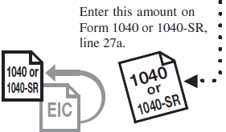
PART 7 | - Your Earned Income Credit
 |  |  |  |  |  |  |  |  |  |  |  | 11.
 |  | 11. | This is your earned income credit.

 |  |  | Reminder —
 |  | Ö | If you have a qualifying child, complete and attach Schedule EIC.
 |  |  | https://www.irs.gov/pub/irs-pdf/f1040sei.pdf

 |  |  |  | If your EIC for a year after 1996 was reduced or disallowed, see
 |  |  |  | Form 8862, who must fi le, earlier, to find out if you must file Form
 |  |  |  | 8862 to take the credit for 2021. |  |  |  |  |  |  |  | Earned Income Credit => | 0

