1st Draft SEO Write-up
Category | Name | Image | Page title (60 char) | Site Keywords | Meta description (155 char) | Google Search Preview | Product Description | Product Highlights | Additional Information
Vacuum Carafe | AHR-100 1.0L Stainless Steel Vacuum Carafe |  | Stainless Steel Vacuum Carafe 1.0L – Peacock Malaysia | peacock stainless steel vacuum carafe, heat retention, cold flask, hot flask, vacuum flask, peacock stainless steel sus 304 flask | The Peacock Stainless Steel Vacuum Carafe is perfect for storing hot water or cold drinks, vacuum insulated to retain heat for up to 10 hours. |  | The perfect coffee carafe for easy serving, whether at home or on the go. The Peacock Stainless Steel Vacuum Carafe is insulated to keep drinks hot or cold for up to 10 hours. V2: No time for refills? The Peacock Stainless Steel Vacuum Carafe is ideal as a coffee carafe for easy serving. Its long lasting heat retention will lock in flavour and freshness for the perfect cup, every time. | Easy to clean - Simply pinch the stopper release and pull the stopper set out to dismantle. Easy to dispense - Just press the pour lever and tilt the vacuum carafe to dispense beverage. Wide mouth design - 50mm mouth width to fit large ice cubes for cold beverages. | Material: Anti-shock SUS304 stainless steel Hot Retention (10HRS) : Above 67° C Cold Retention (10HRS) : Below 10° C Warranty: 5 years (T&C apply)
The Peacock Stainless Steel Vacuum Carafe is made of high quality stainless steel for safety and durability. Vacuum insulated to keep hot or cold for longer, it is ideal for storing and serving your favourite drinks. | AHR-150 1.5L Stainless Steel Vacuum Carafe |  | Stainless Steel Vacuum Carafe 1.5L – Peacock Malaysia | peacock stainless steel vacuum carafe, heat retention, cold flask, hot flask, vacuum flask, peacock stainless steel sus 304 flask | The Peacock Stainless Steel Vacuum Carafe is made from high quality stainess steel, vacuum insulated to keep hot or cold drinks for easy dispensing. |  | Keep your favourite hot or cold beverage by your side with the Peacock Vacuum Carafe. Made of heat resistant stainless steel for the ultimate quality and durability. V2: No teatime is complete without the Peacock Stainless Steel Vacuum Carafe. Its excellent heat retention makes it ideal as a hot flask to store plenty of hot water for a fresh cup of tea whenever you like. | Easy to clean - Simply pinch the stopper release and pull the stopper set out to dismantle. Easy to dispense - Just press the pour lever and tilt the vacuum carafe to dispense beverage. Wide mouth design - 50mm mouth width to fit large ice cubes for cold beverages. | Material: Anti-shock SUS304 stainless steel Hot Retention (10HRS) : Above 71° C Cold Retention (10HRS) : Below 9° C Warranty: 5 years (T&C apply)
 | AHR-200 2.0L Stainless Steel Vacuum Carafe | 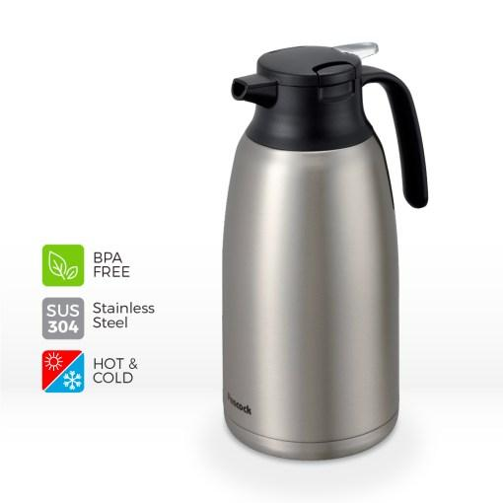 | Stainless Steel Vacuum Carafe 2.0L – Peacock Malaysia | peacock stainless steel vacuum carafe, heat retention, cold flask, hot flask, vacuum flask, peacock stainless steel sus 304 flask | The Peacock Stainless Steel Vacuum Carafe has excellent heat retention and high capacity for convenient storage of hot or cold drinks. |  | This Peacock Vacuum Carafe is a high-capacity thermal flask, perfect for storing hot or cold drinks for easy dispensing. Made of high quality SUS304 stainless steel with excellent heat retention. V2: Save time with the Peacock Stainless Steel Vacuum Carafe. Equipped with high capacity and excellent heat retention, it is perfect as a hot or cold flask for conveniently storing and serving your favourite drinks. | Easy to clean - Simply pinch the stopper release and pull the stopper set out to dismantle. Easy to dispense - Just press the pour lever and tilt the vacuum carafe to dispense beverage. Wide mouth design - 50mm mouth width to fit large ice cubes for cold beverages. | Material: Anti-shock SUS304 stainless steel Hot Retention (10HRS) : Above 76° C Cold Retention (10HRS) : Below 8° C Warranty: 5 years (T&C apply)
One Touch Vacuum Bottle | AKM-55 0.55L Light Weight One Touch Bottle | 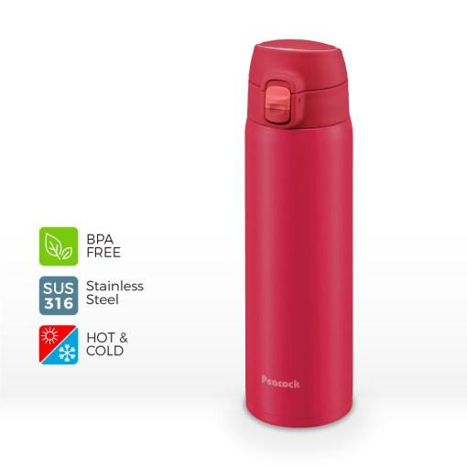 | Lightweight Vacuum Bottle 0.55L – Peacock Malaysia | peacock one touch vacuum bottle, lightweight vacuum bottle, heat retention, peacock stainless steel sus 304 flask | Keep The Peacock Lightweight Vacuum Bottle by your side, whether at home or on the go. Made of high quality SUS316 stainless steel for durability. |  | This reusable bottle from Peacock's Light Weight One Touch series is built for your convenience. Easy to carry and operate, with excellent heat retention for piping hot coffee or ice cold drinks. V2: Whether at home or out and about, the Peacock Lightweight Vacuum Bottle is ideal for storing your favourite drinks for a quick sip anywhere and anytime. Made from high quality SUS316 stainless steel to withstand the rigours of everyday use. | Convenient to use - Lightweight, with an easy to clean stopper and gaskets. SUS316 stainless steel - Durable and suitable for sports beverages. Slide to open safety lock – Leak-proof and easy to operate one-handed. Easy to drink - Improved mouth design allows more concentrated water flow for faster drinking. | Material: Vacuum insulated SUS316 stainless steel Mouth diameter: 44mm Hot Retention (6HRS) : Above 65° C Hot Retention (1HRS) : Above 86° C Cold Retention (6HRS) : Below 9° C Warranty: 5 years (T&C apply) | - Simple stopper design. Easy to clean the stopper and gaskets thoroughly. - Easy to drink mouth design. The water flow from the drinking mouth is more concentrate than previous model. - Slide to open design-easy to enjoy your beverages with one hand. - Slide to lock-leak proof safety lock design.
Enjoy a quick drink with the Peacock One Touch Vacuum Bottle, designed for convenient, on-the-go hydration. Made from vacuum insulated stainless steel with excellent heat retention capability. | AMO-500 0.50L Light Weight Slim Bottle |  | Lightweight Vacuum Bottle 0.5L – Peacock Malaysia | peacock one touch vacuum bottle, lightweight vacuum bottle, heat retention, peacock stainless steel sus 304 flask | The Peacock Lightweight Vacuum Bottle is perfect for bringing hot or cold drinks on the go! Sleek and practical for all-day hydration. |  | Practical and easy to use, this lightweight vacuum bottle is great for bringing drinks on the go. Effortlessly keeps coffee hot or water ice cold for a refreshing sip wherever you are! V2: The Peacock Lightweight Vacuum Bottle is stylish yet practical for everyday use. Its slim design makes it easy to slip into a bag or any cup holder for staying hydrated during any activity. | Convenient to use - Lightweight, with an easy to clean stopper and gaskets. Seamless design - Easy to hold and store. Leak-proof lock ring – Keeps your drink safe to avoid spills. Detachable stopper - Stopper can be detatched for easy and thorough cleaning. | Material: Vacuum insulated SUS304 stainless steel Mouth diameter: 44mm Hot Retention (6HRS) : Above 66° C Hot Retention (1HRS) : Above 85° C Cold Retention (6HRS) : Below 9° C Warranty: 5 years (T&C apply) | - With leak proof "lock ring"safety lock design. - Seamless bottle design. - Detachable stopper set east to clean all the parts thoroughly. - SUS304
 | AMY-55 0.55L Light Weight One Touch Bottle |  | Lightweight Vacuum Bottle 0.55L – Peacock Malaysia | peacock one touch vacuum bottle, lightweight vacuum bottle, heat retention, peacock stainless steel sus 304 flask | The Peacock Lightweight Vacuum Bottle is your perfect companion for staying hydrated, whether at home or on the go. |  | Easily store hot or cold drinks to carry on the go! This vacuum insulated bottle by Peacock is designed for convenience and easy to use, with excellent temperature retention up to 10 hours. V2: Enjoy worry-free use with the Peacock Lightweight Vacuum Bottle! The "one touch" stopper allows easy one-handed drinking for busy people, while the leak-proof safety lock prevents any unwanted spills. | Convenient to use - Lightweight, with an easy to clean stopper and gaskets. Durable - Made of high quality stainless steel, suitable for sports beverages. Slide to open safety lock – Leak-proof and easy to operate one-handed. Easy to drink - Improved mouth design allows more concentrated water flow for faster drinking. | Material: Vacuum insulated SUS304 stainless steel Mouth diameter: 44mm Hot Retention (6HRS) : Above 65° C Hot Retention (1HRS) : Above 86° C Cold Retention (6HRS) : Below 9° C Warranty: 5 years (T&C apply) | - SUS304 inner bottle, suitable for sports beverages. - Simple stopper design. Easy to clean the stopper and gaskets thoroughly. - Easy to drink mouth design. The water flow from the drinking mouth is more concentrate than previous model. - Slide to open design-easy to enjoy your beverages with one hand. - Slide to lock-leak proof safety lock design.
 | AMY-70 0.70L Light Weight One Touch Bottle |  | Lightweight Vacuum Bottle 0.7L – Peacock Malaysia | peacock one touch vacuum bottle, lightweight vacuum bottle, heat retention, peacock stainless steel sus 304 flask | The Peacock Lightweight Vacuum Insulated Bottle is ideal for storing hot or cold drinks, with up to 6 hours of heat retention to preserve its best flavour. |  | Always have your favourite drinks on hand with the Peacock One Touch Lightweight Vacuum Bottle. This sleek thermal flask prevents unwanted spills with "safety lock" for worry-free use. V2: Whether at home or on-the-go, keep the Peacock Lightweight Bottle by your side for easy hydration. Available in a variety of sleek colours, just fill it up and slip it into your bag to enjoy your favourite drink, anywhere. | Convenient to use - Lightweight, with an easy to clean stopper and gaskets. Durable - Made of high quality stainless steel, suitable for sports beverages. Slide to open safety lock – Leak-proof and easy to operate one-handed. Easy to drink - Improved mouth design allows more concentrated water flow for faster drinking. | Material: Vacuum insulated SUS304 stainless steel Mouth diameter: 44mm Hot Retention (6HRS) : Above 68° C Hot Retention (1HRS) : Above 87° C Cold Retention (6HRS) : Below 9° C Warranty: 5 years (T&C apply) | - SUS304 inner bottle, suitable for sports beverages. - Simple stopper design. Easy to clean the stopper and gaskets thoroughly. - Easy to drink mouth design. The water flow from the drinking mouth is more concentrate than previous model. - Slide to open design-easy to enjoy your beverages with one hand. - Slide to lock-leak proof safety lock design.
Lifestyle Vacuum Bottle | AAC-30 0.30L Twist Lock Tumbler |  | Lifestyle Twist Lock Vacuum Tumbler 0.3L – Peacock Malaysia | peacock lifestyle vacuum bottle, vacuum insulated bottle, heat retention, coffee flask, tea bottle, travel bottle, peacock stainless steel sus 304 flask | Make the Peacock Lifestyle Twist Lock Tumbler your go-to coffee flask! Perfect for keeping drinks piping hot or icy cold for up to 10 hours. |  | Take a break while out and about with the Peacock Lifestyle Vacuum Tumbler. Ideal for storing your favourite hot or cold drinks, with excellent heat retention for up to 10 hours. V2: Conveniently bring hot coffee on your daily commute with the Peacock Lifestyle Twist Lock Tumbler. Its simple and elegant design is easy to operate, so you can enjoy your favourite beverage on the go. | Twist to drink - Turn the lid 180° counterclockwise to enjoy your beverage. Easy to clean - Stopper is easy to disassemble and clean thoroughly. Wide mouth design - 49mm mouth width easily fits ice cubes for cold beverages. | Material: Vacuum insulated SUS304 stainless steel Hot Retention (10HRS) : Above 64° C Hot Retention (1HRS) : Above 85° C Cold Retention (10HRS) : Below 10° C Warranty: 5 years (T&C apply)
Perfect for matching any lifestyle, Peacock Lifestyle Vacuum Bottles are stylish, durable and convenient to use, keeping hot drinks piping hot and cold drinks icy cold. | AAC-45 0.45L Twist Lock Tumbler |  | Lifestyle Twist Lock Vacuum Tumbler 0.45L – Peacock Malaysia | peacock lifestyle vacuum bottle, vacuum insulated bottle, heat retention, coffee flask, tea bottle, travel bottle, peacock stainless steel sus 304 flask | The Peacock Lifestyle Twist Lock Tumbler is the ideal tea bottle for a refreshing sip wherever you are. |  | The Peacock Twist Lock Tumbler is excellent as a coffee flask or tea bottle. Durable and easy to clean, it easily stores and retains the temperature of your hot or cold beverages. V2: Take your favourite hot or cold drinks with you wherever you go with the Peacock Lifestyle Twist Lock Tumbler. Its simple and elegant design is perfect to match your style for any occassion. | Twist to drink - Turn the lid 180° counterclockwise to enjoy your beverage. Easy to clean - Stopper is easy to disassemble and clean thoroughly. Wide mouth design - 49mm mouth width easily fits ice cubes for cold beverages. | Material: Vacuum insulated SUS304 stainless steel Hot Retention (10HRS) : Above 70° C Hot Retention (1HRS) : Above 88° C Cold Retention (10HRS) : Below 10° C Warranty: 5 years (T&C apply)
 | AKS-R40 0.40L Lifestyle Twist Cap Tumbler with Handle |  | Lifestyle Twist Cap Vacuum Tumbler 0.4L – Peacock Malaysia | peacock lifestyle vacuum bottle, vacuum insulated bottle, heat retention, coffee flask, tea bottle, travel bottle, peacock stainless steel sus 316 flask | The Peacock Lifestyle Twist Cap Vacuum Tumbler comes in 3 stunning colours, stylishly designed for any outing. |  | No day out is complete without the Peacock Lifestyle Twist Cap Tumbler. With a convenient handle, this stylish vacuum insulated tumbler is lightweight and easy to carry for storing your favourite hot or cold drinks. V2: Elevate your style with the Peacock Lifestyle Twist Cap Vacuum Tumbler! Its simple and minimalist design is easy to match with any outfit, while its convenient handle makes carrying almost effortless. V3: Chill out with the perfect cup of coffee served piping hot (or icy cold!) in the Peacock Lifestyle Twist Cap Tumbler. It's lightweight and easy to carry, while keeping your drink fresh with its excellent heat retention capability. | SUS316 stainless steel - Rust-resistant, vacuum insulated bottle with a powder-coated finish (lightly textured coating). 100% leak-proof and durable - Leak-proof, equipped with a handle and detachable anti-shock bottom cover to protect your bottle. Wide mouth diameter - 55mm wide mouth lets you enjoy the rich aroma of coffee and easily fits ice cubes for cold beverages. Comfortable to use - Tapered metal edge of bottle mouth mimics the rim of a glass for comfortable drinking. | Material: Vacuum insulated SUS316 stainless steel Lid: Antimicrobial plastic with silicone gasket. Hot Retention (6HRS) : Above 60° C Hot Retention (1HRS) : Above 84° C Cold Retention (6HRS) : Below 12° C Warranty: 5 years (T&C apply) | - Bottle mouth with tapered metal edge tha mimics the rim of a glass. - 100% leak proof lid with handle. - 55mm mouth wide-
 | AKS-R50 0.50L Lifestyle Twist Cap Tumbler with Handle |  | Lifestyle Twist Cap Vacuum Tumbler 0.5L – Peacock Malaysia | peacock lifestyle vacuum bottle, vacuum insulated bottle, heat retention, coffee flask, tea bottle, travel bottle, peacock stainless steel sus 316 flask | The Peacock Lifestyle Twist Cap Vacuum Tumbler is seamlessly designed to compliment your daily style and made from SUS316 stainless steel for durability. |  | Don't forget your Peacock Lifestyle Vacuum Tumbler before heading out! This stainless steel SUS316 flask is durable and rust-resistant to withstand the rigours of everyday use. V2: The Peacock LifestyleTwist Cap Tumbler will keep you hydrated without weighing you down. Its sleek design makes it easy to slot into a bag or purse, while staying 100% leak-proof to protect your favourite drink. V3: Make the Peacock Lifestyle Twist Cap Tumbler your go-to coffee flask for cafe hopping, commuting, or even a day at home. It's easy to slip into a bag, with excellent heat retention to lock in the freshness of your brew. | SUS316 stainless steel - Rust-resistant, vacuum insulated bottle with a powder-coated finish (lightly textured coating). 100% leak-proof and durable - Leak-proof, equipped with a handle and detachable anti-shock bottom cover to protect your bottle. Wide mouth diameter - 55mm wide mouth lets you enjoy the rich aroma of coffee and easily fits ice cubes for cold beverages. Comfortable to use - Tapered metal edge of bottle mouth mimics the rim of a glass for comfortable drinking. | Material: Vacuum insulated SUS316 stainless steel Lid: Antimicrobial plastic with silicone gasket. Hot Retention (6HRS) : Above 69° C Hot Retention (1HRS) : Above 87° C Cold Retention (6HRS) : Below 10° C Warranty: 5 years (T&C apply) | - Bottle mouth with tapered metal edge tha mimics the rim of a glass. - 100% leak proof lid with handle. - 55mm mouth wide-
 | AMN-40 0.40L Slim Twist Cap Tumbler | 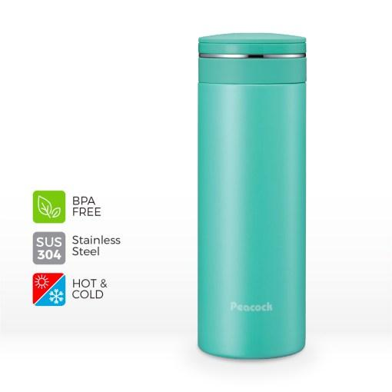 | Slim Twist Cap Vacuum Tumbler 0.4L – Peacock Malaysia | peacock lifestyle vacuum bottle, vacuum insulated bottle, heat retention, coffee flask, tea bottle, travel bottle, peacock stainless steel sus 316 flask | The Peacock Slim Twist Cap Tumbler is seamless, stylish, and practical for everyday use. Available in a variety of vibrant colours to suit your aesthetic. |  | Acessorize your outfit with the Peacock Slim Twist Cap Tumbler! Seamlessly designed and available in a variety of colours to match your style, this tumbler is perfect for a fun day around town. V2: Step out in style with the Peacock Slim Twist Cap Tumbler by your side. Enjoy the stunning aesthetics of its slim and seamless design while this vacuum insulated tumbler keeps your drink hot or chilled to your liking. | Lightweight and seamless - Sleek bottle design for convenience and easy storage. Vacuum insulated - Made of double-walled SUS304 stainless steel to keep hot or cold longer. Easy to use - Equipped with polypropylene drinking cap for easy drinking and cleaning. | Material: Vacuum insulated SUS304 stainless steel Hot Retention (6HRS) : Above 67° C Hot Retention (1HRS) : Above 86° C Cold Retention (6HRS) : Below 10° C Warranty: 5 years (T&C apply)
 | AMN-50 0.50L Slim Twist Cap Tumbler | 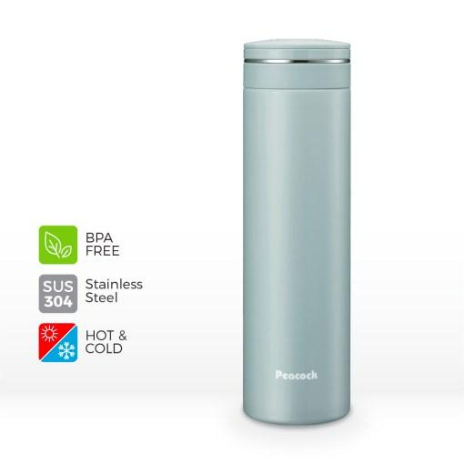 | Slim Twist Cap Vacuum Tumbler 0.5L – Peacock Malaysia | peacock lifestyle vacuum bottle, vacuum insulated bottle, heat retention, coffee flask, tea bottle, travel bottle, peacock stainless steel sus 316 flask | The Peacock Slim Twist Cap Tumbler is perfect as your daily coffee flask or tea bottle. Vacuum insulated with heat retention for up to 6 hours. |  | Whether cafe hopping or chilling at home, the Peacock Slim Twist Cap Tumbler is the perfect choice to store your favourite coffee or tea. Its slim and seamless design makes easy to slip into a bag for effortless carrying. V2: The ultra-slim, ultra-chic Peacock Slim Twist Cap Tumbler is the perfect compliment to your daily style. Perfect for staying refreshed with cold tea or hot coffee, this tumbler is vacuum insulated to preserve the flavour and freshness of your drink. | Lightweight and seamless - Sleek bottle design for convenience and easy storage. Vacuum insulated - Made of double-walled SUS304 stainless steel to keep hot or cold longer. Easy to use - Equipped with polypropylene drinking cap for easy drinking and cleaning. | Material: Vacuum insulated SUS304 stainless steel Hot Retention (6HRS) : Above 70° C Hot Retention (1HRS) : Above 88° C Cold Retention (6HRS) : Below 10° C Warranty: 5 years (T&C apply)
 | AMZ-61 0.60L Stylish Twist Cap Tumbler | 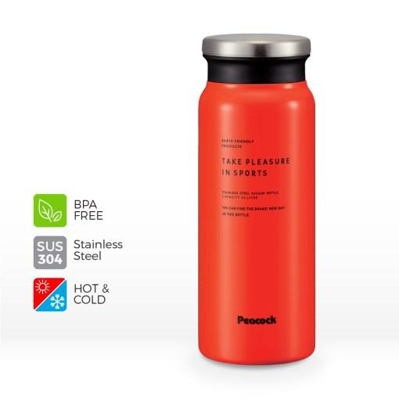 | Stylish Twist Cap Vacuum Tumbler 0.6L – Peacock Malaysia | peacock lifestyle vacuum bottle, vacuum insulated bottle, heat retention, coffee flask, tea bottle, travel bottle, peacock stainless steel sus 316 flask | Stand out from the crowd with the Peacock Stylish Twist Cap Tumbler. Seamless and compact for easy storage, and simple to operate for a quick drink. |  | Show off your unique style with the Peacock Stylish Twist Cap Tumbler. Ideal as a travel bottle for your daily commute, it is equipped with an easy to open stopper for fuss-free drinking. V2: The Peacock Stylish Twist Cap Tumbler is the perfect addition to your collection! Available in 3 bold colours, just fill it with your favourite drink and enjoy a refreshing pick-me-up wherever you are. | Vacuum insulated - Made of double-walled SUS304 stainless steel to keep hot or cold longer. Seamless and compact - Convenient to carry with larger capacity for maximum hydration. Easy to use - Equipped with polypropylene drinking cap for easy drinking and cleaning. | Material: Vacuum insulated SUS304 stainless steel Hot Retention (6HRS) : Above 70° C Hot Retention (1HRS) : Above 88° C Cold Retention (6HRS) : Below 9° C Warranty: 5 years (T&C apply)
Children Bottle | ASF-61 0.58L Children Straw Bottle |  | Children Straw Vacuum Bottle 0.58L – Peacock Malaysia | peacock children bottle, travel bottle, vacuum bottle, heat retention, hot flask, cold flask, peacock stainless steel sus 316 flask | The Peacock Children Bottle is specially designed for little ones, with a convenient handle and auto shut off cup to prevent messy spills. |  | Easily pack hot chocolate or cold juices with the Peacock Children Bottle. Perfect as a travel bottle, it is easy to carry and hold with a detachable strap and child-friendly handle. V2: Ensure your little ones stay hydrated all day with the Peacock Children Straw Bottle! Lightweight and equipped with a convenient handle that makes it easy for little hands to hold, and made from rust-resistant SUS316 stainless steel for their safety. | SUS316 stainless steel - Made of rust-resistant, high quality stainless steel for your family's safety. Designed for children - Suitable for school, travel and more, with detachable stopper and auto shut off cup for safety. With strap and handle - Easy for children to carry and hold. Drop-proof - Equipped with anti-shock silicone bottom cover to protect the bottle from fall damage. | Material: Vacuum insulated SUS316 stainless steel Hot Retention (6HRS) : Above 71° C Cold Retention (6HRS) : Below 9° C Warranty: 5 years (T&C apply) | - Detachable stopper and auto shut off cup.
 | ASK-W40 0.40L Two Way Vacuum Bottle |  | Children Two Way Vacuum Bottle 0.4L – Peacock Malaysia | peacock children bottle, travel bottle, cold flask, keep cold, vacuum bottle, peacock stainless steel sus 304 flask | Enjoy versatility with the Peacock Children Two Way Vacuum Bottle! Choose from a straw or cup stopper to conveniently serve or drink. |  | Serve up hot cocoa or let your child sip cold juice directly from the bottle, the choice is yours! The Peacock Vacuum Bottle for children comes with two stoppers to sip or pour, and is easy to carry and hold for little ones. V2: Keep your kids hydrated fuss-free with the Peacock Children Two Way Vacuum Bottle. Protected by an anti-shock silicone bottom, children can sip directly from the spill-proof straw stopper to avoid any messes, or enjoy warm drinks served in a cup. | Two types of stoppers - Enjoy more vesatility with straw and cup type stoppers. Designed for children - Suitable for school, kindergarten, travel and more! With strap and handle - Easy for children to carry and hold. Drop-proof - Equipped with anti-shock silicone bottom cover to protect the bottle from fall damage. | Material: Vacuum insulated SUS304 stainless steel Hot Retention (6HRS) : Above 68° C Cold Retention (10HRS) : Below 10° C Warranty: 5 years (T&C apply)
Mug & Cup Type Bottle | ASJ-81 0.76L Vacuum Flask With Cup & Strap |  | Cup Type Vacuum Flask 0.76L – Peacock Malaysia | peacock mug cup type bottle, coffee mug, coffee flask, heat retention, peacock stainless steel sus 304 flask | The Peacock Cup Type Vacuum Flask is perfect for bringing your favourite drinks on adventures. Use it as a coffee flask for a pick me up anytime. |  | Lock in the flavour and temperature of your beverages with the Peacock Cup Type Vacuum Flask. With cup and strap for you to easily bring along your favourite drinks, pour and serve. V2: Perfect for sharing, the Peacock Cup Type Vacuum Flask makes it easy to pour and serve your favourite hot or cold drinks. Made from vacuum insulated, high quality stainless steel to ensure your drink remains fresh and flavourful throughout your travels. | 24 hour heat retention - Keeps your beverages hot (above 50° C) for up to 24 hours. Wide mouth design - 42mm mouth width easily fits ice cubes for cold beverages. Detachable stopper - Stopper is easily detached for through cleaning. Anti-fingerprint clear coating - Repels fingerprints for a clean look. | Material: Vacuum insulated SUS304 stainless steel Hot Retention (6HRS) : Above 76° C Cold Retention (6HRS) : Below 8°C Warranty: 5 years (T&C apply) | - Detachable stopper- easy to clean thoroughly.
 | ATB-440 0.44L Beverage Mug |  | Stainless Steel Vacuum Mug 0.44L – Peacock Malaysia | peacock mug cup type bottle, coffee mug, coffee flask, heat retention, peacock stainless steel sus 304 flask | Choose the Peacock Stainless Steel Vacuum Mug as your daily coffee mug! Made from high quality stainless steel with a sleek design for a timeless look. |  | Level up your coffee experience with the Peacock Beverage Mug. Seamlessly designed and vacuum insulated to keep your drinks hot or cold for longer. V2: Enjoy a leisurely cup of piping hot coffee or tea with the Peacock Stainless Steel Vacuum Mug. Available in 2 elegant colours in a classic design that is a pleasure to behold. | Double-walled insulation - Retains heat and does not collect condensation on the outside when filled with ice cubes. Wide mouth design - 70mm mouth width enables easy cleaning and easily fits ice cubes for cold beverages. Anti-fingerprint clear coating - Repels fingerprints for a clean look. | Material: Vacuum insulated SUS304 stainless steel Hot Retention (1HRS) : Above 51° C Cold Retention (1HRS) : Below 7°C Warranty: 5 years (T&C apply)
Sport Bottle | AJC-F101 1.0L Sport Bottle With Pouch |  | Sport Bottle with Pouch 1.0L – Peacock Malaysia | peacock sports bottle, gym bottle, outdoor bottle, cold flask, keep cold, vacuum bottle, peacock stainless steel sus 304 flask | Enjoy all-day hydration with the Peacock Sport Bottle with Pouch. Excellent for keeping cold drinks for a refreshing sip, anytime. |  | Stay hydrated on your workout with the Peacock Sport Bottle. Vacuum insulated to keep water or your favourite drinks cold, it is perfect to be used as an outdoor bottle. V2: Great for a day out on the hiking trails, the high capacity Peacock Sport Bottle with Pouch is great for staying hydrated on any activity. Made from durable high quality stainless steel and equipped with a pouch to protect it from damage. | Excellent cold retention - Ideal for cold drinks only. With shoulder belt pouch - For protection from damage and easy carrying. Slide to lock - Easy to open and drink one-handed. | Material: Vacuum insulated SUS304 stainless steel Cold Retention (6HRS) : Below 8° C Warranty: 5 years (T&C apply) | *remove keep warm
 | AJD-61 0.6L Pentagon Sports Bottle |  | Pentagon Sports Vacuum Bottle 0.6L – Peacock Malaysia | peacock sports bottle, gym bottle, outdoor bottle, cold flask, keep cold, vacuum bottle, peacock stainless steel sus 304 flask | Make the Peacock Pentagon Sports Bottle your go-to gym bottle! Excellent for keeping cold drinks, with a twist cap for easy drinking. |  | Have a drink on the go with the Peacock Pentagon Sports Bottle. The stopper is specially designed to be easy to hold and open/close for your convenience. V2: Stay hydrated without being weighed down! The lightweight Peacock Pentagon Sports Bottle is great when running or cycling, for a quick drink without losing your momentum. | Excellent cold retention - Ideal for cold drinks only. Pentagon shaped stopper design - Stopper is easy to hold and open/close. Fast hydration - Easily gulp your drink with this sports bottle. High quality stainless steel - Made of SUS304 stainless steel for durability. | Material: Vacuum insulated SUS304 stainless steel Cold Retention (6HRS) : Below 9° C Warranty: 5 years (T&C apply) | *remove keep warm - Gulp your drink with the sports bottle.
 | AJD-81 0.8L Pentagon Sports Bottle |  | Pentagon Sports Vacuum Bottle 0.8L – Peacock Malaysia | peacock sports bottle, gym bottle, outdoor bottle, cold flask, keep cold, vacuum bottle, peacock stainless steel sus 304 flask | Perfect as an outdoor bottle, the Peacock Pentagon Sports Bottle's high capacity and vacuum insulation make it perfect for staying hydrated on the go. |  | The high capacity Peacock Pentagon Sports Bottle is the ultimate workout buddy. Perfect as a cold flask for storing iced water and drinks, with excellent cold retention capability for your enjoyment. V2: Stay cool with a refreshingly cold drink from your Peacock Pentagon Sports Bottle. Made from vacuum insulated stainless steel, its excellent insulation capability will ensure you won't end up with a mouthful of melted ice cubes. | Excellent cold retention - Ideal for cold drinks only. Pentagon shaped stopper design - Stopper is easy to hold and open/close. Fast hydration - Easily gulp your drink with this sports bottle. High quality stainless steel - Made of SUS304 stainless steel for durability. | Material: Vacuum insulated SUS304 stainless steel Cold Retention (6HRS) : Below 9° C Warranty: 5 years (T&C apply) | *remove keep warm - Gulp your drink with the sports bottle.
 | AJG-R150 1.50L One Touch Sports Bottle With Handle |  | High Capacity Sports Vacuum Bottle 1.5L – Peacock Malaysia | peacock sports bottle, gym bottle, outdoor bottle, cold flask, keep cold, high capacity bottle, rugged vacuum bottle, peacock stainless steel sus 316 flask | No activity is complete without the Peacock One Touch Sports Bottle. This high capacity vacuum bottle is perfect for bringing cold drinks on any adventure! |  | The Peacock One Touch Sports Bottle is perfect for any adventure! Equipped with 1.5L capacity and a convenient handle for easy carrying, this vacuum bottle is ideal for any activity. V2: Large enough to last all day, the Peacock One Touch Sports Bottle has a huge 1.5L capacity! Equipped with an anti-shock bottom cover and leak-proof safety lock, this bottle is built to take on any adventure. | SUS316 stainless steel - Durable and suitable for sports beverages. Excellent cold retention - Ideal for cold drinks only. Easy to use - Stopper and gaskets are easy to clean, with an easy to drink mouth design and leak-proof safety lock. Drop-proof - Equipped with detachable anti-shock silicone bottom cover to protect the bottle from fall damage. | Material: Vacuum insulated SUS316 stainless steel Cold Retention (6HRS) : Below 9° C Warranty: 5 years (T&C apply) | *remove keep warm - Simple stopper design. Easy to clean the stopper and gaskets thoroughly. - With handle-easy to carry the bottle around.
 | AKE-R80 0.80L One Touch Sports Bottle |  | One Touch Sports Vacuum Bottle 0.8L – Peacock Malaysia | peacock sports bottle, gym bottle, outdoor bottle, cold flask, hot flask, heat retention, vacuum bottle, peacock stainless steel sus 316 flask | The Peacock One Touch Sports Bottle is ready for any adventure! Built to be durable and leak-proof for on the go hydration. |  | Stay hydrated on the go with the Peacock One Touch Sports Bottle, vacuum insulated to keep hot or cold for up to 6 hours. Built to withstand daily use with its leak-proof design and anti-shock bottom cover. V2: Level up your hydration with the Peacock One Touch Sports Bottle. Whether you're playing sports, gaming or hiking, the easy-to-open stopper lets you enjoy a quick drink so you can get back in the game in no time. | SUS316 stainless steel - Vacuum insulated and durable, suitable for sports beverages. Easy to use - Easy to drink mouth design with leak-proof safety lock. Easy to clean - Simple stopper design allows easy cleaning of stopper and gaskets. Drop-proof - Equipped with detachable anti-shock silicone bottom cover to protect the bottle from fall damage. | Material: Vacuum insulated SUS316 stainless steel Hot Retention (6HRS) : Above 72° C Hot Retention (1HRS) : Above 88° C Cold Retention (6HRS) : Below 9° C Warranty: 5 years (T&C apply) | - Simple stopper design. Easy to clean the stopper and gaskets thoroughly.
 | AKR-60 0.60L Handle Lid Bottle |  | Handle Lid Vacuum Bottle 0.6L – Peacock Malaysia | peacock sports bottle, gym bottle, outdoor bottle, cold flask, hot flask, heat retention, vacuum bottle, peacock stainless steel sus 316 flask | Sporty and stylish, the Peacock Handle Lid Bottle is easy to carry and hold for on-the-go hydration. |  | Sporty and stylish, the Peacock Handle Lid Bottle is ideal for carrying hot or cold drinks. Made of rust and heat resistant SUS316 stainless steel for excellent durability and lasting performance. V2: The Peacock Handle Lid Vacuum Bottle is perfect for any activity. With its sleek design and convenient carry handle, you can easily bring your favourite drinks along on any adventure. | SUS316 stainless steel - Vacuum insulated and rust-resistant inner bottle. Easy to drink - Plastic drinking cap mimics the rim of a glass for comfort. Lid with handle - 100% leakproof, easy to carry and hold. | Material: Vacuum insulated SUS316 stainless steel Hot Retention (6HRS) : Above 70° C Hot Retention (1HRS) : Above 88° C Cold Retention (6HRS) : Below 9°C Warranty: 5 years (T&C apply)
 | AKR-80 0.80L Handle Lid Bottle |  | Sports Vacuum Bottle with Handle 0.8L – Peacock Malaysia | peacock sports bottle, gym bottle, outdoor bottle, cold flask, hot flask, heat retention, vacuum bottle, peacock stainless steel sus 316 flask | Just slip the Peacock Sports Bottle into your bag for easy all-day hydration! Made from SUS316 stainless steel for safety and durability. |  | Perfect for the gym, this sporty lightweight vacuum bottle will keep you hydrated throughout the day! Easy to carry and suitable for both hot and cold drinks, with temperature retention up to 6 hours. V2: Maximise your zen with the simple lines and solid colours of the Peacock Sports Bottle with Handle. Easy to carry and large enough to keep you going during an extended yoga session or long walk on the beach. | SUS316 stainless steel - Vacuum insulated and rust-resistant stainless steel inner bottle. Easy to drink - Plastic drinking cap mimics the rim of a glass for comfort. Enhanced insulation - Styrofoam inner layer in lid enhances the temperature retention capability of your bottle. 100% leakproof - Protects your drink to avoid spills. | Material: Vacuum insulated SUS316 stainless steel Hot Retention (6HRS) : Above 74° C Hot Retention (1HRS) : Above 89° C Cold Retention (6HRS) : Below 8° C Warranty: 5 years (T&C apply) | - Lid with handle- easy to take your bottle with you. - 100% leaproof lid
 | AMP-100 1.0L Men Stylish Sports Bottle |  | Sports Vacuum Bottle with Grip 1.0L – Peacock Malaysia | peacock sports bottle, gym bottle, outdoor bottle, cold flask, hot flask, heat retention, vacuum bottle, peacock stainless steel sus 316 flask | Designed for practicality, the Peacock Sports Vacuum Bottle with Grip has excellent heat retention for storing hot and cold drinks for up to 24 hours. |  | Stay hydrated on any adventure with the Peacock Sports Bottle. With a silicone grip and wrist strap for easy holding, its large capacity is perfect for bringing any hot or cold drink on the go. V2: The Peacock Sports Vacuum Bottle with Grip exudes ruggedness, perfect for any outdoor adventure. Sturdily built to brave the harsh outdoors, while its large capacity keeps you refreshed for a full day of activity. | SUS316 stainless steel - Vacuum insulated and rust-resistant stainless steel inner bottle. Silicone grip cover - Easily keep hold of your bottle in any situation. Polypropylene ice block drinking cap - Blocks ice cubes from exiting the bottle for a pleasant drinking experience. Scratch protection - Equipped with bottom gasket to protect the bottle from scratches. | Material: Vacuum insulated SUS316 stainless steel Hot Retention (6HRS) : Above 74° C Hot Retention (1HRS) : Above 88° C Cold Retention (6HRS) : Below 9° C Warranty: 5 years (T&C apply) | - Stylish design cover stopper.
 | AMP-80 0.80L Men Stylish Sports Bottle |  | Sports Vacuum Bottle with Grip 0.8L – Peacock Malaysia | peacock sports bottle, gym bottle, outdoor bottle, cold flask, hot flask, heat retention, vacuum bottle, peacock stainless steel sus 316 flask | The Peacock Sports Vacuum Bottle with Grip is built to last, made from SUS316 stainless steel and equipped a bottom gasket to protect it from damage. |  | Whether at home or on the go, this practical Peacock sports bottle is ideal for storing hot or cold drinks. Made from SUS316 stainless steel for durability, and equipped with an ice block drinking cap for your enjoyment. V2: Slip the Peacock Sports Bottle with Grip into your hiking pack or cup holder for on the go refreshment. Vacuum insulated to keep hot or cold drinks, enjoy lasting quality with its durable SUS316 stainless steel build. | SUS316 stainless steel - Vacuum insulated and rust-resistant stainless steel inner bottle. Silicone grip cover - Easily keep hold of your bottle in any situation. Polypropylene ice block drinking cap - Blocks ice cubes from exiting the bottle for a pleasant drinking experience. Scratch protection - Equipped with bottom gasket to protect the bottle from scratches. | Material: Vacuum insulated SUS316 stainless steel Hot Retention (6HRS) : Above 71° C Hot Retention (1HRS) : Above 88° C Cold Retention (6HRS) : Below 9° C Warranty: 5 years (T&C apply) | - Stylish design cover stopper.
Food Jar & Lunch Box | DKC-50 0.50L Stylish Food Jar | 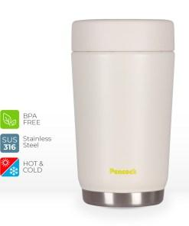 | Stylish Travel Food Jar 0.5L – Peacock Malaysia | peacock food jar, heat retention, travel food jar, baby food jar, peacock stainless steel 316 food jar | Keep food fresh in the Peacock Travel Food Jar, made of SUS316 stainless steel and vacuum insulated to keep hot or cold for up to 6 hours. |  | Keep this travel food jar handy for takeways! Its excellent heat retention capabilities will preserve the flavour and freshness of your meals for up to 6 hours. V2: The stylish and minimalist Peacock Travel Food Jar will perfectly compliment the scrumptious aesthetic of your takeaway or home cooked meal. Vacuum insulated to lock in flavour and freshness for up to 6 hours. | SUS316 stainless steel - Vacuum insulated and rust-resistant stainless steel inner bottle. Pressure release mechanism - Helps release pressure accumulated due to heat. Detachable lid - Designed for easy, thorough cleaning. Simple design - Built from less parts for increased durability. | Material: Vacuum insulated SUS316 stainless steel Hot Retention (6HRS) : Above 64° C Hot Retention (1HRS) : Above 85° C Cold Retention (6HRS) : Below 10° C Warranty: 5 years (T&C apply) | *Renamed to DKC (DKC is maded by SUS316, LKC is 304) - Simple design with less parts when compared with other brands° .
 | LKD-30 0.30L Mini Food Jar | 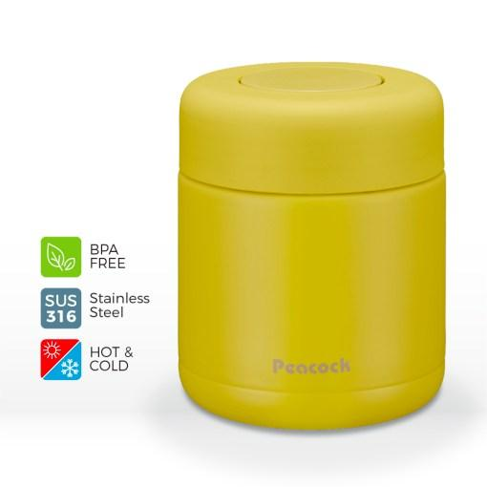 | Mini Travel Food Jar 0.3L – Peacock Malaysia | peacock food jar, heat retention, travel food jar, baby food jar, peacock stainless steel 316 food jar | Ideal as a baby food jar, the Peacock Mini Travel Food Jar is made of high quality SUS316 stainless steel for your family's safety. |  | Practical and stylish, the Peacock Mini Food Jar is ideal to be used as a baby food jar, or to store fresh fruit and more! Made of high quality SUS316 stainless steel for safety and durability. V2: We've kept your family's safety in mind with the Peacock Mini Travel Food Jar. Made of rust-resistant, high quality SUS316 stainless steel, its perfect as a baby food jar or to store healthy snacks for the kids. | Detachable lid - Designed for easy, thorough cleaning. SUS316 stainless steel - Made of rust-resistant, high quality stainless steel for your family's safety. Compact design - Easy to carry and store. | Material: Vacuum insulated SUS316 stainless steel Hot Retention (6HRS) : Above 55° C Hot Retention (1HRS) : Above 83° C Cold Retention (6HRS) : Below 12° C Warranty: 5 years (T&C apply)
One Touch Vacuum Bottle | AKM-70 |  | Lightweight Vacuum Bottle 0.7L - Peacock Malaysia | peacock one touch vacuum bottle, lightweight vacuum bottle, heat retention, peacock stainless steel sus 316 flask | The Peacock Lightweight Vacuum Bottle is easy to use one-handed, perfect for a quick drink. Made from high grade stainless steel for safety and durability. |  | Keep your coffee or tea piping hot and fresh with the Peacock Lightweight Vacuum Bottle. Made of vacuum insulated SUS316 stainless steel, its excellent heat retention capability will ensure you get the perfect sip every time. V2: Go green on your next coffee run with the Peacock Lightweight Vacuum Bottle. Designed with a higher capacity to fit more of your favourite drink, and made of industry-leading SUS316 stainless steel for durability. | Convenient to use - Lightweight, with an easy to clean stopper and gaskets. SUS316 stainless steel - Durable and suitable for sports beverages. Slide to open safety lock – Leak-proof and easy to operate one-handed. Easy to drink - Improved mouth design allows more concentrated water flow for faster drinking. | Material: Vacuum insulated SUS316 stainless steel Mouth diameter: 44mm Warranty: 5 years (T&C apply)
Sport Bottle | AJG-200 |  | High Capacity Sports Vacuum Bottle 2.0L – Peacock Malaysia | peacock sports bottle, gym bottle, outdoor bottle, cold flask, keep cold, high capacity bottle, rugged vacuum bottle, peacock stainless steel sus 316 flask | This super-high capacity Peacock Sports Bottle is ideal for all-day hydration. Keeps cold drinks perfectly chilled when travelling or during any activity. |  | The Peacock One Touch Sports Bottle is the perfect companion when going on a road trip, camping, or venturing out into the wilderness. This ultra-high capacity bottle is large enough to keep you going all day, and excellent as a cold flask for your favourite drinks. V2: Keep cool while you brave the outdoors with the Peacock One Touch Sports Bottle. Its ultra-high capacity stores up to 2 liters of your favourite beverage, while keeping it icy cold for a refreshing drink wherever you are. | SUS316 stainless steel - Durable and suitable for sports beverages. Excellent cold retention - Ideal for cold drinks only. Easy to use - Stopper and gaskets are easy to clean, with an easy to drink mouth design and leak-proof safety lock. Drop-proof - Equipped with detachable anti-shock silicone bottom cover to protect the bottle from fall damage. | Material: Vacuum insulated SUS316 stainless steel Warranty: 5 years (T&C apply)
Sport Bottle | AJC-F151P |  | Sport Bottle with Pouch 1.5L – Peacock Malaysia | peacock sports bottle, gym bottle, outdoor bottle, cold flask, keep cold, vacuum bottle, peacock stainless steel sus 304 flask | Keep your bottle protected while you stay hydrated with your favourite cold drink from the high capacity Peacock Sport Bottle with Pouch. |  | Worry no more about dents on your bottle with the Peacock Sports Bottle with Pouch. It securely holds up to 1.5L of water or your favourite cold beverage, and is equipped with a sporty pouch with a strap for easy carrying. V2: The Peacock Sports Bottle with Pouch is the ideal vacuum bottle for school, gym, or any outdoor adventure. This cold flask will keep your water or sports drink refreshingly cold while you easily enjoy it one-handed with the "slide to lock" feature. | Excellent cold retention - Ideal for cold drinks only. With shoulder belt pouch - For protection from damage and easy carrying. Slide to lock - Easy to open and drink one-handed. | Material: Vacuum insulated SUS304 stainless steel Warranty: 5 years (T&C apply)
 | Additional notes: - Consider standardising format of Description section - some are text only, some are single column pics + text, some double column pics + text - Suggest to consolidate same design bottles (i.e.AMP-80, AMP-100) into single SKU, with size selector.

