Parameters
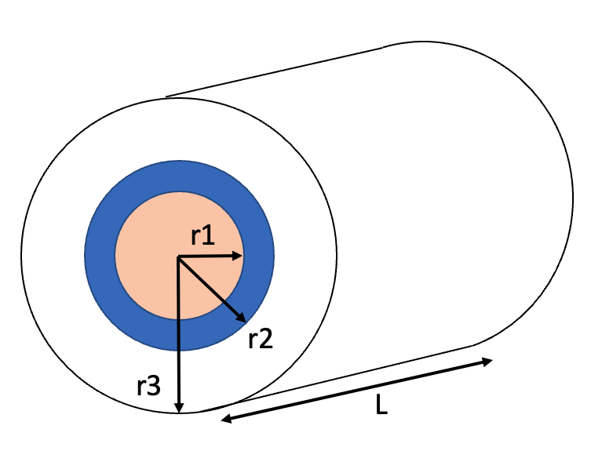
Experimental Setup Parameters |  |  |  |  |  |  | Analytical Model Values
CN ratio goal equation 6: |  |  | Airflow demand for complete reaction |  |  |  | Description | Parameter | Value | Units | Range | Source
Parameters | Feces | Sawdust | Mf | 1670 | g |  | Total compost mass | m | 3.000 | kg | - | Measured
Wet Weight (g) | 1670 | 1330 | BVSf | 0.0850 | /100 |  | Moisture content mix | w | 50.0 | % | 0.50-0.65 | Measured
Nitrogen (%) | 7 | 0.107 | O2f | 1.744 | gO2/gBVS |  | Specific heat of mixture | cm | 2.660 | kJ/kg°C | 2.66-3.117 | Calculated
C:N ratio | 6.7 | 450 | Ms | 1330 | g |  | Specific heat water | cw | 4.186 | kJ/kg°C | 4.186 | Referenced
Moisture (%) | 80 | 13 | BVSs | 0.1653 | /100 |  | Specific heat organics | cs | 1.133 | kJ/kg°C | 1.046-1.320 | Referenced AVG
Dry Solids (g) | 334 | 1157 | O2s | 1.185 | gO2/gBVS |  | Heat of combustion | Hc | 17500 | kJ/kg | 9,000-23,000 | Referenced AVG
Volatile Solids (g) | 284 | 1100 | O2Demand | 508 | gO2 |  | BVS Biodegradable mass | C | 0.362 | kg | 11-18% of dry mass | Calculated
Biodegradable VS (g) | 142 | 220 | Air Volume | 1825 | liters of air |  | Free air space | FAS |  | % | 0.30-0.40 | Measured
F:S dry weight | 1 to: | 3.47 | Mass flow rate air | 0.365 | kg/day |  | Total conductive resistance | Rt | 0.081 | °C·day/kJ | - | Calculated
Total Volume (liters) | 6.82 |  | Parameter | Value | Recommended Range |  | Ambient temp | Ta | 24.00 | °C | - | Measured
Total Weight (g) | 3000 |  | Particle Size | 3-6mm | 2-12mm |  | Humidity ratio at inlet | vi | 0.0095 | kg/kg | - | Calculated
C:N ratio mix goal | 29 |  | Free Air Space | 55 | 30-40% |  | Rate of BVS Degraded | dC/dt |  | kg/day | - | Measured
Moisture mixture (%) | 50 |  | Initial Wet Weight |  | g |  | Correction functions | kc |  | - | - | Calculated
Density mixture (g/l) | 440 |  | Final Wet Weight |  | g |  | Fan airflow rate | - | 0.125 | lps | 7.5 lpm | Measured
Moisture goal equation 3: |  |  | Aeration rate | 1319 | liters of air/kgVS |  | Volume flow rate air | Va | 304.2 | l/day |  | Calculated
Weight Sawdust (g) |  | 1354 | Air flow rate (fan) | 0.153 | 0.11-1.0 lpm/kgVS |  | ON time for fan per 15 min | - | 25 | seconds |  | Calculated

unit | W/m°c | W/m°c | W/m2°c | °C/W | °C/W | °C/W | °C/W | °C·day/kJ | meters | meters | meters | meters | Liters
Variables | k(p) | k(i) | h(air) | Rp | Ri | Rlids | Rair | Rtotal | r1 | r2 | r3 | L | Useful volume
Conductive Resistance 5 gal | 0.025 | 0.100 | 10.00 | 5.637 | 1.053 | 0.159 | 0.186 | 0.081 | 0.1250 | 0.17500 | 0.22500 | 0.38 | 18.5
Conductive Resistance 10 gal | 0.025 | 0.100 | 10.00 | 4.735 | 0.967 | 0.283 | 0.177 | 0.071 | 0.2000 | 0.25000 | 0.30000 | 0.30 | 37.5

