Sheet1
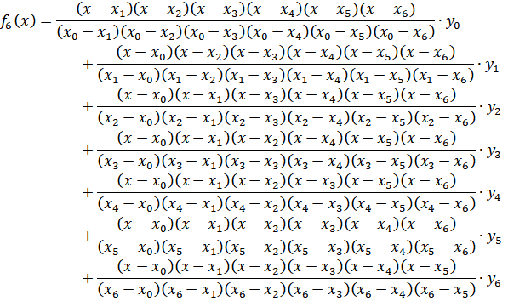
X | F(X)
1 | 2420170891
2 | 2420173380
3 | 2420195657
4 | 2420300632
5 | 2420645943
6 | 2421551876
7 | 2423588005
8 | 2427678552
9 | 2435226467
10 | 2448256228
11 | 2469575361
12 | 2502954680
13 | 2553327247
14 | 2627006052
15 | 2731920413
16 | 2877871096
17 | 3076804155
18 | 3343103492

 | X0 | X1 | X2 | X3 | X4 | X5 | X6
i,x | 2 | 5 | 8 | 10 | 12 | 15 | 18
f(i),y | 2420173380 | 2420645943 | 2427678552 | 2448256228 | 2502954680 | 2731920413 | 3343103492
 | y0 | y1 | y2 | y3 | Y4 | Y5 | Y6

 | y0 | y1 | y2 | y3 | y4 | y5 | y6
numarator | 1296000 | 518400 | 324000 | 259200 | 216000 | 172800 | 144000
numitor | 299520 | -40950 | 10080 | -6400 | 10080 | -40950 | 299520

 | 3.1365447005E+15 | 1.2548628569E+15 | 786567850848000 | 634588014297600 | 540638210880000 | 472075847366400 | 481406902848000

 | 10471904048 | -30643781608 | 78032524886 | -99154377234 | 53634743143 | -11528103721 | 1607261294.2

Secretul | 2420170808

