Nagios
Need of monitoring ? | High availibility
 | Reduce downtime
 | Adding redundancy to the system
 | support both virtual/physical machines

why Nagios ? | check to see if a sever is up and running
 | Noify you if a server is down(by email,pager,sms)
 | check to see if a service is running(mail,http,pop,ssh)
 | check to see if a process is running
 | Gather performance statistsics on a server
 | Allow apecific alerts to only go to particular groups/individuals
 | Get reports of downtime on your servers
 | It has its own database for storage
 | It can be used both for linux and windows as well

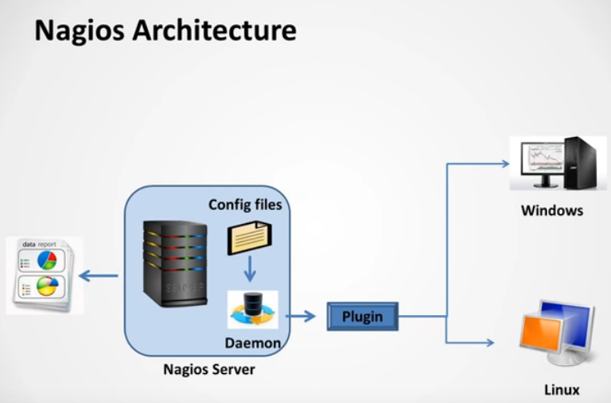
Nagios architecture

 | Nagios is having client-sever architecture.But we can run nagios with client and without client also.
 | Nagios server does the monitoring with the help of group of configuration files,which tells the info like what services should be montiored on which host.
 | Daemon reads the configuration files and according to the details ,provided in config files ,daemon do some checks on the defined server.
 | These checks are done with the help of "plugin".
 | All the checks related data stored in the internal database of Nagios and Nagios gives default dashboard for viewing server metrics .

 | Agent-Based vs. Agentless Monitoring with Nagios
 | By: Shamas Demoret

 | One of the key strengths of Nagios XI is that it supports a wide variety of approaches for monitoring various operating systems, featuring both agentless and agent-based options.
 | This flexibility often leads to the natural question, “Should I use an agent-based or agentless monitoring method?” Ultimately, the best method will depend on a variety of factors unique to your deployment and requirements.
 | In this article, we’ll explore the pros and cons of each option, so that you can make an informed decision on the monitoring approach you choose.

 | Agentless Monitoring
 | Some would correctly argue that even a native protocol such as SNMP should be considered an agent, but for the purposes of this article we’ll consider ‘agentless’ monitoring to be any method that doesn’t require a separate Nagios agent to be installed.
 | Nagios XI supports options such as SNMP (Simple Network Management Protocol), WMI (Windows Management Instrumentation), and SSH (Secure Shell). ICMP ping checks, TCP/UDP port checks, and website checks are other examples of agentless monitoring.
 | Pros:
 | Agentless approaches can help reduce administrative overhead, since there is no separate agent to install or manage.
 | Agentless methods may be easier to get approval to use from systems teams, since again no third-party utilities need be installed.
 | Nagios XI includes smart wizards for SNMP and WMI which scan hosts for things like drives and running services, providing context on the unique characteristics of the host during monitoring configuration.
 | SNMP traps provide a passive monitoring option, meaning the device will send results upstream to Nagios, as opposed to an active check where Nagios contacts the system for data. Traps can also provide realtime results when problems occur.
 | Cons:
 | You will likely still need to take some action on the monitored host, for example verifying the WMI service is running, enabling the SNMP listener and defining credentials, or loading plugins you wish to execute via SSH.
 | The available checks would be limited to whatever metrics are supported by the native protocol (with the exception of SSH checks, which can leverage custom plugins).
 | Agentless methods can introduce higher load on your Nagios server, so may not scale as well as agents. Passive agents however can significantly reduce load on the monitoring engine.
 | Agent-Based Monitoring
 | Agent-based monitoring methods require that you install a separate agent on the monitored system, which is then called by Nagios to execute checks on specific services, either using plugins stored alongside the agent or an agent API.
 | Nagios XI supports a wide variety of agents covering many different operating systems, including long-running options such as NRPE, NSCA, and NSClient++. NCPA (Nagios Cross Platform Agent) is a modern option that supports Linux, Windows, OSX, AIX and Solaris monitoring.
 | Pros:
 | Greater monitoring depth may be possible with an agent, since you are able to leverage the thousands of free plugins on the Nagios Exchange community site, as well as custom plugins you write to extend the default capabilities.
 | In addition to running status checks agents provide a way to run custom remediation scripts on your monitored hosts, for example to restart a stopped service. These can be run either automatically when Nagios detects a specific status (known as ‘event handlers’), or proactively by clicking an icon you’ve associated with the action (the Actions component).
 | Both active and passive agents are available, and some like NCPA support both. This means you can either configure Nagios to actively check the system on a schedule, or configure the system to check itself and send the results upstream back to Nagios
 | Cons:
 | Agents require that you install them on your systems, so there would be an additional item to install, manage, and secure.
 | Since they require something be installed, it may be more difficult to gain approval from systems teams to roll out agents.
 | With the exception of NCPA, which includes a smart wizard to scan your host for unique characteristics, most agents require that you manually define the drives, services, and interfaces you wish to monitor.
 | As you can see, there are a lot of considerations to take into account when deciding which approach is best for your requirements. It’s also possible to leverage a mix of agentless and agent-based methods in your environment, if for example only certain systems require custom checks, but the rest are covered by the options a native protocol can support. Hopefully the above details will be of help as you decide which approach to take in your own environment.

Installation
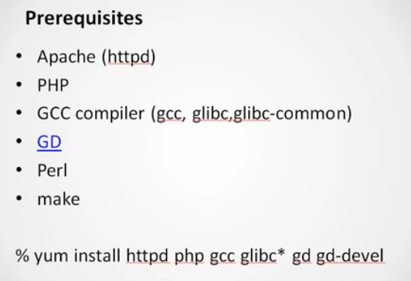
Nagios Server installation

 | [root@node3 ~]# useradd -m nagios
 | [root@node3 ~]#
 | [root@node3 ~]# id nagios
 | uid=501(nagios) gid=501(nagios) groups=501(nagios)
 | [root@node3 ~]#
 | [root@node3 ~]# passwd nagios
 | Changing password for user nagios.
 | New password:
 | BAD PASSWORD: it is based on your username
 | Retype new password:
 | passwd: all authentication tokens updated successfully.
 | [root@node3 ~]#
 | [root@node3 ~]# grep nagios /etc/passwd
 | nagios:x:501:501::/home/nagios:/bin/bash

 | add group for user nagios and apche:

 | [root@node3 ~]# groupadd nagcmd
 | [root@node3 ~]#
 | [root@node3 ~]# usermod -a -G nagcmd nagios
 | [root@node3 ~]#
 | [root@node3 ~]# id nagios
 | uid=501(nagios) gid=501(nagios) groups=501(nagios),502(nagcmd)
 | [root@node3 ~]#
 | [root@node3 ~]# usermod -a -G nagcmd apache
 | [root@node3 ~]#
 | [root@node3 ~]# id apache
 | uid=48(apache) gid=48(apache) groups=48(apache),502(nagcmd)

 | download Nagios:
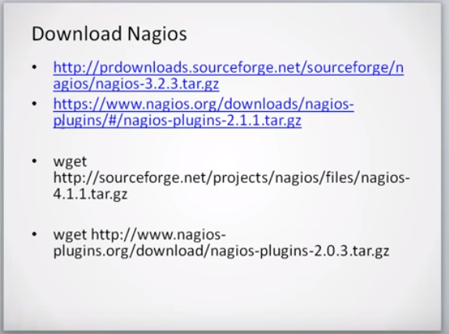

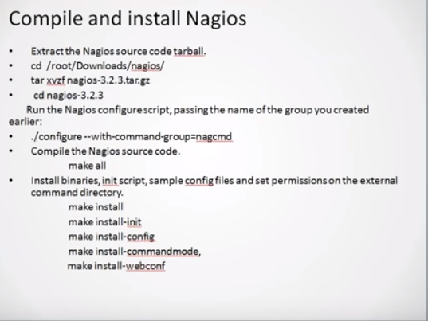

 | We will extract the tar files to the dirrectory Nagios.Then it will create a nagios dir.
 | content of dir:
 | nagios-3.2.3 nagios-3.2.3.tar.gz nagios-plugins-2.2.1.tar.gz
 | [root@node3 Nagios]# cd nagios-3.2.3
 | [root@node3 nagios-3.2.3]#
 | [root@node3 nagios-3.2.3]#
 | [root@node3 nagios-3.2.3]# ls
 | base common configure daemon-init.in include LEGAL make-tarball nagios.spec pkginfo.in subst.in THANKS update-version
 | cgi config.guess configure.in functions INSTALLING LICENSE mkpackage OutputTrap.pm README t tools UPGRADING
 | Changelog config.sub contrib html install-sh Makefile.in module p1.pl sample-config tap t-tap xdata

 | Then configure Nagios for the OS you are using with group name"nagcmd".
 | [root@node3 nagios-3.2.3]# ./configure --with-command-group=nagcmd
 | checking for a BSD-compatible install... /usr/bin/install -c
 | checking build system type... x86_64-unknown-linux-gnu
 | checking host system type... x86_64-unknown-linux-gnu
 | checking for gcc... gcc

 | Creating sample config files in sample-config/ ...

 | *** Configuration summary for nagios 3.2.3 10-03-2010 ***:

 | General Options:
 | -------------------------
 | Nagios executable: nagios
 | Nagios user/group: nagios,nagios
 | Command user/group: nagios,nagcmd
 | Embedded Perl: no
 | Event Broker: yes
 | Install ${prefix}: /usr/local/nagios
 | Lock file: ${prefix}/var/nagios.lock
 | Check result directory: ${prefix}/var/spool/checkresults
 | Init directory: /etc/rc.d/init.d
 | Apache conf.d directory: /etc/httpd/conf.d
 | Mail program: /bin/mail
 | Host OS: linux-gnu

 | Web Interface Options:
 | ------------------------
 | HTML URL: http://localhost/nagios/
 | CGI URL: http://localhost/nagios/cgi-bin/
 | Traceroute (used by WAP): /bin/traceroute

 | Review the options above for accuracy. If they look okay,
 | type 'make all' to compile the main program and CGIs.

 | Run "make all" command to build the raw files present in the dir "/home/Nagios/nagios-3.2.3".It will use "gcc" compiler behind to complie all the source code

 | [root@node3 nagios-3.2.3]# make all
 | cd ./base && make
 | make[1]: Entering directory `/home/Nagios/nagios-3.2.3/base'
 | gcc -g -O2 -DHAVE_CONFIG_H -DNSCORE -c -o broker.o broker.c
 | gcc -g -O2 -DHAVE_CONFIG_H -DNSCORE -c -o nebmods.o nebmods.c
 | gcc -g -O2 -DHAVE_CONFIG_H -DNSCORE -c -o checks.o checks.c
 | gcc -g -O2 -DHAVE_CONFIG_H -DNSCORE -c -o config.o config.c
 | gcc -g -O2 -DHAVE_CONFIG_H -DNSCORE -c -o commands.o commands.c
 | make[1]: Entering directory `/home/Nagios/nagios-3.2.3/html'
 | make[1]: Nothing to be done for `all'.
 | make[1]: Leaving directory `/home/Nagios/nagios-3.2.3/html'
 | if [ xyes = xyes ]; then \
 | cd ./module && make; \
 | fi
 | make[1]: Entering directory `/home/Nagios/nagios-3.2.3/module'
 | gcc -fPIC -g -O2 -DHAVE_CONFIG_H -o helloworld.o helloworld.c -shared
 | make[1]: Leaving directory `/home/Nagios/nagios-3.2.3/module'

 | *** Compile finished ***

 | If the main program and CGIs compiled without any errors, you
 | can continue with installing Nagios as follows (type 'make'
 | without any arguments for a list of all possible options):

 | make install ---->> this command creates the folder "/usr/local/nagios/" ,gives permission to this dir.After that it will copy all the files from current dir to "/usr/local/nagios".after this it will install them into this folder.
 | - This installs the main program, CGIs, and HTML files

 | make install-init
 | - This installs the init script in /etc/rc.d/init.d

 | make install-commandmode ---->> this ensures that you are able to run nagios from command line.
 | - This installs and configures permissions on the
 | directory for holding the external command file

 | make install-config
 | - This installs *SAMPLE* config files in /usr/local/nagios/etc
 | You'll have to modify these sample files before you can
 | use Nagios. Read the HTML documentation for more info
 | on doing this. Pay particular attention to the docs on
 | object configuration files, as they determine what/how
 | things get monitored!

 | make install-webconf
 | - This installs the Apache config file for the Nagios
 | web interface

 | *** Support Notes *******************************************

 | If you have questions about configuring or running Nagios,
 | please make sure that you:

 | - Look at the sample config files
 | - Read the HTML documentation
 | - Read the FAQs online at http://www.nagios.org/faqs

 | before you post a question to one of the mailing lists.
 | Also make sure to include pertinent information that could
 | help others help you. This might include:

 | - What version of Nagios you are using
 | - What version of the plugins you are using
 | - Relevant snippets from your config files
 | - Relevant error messages from the Nagios log file

 | For more information on obtaining support for Nagios, visit:

 | http://www.nagios.org/support/

 | *************************************************************

 | Enjoy.

 | Crate an account for logging into apache web console.

 | [root@node3 nagios-3.2.3]# htpasswd -b -c /usr/local/nagios/etc/htpasswd.users nagiosadmin nagiosadmin
 | Adding password for user nagiosadmin

Note : | root@node3 /]# cd /usr/local/nagios/
 | [root@node3 nagios]# ls
 | bin etc libexec sbin share var
 | [root@node3 nagios]#
 | [root@node3 nagios]# cd libexec/ --->>this is folder is for plugins,it means plugins will come into this folder alfter installation.So that nagios can use that plugin.
 | [root@node3 libexec]# ls
 | [root@node3 libexec]#

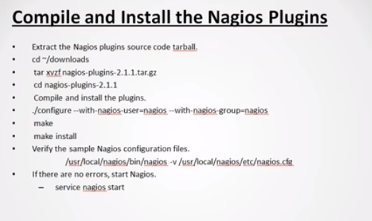
Nagios plugin installation

 | check the "/usr/local/nagios/libexec" dir for plugins:
 | [root@node3 nagios]# cd libexec
 | [root@node3 libexec]# ls
 | check_apt check_dig check_flexlm check_ifoperstatus check_log check_nntps check_oracle check_rpc check_ssh check_ups utils.pm
 | check_breeze check_disk check_ftp check_ifstatus check_mailq check_nt check_overcr check_sensors check_ssmtp check_uptime utils.sh
 | check_by_ssh check_disk_smb check_hpjd check_imap check_mrtg check_ntp check_ping check_simap check_swap check_users
 | check_clamd check_dns check_http check_ircd check_mrtgtraf check_ntp_peer check_pop check_smtp check_tcp check_wave
 | check_cluster check_dummy check_icmp check_jabber check_nagios check_ntp_time check_procs check_snmp check_time negate
 | check_dhcp check_file_age check_ide_smart check_load check_nntp check_nwstat check_real check_spop check_udp urlize

Note | If we want to use any other plugin then we have to copy that into "/usr/local/nagios/libexec" folder.

 | configuration file verification :

 | [root@node3 bin]# /usr/local/nagios/bin/nagios -v /usr/local/nagios/etc/nagios.cfg

 | Nagios Core 3.2.3
 | Copyright (c) 2009-2010 Nagios Core Development Team and Community Contributors
 | Copyright (c) 1999-2009 Ethan Galstad
 | Last Modified: 10-03-2010
 | License: GPL

 | Website: http://www.nagios.org
 | Reading configuration data...
 | Read main config file okay...
 | Processing object config file '/usr/local/nagios/etc/objects/commands.cfg'...
 | Processing object config file '/usr/local/nagios/etc/objects/contacts.cfg'...
 | Processing object config file '/usr/local/nagios/etc/objects/timeperiods.cfg'...
 | Processing object config file '/usr/local/nagios/etc/objects/templates.cfg'...
 | Processing object config file '/usr/local/nagios/etc/objects/localhost.cfg'...
 | Read object config files okay...

 | Running pre-flight check on configuration data...

 | Checking services...
 | Checked 8 services.
 | Checking hosts...
 | Checked 1 hosts.
 | Checking host groups...
 | Checked 1 host groups.
 | Checking service groups...
 | Checked 0 service groups.
 | Checking contacts...
 | Checked 1 contacts.
 | Checking contact groups...
 | Checked 1 contact groups.
 | Checking service escalations...
 | Checked 0 service escalations.
 | Checking service dependencies...
 | Checked 0 service dependencies.
 | Checking host escalations...
 | Checked 0 host escalations.
 | Checking host dependencies...
 | Checked 0 host dependencies.
 | Checking commands...
 | Checked 24 commands.
 | Checking time periods...
 | Checked 5 time periods.
 | Checking for circular paths between hosts...
 | Checking for circular host and service dependencies...
 | Checking global event handlers...
 | Checking obsessive compulsive processor commands...
 | Checking misc settings...

 | Total Warnings: 0
 | Total Errors: 0

 | Things look okay - No serious problems were detected during the pre-

Configuration
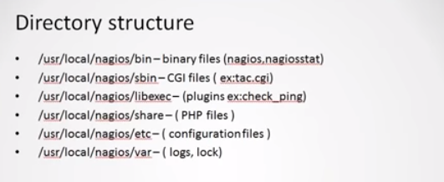
Nagios dir structure

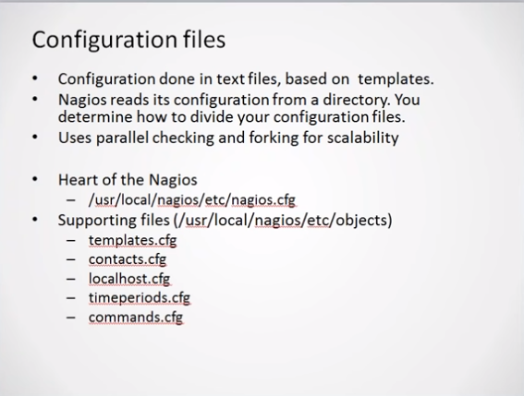
Config files

Note | "nagios.cfg "is the main config files ,which nagios reads when it runs. like in C lanaguage ,for any program there is subroutine and we include it as fuction,There are some supporting files (or templete files),which is used for configuration.These sample templetes generates automatically during nagios installation.These templete files are included in main nagios.cfg file.So it becomes easy to maintain configuration.
 | configuration
 | Important Nagios files:

 | root@node3 ~]# cd /usr/local/nagios/
 | [root@node3 nagios]# ls
 | bin etc include libexec sbin share var

 | [root@node3 nagios]# cd bin ---> this include binary of nagios
 | [root@node3 bin]# ls
 | nagios nagiostats

 | [root@node3 nagios]# cd etc ----> this includes configuration files
 | [root@node3 etc]# ls -ll
 | total 68
 | -rw-rw-r-- 1 nagios nagios 11408 Oct 30 12:50 cgi.cfg
 | -rw-r--r-- 1 root root 26 Oct 30 12:59 htpasswd.users
 | -rw-rw-r-- 1 nagios nagios 43774 Oct 30 12:50 nagios.cfg
 | drwxrwxr-x 2 nagios nagios 4096 Oct 30 12:50 objects
 | -rw-rw---- 1 nagios nagios 1340 Oct 30 12:50 resource.cfg

 | [root@node3 etc]# cd ../include/ --> this include additional config files
 | [root@node3 include]# ls

 | [root@node3 include]# cd ../libexec/ ---> this include plugins
 | [root@node3 libexec]# ls -l
 | [root@node3 libexec]# ls
 | check_apt check_disk check_hpjd check_ircd check_nagios check_nwstat check_rpc check_ssmtp check_users
 | check_breeze check_disk_smb check_http check_jabber check_nntp check_oracle check_sensors check_swap check_wave
 | check_by_ssh check_dns check_icmp check_load check_nntps check_overcr check_simap check_tcp negate
 | check_clamd check_dummy check_ide_smart check_log check_nt check_ping check_smtp check_time urlize
 | check_cluster check_file_age check_ifoperstatus check_mailq check_ntp check_pop check_snmp check_udp utils.pm
 | check_dhcp check_flexlm check_ifstatus check_mrtg check_ntp_peer check_procs check_spop check_ups utils.sh
 | check_dig check_ftp check_imap check_mrtgtraf check_ntp_time check_real check_ssh check_uptime

 | [root@node3 libexec]# cd ../sbin/ ---> this include perl files ,necessary for dashboard
 | [root@node3 sbin]# ls
 | avail.cgi config.cgi history.cgi outages.cgi status.cgi statuswrl.cgi tac.cgi
 | cmd.cgi extinfo.cgi notifications.cgi showlog.cgi statuswml.cgi summary.cgi

 | [root@node3 var]# ls --> this contains log files and database file
 | archives nagios.lock nagios.log objects.cache retention.dat rw spool status.dat

 | nagios.lock ----> this file contains the pid of nagios server
 | [root@node3 var]# ps -ef | grep nagios
 | root 7536 6919 0 16:46 pts/3 00:00:00 grep nagios
 | nagios 31592 1 0 13:36 ? 00:00:01 /usr/local/nagios/bin/nagios -d /usr/local/nagios/etc/nagios.cfg

 | [root@node3 var]# cat nagios.lock
 | 31592 ---->pid

 | nagios.log ---> this contains log files for nagios
 | [root@node3 var]# tail -f nagios.log
 | [1572422763] Local time is Wed Oct 30 13:36:03 IST 2019
 | [1572422763] LOG VERSION: 2.0
 | [1572422763] Finished daemonizing... (New PID=31592)
 | [1572422883] SERVICE ALERT: localhost;HTTP;WARNING;SOFT;1;HTTP WARNING: HTTP/1.1 403 Forbidden - 5159 bytes in 0.020 second response time
 | [1572422943] SERVICE ALERT: localhost;HTTP;WARNING;SOFT;2;HTTP WARNING: HTTP/1.1 403 Forbidden - 5159 bytes in 0.001 second response time
 | [1572423003] SERVICE ALERT: localhost;HTTP;WARNING;SOFT;3;HTTP WARNING: HTTP/1.1 403 Forbidden - 5159 bytes in 0.001 second response time
 | [1572423063] SERVICE ALERT: localhost;HTTP;WARNING;HARD;4;HTTP WARNING: HTTP/1.1 403 Forbidden - 5159 bytes in 0.001 second response time
 | [1572426363] Auto-save of retention data completed successfully.
 | [1572429963] Auto-save of retention data completed successfully.
 | [1572433563] Auto-save of retention data completed successfully.

 | status.dat ---> Internal database file for storing collected server metrics.This data will be used to show dashbaord.

 | [root@node3 var]# cat status.dat
 | ########################################
 | # NAGIOS STATUS FILE
 | #
 | # THIS FILE IS AUTOMATICALLY GENERATED
 | # BY NAGIOS. DO NOT MODIFY THIS FILE!
 | ########################################

 | info {
 | created=1572433613
 | version=3.2.3
 | last_update_check=0
 | update_available=0
 | last_version=
 | new_version=
 | }

 | programstatus {
 | modified_host_attributes=0
 | modified_service_attributes=0
 | nagios_pid=31592
 | daemon_mode=1
 | program_start=1572422763
 | last_command_check=1572433612
 | last_log_rotation=0
 | enable_notifications=1
 | active_service_checks_enabled=1
 | passive_service_checks_enabled=1
 | active_host_checks_enabled=1
 | passive_host_checks_enabled=1
 | enable_event_handlers=1
 | obsess_over_services=0
 | obsess_over_hosts=0
 | check_service_freshness=1
 | check_host_freshness=0
 | enable_flap_detection=1
 | enable_failure_prediction=1
 | process_performance_data=0
 | global_host_event_handler=
 | global_service_event_handler=
 | next_comment_id=1
 | next_downtime_id=1
 | next_event_id=2
 | next_problem_id=1
 | next_notification_id=1
 | total_external_command_buffer_slots=4096
 | used_external_command_buffer_slots=0
 | high_external_command_buffer_slots=0
 | active_scheduled_host_check_stats=0,0,2
 | active_ondemand_host_check_stats=1,1,3
 | passive_host_check_stats=0,0,0
 | active_scheduled_service_check_stats=2,8,24
 | active_ondemand_service_check_stats=0,0,0
 | passive_service_check_stats=0,0,0
 | cached_host_check_stats=1,1,3
 | cached_service_check_stats=0,0,0
 | external_command_stats=0,0,0
 | parallel_host_check_stats=0,0,2
 | serial_host_check_stats=0,0,0
 | }

 | hoststatus {
 | host_name=localhost
 | modified_attributes=0
 | check_command=check-host-alive
 | check_period=24x7
 | notification_period=workhours
 | check_interval=5.000000
 | retry_interval=1.000000
 | event_handler=
 | has_been_checked=1
 | should_be_scheduled=1
 | check_execution_time=4.005
 | check_latency=0.114
 | check_type=0
 | current_state=0
 | last_hard_state=0
 | last_event_id=0
 | current_event_id=0
 | current_problem_id=0
 | last_problem_id=0
 | plugin_output=PING OK - Packet loss = 0%, RTA = 0.03 ms
 | long_plugin_output=
 | performance_data=rta=0.031000ms;3000.000000;5000.000000;0.000000 pl=0%;80;100;0
 | last_check=1572433303
 | next_check=1572433613
 | check_options=0
 | current_attempt=1
 | max_attempts=10
 | state_type=1
 | last_state_change=1572422800
 | last_hard_state_change=1572422800
 | last_time_up=1572433313
 | last_time_down=0
 | last_time_unreachable=0
 | last_notification=0
 | next_notification=0
 | no_more_notifications=0
 | current_notification_number=0
 | current_notification_id=0
 | notifications_enabled=1
 | problem_has_been_acknowledged=0
 | acknowledgement_type=0
 | active_checks_enabled=1
 | passive_checks_enabled=1
 | event_handler_enabled=1
 | flap_detection_enabled=1
 | failure_prediction_enabled=1
 | process_performance_data=1
 | obsess_over_host=1
 | last_update=1572433613
 | is_flapping=0
 | percent_state_change=0.00
 | scheduled_downtime_depth=0
 | }

 | servicestatus {
 | host_name=localhost
 | service_description=Current Load
 | modified_attributes=0
 | check_command=check_local_load!5.0,4.0,3.0!10.0,6.0,4.0
 | check_period=24x7
 | notification_period=24x7
 | check_interval=5.000000
 | retry_interval=1.000000
 | event_handler=
 | has_been_checked=1
 | should_be_scheduled=1
 | check_execution_time=0.006
 | check_latency=0.237
 | check_type=0
 | current_state=0
 | last_hard_state=0
 | last_event_id=0
 | current_event_id=0
 | current_problem_id=0
 | last_problem_id=0
 | current_attempt=1
 | max_attempts=4
 | state_type=1
 | last_state_change=1572422800
 | last_hard_state_change=1572422800
 | last_time_ok=1572433600
 | last_time_warning=0
 | last_time_unknown=0
 | last_time_critical=0
 | plugin_output=OK - load average: 0.00, 0.03, 0.05
 | long_plugin_output=
 | performance_data=load1=0.000;5.000;10.000;0; load5=0.030;4.000;6.000;0; load15=0.050;3.000;4.000;0;
 | last_check=1572433600
 | next_check=1572433900
 | check_options=0
 | current_notification_number=0
 | current_notification_id=0
 | last_notification=0
 | next_notification=0
 | no_more_notifications=0
 | notifications_enabled=1
 | active_checks_enabled=1
 | passive_checks_enabled=1
 | event_handler_enabled=1
 | problem_has_been_acknowledged=0
 | acknowledgement_type=0
 | flap_detection_enabled=1
 | failure_prediction_enabled=1
 | process_performance_data=1
 | obsess_over_service=1
 | last_update=1572433613
 | is_flapping=0
 | percent_state_change=0.00
 | scheduled_downtime_depth=0
 | }

Nagios.cfg (main config file) | ##############################################################################
 | #
 | # NAGIOS.CFG - Sample Main Config File for Nagios 3.2.3
 | #
 | # Read the documentation for more information on this configuration
 | # file. I've provided some comments here, but things may not be so
 | # clear without further explanation.
 | #
 | # Last Modified: 12-14-2008
 | #
 | ##############################################################################

 | # LOG FILE
 | # This is the main log file where service and host events are logged
 | # for historical purposes. This should be the first option specified
 | # in the config file!!!

 | log_file=/usr/local/nagios/var/nagios.log ---> this is the default path for log.you can customize this.

 | # OBJECT CONFIGURATION FILE(S)
 | # These are the object configuration files in which you define hosts,
 | # host groups, contacts, contact groups, services, etc.
 | # You can split your object definitions across several config files
 | # if you wish (as shown below), or keep them all in a single config file.

 | # You can specify individual object config files as shown below: ---> these are the config files ,which nagios uses
 | cfg_file=/usr/local/nagios/etc/objects/commands.cfg
 | cfg_file=/usr/local/nagios/etc/objects/contacts.cfg
 | cfg_file=/usr/local/nagios/etc/objects/timeperiods.cfg
 | cfg_file=/usr/local/nagios/etc/objects/templates.cfg

 | # Definitions for monitoring the local (Linux) host
 | cfg_file=/usr/local/nagios/etc/objects/localhost.cfg

 | # Definitions for monitoring a Windows machine
 | #cfg_file=/usr/local/nagios/etc/objects/windows.cfg

 | # Definitions for monitoring a router/switch
 | #cfg_file=/usr/local/nagios/etc/objects/switch.cfg

 | # Definitions for monitoring a network printer
 | #cfg_file=/usr/local/nagios/etc/objects/printer.cfg

 | # RESOURCE FILE
 | # This is an optional resource file that contains $USERx$ macro
 | # definitions. Multiple resource files can be specified by using
 | # multiple resource_file definitions. The CGIs will not attempt to
 | # read the contents of resource files, so information that is
 | # considered to be sensitive (usernames, passwords, etc) can be
 | # defined as macros in this file and restrictive permissions (600)
 | # can be placed on this file.

 | resource_file=/usr/local/nagios/etc/resource.cfg --> in This file,we can define Macros ,for repetative task,which can also be used by other config files.

 | # STATUS FILE
 | # This is where the current status of all monitored services and
 | # hosts is stored. Its contents are read and processed by the CGIs.
 | # The contents of the status file are deleted every time Nagios
 | # restarts.

 | status_file=/usr/local/nagios/var/status.dat --> This files act as internal database and contains data of monitored services.

 | # STATUS FILE UPDATE INTERVAL
 | # This option determines the frequency (in seconds) that
 | # Nagios will periodically dump program, host, and
 | # service status data.

 | status_update_interval=10 --> this is the frequency in seconds ,after which it will dump data into status file i.e "status.dat"

 | # NAGIOS USER
 | # This determines the effective user that Nagios should run as.
 | # You can either supply a username or a UID.

 | nagios_user=nagios

 | # NAGIOS GROUP
 | # This determines the effective group that Nagios should run as.
 | # You can either supply a group name or a GID.

 | nagios_group=nagios

 | # NOTIFICATION LOGGING OPTION
 | # If you don't want notifications to be logged, set this value to 0.
 | # If notifications should be logged, set the value to 1.

 | log_notifications=1 ---> this should always be 1 ,if we want log to be generated.Do not make it 0.

RESOURCE FILE(resourse.cfg) | ###########################################################################
 | #
 | # RESOURCE.CFG - Sample Resource File for Nagios 3.2.3
 | #
 | # Last Modified: 09-10-2003
 | #
 | # You can define $USERx$ macros in this file, which can in turn be used
 | # in command definitions in your host config file(s). $USERx$ macros are
 | # useful for storing sensitive information such as usernames, passwords,
 | # etc. They are also handy for specifying the path to plugins and
 | # event handlers - if you decide to move the plugins or event handlers to
 | # a different directory in the future, you can just update one or two
 | # $USERx$ macros, instead of modifying a lot of command definitions.
 | #
 | # The CGIs will not attempt to read the contents of resource files, so
 | # you can set restrictive permissions (600 or 660) on them.
 | #
 | # Nagios supports up to 32 $USERx$ macros ($USER1$ through $USER32$)
 | #
 | # Resource files may also be used to store configuration directives for
 | # external data sources like MySQL...
 | #
 | ###########################################################################

 | # Sets $USER1$ to be the path to the plugins
 | $USER1$=/usr/local/nagios/libexec --> here we can define macro ,so that if we want to use plugin ,then we can call that plugin via "$USER1".

 | # Sets $USER2$ to be the path to event handlers
 | #$USER2$=/usr/local/nagios/libexec/eventhandlers

 | # Store some usernames and passwords (hidden from the CGIs)
 | #$USER3$=someuser
 | #$USER4$=somepassword

objects directory | [root@node3 etc]# cd objects/
 | [root@node3 objects]# ls
 | commands.cfg contacts.cfg localhost.cfg printer.cfg switch.cfg templates.cfg timeperiods.cfg windows.cfg

Note : | We can create our own cfg file,but it should be in the same format.

localhost.cfg | ###############################################################################
 | # LOCALHOST.CFG - SAMPLE OBJECT CONFIG FILE FOR MONITORING THIS MACHINE
 | #
 | # Last Modified: 05-31-2007
 | #
 | # NOTE: This config file is intended to serve as an *extremely* simple
 | # example of how you can create configuration entries to monitor
 | # the local (Linux) machine.
 | #
 | ###############################################################################

 | ###############################################################################
 | ###############################################################################
 | #
 | # HOST DEFINITION
 | #
 | ###############################################################################
 | ###############################################################################

 | # Define a host for the local machine

 | define host{ -----> this is the templete for defining hosts
 | use linux-server ; Name of host template to use ----> here word "use" means,it also uses some smaller templetes.In this case that small templete is "linux-server".This is defined under "templetes.cfg".
 | ; This host definition will inherit all variables that are defined
 | ; in (or inherited by) the linux-server host template definition.
 | host_name localhost ---> this is the localhost,where we are running nagios
 | alias localhost ----> short name to quickly identified server
 | address 127.0.0.1 ----> ip address of the monitored server
 | }
 | ###############################################################################
 | ###############################################################################
 | #
 | # HOST GROUP DEFINITION
 | #
 | ###############################################################################
 | ###############################################################################

 | # Define an optional hostgroup for Linux machines

 | define hostgroup{
 | hostgroup_name linux-servers ; The name of the hostgroup
 | alias Linux Servers ; Long name of the group
 | members localhost ; Comma separated list of hosts that belong to this group
 | }

 | ###############################################################################
 | ###############################################################################
 | #
 | # SERVICE DEFINITIONS
 | #
 | ###############################################################################
 | ###############################################################################

 | # Define a service to "ping" the local machine ---> for ech host ,there could be many services or checks ,this is the example of only "ping" check

 | define service{
 | use local-service ; Name of service template to use --> here define service templete is using another small templete" local-service".
 | host_name localhost --> here "localhost" is the alias name which we had set in "define host" templete. Eg :alias localhost
 | service_description PING ---> this is the check ,we want to perform on defined host
 | check_command check_ping!100.0,20%!500.0,60% ----> Here to do ping check,we are calling "check_ping"command.check_ping is the command name ,which we have defined in "commands.cfg" files under "/usr/local/nagios/etc/objects".
 | }

commands.cfg file | ###############################################################################
 | #
 | # SAMPLE HOST CHECK COMMANDS
 | #
 | ################################################################################

 | # This command checks to see if a host is "alive" by pinging it
 | # The check must result in a 100% packet loss or 5 second (5000ms) round trip
 | # average time to produce a critical error.
 | # Note: Five ICMP echo packets are sent (determined by the '-p 5' argument)

 | # 'check_ping' command definition
 | define command{
 | command_name check_ping ---->check_ping is the command name
Note: | command_line $USER1$/check_ping -H $HOSTADDRESS$ -w $ARG1$ -c $ARG2$ -p 5 --> this is the actual command line,which performes check.When we run "check_ping" it internally comes to the this lines of "commnds.cfg" and calls "check_ping" plugin. Here "$USER1" is the value which we had defined in the "resource.cfg"file and "$HOSTADDRESS" value is the value of hostname,which we have defined in "localhost.cfg."
 | }

* | Command name could be different.Here we have given "command name" identical to the "plugin name".So it will be easy to call that plugin.

check_ping plugin | [root@node3 objects]# cd /usr/local/nagios/libexec/
 | [root@node3 libexec]# ls
 | check_apt check_dig check_flexlm check_ifoperstatus check_log check_nntps check_oracle check_rpc check_ssh check_ups utils.pm
 | check_breeze check_disk check_ftp check_ifstatus check_mailq check_nt check_overcr check_sensors check_ssmtp check_uptime utils.sh
 | check_by_ssh check_disk_smb check_hpjd check_imap check_mrtg check_ntp check_ping check_simap check_swap check_users
 | check_clamd check_dns check_http check_ircd check_mrtgtraf check_ntp_peer check_pop check_smtp check_tcp check_wave
 | check_cluster check_dummy check_icmp check_jabber check_nagios check_ntp_time check_procs check_snmp check_time negate
 | check_dhcp check_file_age check_ide_smart check_load check_nntp check_nwstat check_real check_spop check_udp urlize
 | [root@node3 libexec]# ls check_ping
 | check_ping
 | [root@node3 libexec]# ./check_ping --help
 | check_ping v2.2.1 (nagios-plugins 2.2.1)
 | Copyright (c) 1999 Ethan Galstad <nagios@nagios.org>
 | Copyright (c) 2000-2014 Nagios Plugin Development Team
 | <devel@nagios-plugins.org>

 | Use ping to check connection statistics for a remote host.

 | Usage:
 | check_ping -H <host_address> -w <wrta>,<wpl>% -c <crta>,<cpl>% ---> here we can see that, check_ping plugin syntax itself require min two parameter in both "number and percentage" form.e.g "check_ping!100.0,20%!500.0,60%". Here 100 and 500 are bytes size that we are expecting to recieve and 20 and 60 are percentage value.So if our ping response will be below 100 bytes ,then is normal ,but if it reaches 100 ,then it becomes "warning" and when it touches "500" it becomes "critical"
 | [-p packets] [-t timeout] [-4|-6]

Note | Here "!" sign define "parameters"that we are passing to the "check_ping" commad.Here we are passing "2"paramaters eg : 100.0,20% & 500.0,60%.

templete.cfg | ###############################################################################
 | ###############################################################################
 | #
 | # HOST TEMPLATES
 | #
 | ###############################################################################
 | ###############################################################################

 | # Generic host definition template - This is NOT a real host, just a template! ---> this templete is used by templete "linux-server".

 | define host{
 | name generic-host ; The name of this host template
 | notifications_enabled 1 ; Host notifications are enabled
 | event_handler_enabled 1 ; Host event handler is enabled
 | flap_detection_enabled 1 ; Flap detection is enabled
 | failure_prediction_enabled 1 ; Failure prediction is enabled
 | process_perf_data 1 ; Process performance data
 | retain_status_information 1 ; Retain status information across program restarts
 | retain_nonstatus_information 1 ; Retain non-status information across program restarts
 | notification_period 24x7 ; Send host notifications at any time
 | register 0 ; DONT REGISTER THIS DEFINITION - ITS NOT A REAL HOST, JUST A TEMPLATE!
 | }

 | # Linux host definition template - This is NOT a real host, just a template!

 | define host{
 | name linux-server ; The name of this host template ---> this is the templete,that we had used in "localhost.cfg"file.
 | use generic-host ; This template inherits other values from the generic-host template ---> this itself using ,other templte named "generic-host".
 | check_period 24x7 ; By default, Linux hosts are checked round the clock
 | check_interval 5 ; Actively check the host every 5 minutes
 | retry_interval 1 ; Schedule host check retries at 1 minute intervals
 | max_check_attempts 10 ; Check each Linux host 10 times (max)
 | check_command check-host-alive ; Default command to check Linux hosts
 | notification_period workhours ; Linux admins hate to be woken up, so we only notify during the day
 | ; Note that the notification_period variable is being overridden from
 | ; the value that is inherited from the generic-host template!
 | notification_interval 120 ; Resend notifications every 2 hours
 | notification_options d,u,r ; Only send notifications for specific host states
 | contact_groups admins ; Notifications get sent to the admins by default
 | register 0 ; DONT REGISTER THIS DEFINITION - ITS NOT A REAL HOST, JUST A TEMPLATE!
 | }

 | #
 | # SERVICE TEMPLATES
 | #
 | ###############################################################################
 | ###############################################################################

 | # Generic service definition template - This is NOT a real service, just a template!

 | define service{
 | name generic-service ; The 'name' of this service template
 | active_checks_enabled 1 ; Active service checks are enabled
 | passive_checks_enabled 1 ; Passive service checks are enabled/accepted
 | parallelize_check 1 ; Active service checks should be parallelized (disabling this can lead to major performance problems)
 | obsess_over_service 1 ; We should obsess over this service (if necessary)
 | check_freshness 0 ; Default is to NOT check service 'freshness'
 | notifications_enabled 1 ; Service notifications are enabled
 | event_handler_enabled 1 ; Service event handler is enabled
 | flap_detection_enabled 1 ; Flap detection is enabled
 | failure_prediction_enabled 1 ; Failure prediction is enabled
 | process_perf_data 1 ; Process performance data
 | retain_status_information 1 ; Retain status information across program restarts
 | retain_nonstatus_information 1 ; Retain non-status information across program restarts
 | is_volatile 0 ; The service is not volatile
 | check_period 24x7 ; The service can be checked at any time of the day
 | max_check_attempts 3 ; Re-check the service up to 3 times in order to determine its final (hard) state
 | normal_check_interval 10 ; Check the service every 10 minutes under normal conditions
 | retry_check_interval 2 ; Re-check the service every two minutes until a hard state can be determined
 | contact_groups admins ; Notifications get sent out to everyone in the 'admins' group
 | notification_options w,u,c,r ; Send notifications about warning, unknown, critical, and recovery events
 | notification_interval 60 ; Re-notify about service problems every hour
 | notification_period 24x7 ; Notifications can be sent out at any time
 | register 0 ; DONT REGISTER THIS DEFINITION - ITS NOT A REAL SERVICE, JUST A TEMPLATE!
 | }

 | # Local service definition template - This is NOT a real service, just a template!

 | define service{
 | name local-service ; The name of this service template --> this is the templete used by "service templete" in "localhost.cfg".
 | use generic-service ; Inherit default values from the generic-service definition ---> this templete is also using "geniric-services" templete.
 | max_check_attempts 4 ; Re-check the service up to 4 times in order to determine its final (hard) state
 | normal_check_interval 5 ; Check the service every 5 minutes under normal conditions
 | retry_check_interval 1 ; Re-check the service every minute until a hard state can be determined
 | register 0 ; DONT REGISTER THIS DEFINITION - ITS NOT A REAL SERVICE, JUST A TEMPLATE!
 | }
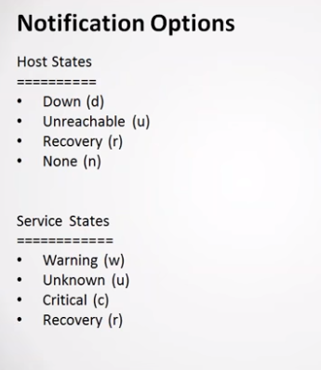

Notification

 | D

 | Host states:
 | Down(d) : Means server is completely down and not running
 | Unreachable(u): means server is running ,but for some reason we are not able to reach to that .
 | Recovery(r):means server is down and not able to bring back to it original state
 | none(n):Means server is running completely fine and there are no issues

 | Service states:
 | warning(w):means it is in the threshold range that you have given
 | unkown(u): means service is not able to get any output or service itself is down
 | Critical( c ) : means it crossed the threshold range that you have given
 | Recovery( r ): means it was in critical state and now it is coming back to its state

 | ###############################################################################
 | #
 | # SERVICE TEMPLATES
 | #
 | ###############################################################################
 | ###############################################################################

 | # Generic service definition template - This is NOT a real service, just a template!

 | define service{
 | name generic-service ; The 'name' of this service template
 | active_checks_enabled 1 ; Active service checks are enabled
 | passive_checks_enabled 1 ; Passive service checks are enabled/accepted
 | parallelize_check 1 ; Active service checks should be parallelized (disabling this can lead to major performance problems)
 | obsess_over_service 1 ; We should obsess over this service (if necessary)
 | check_freshness 0 ; Default is to NOT check service 'freshness'
 | notifications_enabled 1 ; Service notifications are enabled
 | event_handler_enabled 1 ; Service event handler is enabled
 | flap_detection_enabled 1 ; Flap detection is enabled
 | failure_prediction_enabled 1 ; Failure prediction is enabled
 | process_perf_data 1 ; Process performance data
 | retain_status_information 1 ; Retain status information across program restarts
 | retain_nonstatus_information 1 ; Retain non-status information across program restarts
 | is_volatile 0 ; The service is not volatile
 | check_period 24x7 ; The service can be checked at any time of the day
 | max_check_attempts 3 ; Re-check the service up to 3 times in order to determine its final (hard) state
 | normal_check_interval 10 ; Check the service every 10 minutes under normal conditions
 | retry_check_interval 2 ; Re-check the service every two minutes until a hard state can be determined
 | contact_groups admins ; Notifications get sent out to everyone in the 'admins' group
 | notification_options w,u,c,r ; Send notifications about warning, unknown, critical, and recovery events ---> here we define notification for every state.
 | notification_interval 60 ; Re-notify about service problems every hour
 | notification_period 24x7 ; Notifications can be sent out at any time
 | register 0 ; DONT REGISTER THIS DEFINITION - ITS NOT A REAL SERVICE, JUST A TEMPLATE!
 | }

Sample config for node3: | localhost.cfg

 | ###############################################################################
 | ###############################################################################
 | #
 | # HOST DEFINITION
 | #
 | ###############################################################################
 | ###############################################################################

 | # Define a host for the local machine

 | define host{
 | use linux-server ; Name of host template to use
 | ; This host definition will inherit all variables that are defined
 | ; in (or inherited by) the linux-server host template definition.
 | host_name node3
 | alias node3
 | address 131.213.231.7
 | }

 | ###############################################################################
 | ###############################################################################
 | #
 | # HOST GROUP DEFINITION
 | #
 | ###############################################################################
 | ###############################################################################

 | # Define an optional hostgroup for Linux machines

 | define hostgroup{
 | hostgroup_name linux-servers ; The name of the hostgroup
 | alias Linux Servers ; Long name of the group
 | members node3 ; Comma separated list of hosts that belong to this group
 | }

 | ###############################################################################
 | ###############################################################################
 | #
 | # SERVICE DEFINITIONS
 | #
 | ###############################################################################
 | ###############################################################################

 | # Define a service to "ping" the local machine

 | define service{
 | use local-service ; Name of service template to use
 | host_name node3
 | service_description PING
 | check_command check_ping!100.0,20%!500.0,60%
 | }

 | # Define a service to check the disk space of the root partition
 | # on the local machine. Warning if < 20% free, critical if
 | # < 10% free space on partition.

 | define service{
 | use local-service ; Name of service template to use
 | host_name node3
 | service_description Root Partition
 | check_command check_local_disk!20%!10%!/
 | }

 | # Define a service to check the number of currently logged in
 | # users on the local machine. Warning if > 20 users, critical
 | # if > 50 users.
 | define service{
 | use local-service ; Name of service template to use
 | host_name node3
 | service_description Current Users
 | check_command check_local_users!20!50
 | }

 | # Define a service to check the number of currently running procs
 | # on the local machine. Warning if > 250 processes, critical if
 | # > 400 users.

 | define service{
 | use local-service ; Name of service template to use
 | host_name node3
 | service_description Total Processes
 | check_command check_local_procs!250!400!RSZDT
 | }

 | # Define a service to check the load on the local machine.

 | define service{
 | use local-service ; Name of service template to use
 | host_name node3
 | service_description Current Load
 | check_command check_local_load!5.0,4.0,3.0!10.0,6.0,4.0
 | }

 | # Define a service to check the swap usage the local machine.
 | # Critical if less than 10% of swap is free, warning if less than 20% is free

 | define service{
 | use local-service ; Name of service template to use
 | host_name node3
 | service_description Swap Usage
 | check_command check_local_swap!20!10
 | }

 | # Define a service to check SSH on the local machine.
 | # Disable notifications for this service by default, as not all users may have SSH enabled.

 | define service{
 | use local-service ; Name of service template to use
 | host_name node3
 | service_description SSH
 | check_command check_ssh
 | notifications_enabled 0
 | }

 | # Define a service to check HTTP on the local machine.
 | # Disable notifications for this service by default, as not all users may have HTTP enabled.

 | define service{
 | use local-service ; Name of service template to use
 | host_name node3
 | service_description HTTP
 | check_command check_http
 | notifications_enabled 0
 | }

Cofiguration check | /usr/local/nagios/bin/nagios -v /usr/local/nagios/etc/nagios.cfg ----> this will some error,if we have missconfigured.

Remote host monitoring | We can monitor remote hosts using two ways.
 | 1- Using NRPE plugin
 | 2- using "check_by_ssh" plugin
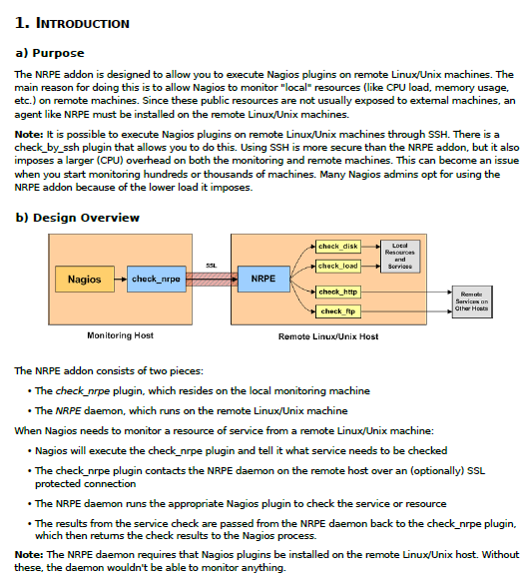
1- Using NRPE plugin

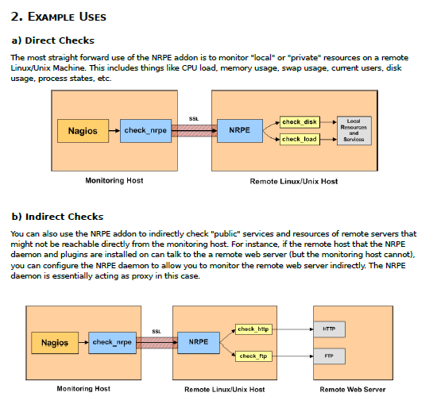

nrpe Installation & config | In order to use the NRPE add-on, you'll need to perform some tasks on both the monitoring host and the
 | remote Linux/Unix host that the NRPE daemon is installed on. I'll cover both of these tasks separately.
 | You need to decide if you will have the NRPE daemon running at all times, or if it will start for each
 | incoming connection (ex. Under inetd or xinetd).
 | Note: As of version 3.0, NRPE has been updated to make building and installing much easier on a wide
 | variety of operating systems. The instructions presented here are based on hosts running a generic
 | common Linux distribution such as CentOS, Fedora or SUSE. When naming conventions, commands, etc.
 | vary across different Linux distributions and UNIX variants, I will usually note the differences. But the
 | instructions provided here may have to be altered a bit for your situation.
 | a) Prerequisites
 | In order to complete these installation instructions, you'll need:
 | • Root access on the remote Linux/Unix host
 | • Access to the nagios user account on the monitoring host
 | • Access to the source, either via Internet, local network, disk, or CD-ROM
 | • Development tools: compiler and linker (gcc preferred)
 | Make sure that you have the following packages installed.

 | yum install -y gcc glibc glibc-common openssl openssl-devel perl wget

 | computer's local accounts (usually /etc/passwd), if necessary. If you will be adding them to LDAP or some
 | other authentication system, you will have to do it yourself.
 | ii. Install the Nagios Plugins
 | Create a directory for storing the downloads, if you don't already have one.
 | # mkdir ~/downloads
 | # cd ~/downloads
 | Download the source code tarball of the Nagios plugins (visit http://www.nagios.org/downloads/ for links to
 | the latest versions). At the time of writing, the latest stable version of the Nagios plugins was 2.1.1.
 | # wget http://nagios-plugins.org/download/nagios-plugins-2.2.1.tar.gz

 | Extract the Nagios plugins source code tarball.
 | # tar xzf nagios-plugins-2.2.1.tar.gz
 | # cd nagios-plugins-2.2.1
 | Note: on some systems, you will have to run the extract this way:
 | # gunzip -c nagios-plugins-2.2.1.tar.gz | tar xf -
 | Compile and install the plugins.
 | # ./configure
 | # make
 | # make install
 | Depending on the version of the plugins, the permissions on the plugin directory and the plugins may need
 | to be fixed at this point. If so run the following commands:
 | # useradd nagios
 | # groupadd nagios
 | # usermod -a -G nagios nagios
 | # chown nagios.nagios /usr/local/nagios
 | # chown -R nagios.nagios /usr/local/nagios/libexec
 | iii. Install xinetd
 | If you will be running NRPE per-connections, some distributions, such as Fedora Core 6, don't ship with
 | xinetd installed by default, so install it with the following command:
 | # yum install xinetd
 | iv. Install the NRPE daemon
 | Download the source code tarball of the NRPE addon (visit https://www.nagios.org/downloads/nagios-coreaddons/
 | for links to the latest versions). At the time of writing, the latest version of NRPE was 3.2.1.
 | # cd ~/downloads
 | # wget https://github.com/NagiosEnterprises/nrpe/releases/download/nrpe-
 | 3.2.1/nrpe-3.2.1.tar.gz
 | Extract the NRPE source code tarball:
 | Last Edited: 2017-11-17 Page 5 of 21 Copyright (c) 1999-2017 Ethan Galstad
 | NRPE DOCUMENTATION
 | tar xzf nrpe-3.2.1.tar.gz
 | cd nrpe-nrpe-3.2.1
 | Compile the NRPE addon:
 | # ./configure
 | # make all
 | If you didn't create the groups and users in (i) above, do it now:
 | # make install-groups-users
 | Install the NRPE plugin (for testing), daemon, and sample daemon configuration file.
 | # make install
 | # make install-config
 | If you want NRPE to run per-connection under inetd, xinetd, launchd, systemd, smf, etc. run the following
 | command:
 | # make install-inetd
 | Make sure nrpe 5666/tcp is in your /etc/services file, if applicable.
 | If you want to run NRPE all the time under init, launchd, systemd, smf, etc. run the followning command:
 | # make install-init
 | You may need to reload or restart the controlling daemon using one of the following (or similar) commands:
 | # service xinetd restart
 | # systemctl reload xinetd # systemd
 | # systemctl enable nrpe && systemctl start nrpe # systemd
 | # svcadm enable nrpe # smf
 | # initctl reload-configuration # upstart
 | v. Test the NRPE daemon locally
 | Its time to see if things are working properly. Make sure the nrpe daemon is running:
 | # netstat -at | egrep "nrpe|5666" ----->if this port is not showing in netstat it menas,port 5666 is not present ,then we have to manually add that one under "/etc/services".
 | tcp 0 0 *:nrpe *:* LISTEN
 | After adding port 5666,restart nrpe service. Cmd : start nrpe
 | If the second line above shows up, great! If it doesn't, make sure of the following:

 | • You added the nrpe entry to your /etc/services file
 | • The only_from directive in the /etc/xinetd.d/nrpe file contains an entry for "127.0.0.1"
 | • xinetd is installed and started
* | Xinetd is an open-source daemon that manages the Internet connections on many modern Unix and Unix-like servers. It offers improved security over the traditional inetd daemon, and has replaced inetd in most modern versions of Linux, BSD, and macOS. Xinetd performs a similar function to its predecessor. It listens for incoming network traffic and launches the appropriate service, such as FTP, HTTP, or UDP, to handle the traffic.

 | • The appropriate line in /etc/inetd.conf has been uncommented
 | • Check the system log files for references about xinetd or nrpe and fix any problems that are reported
 | Next, check to make sure the NRPE daemon is functioning properly. To do this, run the check_nrpe plugin
 | that was installed for testing purposes. You should see the second line below:
 | # /usr/local/nagios/libexec/check_nrpe -H localhost
 | NRPE v3.2.1
 | If everything worked, add the hostname or IP address of the nagios server to the /etc/xinetd.d/nrpe
 | file, or /etc/hosts-allow and hosts-deny.
 | vi. Open firewall rules
 | If the server has a firewall running, you need to allow access to the NRPE port (5666) from the Nagios
 | server.
 | In Fedora and Red Hat Linux, you would use the following commands:
 | # iptables -I RH-Firewall-1-INPUT -p tcp -m tcp –dport 5666 -j ACCEPT
 | # service iptables save
 | On other systems and other firewalls, check the documentation or have an administrator open the port.
 | vii. Customize the NRPE commands
 | The sample NRPE config file that got installed contains several command definitions that you'll likely use to
 | monitor this machine. The command definitions are used to (surprise) define commands that the NRPE
 | daemon will run to monitor local resources and services. The sample command definitions run some of the
 | plugins that were installed in step 2. You can edit the command definitions, add new commands, etc, by
 | editing the NRPE config file using your favorite editor:
 | # vimacs /usr/local/nagios/etc/nrpe.cfg
 | More information on customizing the commands can be found on page 16 in the section titled
 | Customizing Your Configuration.
 | For the time being, I'll assume you're using the sample commands that are defined. You can test some of
 | these by running the following commands:
 | /usr/local/nagios/libexec/check_nrpe -H localhost -c check_users
 | /usr/local/nagios/libexec/check_nrpe -H localhost -c check_load
 | /usr/local/nagios/libexec/check_nrpe -H localhost -c check_hda1
 | /usr/local/nagios/libexec/check_nrpe -H localhost -c check_total_procs
 | /usr/local/nagios/libexec/check_nrpe -H localhost -c check_zombie_procs
 | At this point, you are done installing and configuring NRPE on the remote host. Now its time to install a
 | component and make some configuration entries on your monitoring server...
 | Last

 | c) Monitoring Host Setup
 | On the monitoring host (the machine that runs Nagios), you'll need to do just a few things:
 | • Install the check_nrpe plugin
 | • Create a Nagios command definition for using the check_nrpe plugin
 | • Create Nagios host and service definitions for monitoring the remote host
 | These instructions assume that you have already installed Nagios on this machine according to the
 | quickstart installation guide. The configuration examples that are given reference templates that are
 | defined in the sample localhost.cfg and commands.cfg files that get installed if you follow the quickstart.
 | i. Install the check_nrpe Plugin
 | Download the source code tarball of the NRPE addon (visit https://www.nagios.org/downloads/nagios-coreaddons/
 | for links to the latest versions). At the time of writing, the latest version of NRPE was 3.2.1.
 | # cd ~/downloads
 | # wget https://github.com/NagiosEnterprises/nrpe/releases/download/nrpe-
 | 3.2.1/nrpe-3.2.1.tar.gz
 | Extract the NRPE source code tarball:
 | # tar xzf nrpe-3.2.1.tar.gz
 | # cd nrpe-nrpe-3.2.1
 | Compile the NRPE addon:
 | # ./configure
 | # make check_nrpe
 | Install the NRPE plugin.
 | # make install-plugin

 | ii. Test communication with the NRPE daemon
 | Make sure the check_nrpe plugin can talk to the NRPE daemon on the remote host. Replace "192.168.0.1"
 | in the command below with the IP address of the remote host that has NRPE installed. You should get back
 | the second line below:
 | /usr/local/nagios/libexec/check_nrpe -H 192.168.0.1
 | NRPE v3.2.1
 | If the plugin returns a timeout error, check the following:
 | • Make sure there isn't a firewall between the remote host and the monitoring server that is blocking
 | communication
 | • Make sure that the NRPE daemon is installed properly and running on the remote host
 | • Make sure the remote host doesn't have local firewall rules that prevent the monitoring server from
 | talking to the NRPE daemon
 | iii. Create a command definition
 | You'll need to create a command definition in one of your Nagios object configuration files in order to use
 | the check_nrpe plugin. Open the sample commands.cfg file for editing...
 | # vimacs /usr/local/nagios/etc/commands.cfg
 | and add the following definition to the file:
 | define command{
 | command_name check_nrpe
 | command_line $USER1$/check_nrpe -H $HOSTADDRESS$ -c $ARG1$
 | }
 | You are now ready to start adding services that should be monitored on the remote machine to the Nagios
 | configuration…

 | iv. Create host and service definitions
 | You'll need to create some object definitions in order to monitor the remote Linux/Unix machine. These
 | definitions can be placed in their own file or added to an already exiting object configuration file.
 | First, its best practice to create a new template for each different type of host you'll be monitoring. Let's
 | create a new template for linux boxes.
 | define host{
 | name linux-box ; Name of this template
 | use generic-host ; Inherit default values
 | check_period 24x7
 | check_interval 5
 | retry_interval 1
 | max_check_attempts 10
 | check_command check-host-alive
 | notification_period 24x7
 | notification_interval 30
 | notification_options d,r
 | contact_groups admins
 | register 0 ; DONT REGISTER THIS - ITS A TEMPLATE
 | }
 | Notice that the linux-box template definition is inheriting default values from the generic-host template,
 | which is defined in the sample localhost.cfg file that gets installed when you follow the Nagios quickstart
 | installation guide.
 | Next, define a new host for the remote Linux/Unix box that references the newly created linux-box host
 | template.
 | define host{
 | use linux-box ; Inherit default values from a template
 | host_name remotehost ; The name we're giving to this
 | server
 | alias Fedora Core 6 ; A longer name for the server
 | address 192.168.0.1 ; IP address of the server
 | }

 | Next, define some services for monitoring the remote Linux/Unix box. These example service definitions
 | will use the sample commands that have been defined in the nrpe.cfg file on the remote host.
 | The following service will monitor the CPU load on the remote host. The "check_load" argument that is
 | passed to the check_nrpe command definition tells the NRPE daemon to run the "check_load" command as
 | defined in the nrpe.cfg file.

 | define service{
 | use generic-service
 | host_name remotehost
 | service_description CPU Load
 | check_command check_nrpe!check_load
 | }
 | The following service will monitor the number of currently logged in users on the remote host.
 | define service{
 | use generic-service
 | host_name remotehost
 | service_description Current Users
 | check_command check_nrpe!check_users
 | }
 | The following service will monitor the free drive space on /dev/hda1 on the remote host.
 | define service{
 | use generic-service
 | host_name remotehost
 | service_description /dev/hda1 Free Space
 | check_command check_nrpe!check_hda1
 | }
 | The following service will monitor the total number of processes on the remote host.
 | define service{
 | use generic-service
 | host_name remotehost
 | service_description Total Processes
 | check_command check_nrpe!check_total_procs
 | }
 | The following service will monitor the number of zombie processes on the remote host

example : node3(monitoring host) & monitored host node4

 | on node3 (monitoring host)
Nagios.cfg | ##############################################################################
 | #
 | # NAGIOS.CFG - Sample Main Config File for Nagios 3.2.3
 | #
 | # Read the documentation for more information on this configuration
 | # file. I've provided some comments here, but things may not be so
 | # clear without further explanation.
 | #
 | # Last Modified: 12-14-2008
 | #
 | ##############################################################################

 | # LOG FILE
 | # This is the main log file where service and host events are logged
 | # for historical purposes. This should be the first option specified
 | # in the config file!!!

 | log_file=/usr/local/nagios/var/nagios.log

 | # OBJECT CONFIGURATION FILE(S)
 | # These are the object configuration files in which you define hosts,
 | # host groups, contacts, contact groups, services, etc.
 | # You can split your object definitions across several config files
 | # if you wish (as shown below), or keep them all in a single config file.

 | # You can specify individual object config files as shown below:
 | cfg_file=/usr/local/nagios/etc/objects/commands.cfg
 | cfg_file=/usr/local/nagios/etc/objects/contacts.cfg
 | cfg_file=/usr/local/nagios/etc/objects/timeperiods.cfg
 | cfg_file=/usr/local/nagios/etc/objects/templates.cfg

 | # Definitions for monitoring the local (Linux) host
 | cfg_file=/usr/local/nagios/etc/objects/localhost.cfg

 | # Definitions for monitoring the remote host
 | cfg_file=/usr/local/nagios/etc/objects/hadoop.cfg ----> this we have added in objects for our remote hadoop machine

hadoop.cfg | #hadoop.CFG - SAMPLE OBJECT CONFIG FILE FOR MONITORING THIS MACHINE
 | #
 | # Last Modified: 05-31-2007
 | #
 | # NOTE: This config file is intended to serve as an *extremely* simple
 | # example of how you can create configuration entries to monitor
 | # the local (Linux) machine.
 | #
 | ###############################################################################

 | ###############################################################################
 | ###############################################################################
 | #
 | # HOST DEFINITION
 | #
 | ###############################################################################
 | ###############################################################################

 | # Define a host for the local machine

 | define host{
 | use hadoop-server ----> this is defined in "templetes.cfg" ; Name of host template to use
 | ; This host definition will inherit all variables that are defined
 | ; in (or inherited by) the linux-server host template definition.
 | host_name node4
 | alias node4
 | address 131.213.231.6
 | }

 | ###############################################################################
 | ###############################################################################
 | #
 | # HOST GROUP DEFINITION
 | #
 | ###############################################################################
 | ###############################################################################

 | # Define an optional hostgroup for Linux machines

 | define hostgroup{
 | hostgroup_name hadoop-servers ; The name of the hostgroup
 | alias hadoop-servers ; Long name of the group
 | 1,18 Top

 | ###############################################################################
 | ###############################################################################
 | #
 | # SERVICE DEFINITIONS
 | #
 | ###############################################################################
 | ###############################################################################

 | # Define a service to "ping" the remote machine

 | define service{
 | use remote-service ---->this is defined in "templetes.cfg" ; Name of service template to use
 | host_name node4
 | service_description PING
 | check_command check_nrpe!check_ping
 | }
 | #service will monitor the free drive space on /dev/hda1 on the remote host
 | define service{
 | use remote-service
 | host_name node4
 | service_description root Free Space
 | check_command check_nrpe!check_disk
 | }

 | # Define a service to check the number of currently logged in
 | # users on the remote machine.

 | define service{
 | use remote-service ; Name of service template to use
 | host_name node4
 | service_description Current Users
 | check_command check_nrpe!check_users
 | }
 | # Define a service to check the number of currently running procs
 | # on the remote machine.

 | define service{
 | use remote-service ; Name of service template to use
 | host_name node4
 | service_description Total Processes
 | check_command check_nrpe!check_total_procs
 | }
 | # Define a service to check the load on the remote machine.

 | define service{
 | use remote-service
 | host_name node4
 | service_description CPU Load
 | check_command check_nrpe!check_load
 | }
 | # Define a service to check SSH on the remote machine.
 | # Disable notifications for this service by default, as not all users may have SSH enabled.

 | define service{
 | use remote-service ; Name of service template to use
 | host_name node4
 | service_description SSH
 | check_command check_ssh
 | notifications_enabled 0
 | }

 | # Define a service to check HTTP on the remote machine.
 | # Disable notifications for this service by default, as not all users may have HTTP enabled.

 | define service{
 | use remote-service ; Name of service template to use
 | host_name node4
 | service_description HTTP
 | check_command check_http
 | notifications_enabled 0
 | }

templetes.cfg | ###############################################################################
 | # TEMPLATES.CFG - SAMPLE OBJECT TEMPLATES
 | #
 | # Last Modified: 10-03-2007
 | #
 | # NOTES: This config file provides you with some example object definition
 | # templates that are refered by other host, service, contact, etc.
 | # definitions in other config files.
 | #
 | # You don't need to keep these definitions in a separate file from your
 | # other object definitions. This has been done just to make things
...

