Plots
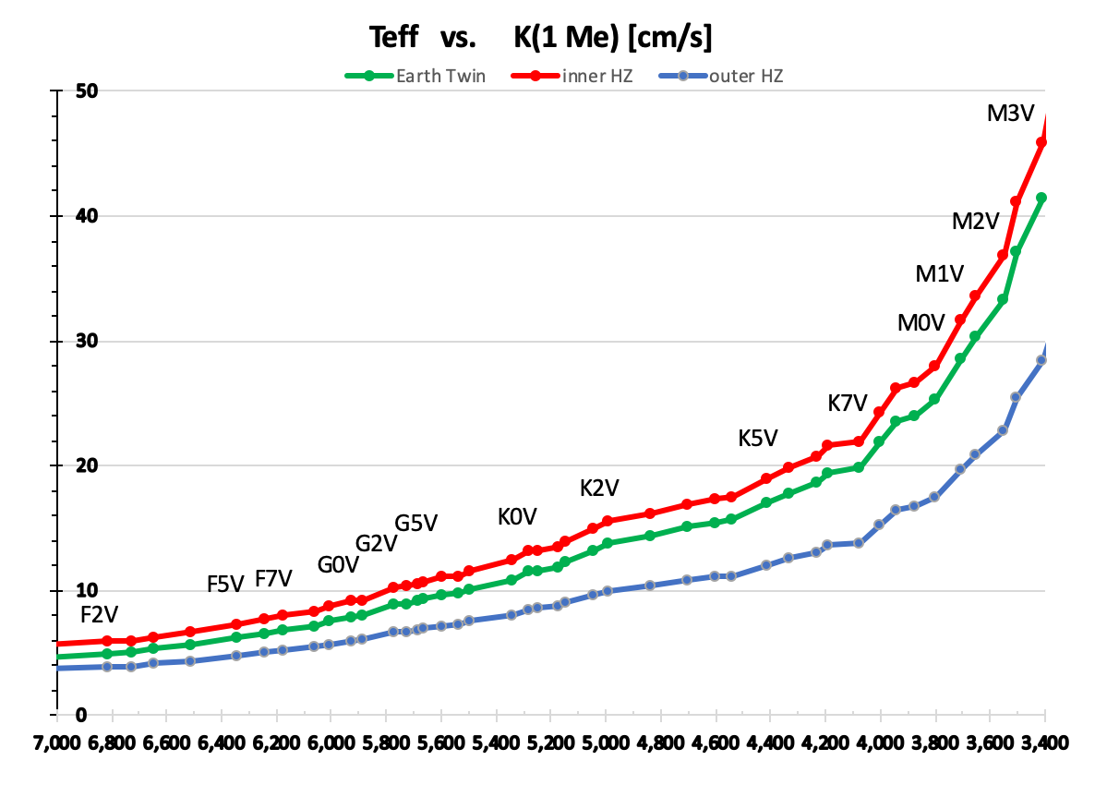
Published RV amplitude uncertainties vs. logR'HK
logR'HK | sigma(K) [m/s]
-4.71 | 16
-4.7 | 2.97
-4.74 | 33
-5.04 | 0.52
-5.04 | 0.45
-5.04 | 0.45
-4.94 | 1.45
-4.88 | 2.1
-5.01 | 3.7
-4.63 | 2.2
-4.65 | 5.2
-4.79 | 1.8
-4.91 | 1.5
-5.24 | 1.7
-5.24 | 1.2
-5 | 1.5
-4.44 | 4
-4.78 | 6.1
-5.02 | 0.7
-4.93 | 2.21
-4.74 | 4.6
-4.9 | 3.6
-5.07 | 1.8
-5 | 0.7
-5.02 | 3.79
-5.02 | 1.08
-5.08 | 3.3
-5.08 | 2.3
-5.06 | 2
-5 | 1.8
-5.04 | 2.2
-5.02 | 0.59
-5.02 | 0.13
-5.02 | 2.3
-5.02 | 0.4
-4.93 | 0.3
-5 | 2
-4.95 | 5
-4.96 | 1.3
-4.96 | 1.1
-4.93 | 2.4
-5.11 | 2
-4.61 | 6.3
-5.07 | 3.6
-5.07 | 0.9
-4.66 | 2.3
-5.04 | 2
-4.97 | 0.26
-4.97 | 1.4
-4.97 | 0.8
-4.98 | 0.15
-4.98 | 0.1
-4.98 | 0.1
-4.98 | 0.09
-4.93 | 0.25
-5.04 | 0.245
-5.04 | 0.38
-5.04 | 0.186
-5.04 | 0.169
-5.04 | 0.173
-5.04 | 0.154
-4.94 | 1.1
-4.95 | 2.2
-5.23 | 0.71
-5.17 | 0.9
-5.17 | 0.59
-5.17 | 0.5
-5.17 | 0.47
-5.02 | 2.2
-5.02 | 1
-5.02 | 0.8
-5.04 | 3.7
-5.09 | 4.2
-5.16 | 0.59
-5.16 | 0.39
-5.05 | 2.33
-5.05 | 0.89
-5.04 | 0.98
-5.04 | 0.46
-5.04 | 0.47
-5.04 | 0.48
-5.04 | 0.5
-5.04 | 1.4
-5.05 | 0.4
-5.01 | 2.3
-4.95 | 0.24
-4.95 | 0.22
-5.06 | 4.8
-5.06 | 20
-5.08 | 1.3
-5.04 | 0.43
-5.04 | 0.8
-5.04 | 0.33
-5.04 | 0.29
-5.09 | 1.5
-4.51 | 0.2
-5.09 | 2.7
-4.74 | 2.9
-5.05 | 0.53
-5.09 | 0.51
-5.09 | 0.5
-5.12 | 0.618
-5.12 | 0.91
-5.09 | 0.3
-5.09 | 0.2
-5.08 | 0.7
-5.08 | 1.1
-5.08 | 1.6
-5.08 | 1.8
-4.95 | 0.23
-4.95 | 0.23
-5.03 | 1.5
-5.03 | 0.45
-5 | 0.41
-5.09 | 1.1
-5.09 | 0.97
-5.08 | 0.28
-5.08 | 0.25
-4.83 | 0.45
-4.94 | 0.29
-4.86 | 1.66
-5.11 | 0.8
-5.05 | 0.3
-5.05 | 1.2
-5.03 | 1.4
-5.08 | 0.69
-5.11 | 0.9
-5.02 | 1.3
-4.98 | 1
-4.94 | 6.4
-4.97 | 2
-5.04 | 0.39
-5.04 | 0.23
-5.04 | 0.23
-5.06 | 2.2
-5.06 | 0.8
-4.91 | 1.78
-5.09 | 1.9
-5.11 | 3.7
-5.11 | 3.7
-5.03 | 0.17
-5.03 | 0.15
-5.06 | 0.5
-4.99 | 0.78
-5.07 | 0.4
-4.52 | 1.8
-5.14 | 0.7
-5.22 | 0.8
-5 | 0.8
-4.84 | 1.7
-5.1 | 1.7
-4.92 | 1.9
-5.14 | 1.1
-5.14 | 1
-5.09 | 5
-4.83 | 0.21
-4.83 | 0.21
-4.83 | 0.2
-4.91 | 1.84
-4.98 | 0.15
-4.98 | 0.07
-4.98 | 0.1
-4.98 | 0.13
-4.92 | 1.5
-4.92 | 0.77
-4.97 | 0.17
-4.97 | 0.16
-5.08 | 0.62
-5.08 | 0.6
-5.18 | 3.707
-5.18 | 2.2
-4.9 | 1.3
-4.9 | 1.2
-4.9 | 0.78
-5.02 | 0.4
-4.91 | 0.7
-4.98 | 2.3
-4.95 | 0.19
-4.95 | 0.16
-4.95 | 0.15
-5.02 | 0.6
-5.06 | 0.33
-5.07 | 0.82
-5.05 | 1.7
-4.91 | 0.15
-4.91 | 0.14
-4.91 | 0.13
-4.96 | 0.74
-5.03 | 2
-4.95 | 0.35
-4.92 | 0.3
-4.9 | 0.1
-4.78 | 2.4
-4.8 | 0.9

