Tips
 | Dialog |  | Qlabel | ERROR | Qwidget |  |  |  |  |  | UTILITY | Qicon | QAbstractButton | Signal &Slot | Qtimer | Qstyle | QMainWindow | QStatusBar | QMenuBar | QToolBar | Qlayout | Event | QGraphicsView | QGraphicsScene | QGraphicsItem | 文字コード

Dialog | DIALOG |  | # Create a Label and set its properties | # Create a Label and set its properties | class SimpleWindow(QWidget): |  |  |  |  |  | TIMER | QIcon() |  | 記述法の違い
Qlabel | class Form(QDialog): |  | appLabel = QLabel() | try: | def __init__(self): |  |  |  |  |  | import time | QIcon(engine) |  | self.connect(timer, SIGNAL("timeout()"), self.updateTime) |  |  |  |  |  |  |  |  |  |  |  | 文字コードの確認
ERROR | def __init__(self, parent=None): |  | appLabel.setText("Hello, PySide!!\n Look at my first app using PySide") | # appLabel = QLabel() | QWidget.__init__(self) |  |  |  |  |  | time.sleep(3) | QIcon(toher) |  | timer.timeout.connect(self.updateTime) |  | Inherited by: QCommonStyle, QWindowsStyle, QPlastiqueStyle |  |  |  |  |  | def keyPressEvent(self, event): |  |  |  | import sys
Qwidget | super(Form, self).__init__(parent) |  | appLabel.setAlignment(Qt.AlignCenter) | appLabel.setText("Hello, PySide!!\n Look at my first app using PySide") | self.setWindowTitle("Simple Window") |  |  |  |  |  |  | QIcon(pixmap) |  |  | Interbal | Inherited by: QCleanlooksStyle, QGtkStyle, QMotifStyle, QCDEStyle |  |  | QMainWindowにメニューバーを追加する | QMainWIndowにツールバーを追加する。 | self.setGeometry(300, 250, 400, 300) | if event.key() == Qt.Key_Escape: |  |  |  | sys.stdin.encode
UTILITY | self.setWindowTitle("My Form") |  | appLabel.setWindowTitle("My First Application") | appLabel.setAlignment(Qt.AlignCenter) | self.setGeometry(300, 300, 200, 150) |  |  |  |  |  | FONT | QIcon(filename) |  | Signal | timer = QTimer(self) |  |  | # ラベルを生成 | def createMenus(self): | 方法はQMenuBarと同じ。 | self.widget = QWidget() | self.close() |  |  |  | sys.stdout.encode
Qicon |  |  | appLabel.setGeometry(300, 300, 250, 175) | appLabel.setWindowTitle("My First Application") | self.setMinimumHeight(100) |  |  |  |  |  | def setFont(self): |  | Inherited by: QCheckBox, QToolButton, QRadioButton, QPushButton, QCommandLinkButton | def connect (receiver) | self.connect(timer, SIGNAL("timeout()"), self.updateTime) |  | class MainWindow(QMainWindow): | self.label = QLabel('Showing Progress') | self.fileMenu = self.menuBar().addMenu("&File") |  | self.setCentralWidget(self.widget) |  |  |  |  | 下がでたらascii
QAbstractBuutton | def main(): |  |  | appLabel.setGeometry(300, 300, 250, 175) | self.setMinimumWidth(250) |  |  |  |  |  | # フォントダイアログを呼び出す | appIcon = QIcon('fifi_icon_125x125.png') |  | def disconnect (receiver) | timer.timeout.connect(self.updateTime) |  | """ Our Main Window Class |  | self.editMenu = self.menuBar().addMenu("&Edit") | self.mainToolBar = self.addToolBar('Main') |  | def mouseDoubleClickEvent(self, event): |  |  |  | AttributeError: 'file' object has no attribute 'encode'
Signal&Slot | form = Form() |  |  | # Show the Label | self.setMaximumHeight(200) |  |  |  |  |  | font, ok = QFontDialog.getFont() | self.setWindowIcon(appIcon) | Slots | def emit (*args) | timer.start(1000) |  | """ | # プログレスバーを作成 | self.helpMenu = self.menuBar().addMenu("&Help") | self.mainToolBar.addAction(self.newAction) | def layoutGridToWidget(self, widget, buttons): | self.close()
Qtimer | form.show() |  |  | appLabel.show() | self.setMaximumWidth(800) |  |  |  |  |  | if ok: | QWidget.setWindowIcon(appIcon) | def animateClick ([msec=100]) | https://srinikom.github.io/pyside-docs/PySide/QtCore/Signal.html?highlight=signal#PySide.QtCore.Signal.connect |  |  | def __init__(self): | self.progressBar = QProgressBar() |  | self.mainToolBar.addSeparator() | self.myLayout = QGridLayout(widget)
Qstyle |  |  |  | # Excute the Application and Exit |  |  |  |  |  |  | QToolTip.setFont(font) |  | def click () |  | def updateTime(self): |  | QMainWindow.__init__(self) | self.progressBar.setMinimum(0) |  | self.mainToolBar.addAction(self.copyAction) | Nx = 10 | def resizeEvent(self, event):
QMainWindow |  |  |  | myApp.exec_() | if __name__ == '__main__': |  |  |  |  |  | else: |  | def setChecked (arg__1) | # Connect SIGNAL & SLOT |  |  | self.setWindowTitle("Main Window") | self.progressBar.setMaximum(100) | QMainWindowにメニューバーを追加するには、QMenuBarオブジェクトを作る必要がある。 | self.mainToolBar.addAction(self.pasteAction) | Ny = 10 | self.infoLabel.setText("Window Resized to QSize(%d, %d)" % (event.size().width(), event.size().height()))
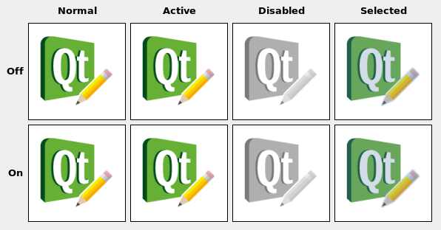
QStatusBar | QMessageBox |  |  | sys.exit() |  |  |  |  |  |  | QToolTip.setFont(QFont("Decorative", 8, QFont.Bold)) |  | def setIconSize (size) | self.roiDial.valueChanged.connect(self.roiSpin.setValue) | currentTime = QDateTime.currentDateTime().toString('hh:mm:ss') | QtのGUIスタイルはいろいろ準備されている。 | self.setGeometry(300, 250, 400, 300) | self.progressBar.setRange(0, 100) | menuBar = QMenuBar() <-これはエラー | self.mainToolBar.addSeparator() | n=0
QMenuBar | def quitApp(self): |  |  | except NameError: | myApp = QApplication(sys.argv) |  |  |  |  |  |  |  | def toggle () | self.roiSpin.valueChanged.connect(self.roiDial.setValue) | self.myTimeDisplay.display(currentTime) | もしコンソールから入力するならば |  |  |  | self.mainToolBar.addAction(self.aboutAction) | for i in range(Nx): | def mouseMoveEvent(self, event):
QToolBar | """ Function to confirm a message from the user |  |  | print("Name Error:", sys.exc_info()[1]) | myWindow = SimpleWindow() |  |  |  |  |  | TOOLTIPS |  |  |  |  | python myapplication.py -style motif | Qt Main Window Framework | # ステータスバーオブジェクトを生成 | 作ったメニューバーに"メニュー"を追加する |  | for j in range(Ny): | self.mouseMoveLabel.setText("Mouse pos to (%d, %d)" % (event.pos().x(), event.pos().y()))
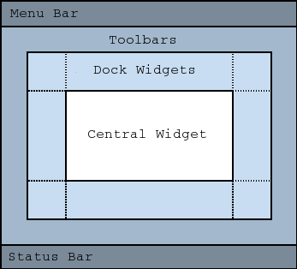
Qlayout | """ |  |  | pass | myWindow.show() |  |  |  |  |  | self.setToolTip('Our Main Window') |  | Signals | self.connect(self.roiDial, SIGNAL("valueChanged(int)"), self.roiSpin.setValue) | Single Shot |  |  | self.myStatusBar = QStatusBar() | 追加方法は3通り | self.newAction = QAction( QIcon('../icon/png/file-2x.png'), '&New', self, | button = QPushButton("Button %d" % n, self)
 | uuserInfo = QMessageBox.question(self, 'Fifi Confirmation', |  |  |  |  |  |  |  |  |  | tooltipsを表示したいオブジェクトにセットするだけ。簡単。 |  | def clicked ([checked=false]) | self.connect(self.roiSpin, SIGNAL("valueChanged(int)"), self.roiDial.setValue) | QTimer.singleShot(200, self.updateCaption) |  |  |  | e.QtGui.QMenuBar.addMenu(icon, title) | shortcut=QKeySequence.New, | self.myLayout.addWidget(button, i, j) | def mouseEvent(self, e):
 | "This will quit the application. Do you want to Continue?", |  |  | try: | myWindow.resize(300, 300) |  |  |  |  |  |  |  | def pressed () | int渡しの部分が気になるが、どちらもちゃんと動いているように見える。 |  | Qapplication.setStyle() |  | # QWidgetにステータスバーオブジェクトを配置 | Parameters: | statusTip="Create a New File", | n += 1 | print e
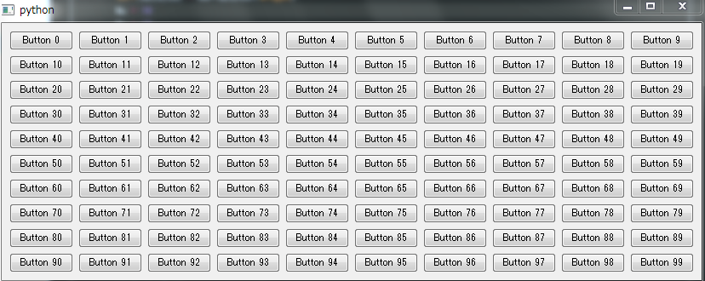
 | QMessageBox.Yes | QMessageBox.No | QMessageBox.ButtonMask) |  |  | myApp = QApplication(sys.argv) | myWindow.setWindowTitle("Simple WIndow Resized") |  |  |  |  |  | WIDGET MOVE TO CENTER |  | def released () |  |  |  |  | self.setStatusBar(self.myStatusBar) | icon – PySide.QtGui.QIcon | triggered=self.newFile)
 | if uuserInfo == QMessageBox.Yes: |  |  | myWindow = SimpleWindow() | myWindow.repaint() |  |  |  |  |  | def center(self): |  | def toggled (checked) |  |  |  |  |  | title – unicode | self.exitAction = QAction( QIcon('../icon/png/power-standby-2x.png'), 'E&xit', self,
 | # self.quit() |  |  | myWindow.show() |  |  |  |  |  |  | qRect = self.frameGeometry() |  |  | カスタムSIGNAL |  |  |  | # ステータスバーに各オブジェクトを配置 | Return type: | shortcut="Ctrl+Q",
 | print 'quit' |  |  | myApp.exec_() | icon |  |  |  |  |  | centerPoint = QDesktopWidget().availableGeometry().center() |  |  |  |  |  |  | self.myStatusBar.addWidget(self.statusLabel, 1) | PySide.QtGui.QMenu | statusTip="Exit the Application",
 |  |  |  | sys.exit(0) | appIcon = QIcon('fifi_icon_125x125.png') |  |  |  |  |  | qRect.moveCenter(centerPoint) |  |  | class MyWidget(QWidget): |  |  |  | self.myStatusBar.addWidget(self.progressBar, 2) |  | triggered=self.exitFile)
 | Constant | Description |  | except NameError: | self.setWindowIcon(appIcon) |  |  |  |  |  | self.move(qRect.topLeft()) |  |  | # self.mySignalだとエラーになる。 |  |  |  |  | PySide.QtGui.QMenuBar.addMenu(title) | self.copyAction = QAction( QIcon('../icon/png/layers-2x.png'), 'C&opy', self,
 | QMessageBox.Ok | An “OK” button defined with the AcceptRole . |  | print("Name Error:", sys.exc_info()[1]) |  |  |  |  |  |  |  | class SimpleWindow(QWidget): |  | mySignal = Signal() |  |  |  | # QWidgetのステータスバー領域にQStatusBarオブジェクトをセットする | Parameters: title – unicode | shortcut="Ctrl+C",
 | QMessageBox.Open | A “Open” button defined with the AcceptRole . |  | except SystemExit: |  |  |  |  |  |  |  | def __init__(self): |  |  |  |  |  | self.setStatusBar(self.myStatusBar) | Return type: PySide.QtGui.QMenu | statusTip="Copy",
 | QMessageBox.Save | A “Save” button defined with the AcceptRole . |  | print("Closing Window...") |  |  |  |  |  |  |  | QWidget.__init__(self) |  | def __init__(self): |  |  |  |  |  | triggered=self.textEdit.copy)
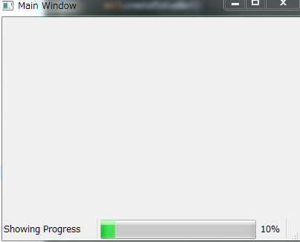
 | QMessageBox.Cancel | A “Cancel” button defined with the RejectRole . |  | except Exception: | QKeySequence |  |  |  |  |  |  | self.setWindowTitle("Simple Window") |  | QWidget.__init__(self) |  |  |  |  | PySide.QtGui.QMenuBar.addMenu(menu) | self.pasteAction = QAction( QIcon('../icon/png/lightbulb-2x.png'), '&Pasete', self,
 | QMessageBox.Close | A “Close” button defined with the RejectRole . |  | print(sys.exc_info()[1]) |  |  |  |  |  |  |  | self.setGeometry(300, 300, 200, 150) |  |  |  |  |  |  | Parameters: menu – PySide.QtGui.QMenu | shortcut="Ctrl+V",
 | QMessageBox.Discard | A “Discard” or “Don’t Save” button, depending on the platform, defined with the DestructiveRole . |  |  | QKeySequence.Copy |  |  |  |  |  |  | self.setMinimumHeight(100) |  |  |  |  |  |  | Return type: PySide.QtGui.QAction | statusTip="Paste", | def layoutQVToWidget(self, widget, buttons):
 | QMessageBox.Apply | An “Apply” button defined with the ApplyRole . |  |  |  |  |  |  |  |  |  | self.setMinimumWidth(250) |  |  |  |  |  |  | 上の二つは、表示名か、iconを指定することで、勝手にQmenuを作成し、追加してくれる | triggered=self.textEdit.paste) | self.myLayout = QVBoxLayout(widget)
 | QMessageBox.Reset | A “Reset” button defined with the ResetRole . |  |  | Standard Shortcuts |  |  |  |  |  |  | self.setMaximumHeight(200) |  | class NodeLayout(QGridLayout): |  |  |  |  |  | self.aboutAction = QAction( QIcon('../icon/png/print-2x.png'), 'A&bout', self, | [self.myLayout.addWidget(button) for button in buttons]
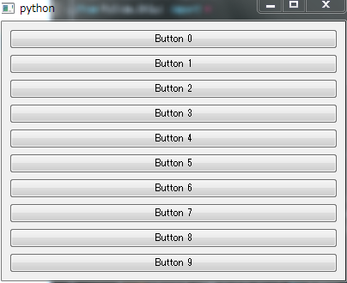
 | QMessageBox.RestoreDefaults | A “Restore Defaults” button defined with the ResetRole . |  |  |  |  |  |  |  |  |  | self.setMaximumWidth(800) |  |  |  |  |  |  | 使い方 | statusTip="Displays info about text editor",
 | QMessageBox.Help | A “Help” button defined with the HelpRole . |  |  | QKeySequence.StandardKey | Windows | Mac OS X | KDE | GNOME | S60 |  |  |  | updated = Signal(int, int, int) #(node index, parameter, new value) |  |  |  |  | self.fileMenu = self.menuBar().addMenu("&File") | triggered=self.aboutHelp)
 | QMessageBox.SaveAll | A “Save All” button defined with the AcceptRole . |  |  | HelpContents | F1 | Ctrl+? | F1 | F1 | F2 |  | def setIcon(self): |  | enabled = Signal(int) #node index |  |  | Status bar |  | self.editMenu = self.menuBar().addMenu("&Edit")
 | QMessageBox.Yes | A “Yes” button defined with the YesRole . |  |  | WhatsThis | Shift+F1 | Shift+F1 | Shift+F1 | Shift+F1 | Shift+F1 |  | """ Function set Icon |  |  |  |  |  |  | self.helpMenu = self.menuBar().addMenu("&Help")
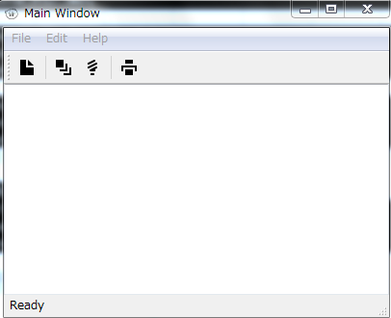
 | QMessageBox.YesToAll | A “Yes to All” button defined with the YesRole . |  |  | Open | Ctrl+O | Ctrl+O | Ctrl+O | Ctrl+O | (none) |  | """ |  | def freqChanged(self):
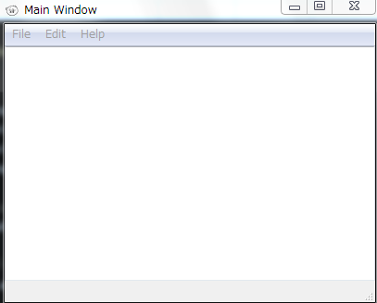
 | QMessageBox.No | A “No” button defined with the NoRole . |  |  | Close | Ctrl+F4, Ctrl+W | Ctrl+W, Ctrl+F4 | Ctrl+W | Ctrl+W | (none) |  | appIcon = QIcon('icon_72px.png') |  | self.updated.emit(self.index, Params.F, 0)
 | QMessageBox.NoToAll | A “No to All” button defined with the NoRole . |  |  | Save | Ctrl+S | Ctrl+S | Ctrl+S | Ctrl+S | (none) |  | self.setWindowIcon(appIcon)
 | QMessageBox.Abort | An “Abort” button defined with the RejectRole . |  |  | Quit |  | Ctrl+Q | Qtrl+Q | Qtrl+Q | (none) |  |  |  |  |  |  |  | def showProgress(self):
 | QMessageBox.Retry | A “Retry” button defined with the AcceptRole . |  |  | SaveAs |  | Ctrl+Shift+S |  | Ctrl+Shift+S | (none) |  | def setIconModes(self): |  |  |  |  |  | while(self.progressBar.value() < self.progressBar.maximum()):
 | QMessageBox.Ignore | An “Ignore” button defined with the AcceptRole . |  |  | New | Ctrl+N | Ctrl+N | Ctrl+N | Ctrl+N | (none) |  | width = 50 |  |  |  |  |  | self.progressBar.setValue(self.progressBar.value() + 10)
 | QMessageBox.NoButton | An invalid button. |  |  | Delete | Del | Del, Meta+D | Del, Ctrl+D | Del, Ctrl+D | Del |  | height = 50 |  |  |  |  |  | print 'progress'
 |  |  |  |  | Cut | Ctrl+X, Shift+Del | Ctrl+X | Ctrl+X, F20, Shift+Del | Ctrl+X, F20, Shift+Del | Ctrl+X |  | space = 10 |  |  |  |  |  | time.sleep(2)
 | The following values are obsolete: |  |  |  | Copy | Ctrl+C, Ctrl+Ins | Ctrl+C | Ctrl+C, F16, Ctrl+Ins | Ctrl+C, F16, Ctrl+Ins | Ctrl+C |  | myIcon1 = QIcon('icon_72px.png') |  |  |  |  |  | self.statusLabel.setText('Ready ')
 |  |  |  |  | Paste | Ctrl+V, Shift+Ins | Ctrl+V | Ctrl+V, F18, Shift+Ins | Ctrl+V, F18, Shift+Ins | Ctrl+V |  | myLabel1 = QLabel('sample', self)
 | Constant | Description |  |  | Preferences |  | Ctrl+, |  |  | (none) |  | pixmap1 = myIcon1.pixmap(width,height,QIcon.Active, QIcon.On) |  |  |  |  |  |  | Qaction |  | def layoutQHToWidget(self, widget, buttons):
 | QMessageBox.YesAll | Use YesToAll instead. |  |  | Undo | Ctrl+Z, Alt+Backspace | Ctrl+Z | Ctrl+Z, F14 | Ctrl+Z, F14 | Ctrl+Z |  | myLabel1.setPixmap(pixmap1) |  |  |  |  |  |  | Qmenuオブジェクトの中にある、コマンドたちは |  | self.myLayout = QHBoxLayout(widget)
 | QMessageBox.NoAll | Use NoToAll instead. |  |  | Redo | Ctrl+Y, Shift+Ctrl+Z, Alt+Shift+Backspace | Ctrl+Shift+Z, Ctrl+Y | Ctrl+Shift+Z | Ctrl+Shift+Z | (none) |  |  |  |  |  |  |  |  | Qactionと呼ばれている。 |  | [self.myLayout.addWidget(button) for button in buttons]
 | QMessageBox.Default |  |  |  | Back | Alt+Left, Backspace | Ctrl+[ | Alt+Left | Alt+Left | (none) |  | myIcon2 = QIcon('icon_72px.png') |  |  |  |  |  |  | File > NewとかFile > exitとか。
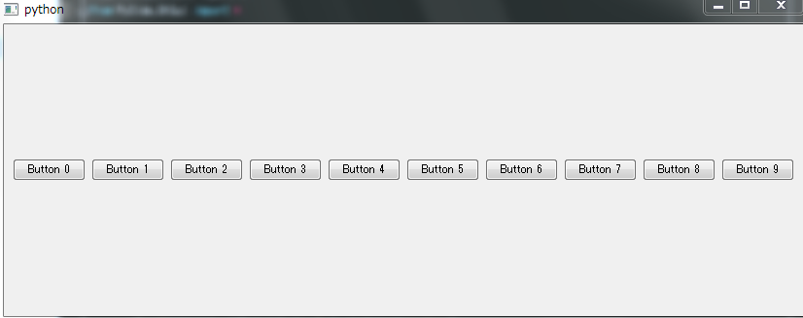
 | QMessageBox.Escape | Call PySide.QtGui.QMessageBox.setEscapeButton() instead. |  |  | Forward | Alt+Right, Shift+Backspace | Ctrl+] | Alt+Right | Alt+Right | (none) |  | myLabel2 = QLabel('sample', self) |  |  |  |  |  |  | これは、Qactionとしてつくる
 | QMessageBox.FlagMask |  |  |  | Refresh | F5 | F5 | F5 | Ctrl+R, F5 | (none) |  | pixmap2 = myIcon2.pixmap(width,height,QIcon.Disabled, QIcon.Off)
 | QMessageBox.ButtonMask |  |  |  | ZoomIn | Ctrl+Plus | Ctrl+Plus | Ctrl+Plus | Ctrl+Plus | (none) |  | myLabel2.setPixmap(pixmap2) |  |  |  |  |  |  | QMainWindowにメニューバーを追加する
 |  |  |  |  | ZoomOut | Ctrl+Minus | Ctrl+Minus | Ctrl+Minus | Ctrl+Minus | (none) |  | myLabel2.move(width + space, 0) |  |  |  |  |  |  | self.fileMenu = self.menuBar().addMenu("&File")
 |  |  |  |  | Print | Ctrl+P | Ctrl+P | Ctrl+P | Ctrl+P | (none) |  |  |  |  |  |  |  |  | Qactionを生成
 |  |  |  |  | AddTab | Ctrl+T | Ctrl+T | Ctrl+Shift+N, Ctrl+T | Ctrl+T | (none) |  | myIcon3 = QIcon('icon_72px.png') |  |  |  |  |  |  | self.newAction = QAction( QIcon('new.png'), '&New', self,
 | Qdialog |  |  |  | NextChild | Ctrl+Tab, Forward, Ctrl+F6 | Ctrl+}, Forward, Ctrl+Tab | Ctrl+Tab, Forward, Ctrl+Comma | Ctrl+Tab, Forward | (none) |  | myLabel3 = QLabel('sample', self) |  |  |  |  |  |  | shortcut=QKeySequence.New,
 | https://srinikom.github.io/pyside-docs/PySide/QtGui/QMessageBox.html?highlight=qmessagebox#PySide.QtGui.PySide.QtGui.QMessageBox.critical |  |  |  | PreviousChild | Ctrl+Shift+Tab, Back, Ctrl+Shift+F6 | Ctrl+{, Back, Ctrl+Shift+Tab | Ctrl+Shift+Tab, Back, Ctrl+Period | Ctrl+Shift+Tab, Back | (none) |  | pixmap3 = myIcon3.pixmap(width,height,QIcon.Selected, QIcon.On) |  |  |  |  |  |  | statusTip="Create a New File",
 |  |  |  |  | Find | Ctrl+F | Ctrl+F | Ctrl+F | Ctrl+F | (none) |  | myLabel3.setPixmap(pixmap3) |  |  |  |  |  |  | triggered=self.newFile) <-コールバック
 |  |  |  |  | FindNext | F3, Ctrl+G | Ctrl+G | F3 | Ctrl+G, F3 | (none) |  | myLabel3.move(2*width + 2*space, 0) |  |  |  |  |  |  | QmenuにQactionを追加 |  | def setFormLayout(self, widget):
 | QMessageBox.critical(self, 'critical', 'QMessageBox.critical', QMessageBox.Yes, QMessageBox.No) |  |  |  | FindPrevious | Shift+F3, Ctrl+Shift+G | Ctrl+Shift+G | Shift+F3 | Ctrl+Shift+G, Shift+F3 | (none) |  | Qlabelの中身を、Iconに変える。 |  |  |  |  |  |  | self.fileMenu.addAction(self.newAction) |  | formLayout = QFormLayout(widget)
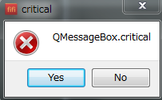
 |  |  |  |  | Replace | Ctrl+H | (none) | Ctrl+R | Ctrl+H | (none) |  |  |  |  |  |  |  |  | コールバック関数 |  | labelUsername = QLabel("Username")
 |  |  |  |  | SelectAll | Ctrl+A | Ctrl+A | Ctrl+A | Ctrl+A | (none) |  |  |  |  |  |  |  |  | def newFile(self): |  | txtUsername = QLineEdit()
 |  |  |  |  | Bold | Ctrl+B | Ctrl+B | Ctrl+B | Ctrl+B | (none) |  |  |  |  |  |  |  |  | self.textEdit.setText('') |  | labelPassword = QLabel("Password")
 |  |  |  |  | Italic | Ctrl+I | Ctrl+I | Ctrl+I | Ctrl+I | (none) |  |  |  |  |  |  |  |  |  |  | txtPassword = QLineEdit()
 |  |  |  |  | Underline | Ctrl+U | Ctrl+U | Ctrl+U | Ctrl+U | (none) |  |  |  |  |  |  |  |  |  |  | formLayout.addRow(labelUsername, txtUsername)
 |  |  |  |  | MoveToNextChar | Right | Right | Right | Right | Right |  |  |  |  |  |  |  |  |  |  | formLayout.addRow(labelPassword, txtPassword)
 |  |  |  |  | MoveToPreviousChar | Left | Left | Left | Left | Left
 |  |  |  |  | MoveToNextWord | Ctrl+Right | Alt+Right | Ctrl+Right | Ctrl+Right | Ctrl+Right |  |  |  |  |  |  |  |  |  |  | self.setLayout(formLayout)
 |  |  |  |  | MoveToPreviousWord | Ctrl+Left | Alt+Left | Ctrl+Left | Ctrl+Left | Ctrl+Left
 | QMessageBox.about(self, 'about', 'QMessageBox.about') |  |  |  | MoveToNextLine | Down | Down | Down | Down | Down
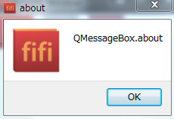
 |  |  |  |  | MoveToPreviousLine | Up | Up | Up | Up | Up
 |  |  |  |  | MoveToNextPage | PgDown | PgDown, Alt+PgDown, Meta+Down, Meta+PgDown | PgDown | PgDown | PgDown
 |  |  |  |  | MoveToPreviousPage | PgUp | PgUp, Alt+PgUp, Meta+Up, Meta+PgUp | PgUp | PgUp | PgUp
 |  |  |  |  | MoveToStartOfLine | Home | Ctrl+Left, Meta+Left | Home | Home | Home
 |  |  |  |  | MoveToEndOfLine | End | Ctrl+Right, Meta+Right | End | End | End
 |  |  |  |  | MoveToStartOfBlock | (none) | Alt+Up, Meta+A | (none) | (none) | (none)
 |  |  |  |  | MoveToEndOfBlock | (none) | Alt+Down, Meta+E | (none) | (none) | (none) |  |  |  |  |  |  |  |  |  |  | self.myGridLayout.addWidget(self.amtLabel, 0, 0)
 |  |  |  |  | MoveToStartOfDocument | Ctrl+Home | Ctrl+Up, Home | Ctrl+Home | Ctrl+Home | Ctrl+Home |  |  |  |  |  |  |  |  |  |  | self.myGridLayout.addWidget(self.roiLabel, 1, 0)
 |  |  |  |  | MoveToEndOfDocument | Ctrl+End | Ctrl+Down, End | Ctrl+End | Ctrl+End | Ctrl+End |  |  |  |  |  |  |  |  |  |  | self.myGridLayout.addWidget(self.yrsLabel, 2, 0)
 |  |  |  |  | SelectNextChar | Shift+Right | Shift+Right | Shift+Right | Shift+Right | Shift+Right |  |  |  |  |  |  |  |  |  |  | self.myGridLayout.addWidget(self.amtText, 0, 1)
 | QMessageBox.aboutQt(self, 'aboutQt') |  |  |  | SelectPreviousChar | Shift+Left | Shift+Left | Shift+Left | Shift+Left | Shift+Left |  |  |  |  |  |  |  |  |  |  | self.myGridLayout.addWidget(self.roiSpin, 1, 1)
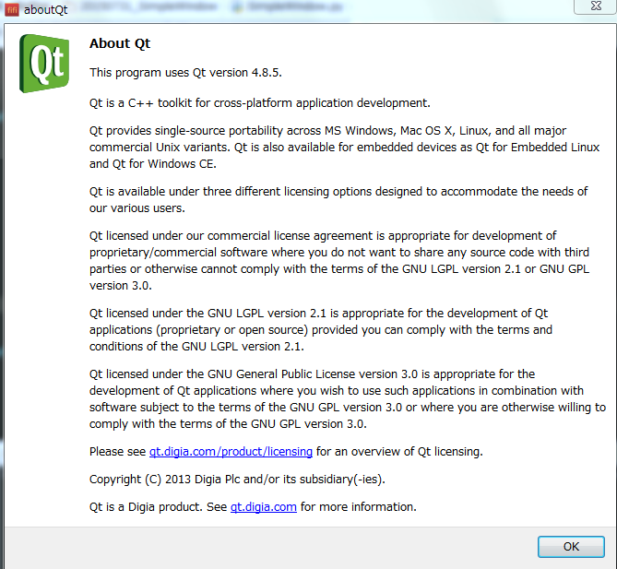
 |  |  |  |  | SelectNextWord | Ctrl+Shift+Right | Alt+Shift+Right | Ctrl+Shift+Right | Ctrl+Shift+Right | Ctrl+Shift+Right |  |  |  |  |  |  |  |  |  |  | self.myGridLayout.addWidget(self.yrsSpin, 2, 1)
 |  |  |  |  | SelectPreviousWord | Ctrl+Shift+Left | Alt+Shift+Left | Ctrl+Shift+Left | Ctrl+Shift+Left | Ctrl+Shift+Left |  |  |  |  |  |  |  |  |  |  | self.myGridLayout.addWidget(self.roiDial, 1, 2)
 |  |  |  |  | SelectNextLine | Shift+Down | Shift+Down | Shift+Down | Shift+Down | Shift+Down |  |  |  |  |  |  |  |  |  |  | self.myGridLayout.addWidget(self.yrsSlide, 2, 2)
 |  |  |  |  | SelectPreviousLine | Shift+Up | Shift+Up | Shift+Up | Shift+Up | Shift+Up |  |  |  |  |  |  |  |  |  |  | self.myGridLayout.addWidget(self.calculateBuutton, 3, 0, 1, 3)
 |  |  |  |  | SelectNextPage | Shift+PgDown | Shift+PgDown | Shift+PgDown | Shift+PgDown | Shift+PgDown |  |  |  |  |  |  |  |  |  |  | self.myGridLayout.addWidget(self.emiLabel, 4, 1)
 |  |  |  |  | SelectPreviousPage | Shift+PgUp | Shift+PgUp | Shift+PgUp | Shift+PgUp | Shift+PgUp |  |  |  |  |  |  |  |  |  |  | self.myGridLayout.addWidget(self.emiValue, 4, 2)
 |  |  |  |  | SelectStartOfLine | Shift+Home | Ctrl+Shift+Left | Shift+Home | Shift+Home | Shift+Home |  |  |  |  |  |  |  |  |  |  | Gridレイアウトのサイズ部分は(行番号, 列番号, 行数, 列数)である。
 |  |  |  |  | SelectEndOfLine | Shift+End | Ctrl+Shift+Right | Shift+End | Shift+End | Shift+End |  |  |  |  |  |  |  |  |  |  | 行数列数は、{1~n}なので注意
 |  |  |  |  | SelectStartOfBlock | (none) | Alt+Shift+Up, Meta+Shift+A | (none) | (none) | (none)
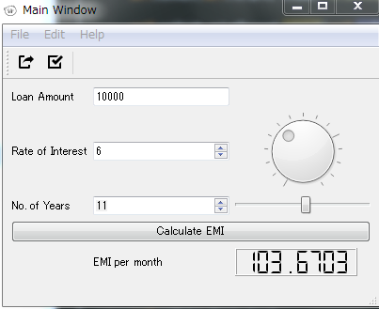
 |  |  |  |  | SelectEndOfBlock | (none) | Alt+Shift+Down, Meta+Shift+E | (none) | (none) | (none)
 |  |  |  |  | SelectStartOfDocument | Ctrl+Shift+Home | Ctrl+Shift+Up, Shift+Home | Ctrl+Shift+Home | Ctrl+Shift+Home | Ctrl+Shift+Home
 |  |  |  |  | SelectEndOfDocument | Ctrl+Shift+End | Ctrl+Shift+Down, Shift+End | Ctrl+Shift+End | Ctrl+Shift+End | Ctrl+Shift+End
 |  |  |  |  | DeleteStartOfWord | Ctrl+Backspace | Alt+Backspace | Ctrl+Backspace | Ctrl+Backspace | (none)
 | QMessageBox.information(self, 'information', 'QMessageBox.information') |  |  |  | DeleteEndOfWord | Ctrl+Del | (none) | Ctrl+Del | Ctrl+Del | (none)
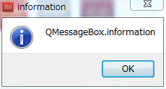
 |  |  |  |  | DeleteEndOfLine | (none) | (none) | Ctrl+K | Ctrl+K | (none)
 |  |  |  |  | InsertParagraphSeparator | Enter | Enter | Enter | Enter | (none)
 |  |  |  |  | InsertLineSeparator | Shift+Enter | Meta+Enter | Shift+Enter | Shift+Enter | (none)

 | QMessageBox.warning(self, 'warning', 'QMessageBox.warning')
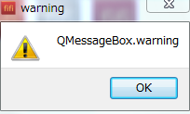

 | Dialog Button
 | self.setAboutButton()

 | def setAboutButton(self):
 | """Function to set About Button
 | """
 | def showAbout():
 | QMessageBox.about(self.aboutButton, "About", "QMessageBox.about")

 | self.aboutButton = QPushButton("About", self)
 | self.aboutButton.move(50, 100)
 | self.aboutButton.clicked.connect(showAbout)
 | ボタンを押すとダイアログを表示する

code
FileLoadDLg.py | FIrstPySideApplication | SimpleTextEditor.py | MasterOfMainWindow.py
#! coding:utf-8 | #! coding:utf-8 | #! encoding:utf-8 | #! encoding:utf-8
""" |  | """ | """
FileLoadDlg | import sys | SimpleMainWindow.py | MasterOfMainWindow.py
 | from PySide.QtCore import Qt
ファイルをロードしファイル名を表示するアプリケーション | from PySide.QtGui import QApplication, QLabel | """ | """
""" |  | import sys | import sys
 | # Main Function | import time | import time
 | if __name__ == "__main__": | from PySide.QtCore import * | from PySide.QtCore import *
import sys |  | from PySide.QtGui import * | from PySide.QtGui import *
from PySide import QtGui, QtCore | # Create the main application
 | myApp = QApplication(sys.argv) | class MainWindow(QMainWindow):
class SimpleFileLoader(QtGui.QWidget): |  | """ Our Main Window Class | class MasterOfMainWindow(QMainWindow):
 | # Create a Label and set its properties | """ | """ Our Main Window Class
def __init__(self): | appLabel = QLabel() | def __init__(self): | """
super(SimpleFileLoader, self).__init__() | appLabel.setText("Hello, PySide!!\n Look at my first app using PySide") | QMainWindow.__init__(self) | def __init__(self):
self.setAcceptDrops(True) | appLabel.setAlignment(Qt.AlignCenter) | self.setWindowTitle("Main Window") | QMainWindow.__init__(self)
 | appLabel.setWindowTitle("My First Application") | self.setGeometry(300, 250, 400, 300) | # MainWindowの基本設定
self.setupUI() | appLabel.setGeometry(300, 300, 250, 175) | self.setWindowIcon(QIcon('./icon/icon_fifi.png')) | self.setWindowTitle("Main Window")
self.setupEvent() |  |  | self.setGeometry(300, 250, 400, 300)
 | # Show the Label | self.textEdit = QTextEdit() | self.setWindowIcon(QIcon('./icon/icon_fifi.png'))
############################################## | appLabel.show() | self.setCentralWidget(self.textEdit)
# UIの作成 |  |  | # メンバ変数の定義
############################################## | # Excute the Application and Exit | self.fileName = None | self.fileName = None
def setupUI(self): | myApp.exec_() | self.filters = "Text files (*.txt)"
 | sys.exit() |  | # UIの生成
self.load_btn = QtGui.QPushButton('Load', self) |  |  | self.setupUI()
self.load_btn.move(20,10) |  | def setupComponents(self):
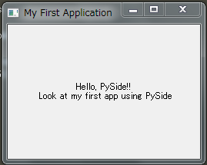
 |  | # ステータスバーオブジェクトたちを生成 | def setupUI(self):
self.fname_label = QtGui.QLabel('no file__________________________________________________________', self) |  | self.myStatusBar = QStatusBar() | # メインバーの生成
self.fname_label.move(100, 10) |  | self.setStatusBar(self.myStatusBar) | self.setupComponents()
 |  | self.myStatusBar.showMessage('Ready', 10000)
self.setGeometry(300, 300, 640, 80) |  |  | # 子ウィジェットの生成
# self.setWindowTitle('SimpleFileLoader') |  | # アクションとメニューを追加 | # self.textEdit = QTextEdit()
self.show() |  | self.createActions() | # self.setCentralWidget(self.textEdit)
 |  | self.createMenus() | self.widget = QWidget()
############################################## |  | self.createToolBar() | self.setCentralWidget(self.widget)
# シグナル・スロットの作成 |  |  | # 子ウィジェットの生成
############################################## |  | def createActions(self): | self.amtLabel = QLabel('Loan Amount')
def setupEvent(self): |  | self.newAction = QAction( QIcon('./icon/file-2x.png'), '&New', self, | self.roiLabel = QLabel('Rate of Interest')
self.load_btn.clicked.connect(self.openFileDialog) |  | shortcut=QKeySequence.New, | self.yrsLabel = QLabel('No. of Years')
pass |  | statusTip="Create a New File", | self.emiLabel = QLabel('EMI per month')
 |  | triggered=self.newFile) | self.emiValue = QLCDNumber()
############################################## |  |  | # ----
# サブ関数 |  | self.openAction = QAction( QIcon('./icon/share-boxed-2x.png'), 'Open', self, | self.emiValue.setSegmentStyle(QLCDNumber.Flat)
############################################## |  | shortcut = QKeySequence.Open, | self.emiValue.setFixedSize(QSize(130, 30))
def openFileDialog(self): |  | statusTip= 'Open an existing file', | self.emiValue.setDigitCount(8)
fname, filt = QtGui.QFileDialog.getOpenFileName(self, 'Open file', '/home', 'Wave Files (*.wav);; All Files (*)') |  | triggered=self.openFile) | # ----
print 'openFileDialog loadfile', str(fname) |  |  | self.amtText = QLineEdit('10000')
 |  | self.saveAction = QAction( QIcon('./icon/task-2x.png'), 'Save', self, | # ----
self.cahangeFilePath(fname) |  | shortcut = QKeySequence.Save, | self.roiSpin = QSpinBox()
 |  | statusTip= 'Save file', | self.roiSpin.setMinimum(1)
def dragEnterEvent(self, event): |  | triggered=self.saveFile) | self.roiSpin.setMaximum(15)
"""ドラッグイベントの検知 |  |  | # ----
""" |  | self.exitAction = QAction( QIcon('./icon/power-standby-2x.png'), 'E&xit', self, | self.yrsSpin = QSpinBox()
print 'dragEnterEvent' |  | shortcut="Ctrl+Q", | self.yrsSpin.setMinimum(1)
if event.mimeData().hasUrls(): |  | statusTip="Exit the Application", | self.yrsSpin.setMaximum(20)
event.accept() |  | triggered=self.exitFile) | # ----
else: |  |  | self.roiDial = QDial()
event.ignore() |  | self.cutAction = QAction( QIcon('./icon/layers-2x.png'), 'Cut', self, | self.roiDial.setNotchesVisible(True)
 |  | shortcut=QKeySequence.Cut, | self.roiDial.setMinimum(1)
def dropEvent(self, event): |  | statusTip="Cut ", | self.roiDial.setMaximum(15)
"""ドロップイベントの検知 |  | triggered=self.textEdit.cut) | self.roiDial.setValue(1)
..Todo: フォルダ内ファイルの読み込み対応 |  |  | # ----
""" |  | self.copyAction = QAction( QIcon('./icon/copywriting-2x.png'), 'C&opy', self, | self.yrsSlide = QSlider(Qt.Horizontal)
print 'dropEvent' |  | shortcut="Ctrl+C", | self.yrsSlide.setMaximum(20)
files = [unicode(u.toLocalFile()) for u in event.mimeData().urls()] |  | statusTip="Copy", | self.yrsSlide.setMinimum(1)
for fname in files: |  | triggered=self.textEdit.copy) | # ----
print type(fname) |  |  | self.calculateBuutton = QPushButton('Calculate EMI')
print 'dropEvent', str(fname) |  | self.pasteAction = QAction( QIcon('./icon/excerpt-2x.png'), '&Pasete', self, | # ----
 |  | shortcut="Ctrl+V", | self.myGridLayout = QGridLayout(self.widget)
self.cahangeFilePath(fname) |  | statusTip="Paste", | # ----
 |  | triggered=self.textEdit.paste) | self.myGridLayout.addWidget(self.amtLabel, 0, 0)
def cahangeFilePath(self, filepath): |  |  | self.myGridLayout.addWidget(self.roiLabel, 1, 0)
self.filePath = filepath |  | self.selectAllAction = QAction( QIcon('./icon/lightbulb-2x.png'), 'Select All', self, | self.myGridLayout.addWidget(self.yrsLabel, 2, 0)
if not isinstance(filepath, unicode): |  | statusTip="Select All", | self.myGridLayout.addWidget(self.amtText, 0, 1)
filepath = unicode(filepath) |  | triggered=self.textEdit.selectAll) | self.myGridLayout.addWidget(self.roiSpin, 1, 1)
self.loaded_fname = filepath |  |  | self.myGridLayout.addWidget(self.yrsSpin, 2, 1)
self.fname_label.setText(self.loaded_fname) |  | self.redoAction = QAction( QIcon('./icon/action-redo-2x.png'), 'Redo', self, | self.myGridLayout.addWidget(self.roiDial, 1, 2)
 |  | shortcut=QKeySequence.Redo, | self.myGridLayout.addWidget(self.yrsSlide, 2, 2)
 |  | statusTip="Redo", | self.myGridLayout.addWidget(self.calculateBuutton, 3, 0, 1, 3)
 |  | triggered=self.textEdit.redo) | self.myGridLayout.addWidget(self.emiLabel, 4, 1)
def main(): |  | self.undoAction = QAction( QIcon('./icon/action-undo-2x.png'), 'Undo', self, | self.myGridLayout.addWidget(self.emiValue, 4, 2)
app = QtGui.QApplication(sys.argv) |  | shortcut=QKeySequence.Undo,
w = SimpleFileLoader() |  | statusTip="Undo", | # ----
sys.exit(app.exec_()) |  | triggered=self.textEdit.undo) | # Connect SIGNAL & SLOT
 |  | self.fontAction = QAction( QIcon('./icon/text-2x.png'), 'F&ont', self, | self.roiDial.valueChanged.connect(self.roiSpin.setValue)
if __name__ == '__main__': |  | statusTip="Modify font properties", | self.roiSpin.valueChanged.connect(self.roiDial.setValue)
main() |  | triggered=self.fontChange)
 |  | self.aboutAction = QAction( QIcon('./icon/print-2x.png'), 'A&bout', self, | self.connect(self.roiDial, SIGNAL("valueChanged(int)"), self.roiSpin.setValue)
 |  | statusTip="Displays info about text editor", | self.connect(self.roiSpin, SIGNAL("valueChanged(int)"), self.roiDial.setValue)
 |  | triggered=self.aboutHelp)
 |  | self.aboutQtAction = QAction( QIcon('./icon/print-2x.png'), 'About &Qt', self, | self.yrsSlide.valueChanged.connect(self.yrsSpin.setValue)
 |  | statusTip="show the Qt library", | self.yrsSpin.valueChanged.connect(self.yrsSlide.setValue)
 |  | triggered=qApp.aboutQt)
 |  |  | self.connect(self.calculateBuutton, SIGNAL("clicked()"), self.showEMI)
 |  | def createToolBar(self): | self.calculateBuutton.clicked.connect(self.showEMI)
 |  | self.mainToolBar = self.addToolBar('Main')
 |  | self.mainToolBar.addAction(self.newAction) | self.roiDial.valueChanged.connect(self.showEMI)
 |  | self.mainToolBar.addAction(self.openAction) | self.roiSpin.valueChanged.connect(self.showEMI)
 |  | self.mainToolBar.addAction(self.saveAction) | self.yrsSlide.valueChanged.connect(self.showEMI)
 |  | self.mainToolBar.addSeparator() | self.yrsSpin.valueChanged.connect(self.showEMI)
 |  | self.mainToolBar.addAction(self.cutAction)
 |  | self.mainToolBar.addAction(self.copyAction) | def showEMI(self):
 |  | self.mainToolBar.addAction(self.pasteAction) | loanAmount = float(self.amtText.text())
 |  | self.mainToolBar.addSeparator() | rateInterest = float(float(self.roiSpin.value() / 12.0) / 100.0)
 |  | self.mainToolBar.addAction(self.undoAction) | noMonths = int(self.yrsSpin.value() * 12)
 |  | self.mainToolBar.addAction(self.redoAction) | c = (1+rateInterest) ** noMonths
 |  |  | emi = (loanAmount * rateInterest) * c/(c-1)
 |  | def createMenus(self): | # ---
 |  | self.fileMenu = self.menuBar().addMenu("&File") | self.emiValue.display(emi)
 |  | self.editMenu = self.menuBar().addMenu("&Edit")
 |  | self.formatMenu = self.menuBar().addMenu("F&ormat") | #
 |  | self.helpMenu = self.menuBar().addMenu("&Help") | # ==================================================================
 |  | # MenuへQActionたちを生成 | # メインバーの作成
 |  | self.fileMenu.addAction(self.newAction) | # ==================================================================
 |  | self.fileMenu.addAction(self.openAction) | def setupComponents(self):
 |  | self.fileMenu.addAction(self.saveAction) | """ 各バーの生成 """
 |  | self.fileMenu.addSeparator() | # ステータスバーの生成
 |  | # ------ | self.createStatusBar()
 |  | self.editMenu.addAction(self.exitAction) | # アクションの生成
 |  | self.editMenu.addAction(self.cutAction) | self.createActions()
 |  | self.editMenu.addAction(self.copyAction) | # メニューバーの生成
 |  | self.editMenu.addAction(self.pasteAction) | self.createMenusBar()
 |  | self.fileMenu.addSeparator() | # ツールバーの生成
 |  | self.editMenu.addAction(self.undoAction) | self.createToolBar()
 |  | self.editMenu.addAction(self.redoAction)
 |  | self.editMenu.addSeparator() | def createStatusBar(self):
 |  | self.editMenu.addAction(self.selectAllAction) | self.myStatusBar = QStatusBar()
 |  | # ------ | self.setStatusBar(self.myStatusBar)
 |  | self.formatMenu.addAction(self.fontAction) | self.myStatusBar.showMessage('Ready', 10000)
 |  | # ------
 |  | self.helpMenu.addAction(self.aboutAction) | def createActions(self):
 |  | self.helpMenu.addSeparator() | self.openAction = QAction( QIcon('./icon/share-boxed-2x.png'), 'Open', self,
 |  | self.helpMenu.addAction(self.aboutQtAction) | shortcut = QKeySequence.Open,
 |  | # ------ | statusTip= 'Open an existing file',
 |  |  | triggered=self.openFile)
 |  | # ==================================================================
 |  | # シグナル用の動作関数 | self.saveAction = QAction( QIcon('./icon/task-2x.png'), 'Save', self,
 |  | # ================================================================== | shortcut = QKeySequence.Save,
 |  | def newFile(self): | statusTip= 'Save file',
 |  | self.textEdit.setText('') | triggered=self.saveFile)
 |  | self.fileNmae = None
 |  |  | self.exitAction = QAction( QIcon('./icon/power-standby-2x.png'), 'E&xit', self,
 |  | def openFile(self): | shortcut="Ctrl+Q",
 |  | self.fileName, self.filterName = QFileDialog.getOpenFileName(self) | statusTip="Exit the Application",
 |  | text = open(self.fileName).read() | triggered=self.exitFile)
 |  | self.textEdit.setText(text)
 |  | self.statusBar().showMessage("File opened", 2000) | self.aboutAction = QAction( QIcon('./icon/print-2x.png'), 'A&bout', self,
 |  |  | statusTip="Displays info about text editor",
 |  | def saveFile(self): | triggered=self.aboutHelp)
 |  | if self.fileName == None or self.fileName == '':
 |  | self.fileName, self.filterName = QFileDialog.getSaveFileName(self, filter=None) | def createToolBar(self):
 |  | if self.fileName != '': | self.mainToolBar = self.addToolBar('Main')
 |  | file = open(self.fileName, 'w') | self.mainToolBar.addAction(self.openAction)
 |  | file.write(self.textEdit.toPlainText()) | self.mainToolBar.addAction(self.saveAction)
 |  | self.statusBar().showMessage("File saved", 2000) | self.mainToolBar.addSeparator()

 |  | def exitFile(self): | def createMenusBar(self):
 |  | self.close() | self.fileMenu = self.menuBar().addMenu("&File")
 |  |  | self.editMenu = self.menuBar().addMenu("&Edit")
 |  | def fontChange(self): | self.helpMenu = self.menuBar().addMenu("&Help")
 |  | # フォントダイアログを呼び出す | # MenuへQActionたちを生成
 |  | font, ok = QFontDialog.getFont() | self.fileMenu.addAction(self.openAction)
 |  | if ok: | self.fileMenu.addAction(self.saveAction)
 |  | QToolTip.setFont(font) | self.fileMenu.addSeparator()
 |  | else: | self.fileMenu.addAction(self.exitAction)
 |  | QToolTip.setFont(QFont("Decorative", 8, QFont.Bold)) | # ------
 |  |  | self.helpMenu.addAction(self.aboutAction)
 |  | def aboutHelp(self): | self.helpMenu.addSeparator()
 |  | QMessageBox.about(self, "About Simple Text Editor", | # ------
 |  | "This example demonstrates the use of Menu Bar")
 |  |  | # ==================================================================
 |  |  | # シグナル用の動作関数
 |  |  | # ==================================================================
 |  | if __name__ == '__main__': | def openFile(self):
 |  | # Exception Handling | self.fileName, self.filterName = QFileDialog.getOpenFileName(self)
 |  | try: | self.statusBar().showMessage("File opened"+self.fileName, 2000)
 |  | myApp = QApplication(sys.argv)
 |  | mainWindow = MainWindow() | def saveFile(self):
 |  | mainWindow.show() | self.statusBar().showMessage("File saved", 2000)
 |  | mainWindow.setupComponents()
 |  | myApp.exec_() | def exitFile(self):
 |  | sys.exit(0) | self.close()
 |  | except NameError:
 |  | print("Name Error:", sys.exc_info()[1]) | def aboutHelp(self):
 |  | except SystemExit: | QMessageBox.about(self, "About Simple Text Editor",
 |  | print("Closing Window...") | "This example demonstrates the use of Menu Bar")
 |  | except Exception:
 |  | print(sys.exc_info()[1]) | def openFileDialog(self):
 |  |  | fname, filt = QtGui.QFileDialog.getOpenFileName(self, 'Open file', '/home', 'Wave Files (*.wav);; All Files (*)')
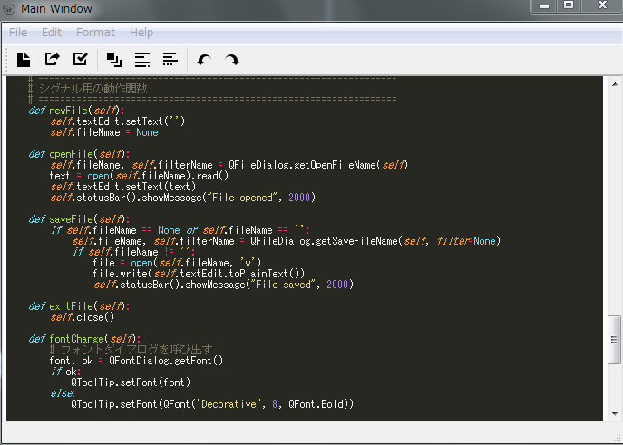
 |  |  | print 'openFileDialog loadfile', str(fname)

 |  |  | # ==================================================================
 |  |  | # イベント処理
 |  |  | # ==================================================================
 |  |  | def dragEnterEvent(self, event):
 |  |  | """ドラッグイベントの検知
 |  |  | """
 |  |  | print 'dragEnterEvent'
 |  |  | if event.mimeData().hasUrls():
 |  |  | event.accept()
 |  |  | else:
 |  |  | event.ignore()

 |  |  | def dropEvent(self, event):
 |  |  | """ドロップイベントの検知
 |  |  | """
 |  |  | print 'dropEvent'
 |  |  | files = [unicode(u.toLocalFile()) for u in event.mimeData().urls()]
 |  |  | for fname in files:
 |  |  | print type(fname)
 |  |  | print 'dropEvent', str(fname)

 |  |  | if __name__ == '__main__':
 |  |  | # Exception Handling
 |  |  | try:
 |  |  | myApp = QApplication(sys.argv)
 |  |  | mainWindow = MasterOfMainWindow()
 |  |  | mainWindow.show()
 |  |  | myApp.exec_()
 |  |  | sys.exit(0)
 |  |  | except NameError:
 |  |  | print("Name Error:", sys.exc_info()[1])
 |  |  | except SystemExit:
 |  |  | print("Closing Window...")
 |  |  | except Exception:
 |  |  | print(sys.exc_info()[1])

pyinstaller
pyinstaller |  | py2exe

オプション |  | py2exeのインストール
 |  | py2exe-0.6.9.win32-py2.7.exe
-w, –windowed |  | py2exe-0.6.9.win64-py2.7.amd64.exe
 | 実行時にコマンドプロンプトを開かないようになる。
 | GUIプログラムのときに便利。
 |  | 1. 64bit版をインストール
-F, –onefile |  | C:\Users\fifi\Anaconda\Lib\site-packages\
 | プログラムを一つにまとめてくれる。
 | なかなか魅力的なオプションだが、プログラム実行時にけっこう時間がかかってしまう。 | 参考
 | （試してみると分かるが、イライラするレベル） | http://cocodrips.hateblo.jp/entry/2015/06/03/232419
 | おすすめしない。
 |  | 2 .creat.pyとsetup.pyを作ってexeファイルを作ってみる
-i ＜アイコンファイル＞, –icon=＜アイコンファイル＞
プログラムのアイコンを設定できる。アイコンは拡張子.icoのファイル。 |  | python setup.py py2exe

-y | -yは既存の実行ファイルを問答無用で上書きする。 | ERROR
 | 修正しては何回も実行ファイルを作るときには便利。 | error: bundle-files 1 not yet supported on win64

–clean | –cleanはログファイルや作業ファイルを消してから実行ファイル作成を始める。 | 64bitだとsetup.pyの設定で
 |  | bundle<=3だとエラーになるみたい
 |  | http://d.hatena.ne.jp/Nekomajin/20090303/1236049209
–noupx | UPXを使いたくないときに指定。 | py2exe 64bitを入れてやりなおし。
 |  | 一応うごいた！
ex: |  | ただファイルが多すぎる。。
 | pyinstaller SimpleTextEditor -wFiy --clean
 |  | NSISというのを使って、py2exeで作ったファイルを一つに見まとめてみた

 |  | PyInstallerをためす
 |  | https://pypi.python.org/pypi/PyInstaller/2.1#downloads
 |  | Pyinstallerの使い方まとめ

 |  | PyInstallerを使ってexeファイルにした。
 |  | 手順を忘れそうなので、ここにメモしておく。

 |  | PyCharmを使って、
 |  | AnacondaPythonにPyInstaller2.1をインストール

 |  | pyinstaller plotter.py
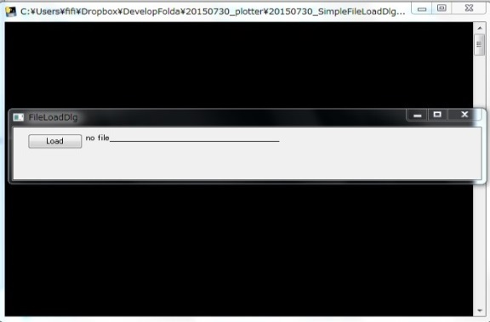

 |  | できた！！！！

 |  | ひとつのファイルにまとめたいとき
 |  | 手順4で、オプションを使う。
 |  | pyinstaller.py --onefile spam.py
 |  | こうすると、.dllなどが同梱され、ひとつのexeファイルとしてまとめられる。
 |  | コンソールも表示しない！
 |  | pyinstaller hoge.py --onefile --noconsole

Matplolib
Matplotlibスケルトン | Pythonで短時間フーリエ変換（STFT）と逆変換 | matplotlibでかっこいいスペクトログラム表示 | Pylabとpyplotの違い | Pylab | pylabを研究で使うには

#! coding:utf-8 |  | # -*- coding: utf-8 -*- | matplotlibはパッケージである。 | """ | matplotlibやpylabで論文向きの白黒のグラフをプロットする
import sys | # -*- coding: utf-8 -*- | """ | pylabは、matplotのモジュールだが、matplotlibとは別にインストールする。 | This is a procedural interface to the matplotlib object-oriented | http://qiita.com/kumagi/items/558593fa3e910d290592
import wave | # ================================== | sox な感じにスペクトログラムを表示する。 | pyplotは、matplotlibのモジュールである。 | plotting library.
import time | # | """ |  |  | iPython Notebookについて
 | # Short Time Fourier Trasform | from scipy import hanning, hamming, histogram, log10 | matplotlib.pylab | The following plotting commands are provided; the majority have | iPython Notebookの--pylab Inlineは使うのをやめようという話
import matplotlib | # | from scikits.audiolab import wavread | matplotlib.pyplot | MATLAB |reg| [*]_ analogs and similar arguments. | http://yagays.github.io/blog/2014/08/15/ipython-notebook-matplotlib-inline/
 | # ================================== | from matplotlib import pylab as pl
matplotlib.rcParams['backend.qt4'] = 'PySide' | from scipy import ceil, complex64, float64, hamming, zeros |  | 使い方 | .. |reg| unicode:: 0xAE
matplotlib.use('Qt4Agg') | from scipy.fftpack import fft# , ifft | from stft import stft | import pylab |  | その他のグラフツーｒう
from matplotlib.backends.backend_qt4agg import FigureCanvasQTAgg as FigureCanvas | from scipy import ifft # こっちじゃないとエラー出るときあった気がする |  | pylab.plot( x, y ) | _Plotting commands | Bokeh
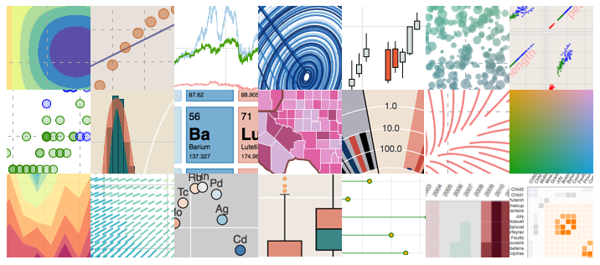
 | from scipy.io.wavfile import read | # ================================= | pylab.savefig( '・・・' ) | acorr - plot the autocorrelation function
from PySide import QtGui, QtCore |  | # sox な感じにスペクトログラム表示 | pylab.close() | annotate - annotate something in the figure
import pylab as pl | from matplotlib import pylab as pl | # ================================= | 何も書き出されない？？？ | arrow - add an arrow to the axes
 |  | def imshow_sox(spectrogram, rm_low = 0.1): |  | axes - Create a new axes
import numpy as np | # ====== | max_value = spectrogram.max() |  | axhline - draw a horizontal line across axes
 | # STFT | ### amp to dbFS | import matplotlib.pyplot as plt | axvline - draw a vertical line across axes
 | # ====== | db_spec = log10(spectrogram / float(max_value)) * 20 | plt.plot( x, y ) | axhspan - draw a horizontal bar across axes
 | """ | ### カラーマップの上限と下限を計算 | plt.savefig( '・・・.pdf' ) | axvspan - draw a vertical bar across axes
def wavread(filename): | x : 入力信号(モノラル) | hist, bin_edges = histogram(db_spec.flatten(), bins = 1000, normed = True) | plt.close() | axis - Set or return the current axis limits
# Load Audio | win : 窓関数 | hist /= float(hist.sum()) | キチンと、PDFファイルが出来ている。 | autoscale - turn axis autoscaling on or off, and apply it
wf = wave.open(filename, "r") | step : シフト幅 | pl.hist(hist) |  | bar - make a bar chart
fs = wf.getframerate() | """ | pl.show() |  | barh - a horizontal bar chart
x = wf.readframes(wf.getnframes()) | def stft(x, win, step): | S = 0 | Pylab | broken_barh - a set of horizontal bars with gaps
bit = wf.getsampwidth() | l = len(x) # 入力信号の長さ | ii = 0 | matlabライクな環境を作るためのパッケージ | box - set the axes frame on/off state
amp = (2 ** 8) ** bit / 2. | N = len(win) # 窓幅、つまり切り出す幅 | while S < rm_low: |  | boxplot - make a box and whisker plot | Seaborn
x = np.frombuffer(x, dtype="int16") / amp | M = int(ceil(float(l - N + step) / step)) # スペクトログラムの時間フレーム数 | S += hist[ii] | matplotlib/pylab.py | violinplot - make a violin plot
wf.close() |  | ii += 1 | from numpy import * | cla - clear current axes
return x, float(fs) | new_x = zeros(N + ((M - 1) * step), dtype = float64) | vmin = bin_edges[ii] | from numpy.fft import * | clabel - label a contour plot
 | new_x[: l] = x # 信号をいい感じの長さにする | vmax = db_spec.max() | from numpy.random import * | clf - clear a figure window
class Struct(object): |  |  | from numpy.linalg import * | clim - adjust the color limits of the current image
''' 解析結果格納用クラス(疑似構造体) | X = zeros([M, N], dtype = complex64) # スペクトログラムの初期化(複素数型) | pl.imshow(db_spec, origin = "lower", aspect = "auto", cmap = "hot", vmax = vmax, vmin = vmin) |  | close - close a figure window
''' | for m in xrange(M): |  | from matplotlib.pyplot import * | colorbar - add a colorbar to the current figure
def __init__(self, **kargs): | start = step * m |  |  | cohere - make a plot of coherence
for key, val in kargs.iteritems(): | X[m, :] = fft(new_x[start : start + N] * win) | def test(): | # provide the recommended module abbrevs in the pylab namespace | contour - make a contour plot
setattr(self,key,val) | return X | wavfile = "../wav/aiueo.wav" | import matplotlib.pyplot as plt | contourf - make a filled contour plot
 |  | data, fs, enc = wavread(wavfile) | import numpy as np | csd - make a plot of cross spectral density
self.wav = None | # ======= |  | import numpy.ma as ma | delaxes - delete an axes from the current figure
self.fs = None | # iSTFT | ### STFT | pylabでは、まずnumpyの各ライブラリが呼ばれている。 | draw - Force a redraw of the current figure
self.framesize = None | # ======= | fftLen = 1024 | これにより、fftやrandomなどは、そのままfft(x)として呼び出せる。 | errorbar - make an errorbar graph
self.startframe = None | def istft(X, win, step): | win = hanning(fftLen) |  | figlegend - make legend on the figure rather than the axes
self.maxframe = None | M, N = X.shape | step = fftLen / 8 | グラフプロットの関数であるpyplotも同様。 | figimage - make a figure image
self.nframe = None | assert (len(win) == N), "FFT length and window length are different." | spectrogram = abs(stft(data, win, step)[:, : fftLen / 2 + 1]).T |  | figtext - add text in figure coords
self.wavdata = None |  |  | ただし、慣例である、pltやnpに対応するために、 | figure - create or change active figure
self.trange = None | l = (M - 1) * step + N | ### 表示 | 下のほうで、as np, as pltも宣言されている。 | fill - make filled polygons
self.dft = None | x = zeros(l, dtype = float64) | fig = pl.figure() | これにより、pylabを呼び出すことで、どちらも利用できる。 | findobj - recursively find all objects matching some criteria
self.Adft = None | wsum = zeros(l, dtype = float64) | fig.patch.set_alpha(0.) |  | gca - return the current axes
self.Pdft = None | for m in xrange(M): | imshow_sox(spectrogram) | http://hennohito.cocolog-nifty.com/blog/2014/07/pythonpylab-21a.html | gcf - return the current figure
self.fscale = None | start = step * m | pl.tight_layout() |  | gci - get the current image, or None
self.fscalek = None | ### 滑らかな接続 | pl.show() |  | getp - get a graphics property
self.AdftLog = None | x[start : start + N] = x[start : start + N] + ifft(X[m, :]).real * win |  |  | grid - set whether gridding is on
self.cps = None | wsum[start : start + N] += win ** 2 | if __name__ == "__main__": |  | hist - make a histogram
self.quefrency = None | pos = (wsum != 0) | test() |  | hold - set the axes hold state
self.cepCoef_env = None | x_pre = x.copy() |  |  | ioff - turn interaction mode off
self.cpsLif_env = None | ### 窓分のスケール合わせ |  |  | ion - turn interaction mode on
self.dftSpc_env = None | x[pos] /= wsum[pos] |  |  | isinteractive - return True if interaction mode is on
self.cepCoef_det = None | return x |  |  | imread - load image file into array
self.cpsLif_det = None |  |  |  | imsave - save array as an image file
self.dftSpc_det = None |  |  |  | imshow - plot image data
 | if __name__ == "__main__": |  |  | ishold - return the hold state of the current axes
 | wavfile = "./aiueo.wav" |  |  | legend - make an axes legend
def analyser(): | fs, data = read(wavfile) |  |  | locator_params - adjust parameters used in locating axis ticks
 |  |  |  | loglog - a log log plot
print 'analyser start..' | fftLen = 512 # とりあえず |  |  | matshow - display a matrix in a new figure preserving aspect
starttime = time.time() | win = hamming(fftLen) # ハミング窓 |  |  | margins - set margins used in autoscaling
 | step = fftLen / 4 |  |  | pause - pause for a specified interval
# 解析結果 |  |  |  | pcolor - make a pseudocolor plot
Metricdata = Struct() | ### STFT |  |  | pcolormesh - make a pseudocolor plot using a quadrilateral mesh
 | spectrogram = stft(data, win, step) |  |  | pie - make a pie chart
wav, fs = wavread("golf_D.wav") |  |  |  | plot - make a line plot
t = np.arange(0.0, len(wav) / fs, 1 / fs) | ### iSTFT |  |  | plot_date - plot dates
 | resyn_data = istft(spectrogram, win, step) |  |  | plotfile - plot column data from an ASCII tab/space/comma delimited file
Metricdata.wav = wav |  |  |  | pie - pie charts
Metricdata.fs = fs | ### Plot |  |  | polar - make a polar plot on a PolarAxes
Metricdata.framesize = 1024 * 1 | fig = pl.figure() |  |  | psd - make a plot of power spectral density
Metricdata.startframe = 1 | fig.add_subplot(311) |  |  | quiver - make a direction field (arrows) plot
Metricdata.maxframe = len(Metricdata.wav) / Metricdata.framesize | pl.plot(data) |  |  | rc - control the default params
Metricdata.nframe = 5 | pl.xlim([0, len(data)]) |  |  | rgrids - customize the radial grids and labels for polar
 | pl.title("Input signal", fontsize = 20) |  |  | savefig - save the current figure
MS = 1000 | fig.add_subplot(312) |  |  | scatter - make a scatter plot
framesize = Metricdata.framesize | pl.imshow(abs(spectrogram[:, : fftLen / 2 + 1].T), aspect = "auto", origin = "lower") |  |  | setp - set a graphics property
startframe = Metricdata.startframe | pl.title("Spectrogram", fontsize = 20) |  |  | semilogx - log x axis
maxframe = Metricdata.maxframe | fig.add_subplot(313) |  |  | semilogy - log y axis
nframe = Metricdata.nframe # nframe = {1, 2, 3,..., maxframe} | pl.plot(resyn_data) |  |  | show - show the figures
 | pl.xlim([0, len(resyn_data)]) |  |  | specgram - a spectrogram plot
print 'maxframe', maxframe | pl.title("Resynthesized signal", fontsize = 20) |  |  | spy - plot sparsity pattern using markers or image
 | pl.show() |  |  | stem - make a stem plot
ss = (nframe - 1) * framesize |  |  |  | subplot - make one subplot (numrows, numcols, axesnum)
se = nframe * framesize - 1 |  |  |  | subplots - make a figure with a set of (numrows, numcols) subplots
 |  |  |  | subplots_adjust - change the params controlling the subplot positions of current figure
wavdata = wav[ss:se] |  |  |  | subplot_tool - launch the subplot configuration tool
trange = t[ss:se] * MS |  |  |  | suptitle - add a figure title
 |  |  |  | table - add a table to the plot
# hanning window |  |  |  | text - add some text at location x,y to the current axes
# hanningWindow = np.hanning(len(wavdata)) |  |  |  | thetagrids - customize the radial theta grids and labels for polar
# wavdata = wavdata * hanningWindow |  |  |  | tick_params - control the appearance of ticks and tick labels
 |  |  |  | ticklabel_format - control the format of tick labels
Metricdata.wavdata = wavdata |  |  |  | title - add a title to the current axes
Metricdata.trange = trange |  |  |  | tricontour - make a contour plot on a triangular grid
 |  |  |  | tricontourf - make a filled contour plot on a triangular grid
# fourier |  |  |  | tripcolor - make a pseudocolor plot on a triangular grid
dft = np.fft.fft(wavdata, framesize) |  |  |  | triplot - plot a triangular grid
Adft = np.abs(dft) |  |  |  | xcorr - plot the autocorrelation function of x and y
Pdft = Adft ** 2 |  |  |  | xlim - set/get the xlimits
fscale = np.fft.fftfreq(framesize, d=1.0 / fs) |  |  |  | ylim - set/get the ylimits
fscalek = fscale / 1000 |  |  |  | xticks - set/get the xticks
 |  |  |  | yticks - set/get the yticks
Metricdata.dft = dft |  |  |  | xlabel - add an xlabel to the current axes
Metricdata.Adft = Adft |  |  |  | ylabel - add a ylabel to the current axes
Metricdata.Pdft = Pdft
Metricdata.fscale = fscale |  |  |  | autumn - set the default colormap to autumn
Metricdata.fscalek = fscalek |  |  |  | bone - set the default colormap to bone
 |  |  |  | cool - set the default colormap to cool
# cepstrum |  |  |  | copper - set the default colormap to copper
AdftLog = 20 * np.log10(Adft) |  |  |  | flag - set the default colormap to flag
cps = np.real(np.fft.ifft(AdftLog)) |  |  |  | gray - set the default colormap to gray
quefrency = np.arange(0, len(cps)) |  |  |  | hot - set the default colormap to hot
 |  |  |  | hsv - set the default colormap to hsv
Metricdata.AdftLog = AdftLog |  |  |  | jet - set the default colormap to jet
Metricdata.cps = cps |  |  |  | pink - set the default colormap to pink
Metricdata.quefrency = quefrency |  |  |  | prism - set the default colormap to prism
 |  |  |  | spring - set the default colormap to spring
# liftering |  |  |  | summer - set the default colormap to summer
# エンベロープenvlope |  |  |  | winter - set the default colormap to winter
cepCoef_env = 30 |  |  |  | spectral - set the default colormap to spectral
cpsLif = np.array(cps)
cpsLif[cepCoef_env:len(cpsLif) - cepCoef_env + 1] = 0 |  |  |  | _Event handling
dftSpc_env = np.fft.fft(cpsLif, framesize)
dftSpc_env = np.real(dftSpc_env) |  |  |  | connect - register an event handler
 |  |  |  | disconnect - remove a connected event handler
Metricdata.cepCoef_env = cepCoef_env
Metricdata.cpsLif_env = cpsLif |  |  |  | _Matrix commands
Metricdata.dftSpc_env = dftSpc_env
 |  |  |  | cumprod - the cumulative product along a dimension
 |  |  |  | cumsum - the cumulative sum along a dimension
# 微細成分 detail |  |  |  | detrend - remove the mean or besdt fit line from an array
cepCoef_det = cepCoef_env |  |  |  | diag - the k-th diagonal of matrix
cpsLif = np.array(cps) |  |  |  | diff - the n-th differnce of an array
cpsLif[0:cepCoef_det-1] = 0 |  |  |  | eig - the eigenvalues and eigen vectors of v
cpsLif[len(cpsLif) - cepCoef_det + 1:-1] = 0 |  |  |  | eye - a matrix where the k-th diagonal is ones, else zero
dftSpc_det = np.fft.fft(cpsLif, framesize) |  |  |  | find - return the indices where a condition is nonzero
dftSpc_det = np.real(dftSpc_det) |  |  |  | fliplr - flip the rows of a matrix up/down
 |  |  |  | flipud - flip the columns of a matrix left/right
Metricdata.cepCoef_det = cepCoef_det |  |  |  | linspace - a linear spaced vector of N values from min to max inclusive
Metricdata.cpsLif_det = cpsLif |  |  |  | logspace - a log spaced vector of N values from min to max inclusive
Metricdata.dftSpc_det = dftSpc_det |  |  |  | meshgrid - repeat x and y to make regular matrices
 |  |  |  | ones - an array of ones
print 'Analyser() Fin ...' |  |  |  | rand - an array from the uniform distribution [0,1]
print "Analysis_time:%0.1fms" % ((time.time()-starttime)*1000) |  |  |  | randn - an array from the normal distribution
return Metricdata |  |  |  | rot90 - rotate matrix k*90 degress counterclockwise
 |  |  |  | squeeze - squeeze an array removing any dimensions of length 1
 |  |  |  | tri - a triangular matrix
if __name__ == "__main__": |  |  |  | tril - a lower triangular matrix
 |  |  |  | triu - an upper triangular matrix
# アナライズ |  |  |  | vander - the Vandermonde matrix of vector x
Metricdata = analyser() |  |  |  | svd - singular value decomposition
 |  |  |  | zeros - a matrix of zeros
# Create Qt Application
app = QtGui.QApplication([]) |  |  |  | _Probability

# Create Figure Object |  |  |  | normpdf - The Gaussian probability density function
fig = pl.Figure(figsize=(100,100), dpi=72, facecolor=(1,1,1), edgecolor=(0,0,0)) |  |  |  | rand - random numbers from the uniform distribution
 |  |  |  | randn - random numbers from the normal distribution
ax1 = fig.add_subplot(3,2,1)
ax1.plot(Metricdata.trange, Metricdata.wavdata ) |  |  |  | _Statistics

ax2 = fig.add_subplot(3,2,2) |  |  |  | amax - the maximum along dimension m
ax2.plot(Metricdata.fscalek, Metricdata.AdftLog) |  |  |  | amin - the minimum along dimension m
 |  |  |  | corrcoef - correlation coefficient
ax3 = fig.add_subplot(3,2,3) |  |  |  | cov - covariance matrix
ax3.plot(Metricdata.fscalek, Metricdata.dftSpc_env) |  |  |  | mean - the mean along dimension m
 |  |  |  | median - the median along dimension m
ax4 = fig.add_subplot(3,2,4) |  |  |  | norm - the norm of vector x
ax4.plot(Metricdata.fscalek, Metricdata.dftSpc_det) |  |  |  | prod - the product along dimension m
pl.xlim(0, 2) |  |  |  | ptp - the max-min along dimension m
 |  |  |  | std - the standard deviation along dimension m
ax5 = fig.add_subplot(3,2,5) |  |  |  | asum - the sum along dimension m
 |  |  |  | ksdensity - the kernel density estimate
# MatplotオブジェクトをPySide用Widgetに変換
canvas = FigureCanvas(fig) |  |  |  | _Time series analysis

# butoon |  |  |  | bartlett - M-point Bartlett window
plot_button = QtGui.QPushButton("plot") |  |  |  | blackman - M-point Blackman window
play_button = QtGui.QPushButton("play") |  |  |  | cohere - the coherence using average periodiogram
 |  |  |  | csd - the cross spectral density using average periodiogram
slider1 = QtGui.QSlider(QtCore.Qt.Horizontal) |  |  |  | fft - the fast Fourier transform of vector x
slider2 = QtGui.QSlider(QtCore.Qt.Horizontal) |  |  |  | hamming - M-point Hamming window
slider3 = QtGui.QSlider(QtCore.Qt.Horizontal) |  |  |  | hanning - M-point Hanning window
slider4 = QtGui.QSlider(QtCore.Qt.Horizontal) |  |  |  | hist - compute the histogram of x
 |  |  |  | kaiser - M length Kaiser window
# set layout |  |  |  | psd - the power spectral density using average periodiogram
widget = QtGui.QWidget() |  |  |  | sinc - the sinc function of array x
layout = QtGui.QVBoxLayout()
layout.addStretch(1) |  |  |  | _Dates
widget.setLayout(layout)
layout.addWidget(plot_button) |  |  |  | date2num - convert python datetimes to numeric representation
layout.addWidget(play_button) |  |  |  | drange - create an array of numbers for date plots
layout.addWidget(slider1) |  |  |  | num2date - convert numeric type (float days since 0001) to datetime
layout.addWidget(slider2)
layout.addWidget(slider3) |  |  |  | _Other
layout.addWidget(slider4)
layout.addWidget(canvas) |  |  |  | angle - the angle of a complex array
 |  |  |  | griddata - interpolate irregularly distributed data to a regular grid
# Main Window Object |  |  |  | load - Deprecated--please use loadtxt.
win = QtGui.QMainWindow() |  |  |  | loadtxt - load ASCII data into array.
win.setCentralWidget(widget) |  |  |  | polyfit - fit x, y to an n-th order polynomial
 |  |  |  | polyval - evaluate an n-th order polynomial
def on_plot(): |  |  |  | roots - the roots of the polynomial coefficients in p
print 'on_plot' |  |  |  | save - Deprecated--please use savetxt.
def on_play(): |  |  |  | savetxt - save an array to an ASCII file.
print 'on_plot' |  |  |  | trapz - trapezoidal integration

 |  |  |  | __end
# set SIGNAL
plot_button.clicked.connect(on_plot) |  |  |  | .. [*] MATLAB is a registered trademark of The MathWorks, Inc.
play_button.clicked.connect(on_play)

# set SIGNAL Slider |  |  |  | """
# slider1.valueChanged.connect() |  |  |  | from __future__ import (absolute_import, division, print_function,
# slider2.valueChanged.connect() |  |  |  | unicode_literals)
# slider3.valueChanged.connect()
# slider4.valueChanged.connect() |  |  |  | import six

 |  |  |  | import sys, warnings
# show
win.show() |  |  |  | from matplotlib.cbook import flatten, is_string_like, exception_to_str, \
sys.exit(app.exec_()) |  |  |  | silent_list, iterable, dedent

 |  |  |  | import matplotlib as mpl
 |  |  |  | # make mpl.finance module available for backwards compatability, in case folks
 |  |  |  | # using pylab interface depended on not having to import it
 |  |  |  | import matplotlib.finance

 |  |  |  | from matplotlib.dates import date2num, num2date,\
 |  |  |  | datestr2num, strpdate2num, drange,\
 |  |  |  | epoch2num, num2epoch, mx2num,\
 |  |  |  | DateFormatter, IndexDateFormatter, DateLocator,\
 |  |  |  | RRuleLocator, YearLocator, MonthLocator, WeekdayLocator,\
 |  |  |  | DayLocator, HourLocator, MinuteLocator, SecondLocator,\
 |  |  |  | rrule, MO, TU, WE, TH, FR, SA, SU, YEARLY, MONTHLY,\
 |  |  |  | WEEKLY, DAILY, HOURLY, MINUTELY, SECONDLY, relativedelta

 |  |  |  | import matplotlib.dates # Do we need this at all?

 |  |  |  | # bring all the symbols in so folks can import them from
 |  |  |  | # pylab in one fell swoop

 |  |  |  | ## We are still importing too many things from mlab; more cleanup is needed.

 |  |  |  | from matplotlib.mlab import griddata, stineman_interp, slopes, \
 |  |  |  | inside_poly, poly_below, poly_between, \
 |  |  |  | is_closed_polygon, path_length, distances_along_curve, vector_lengths

 |  |  |  | from matplotlib.mlab import window_hanning, window_none, detrend, demean, \
 |  |  |  | detrend_mean, detrend_none, detrend_linear, entropy, normpdf, \
 |  |  |  | find, longest_contiguous_ones, longest_ones, prepca, \
 |  |  |  | prctile, prctile_rank, \
 |  |  |  | center_matrix, rk4, bivariate_normal, get_xyz_where, \
 |  |  |  | get_sparse_matrix, dist, \
 |  |  |  | dist_point_to_segment, segments_intersect, fftsurr, movavg, \
 |  |  |  | exp_safe, \
 |  |  |  | amap, rms_flat, l1norm, l2norm, norm_flat, frange, identity, \
 |  |  |  | base_repr, binary_repr, log2, ispower2, \
 |  |  |  | rec_append_fields, rec_drop_fields, rec_join, csv2rec, rec2csv, isvector

 |  |  |  | import matplotlib.mlab as mlab
 |  |  |  | import matplotlib.cbook as cbook

 |  |  |  | from numpy import *
 |  |  |  | from numpy.fft import *
 |  |  |  | from numpy.random import *
 |  |  |  | from numpy.linalg import *

 |  |  |  | from matplotlib.pyplot import *

 |  |  |  | # provide the recommended module abbrevs in the pylab namespace
 |  |  |  | import matplotlib.pyplot as plt
 |  |  |  | import numpy as np
 |  |  |  | import numpy.ma as ma

 |  |  |  | # don't let numpy's datetime hide stdlib
 |  |  |  | import datetime

 |  |  |  | # This is needed, or bytes will be numpy.random.bytes from
 |  |  |  | # "from numpy.random import *" above
 |  |  |  | bytes = __builtins__['bytes']

FiSig使い方
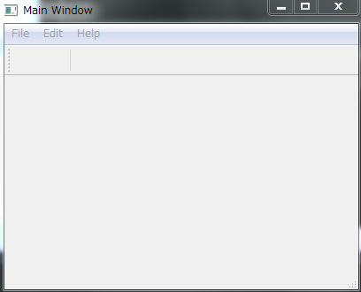
FiSigの使い方

MasterOfMainWindow
FiSigを使ってアプリケーションを作る際のメインウィンドウ

モジュールをロード
from gui_MasterOfMainWindow import MasterOfMainWindow

継承したクラスを作成
class ExampleMainWindow(MasterOfMainWindow):
def __init__(self):
MasterOfMainWindow.__init__(self)

継承したメインウィンドウを表示する
if __name__ == '__main__':
app = QApplication(sys.argv)
w = ExampleMainWindow()
w.show()
sys.exit(app.exec_())

