MS_analyzer
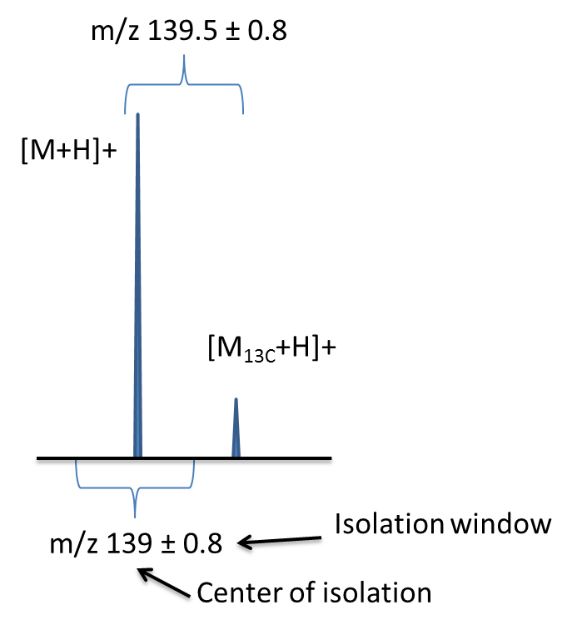
Analyzer |  |  |  |  |  |  |  |  |  |  |  |  |  |  |  |  |  |  |  |  |  | x
analyzer type |  | |=> Ion analyzer types are "B", "E", "FT" (inculde other types using FT like FTICR or Orbitrap), "IT", "Q", "TOF" (e.g.: "QTOF", "QQQ", "EB", "ITFT")* |  |  |  |  |  |  |  |  |  |  |  |  |  |  |  |  |  |  |  | x
manufacturer brands |  |  | *for further informations please refer to MassBank Record documentation: |  |  |  |  |  |  |  |  |  |  |  |  |  |  |  |  |  |  | x
 |  |  | http://www.massbank.jp/manuals/MassBankRecord_en.pdf |  |  |  |  |  |  |  |  |  |  |  |  |  |  |  |  |  |  | x
Molecule ionization | mode pos | mode neg |  |  |  |  |  |  |  |  |  |  |  |  |  |  |  |  |  |  |  | x
Ionization method |  |  | |=> choose in list | Ion storage: Ion trap (IT) and ICR |  |  |  |  |  | Ion beam: q or h collision Cell (QqQ, QqIT, Qq/TOF, Fusion) |  |  |  |  |  |  |  |  |  |  |  | x
High voltage (ESI) / Corona voltage (APCI) |  |  | |=> in kV | Gas |  |  | |=> i f FT/ICR in SORI-CID |  |  | Gas |  |  |  |  |  |  |  |  |  |  |  | x
Spray (needle) gaz flow |  |  | |=> arbitrary in Xcalibur | Gas pressure (mbar or a.u.) |  |  | |=> if FT-/CR in SORI-CID & IT (optional field) |  |  | Gas pressure |  |  |  |  |  |  |  |  |  |  |  | x
Vaporizer temperature |  |  | |=> in °C | Frequency shift (KHz) |  |  | |=> if FT/ICR in SORI-CID |  |  | (mbar or a.u.) |  |  |  |  |  |  |  |  |  |  |  | x
Source gas flow |  |  | |=> arbitrary in Xcalibur | Ion number (AGC or ICC) |  |  | |=> if IT |  |  |  |  |  |  |  |  |  |  |  |  |  |  | x
Vaporizer gas flow |  |  | |=> arbitrary in Xcalibur |  |  |  |  |  |  |  |  |  |  |  |  |  |  |  |  |  |  | x
Ion transfer tube temperature / Transfer capillary temperature |  |  | |=> in °C |  |  |  |  |  |  |  |  |  |  |  |  |  |  |  |  |  |  | x
Desolvation zone (S-lens, funnels, ddp) |  |  | |=> in % or V |  |  |  |  |  |  |  |  |  |  |  |  |  |  |  |  |  |  | x
 |  |  |  |  |  |  |  |  | Ion storage |  |  |  |  |  |  |  |  |  |  |  |  | x
scan type | polarity | resolution | Resolution FWHM (m/z)/D(m/z) | precursor spectrum sheet name* | Precursor ion m/z* | Isolation mode | Isolation window | Center of isolation window | qz isolation / activation (no unit) | Activation time (ms) | Mode | Frag. energy | m/z range |  | retention time (help in cell V:19) |  | retention time (% solvant) |  | sheet
choose in list | choose in list | choose in list | format: resolution@mass (Resolution applied in the method) | copy/past parent spectrum sheet's name (replace "create" button) | (2 digits of precision) | IT/q/TOF/ICR | (+/-value) |  | if IT | if FT-ICR (SORI-CID) or IT | HCD / CID / ECD /ETD | without unit | from | to | from (min) | to (min) | from (%CH3OH) | to (%CH3OH)
ms |  | high |  |  |  |  |  |  |  |  |  |  |  |  |  |  |  |  |  | note about retention time range:
ms |  | high |  |  |  |  |  |  |  |  |  |  |  |  |  |  |  |  |  |  | if you choose to take the RT at the curve apex (tangent), set the same value for the FROM and the TO fields.
ms |  | high |  |  |  |  |  |  |  |  |  |  |  |  |  |  |  |  |  | note about retention time in % solvant:
ms |  | high |  |  |  |  |  |  |  |  |  |  |  |  |  |  |  |  |  |  | this data is optional, however if you are able to fulfill it, we are greateful!
ms |  | high
ms |  | high
ms |  | high
ms |  | high
ms |  | high
ms |  | high
ms |  | high
ms |  | high
ms |  | high
ms |  | high
ms |  | high
ms |  | high
ms |  | high
ms |  | high
ms |  | high
ms |  | high
ms |  | high
ms |  | high
ms |  | high
ms |  | high
ms |  | high
ms |  | high
ms |  | high
ms |  | high
ms |  | high
ms |  | high
ms |  | high
ms |  | high
ms |  | high
ms |  | high
ms |  | high
ms |  | high
ms |  | high
ms |  | high
ms |  | high
ms |  | high
ms |  | high
ms |  | high
ms |  | high
ms |  | high
ms |  | high
ms |  | high
ms |  | high
ms |  | high
ms |  | high
ms |  | high
ms |  | high
ms |  | high
ms |  | high
ms |  | high
ms |  | high
ms |  | high
ms |  | high
ms |  | high
ms |  | high
ms |  | high
ms |  | high
ms |  | high
ms |  | high
ms |  | high
ms |  | high
ms |  | high
ms |  | high
ms |  | high
ms |  | high
ms |  | high
ms |  | high
ms |  | high
ms |  | high
ms |  | high
ms |  | high
ms |  | high
ms |  | high
ms |  | high
ms |  | high
ms |  | high

MS_help
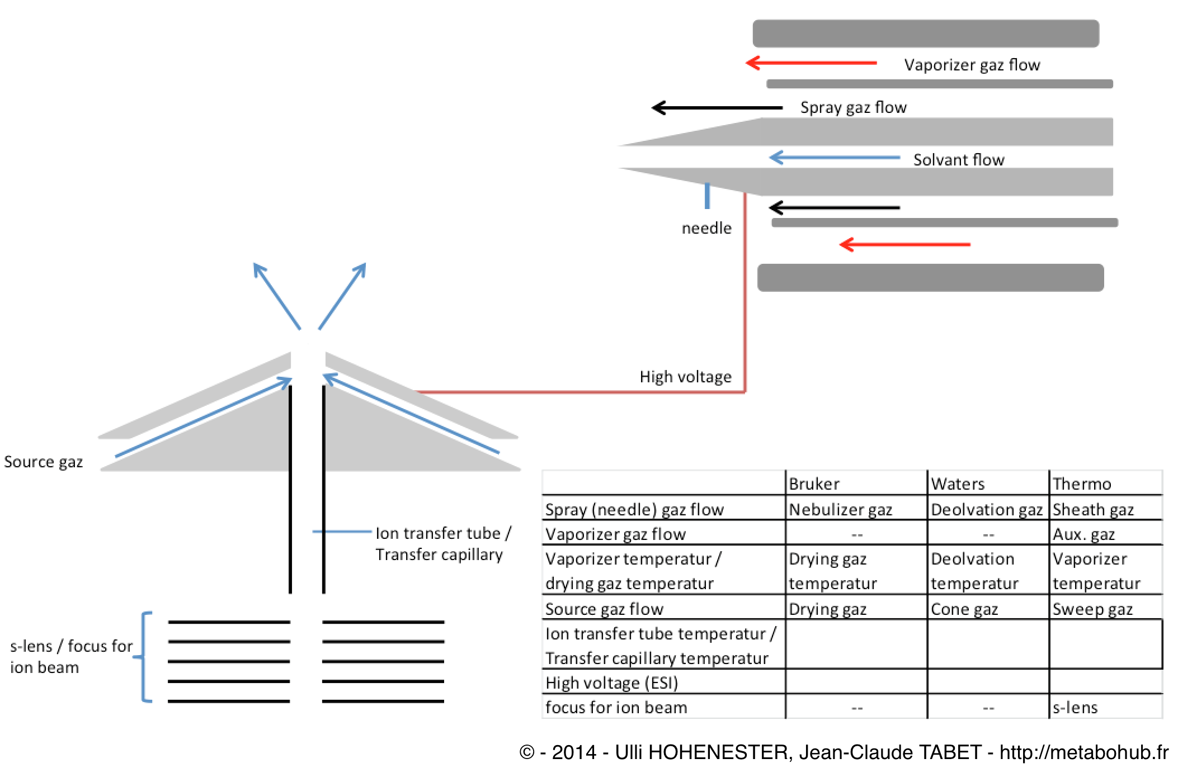

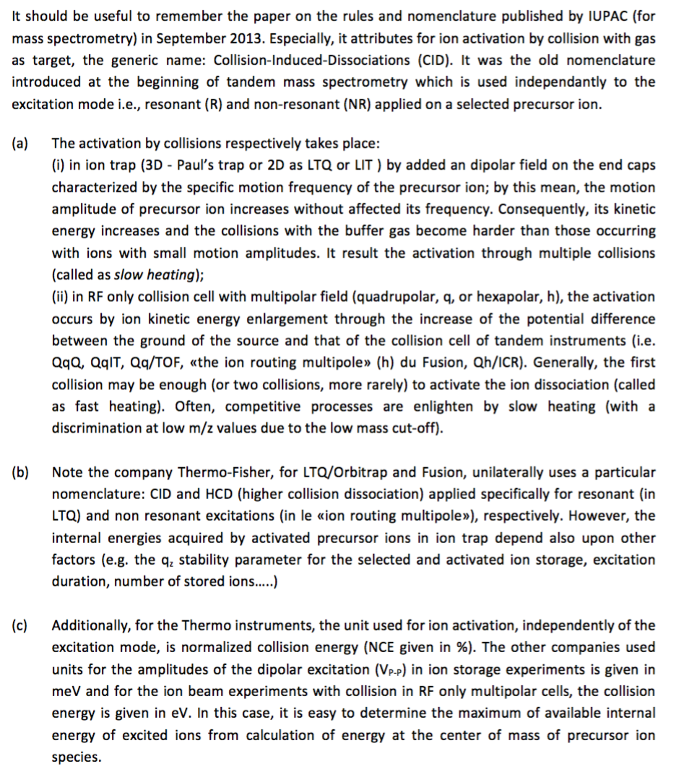
 |  |  |  |  |  | ion collision activation
 | Tandem type | Activation cell | Activation mode | Particularly name | Energy unit
1 | QqQ/MS | q | NR | CID | eV
2 | QqIT/MS | q or IT | NR or R | CID | eV (meV)
3 | Qq/TO/MS | q | NR | CID | eV
4 | IT/TOF/MS | IT | R | CID | meV
5 | Q/IM/Coll Cell/TOF/MS | q or IM | NR | CID | eV
6 | TOF/TOF/MS | coll. cell | NR | CID | eV
7 | Q -exactive MS | hexapole | NR | HCD | %
8 | LTQ-OrbitrapMS | IT/Hexapole | R or NR | CID/HCD | %
9 | Fusion | Hex/LTQ | R or NR | CID/HCD | %
10 | Qh/ICR | Hex/ICR | NR or R | CID/(SORI/CID) | eV/ (meV/eV)

