v3.3.4 eDevice Section
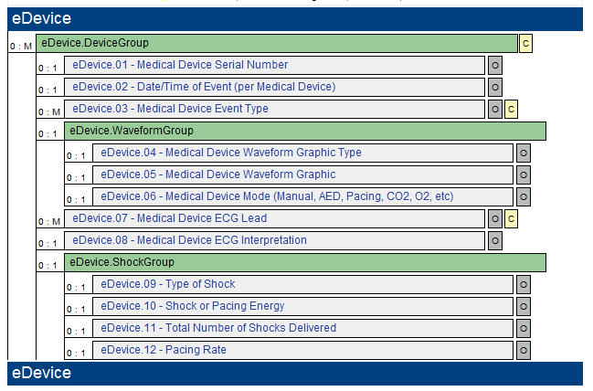
Current NEMSIS v3.3.4 eDevice Section (March 2014 release)

