v3.3.4 eResponse Section
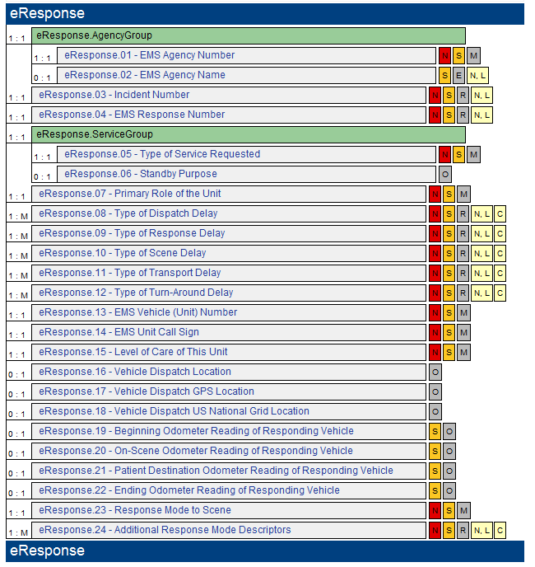
Current NEMSIS v3.3.4 eResponse Section within EMS DataSet (March 2014)

