Data
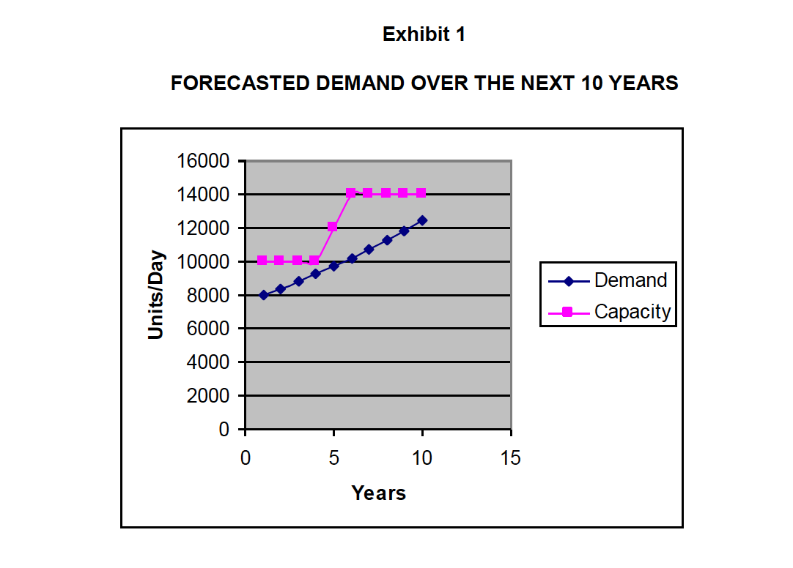
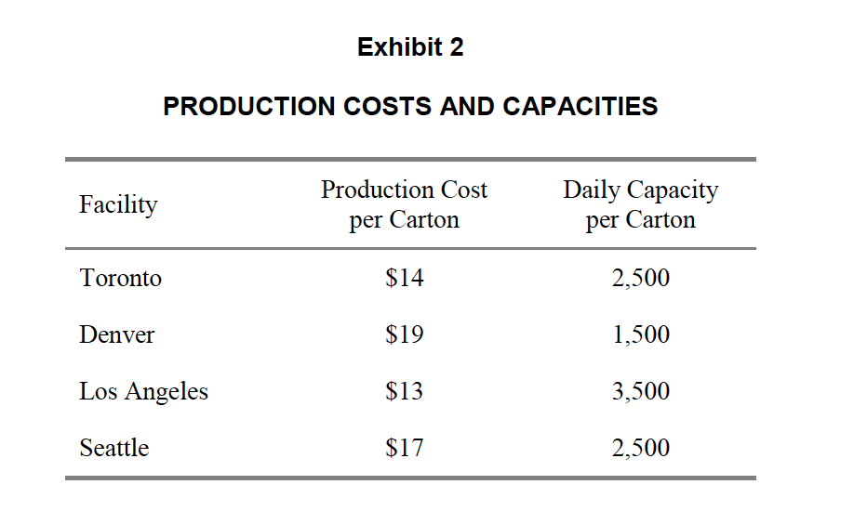
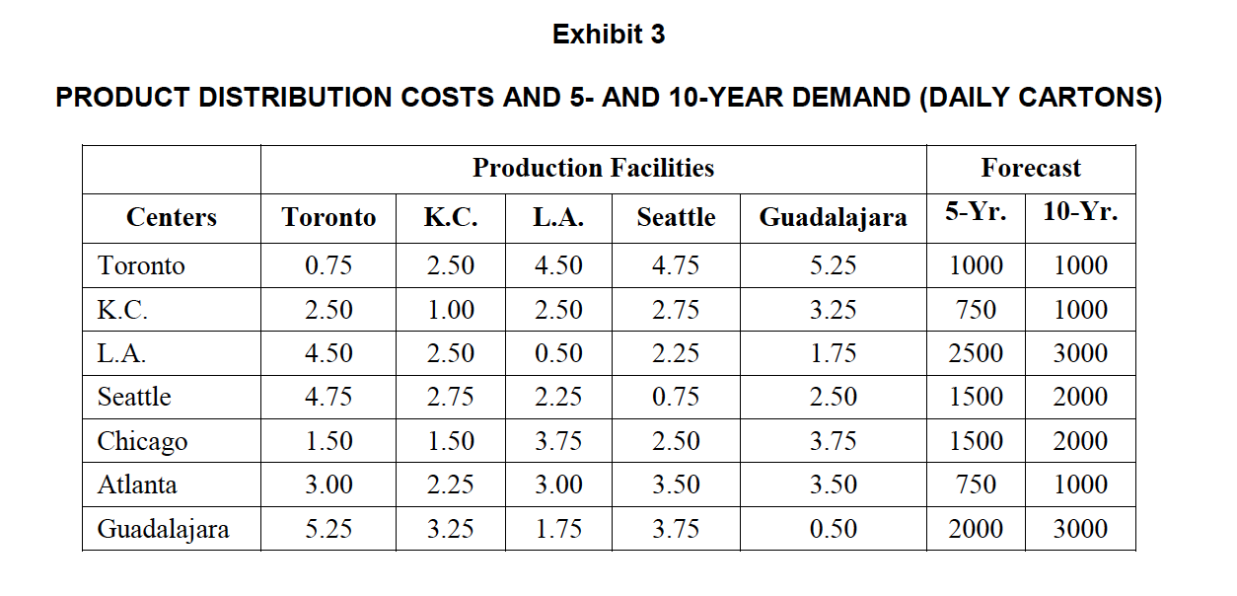

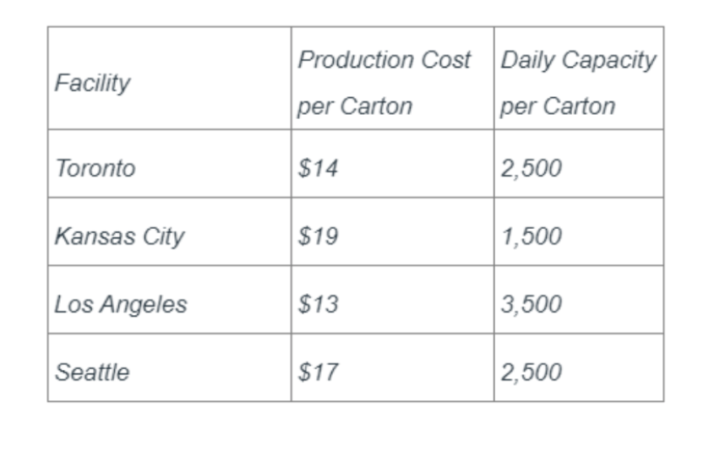

 |  |  |  | Production Facilities |  |  |  |  | Forecast
Facility | Production Cost per Carton | Daily Capacity per Carton | Centers | Toronto | K.C. | L.A. | Seattle | Guadalajara | 5-Yr. | 10-Yr.
Toronto | $14 | 2,500 | Toronto | 0.75 | 2.50 | 4.50 | 4.75 | 5.25 | 1,000 | 1,000
Kansas City (K.C.) | $19 | 1,500 | K.C. | 2.50 | 1.00 | 2.50 | 2.75 | 3.25 | 750 | 1,000
Los Angeles (L.A.) | $13 | 3,500 | L.A. | 4.50 | 2.50 | 0.50 | 2.25 | 1.75 | 2,500 | 3,000
Seattle | $17 | 2,500 | Seattle | 4.75 | 2.75 | 2.25 | 0.75 | 2.50 | 1,500 | 2,000
 |  |  | Chicago | 1.50 | 1.50 | 3.75 | 2.50 | 3.75 | 1,500 | 2,000
 | Total capacity 0 – 4.yr | 10,000 | Atlanta | 3.00 | 2.25 | 3.00 | 3.50 | 3.50 | 750 | 1,000
 |  |  | Guadalajara | 5.25 | 3.25 | 1.75 | 3.75 | 0.50 | 2,000 | 3,000

 |  |  |  |  |  |  | Total Demand |  | 10,000 | 13,000

