Data
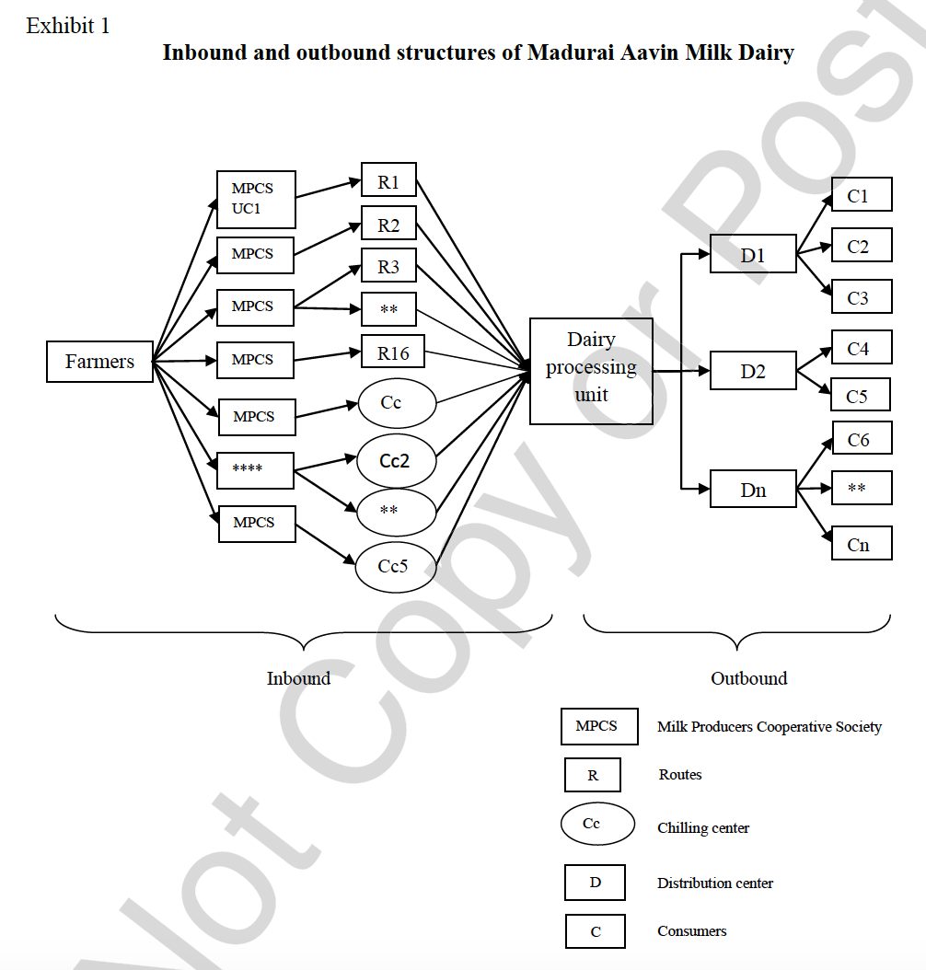
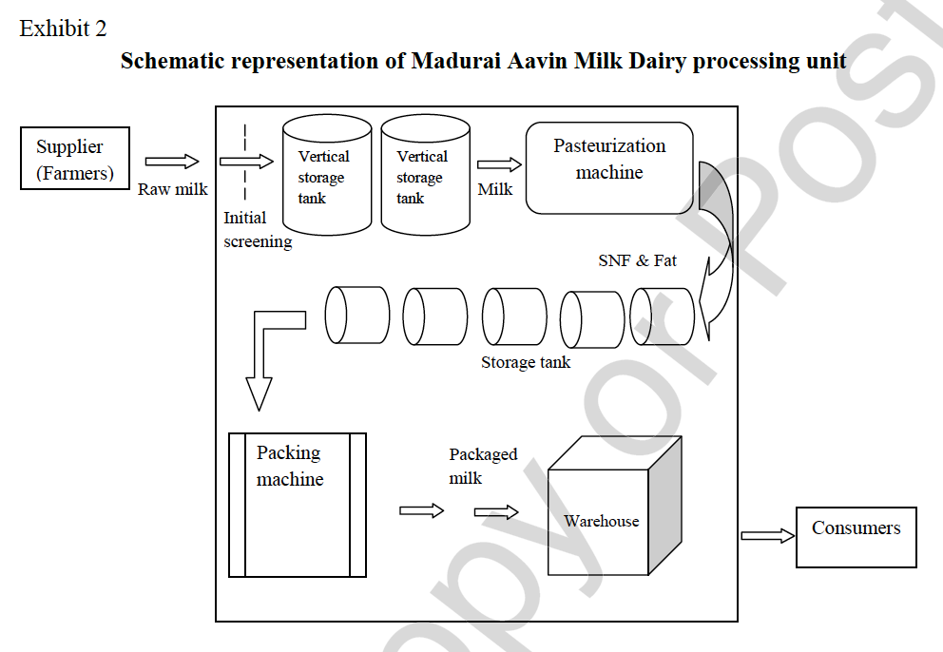
Exhibit 3 |  |  | Exhibit 4 |  |  |  | Exhibit 5 |  |  |  |  |  |  |  |  | Exhibit 6
Types of milk sold |  |  | Estimated sale of packaged milk (in liters) in Madurai region between 2008 and 2011 (including neighboring districts) |  |  |  | Estimated daily demand (in liters) for April 2011 |  |  |  |  |  |  |  |  | Procurement costs
Type of Milk | Fat (%) | SNF (%) | Month | Year |  |  | Day | Demand | Supply | Day | Demand | Supply | Day | Demand | Supply | Skimmed milk powder | INR 163 | per kg
Toned milk | 3.0 | 8.5 |  | 2008-2009 | 2009-2010 | 2010-2011 | 1 | 286,387 | 232,031 | 11 | 269,299 | 218,186 | 21 | 272,493 | 220,774 | Butter cost | INR 112 | per kg
Standardized milk | 4.5 | 8.5 | April | 6,436,977 | 8,168,753 | 8,727,300 | 2 | 307,453 | 249,099 | 12 | 275,672 | 223,350 | 22 | 298,470 | 241,821 | Raw milk from other unions | INR 17 | per liter
Premium milk | 4.5 | 9.0 | May | 8,038,673 | 9,042,377 | 9,936,678 | 3 | 288,095 | 233,415 | 13 | 308,182 | 249,689 | 23 | 318,493 | 258,043
Full-cream milk | 6.0 | 9.0 | June | 7,699,105 | 8,535,593 | 9,777,312 | 4 | 267,987 | 217,123 | 14 | 287,419 | 232,867 | 24 | 304,744 | 246,904
Double-toned milk | 1.5 | 9.0 | July | 7,446,966 | 9,159,860 | 10,408,932 | 5 | 288,652 | 233,866 | 15 | 307,718 | 249,313 | 25 | 285,709 | 231,482
 |  |  | August | 6,893,954 | 8,660,746 | 9,666,011 | 6 | 327,752 | 265,545 | 16 | 316,682 | 256,576 | 26 | 308,121 | 249,640
 |  |  | September | 7,266,777 | 7,985,469 | 8,922,312 | 7 | 260,029 | 210,676 | 17 | 330,245 | 267,565 | 27 | 316,298 | 256,265
 |  |  | October | 9,577,732 | 10,287,574 | 11,038,170 | 8 | 278,243 | 225,433 | 18 | 335,029 | 271,441 | 28 | 257,257 | 208,430
 |  |  | November | 6,959,258 | 8,865,297 | 9,234,684 | 9 | 299,058 | 242,297 | 19 | 342,925 | 277,838 | 29 | 314,569 | 254,864
 |  |  | December | 9,196,648 | 10,106,207 | 10,751,284 | 10 | 323,536 | 262,129 | 20 | 309,399 | 250,675 | 30 | 272,352 | 220,660
 |  |  | January | 7,703,373 | 8,763,792 | 9,737,546
 |  |  | February | 6,337,111 | 6,573,767 | 7,068,566
 |  |  | March | 6,661,873 | 7,012,498 | 7,622,280

Demand Forecast (Apr - Sep)
Period | Date | Demand Milk (lts) | Month | Year | Apr | May | Jun | Jul | Aug | Sep | Oct | Nov | Dec | Jan | Feb
1 | Apr 2008 | 6,436,977 | Apr | 2008 | 1 | 0 | 0 | 0 | 0 | 0 | 0 | 0 | 0 | 0 | 0 | Comments:
2 | May 2008 | 8,038,673 | May | 2008 | 0 | 1 | 0 | 0 | 0 | 0 | 0 | 0 | 0 | 0 | 0 | It is observed that there is some growth in the demand for milk overall.
3 | Jun 2008 | 7,699,105 | Jun | 2008 | 0 | 0 | 1 | 0 | 0 | 0 | 0 | 0 | 0 | 0 | 0 | However, the demand is very seasonal with low values in January, February,
4 | Jul 2008 | 7,446,966 | Jul | 2008 | 0 | 0 | 0 | 1 | 0 | 0 | 0 | 0 | 0 | 0 | 0 | and high values in summer months, October, and December.
5 | Aug 2008 | 6,893,954 | Aug | 2008 | 0 | 0 | 0 | 0 | 1 | 0 | 0 | 0 | 0 | 0 | 0 | We will create and use dummy variables to distinguish the months and
6 | Sep 2008 | 7,266,777 | Sep | 2008 | 0 | 0 | 0 | 0 | 0 | 1 | 0 | 0 | 0 | 0 | 0 | their seasonality. Using the dummies and regression, we will produce
7 | Oct 2008 | 9,577,732 | Oct | 2008 | 0 | 0 | 0 | 0 | 0 | 0 | 1 | 0 | 0 | 0 | 0 | forecasts that will take into account both the seasonality and the overall trend.
8 | Nov 2008 | 6,959,258 | Nov | 2008 | 0 | 0 | 0 | 0 | 0 | 0 | 0 | 1 | 0 | 0 | 0
9 | Dec 2008 | 9,196,648 | Dec | 2008 | 0 | 0 | 0 | 0 | 0 | 0 | 0 | 0 | 1 | 0 | 0
10 | Jan 2009 | 7,703,373 | Jan | 2009 | 0 | 0 | 0 | 0 | 0 | 0 | 0 | 0 | 0 | 1 | 0
11 | Feb 2009 | 6,337,111 | Feb | 2009 | 0 | 0 | 0 | 0 | 0 | 0 | 0 | 0 | 0 | 0 | 1
12 | Mar 2009 | 6,661,873 | Mar | 2009 | 0 | 0 | 0 | 0 | 0 | 0 | 0 | 0 | 0 | 0 | 0
13 | Apr 2009 | 8,168,753 | Apr | 2009 | 1 | 0 | 0 | 0 | 0 | 0 | 0 | 0 | 0 | 0 | 0
14 | May 2009 | 9,042,377 | May | 2009 | 0 | 1 | 0 | 0 | 0 | 0 | 0 | 0 | 0 | 0 | 0
15 | Jun 2009 | 8,535,593 | Jun | 2009 | 0 | 0 | 1 | 0 | 0 | 0 | 0 | 0 | 0 | 0 | 0
16 | Jul 2009 | 9,159,860 | Jul | 2009 | 0 | 0 | 0 | 1 | 0 | 0 | 0 | 0 | 0 | 0 | 0
17 | Aug 2009 | 8,660,746 | Aug | 2009 | 0 | 0 | 0 | 0 | 1 | 0 | 0 | 0 | 0 | 0 | 0
18 | Sep 2009 | 7,985,469 | Sep | 2009 | 0 | 0 | 0 | 0 | 0 | 1 | 0 | 0 | 0 | 0 | 0
19 | Oct 2009 | 10,287,574 | Oct | 2009 | 0 | 0 | 0 | 0 | 0 | 0 | 1 | 0 | 0 | 0 | 0
20 | Nov 2009 | 8,865,297 | Nov | 2009 | 0 | 0 | 0 | 0 | 0 | 0 | 0 | 1 | 0 | 0 | 0
21 | Dec 2009 | 10,106,207 | Dec | 2009 | 0 | 0 | 0 | 0 | 0 | 0 | 0 | 0 | 1 | 0 | 0
22 | Jan 2010 | 8,763,792 | Jan | 2010 | 0 | 0 | 0 | 0 | 0 | 0 | 0 | 0 | 0 | 1 | 0
Milk Demand Forecast Apr – Sep 2011 (in liters)
23 | Feb 2010 | 6,573,767 | Feb | 2010 | 0 | 0 | 0 | 0 | 0 | 0 | 0 | 0 | 0 | 0 | 1
24 | Mar 2010 | 7,012,498 | Mar | 2010 | 0 | 0 | 0 | 0 | 0 | 0 | 0 | 0 | 0 | 0 | 0
25 | Apr 2010 | 8,727,300 | Apr | 2010 | 1 | 0 | 0 | 0 | 0 | 0 | 0 | 0 | 0 | 0 | 0
26 | May 2010 | 9,936,678 | May | 2010 | 0 | 1 | 0 | 0 | 0 | 0 | 0 | 0 | 0 | 0 | 0
27 | Jun 2010 | 9,777,312 | Jun | 2010 | 0 | 0 | 1 | 0 | 0 | 0 | 0 | 0 | 0 | 0 | 0
28 | Jul 2010 | 10,408,932 | Jul | 2010 | 0 | 0 | 0 | 1 | 0 | 0 | 0 | 0 | 0 | 0 | 0
29 | Aug 2010 | 9,666,011 | Aug | 2010 | 0 | 0 | 0 | 0 | 1 | 0 | 0 | 0 | 0 | 0 | 0
30 | Sep 2010 | 8,922,312 | Sep | 2010 | 0 | 0 | 0 | 0 | 0 | 1 | 0 | 0 | 0 | 0 | 0
31 | Oct 2010 | 11,038,170 | Oct | 2010 | 0 | 0 | 0 | 0 | 0 | 0 | 1 | 0 | 0 | 0 | 0
32 | Nov 2010 | 9,234,684 | Nov | 2010 | 0 | 0 | 0 | 0 | 0 | 0 | 0 | 1 | 0 | 0 | 0
33 | Dec 2010 | 10,751,284 | Dec | 2010 | 0 | 0 | 0 | 0 | 0 | 0 | 0 | 0 | 1 | 0 | 0
34 | Jan 2011 | 9,737,546 | Jan | 2011 | 0 | 0 | 0 | 0 | 0 | 0 | 0 | 0 | 0 | 1 | 0
35 | Feb 2011 | 7,068,566 | Feb | 2011 | 0 | 0 | 0 | 0 | 0 | 0 | 0 | 0 | 0 | 0 | 1
36 | Mar 2011 | 7,622,280 | Mar | 2011 | 0 | 0 | 0 | 0 | 0 | 0 | 0 | 0 | 0 | 0 | 0
37 | Apr 2011 | 9,667,062 | Apr | 2011 | 1 | 0 | 0 | 0 | 0 | 0 | 0 | 0 | 0 | 0 | 0
38 | May 2011 | 10,895,295 | May | 2011 | 0 | 1 | 0 | 0 | 0 | 0 | 0 | 0 | 0 | 0 | 0
39 | Jun 2011 | 10,560,056 | Jun | 2011 | 0 | 0 | 1 | 0 | 0 | 0 | 0 | 0 | 0 | 0 | 0
40 | Jul 2011 | 10,894,638 | Jul | 2011 | 0 | 0 | 0 | 1 | 0 | 0 | 0 | 0 | 0 | 0 | 0
41 | Aug 2011 | 10,296,289 | Aug | 2011 | 0 | 0 | 0 | 0 | 1 | 0 | 0 | 0 | 0 | 0 | 0
42 | Sep 2011 | 9,947,572 | Sep | 2011 | 0 | 0 | 0 | 0 | 0 | 1 | 0 | 0 | 0 | 0 | 0
42 | Oct 2011 | 12,190,544 | Oct | 2011 | 0 | 0 | 0 | 0 | 0 | 0 | 1 | 0 | 0 | 0 | 0
42 | Nov 2011 | 10,242,465 | Nov | 2011 | 0 | 0 | 0 | 0 | 0 | 0 | 0 | 1 | 0 | 0 | 0
42 | Dec 2011 | 11,907,432 | Dec | 2011 | 0 | 0 | 0 | 0 | 0 | 0 | 0 | 0 | 1 | 0 | 0

Checking for the information from the case: "The production requirement profile was represented by data from the previous year. About 10% increase in sales was assumed as demand for the year 2011."

Calculating the percentage increase based on the forecasted demand:
Apr 2010/Apr 2011: |  | Increase | 939,762
 |  | % Increase | 10.77%

May 2010/May 2011: |  | Increase | 958,617
 |  | % Increase | 9.65%

Jun 2010/Jun 2011: |  | Increase | 782,744
 |  | % Increase | 8.01%

Jul 2010/Jul 2011: |  | Increase | 485,706
 |  | % Increase | 4.67%

Aug 2010/Aug 2011: |  | Increase | 630,278
 |  | % Increase | 6.52%

Sep 2010/Sep 2011: |  | Increase | 1,025,260
 |  | % Increase | 11.49%

Oct 2010/Oct 2011: |  | Increase | 1,152,374
 |  | % Increase | 10.44%

Nov 2010/Nov 2011: |  | Increase | 1,007,781
 |  | % Increase | 10.91% |  | Average increase Apr - Sep 2011: |  |  |  |  |  |  |  | 8.52%

Dec 2010/Dec 2011: |  | Increase | 1,156,148 |  | Overall Average Increase in 2011 |  |  |  |  |  |  |  | 9.25%
 |  | % Increase | 10.75% |  | based on the projections

Comments:
The case is not explicit and only gives us a rough value of increase (about 10%). Based on our forecast using a linear regression with dummy variables that takes into account both seasonality and year-on-year trends, as well as the calculated average increase of 9.25% in 2011 (which is a close number to the 10% increase as roughly specified in the case), we are confident that our demand forecast is good to use.

