SIMULADOR
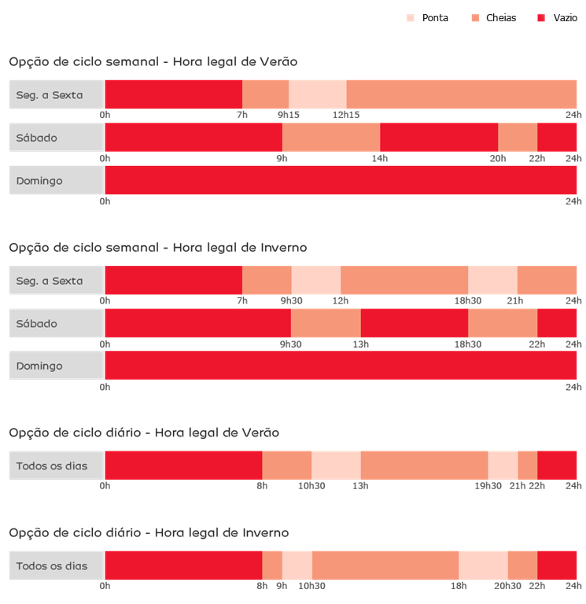
SIMULADOR DE TARIFA
SIMULATE: | 1 | 2 | 3 | 4 | 5 | 6
CYCLE: | DAILY | DAILY
TARIFF: | TRI | MONO
DATE: | 2023-07-08 | 2023-07-08
TIME: | 12:00:00 | 12:00:00
SEASON: | SUMMER | SUMMER
WEEKDAY: | SAT | SAT
PERIOD: | PONTA | PONTA
RESULT: | PONTA | SIMPLES

