Sheet1
Tag | Value
FileName | DJI_0521.JPG
FileSize | 5.1 MB
FileModifyDate | 2024:07:16 16:44:51+0000
FileAccessDate | 2024:07:16 16:44:51+0000
FileInodeChangeDate | 2024:07:16 16:44:51+0000
FilePermissions | -rw-rw-r--
FileType | JPEG
FileTypeExtension | jpg
MIMEType | image/jpeg
ExifByteOrder | Little-endian (Intel, II)
ImageWidth | 4000
ImageHeight | 3000
EncodingProcess | Baseline DCT, Huffman coding
BitsPerSample | 8
ColorComponents | 3
YCbCrSubSampling | YCbCr4:2:2 (2 1)
ImageDescription | DCIM\101MEDIA\DJI_0521.JPG
Make | DJI
Model | FC220
Orientation | Horizontal (normal)
XResolution | 72
YResolution | 72
ResolutionUnit | inches
Software | v02.10.519
ModifyDate | 2022:06:30 00:00:00+0000
YCbCrPositioning | Centered
ExposureTime | 1/1302
FNumber | 2.2
ExposureProgram | Program AE
ISO | 100
ExifVersion | 230
DateTimeOriginal | 2022:06:30 12:13:41+0000
CreateDate | 2022:06:30 00:00:00+0000
ComponentsConfiguration | -, Cr, Cb, Y
CompressedBitsPerPixel | 3.16628
ShutterSpeedValue | 1/1301
ApertureValue | 2.2
ExposureCompensation | -0.344
MaxApertureValue | 2.2
SubjectDistance | 0 m
MeteringMode | Center-weighted average
LightSource | Unknown
Flash | No flash function
FocalLength | 4.7 mm
FlashpixVersion | 10
ColorSpace | sRGB
ExifImageWidth | 4000
ExifImageHeight | 3000
InteropIndex | R98 - DCF basic file (sRGB)
InteropVersion | 100
ExposureIndex | undef
FileSource | Digital Camera
SceneType | Directly photographed
CustomRendered | Normal
ExposureMode | Auto
WhiteBalance | Auto
DigitalZoomRatio | undef
FocalLengthIn35mmFormat | 26 mm
SceneCaptureType | Standard
GainControl | None
Contrast | Normal
Saturation | Normal
Sharpness | Hard
DeviceSettingDescription | (Binary data 4 bytes, use -b option to extract)
SubjectDistanceRange | Unknown
GPSVersionID | 2.3.0.0
GPSLatitudeRef | North
GPSLatitude | +41.4978983333
GPSLongitudeRef | West
GPSLongitude | -6.877347
GPSAltitudeRef | Above Sea Level
GPSAltitude | 708 m Above Sea Level
XPComment | 0.9.143
XPKeywords | N
Compression | JPEG (old-style)
ThumbnailOffset | 41984
ThumbnailLength | 9404
ThumbnailImage | (Binary data 9404 bytes, use -b option to extract)
SpeedX | +0.00
SpeedY | +0.10
SpeedZ | +0.00
Pitch | +3.40
Yaw | +118.50
Roll | +3.80
CameraPitch | -90
CameraYaw | +118.50
CameraRoll | +179.90
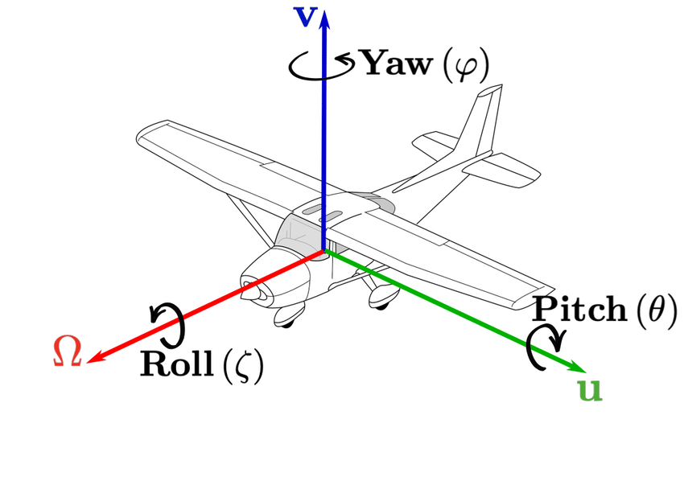
About | DJI Meta Data
Format | image/jpg
AbsoluteAltitude | +708.07
RelativeAltitude | +104.50
GimbalRollDegree | +179.90
GimbalYawDegree | +118.50
GimbalPitchDegree | -90
FlightRollDegree | +3.80
FlightYawDegree | +118.50
FlightPitchDegree | +3.40
CalibratedFocalLength | 3051.613037
CalibratedOpticalCenterX | 2000
CalibratedOpticalCenterY | 1500
Version | 7
HasSettings | false
HasCrop | false
AlreadyApplied | false
MPFVersion | 10
NumberOfImages | 2
MPImageFlags | Dependent child image
MPImageFormat | JPEG
MPImageType | Large Thumbnail (VGA equivalent)
MPImageLength | 273086
MPImageStart | 4809144
DependentImage1EntryNumber | 0
DependentImage2EntryNumber | 0
ImageUIDList | (Binary data 66 bytes, use -b option to extract)
TotalFrames | 1
PreviewImage | (Binary data 273086 bytes, use -b option to extract)
Aperture | 2.2
ImageSize | 4000x3000
Megapixels | 12
ScaleFactor35efl | 5.5
ShutterSpeed | 1/1302
CircleOfConfusion | 0.005 mm
FOV | 69.4 deg
FocalLength35efl | 4.7 mm (35 mm equivalent: 26.0 mm)
GPSPosition | +41.4978983333, -6.8773470000
HyperfocalDistance | 1.86 m
LightValue | 12.6
Link | DJI_0521.JPG

Sheet2
