4019-Aeroplane
Image | Item No

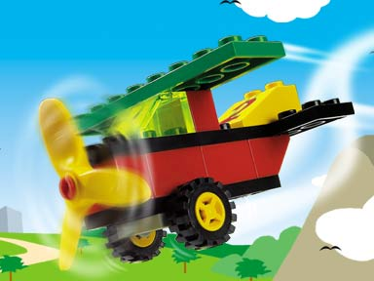
 |  | 3795 | 3034 | 4600 | 3004 | 3003 | 2458 | 3660 | 3039 | 4617 | 3298pb011 | 4624c02(inv)
 | 3795 | 1 | 0 | 1 | 1 | 2 | 1 | 1 | 1 | 0 | 1 | 0
 | 3034 | 0 | 0 | 0 | 1 | 0 | 0 | 0 | 1 | 0 | 0 | 0
 | 4600 | 1 | 0 | 0 | 0 | 0 | 0 | 0 | 0 | 0 | 0 | 2
 | 3004 | 1 | 1 | 0 | 0 | 0 | 1 | 0 | 0 | 0 | 0 | 0
 | 3003 | 2 | 0 | 0 | 0 | 1 | 0 | 1 | 0 | 0 | 0 | 0
 | 2458 | 1 | 0 | 0 | 1 | 0 | 0 | 0 | 1 | 0 | 0 | 0
 | 3660 | 1 | 0 | 0 | 0 | 1 | 0 | 0 | 0 | 0 | 0 | 0
 | 3039 | 1 | 1 | 0 | 0 | 0 | 1 | 0 | 0 | 0 | 0 | 0
 | 4617 | 0 | 0 | 0 | 0 | 0 | 0 | 0 | 0 | 0 | 0 | 0
 | 3298pb011 | 1 | 0 | 0 | 0 | 0 | 0 | 0 | 0 | 0 | 0 | 0
 | 4624c02(inv) | 0 | 0 | 2 | 0 | 0 | 0 | 0 | 0 | 0 | 0 | 0
*

7962_Anakin and Sebulba's Pods
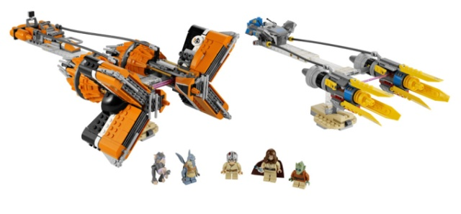
 | image | element | qty | color | design | name | step | conn_1 | conn_2 | w |  | step | conn_1 | conn_2 | w |  | List
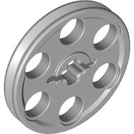 |  | 4494222 | 4 | Medium Stone Grey | 4185 | WEDGE-BELT WHEEL Ø24 | 2 | 4557157 | 4211469 | 2 |  | 2 | 4557157 | 4211469 |  |  | 243626
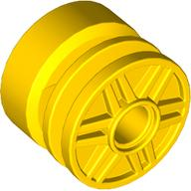 |  | 4490142 | 2 | Bright Yellow | 55981 | RIM WIDE 18x14 W. HOLE Ø4.8 | 3 | 4557157 | 4645091 | 1 |  | 3 | 4557157 | 4645091 | 1 |  | 302126
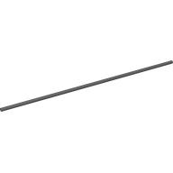 |  | 4544002 | 4 | Metallic Dark Grey | 85526 | OUTER CABLE 192MM | 4 | 4211475 | 4211475 | 1 |  | 4 | 4211475 | 4211475 | 1 |  | 302221
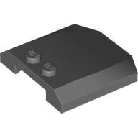 |  | 4210940 | 1 | Dark Stone Grey | 45677 | PLATE 4X4X2/3 | 4 | 4211475 | 4645091 | 1 |  | 4 | 4211475 | 4645091 | 1 |  | 302226
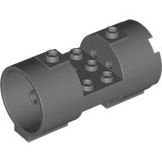 |  | 4645091 | 2 | Dark Stone Grey | 93168 | ENGINE 3X3X6 | 6 | 4211150 | 4645091 | 2 |  | 6 | 4211150 | 4645091 | 2 |  | 302326
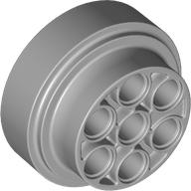 |  | 4511007 | 2 | Medium Stone Grey | 60208 | Turbine ø31,37 w.holes ø 4,85 | 6 | 4211525 | 4645091 | 2 |  | 6 | 4211525 | 4645091 | 2 |  | 302426
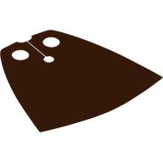 |  | 4227505 | 1 | Reddish Brown | 50231 | BROWN CAPE | 7 | 4211150 | 4625814 | 1 |  | 7 | 4211150 | 4625814 | 1 |  | 306224
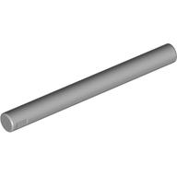 |  | 4211628 | 20 | Medium Stone Grey | 30374 | LIGHT SWORD - BLADE | 8 | 4211525 | 4625814 | 1 |  | 8 | 4211525 | 4625814 | 1 |  | 306226
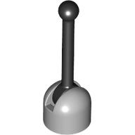 |  | 4221775 | 2 | Medium Stone Grey | 73587 | MINI ANTENNA GREY/BLACK | 8 | 4557157 | 4211469 | 2 |  | 8 | 4557157 | 4211469 | 2 |  | 307026
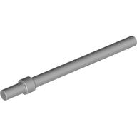 |  | 4538098 | 4 | Medium Stone Grey | 63965 | STICK 6M W/FLANGE | 8 | 4557157 | 4645091 | 1 |  | 8 | 4557157 | 4645091 | 1 |  | 362226
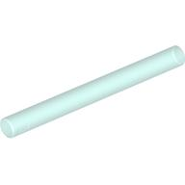 |  | 4124073 | 1 | Transparent Light Blue | 30374 | LIGHT SWORD - BLADE | 8 | 4211475 | 4211475 | 1 |  | 8 | 4211475 | 4211475 | 1 |  | 362301
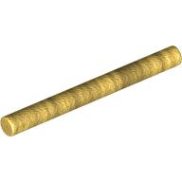 |  | 4600267 | 4 | Warm Gold | 30374 | LIGHT SWORD - BLADE | 8 | 4211475 | 4645091 | 1 |  | 8 | 4211475 | 4645091 | 1 |  | 366601
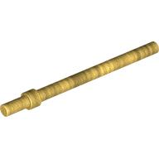 |  | 4600270 | 8 | Warm Gold | 63965 | STICK 6M W/FLANGE | 8 | 4211150 | 4645091 | 2 |  | 8 | 4211150 | 4645091 | 2 |  | 370626
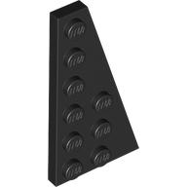 |  | 4283046 | 4 | Black | 54383 | RIGHT PLATE 3X6 W. ANGLE | 8 | 4211525 | 4645091 | 2 |  | 8 | 4211525 | 4645091 | 2 |  | 371023
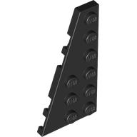 |  | 4283047 | 4 | Black | 54384 | LEFT PLATE 3X6 W ANGLE | 9 | 4211150 | 4625814 | 1 |  | 9 | 4211150 | 4625814 | 1 |  | 379423
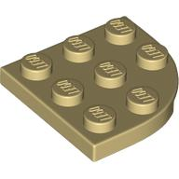 |  | 4543858 | 8 | Brick Yellow | 30357 | PLATE 3X3, 1/4 CIRCLE | 16 | 4211525 | 4625814 | 1 |  | 16 | 4211525 | 4625814 | 1 |  | 379424
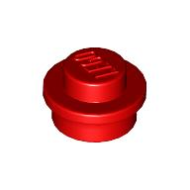 |  | 614121 | 7 | Bright Red | 6141 | ROUND PLATE 1X1 | 9 | 4211525 | 4211150 | 2 |  | 9 | 4211525 | 4211150 | 2 |  | 379426
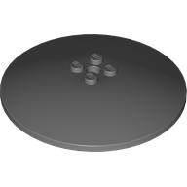 |  | 4268409 | 2 | Dark Stone Grey | 3961 | ROUND PLATE Ø64X9.6 | 9 | 4211525 | 4211525 | 2 |  | 9 | 4211525 | 4211525 | 2 |  | 393726
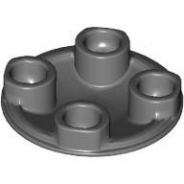 |  | 4278274 | 2 | Dark Stone Grey | 2654 | SLIDE SHOE ROUND 2X2 | 9 | 4211150 | 4550017 | 4 |  | 9 | 4211150 | 4550017 | 4 |  | 428623
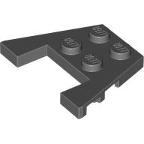 |  | 4596895 | 1 | Dark Stone Grey | 90194 | PLATE 3X4 W/ANGLES | 10 | 302226 | 4625814 | 2 |  | 10 | 302226 | 4625814 | 2 |  | 613421
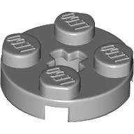 |  | 4211475 | 6 | Medium Stone Grey | 4032 | PLATE 2X2 ROUND | 10 | 302226 | 4550017 | 2 |  | 10 | 302226 | 4550017 | 2 |  | 614121
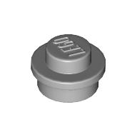 |  | 4211525 | 17 | Medium Stone Grey | 6141 | ROUND PLATE 1X1 | 10 | 302226 | 4211525 | 2 |  | 10 | 302226 | 4211525 | 2 |  | 4107623
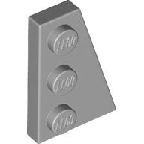 |  | 4211791 | 2 | Medium Stone Grey | 43722 | RIGHT PLATE 2X3 W/ANGLE | 11 | 4211475 | 4645091 | 2 |  | 11 | 4211475 | 4645091 | 2 |  | 4113106
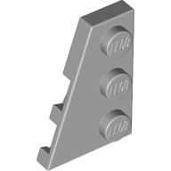 |  | 4211794 | 2 | Medium Stone Grey | 43723 | LEFT PLATE 2X3 W/ANGLE | 11 | 4645091 | 4160406 | 2 |  | 11 | 4645091 | 4160406 | 2 |  | 4114309
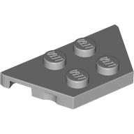 |  | 4507056 | 9 | Medium Stone Grey | 51739 | PLATE 2X4X18° | 11 | 4557157 | 4160406 | 2 | Step #12 | 11 | 4557157 | 4160406 | 2 | Step #12 | 4114324
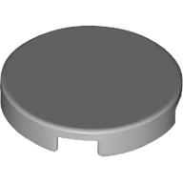 |  | 6052200 | 1 | Medium Stone Grey | 14769 | FLAT TILE 2X2, ROUND | 12-13 | 302221 | 4211150 | 4 |  | 12-13 | 302221 | 4211150 | 4 |  | 4118787
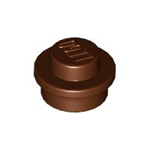 |  | 4216581 | 13 | Reddish Brown | 6141 | ROUND PLATE 1X1 | 12-13 | 302221 | 4210883 | 4 |  | 12-13 | 302221 | 4210883 | 4 |  | 4121741
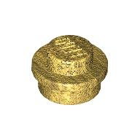 |  | 4523159 | 5 | Warm Gold | 6141 | PLATE 1X1 ROUND | 12-13 | 4211350 | 4211150 | 4 |  | 12-13 | 4211350 | 4211150 | 4 |  | 4121921
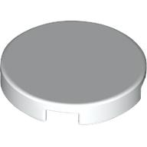 |  | 6044691 | 2 | White | 14769 | FLAT TILE 2X2, ROUND | 12-13 | 4211350 | 4210883 | 4 |  | 12-13 | 4211350 | 4210883 | 4 |  | 4124073
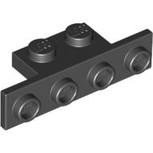 |  | 243626 | 2 | Black | 2436 | ANGLE PLATE 1X2/1X4 | 12-13 | 302221 | 4211469 | 4 |  | 12-13 | 302221 | 4211469 | 4 |  | 4125278
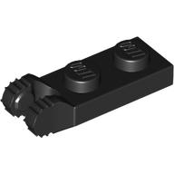 |  | 4183060 | 8 | Black | 44302 | PLATE 1X2 W/FORK/VERTICAL/END | 14 | 4206482 | 4490142 | 2 |  | 14 | 4206482 | 4490142 | 2 |  | 4141089
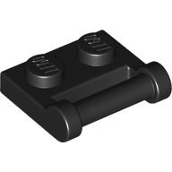 |  | 4225201 | 4 | Black | 48336 | PLATE 1X2 W. STICK 3.18 | 14 | 4143005 | 4490142 | 2 |  | 14 | 4143005 | 4490142 | 2 |  | 4142865
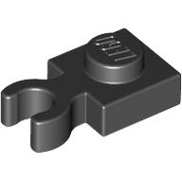 |  | 4550017 | 4 | Black | 60897 | PLATE 1X1 W. HOLDER | 14 | 306224 | 4143005 | 2 |  | 14 | 306224 | 4143005 | 2 |  | 4143005
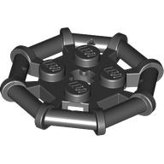 |  | 6018805 | 2 | Black | 75937 | PARABOLIC RING | 14 | 4206482 | 4645091 | 2 |  | 14 | 4206482 | 4645091 | 2 |  | 4153825
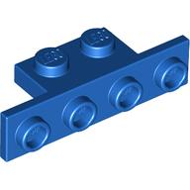 |  | 4189120 | 2 | Bright Blue | 2436 | ANGLE PLATE 1X2/1X4 | 15 | 4211525 | 302226 | 2 |  | 15 | 4211525 | 302226 | 2 |  | 4159007
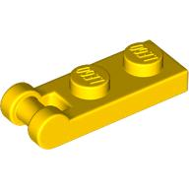 |  | 4515367 | 4 | Bright Yellow | 60478 | PLATE 1X2 W/SHAFT Ø3.2 | 15 | 4211350 | 302226 | 2 |  | 15 | 4211350 | 302226 | 2 |  | 4160406
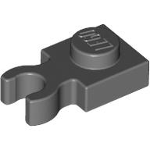 |  | 4210632 | 4 | Dark Stone Grey | 4085 | PLATE 1X1 W. HOLDER | 15 | 4143005 | 302226 | 2 |  | 15 | 4143005 | 302226 | 2 |  | 4160593
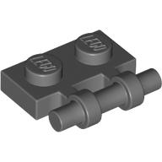 |  | 4210660 | 2 | Dark Stone Grey | 2540 | PLATE 1X2 W. STICK | 16 | 4515367 | 4210883 | 4 |  | 16 | 4515367 | 4210883 | 4 |  | 4162443
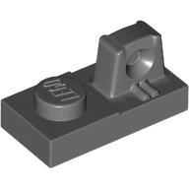 |  | 4210726 | 2 | Dark Stone Grey | 30383 | PLATE 1X2 W/STUB/ALONG/UPPER P | 17 | 4515369 | 4645091 | 2 |  | 17 | 4515369 | 4645091 | 2 |  | 4169355
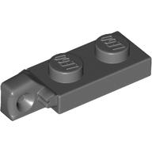 |  | 4210883 | 4 | Dark Stone Grey | 44301 | PLATE 1X2 W/STUB VERTICAL/END | 17 | 4219913 | 4645091 | 2 |  | 17 | 4219913 | 4645091 | 2 |  | 4173332
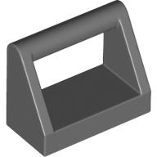 |  | 4211039 | 2 | Dark Stone Grey | 2432 | CLAMP 1X2 | 18 | 4211053 | 4211525 | 1 |  | 18 | 4211053 | 4211525 | 1 |  | 4183060
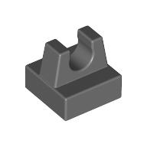 |  | 4211069 | 16 | Dark Stone Grey | 2555 | PLATE 1X1 W. UP RIGHT HOLDER | 18 | 4211053 | 4515369 | 1 |  | 18 | 4211053 | 4515369 | 1 |  | 4188771
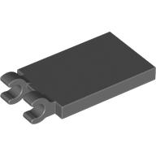 |  | 4227517 | 2 | Dark Stone Grey | 30350 | PLATE 2X3 W. HOLDER | 18 | 4211053 | 4219913 | 1 |  | 18 | 4211053 | 4219913 | 1 |  | 4189120
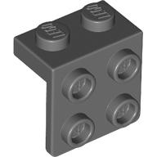 |  | 6117972 | 4 | Dark Stone Grey | 21712 | ANGLE PLATE 1X2 / 2X2 | 19 | 4515369 | 4625564 | 2 |  | 19 | 4515369 | 4625564 | 2 |  | 4206482
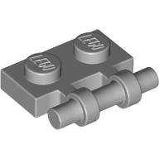 |  | 4211632 | 2 | Medium Stone Grey | 2540 | PLATE 1X2 W. STICK | 19 | 4219913 | 4626523 | 6 |  | 19 | 4219913 | 4626523 | 6 |  | 4210631
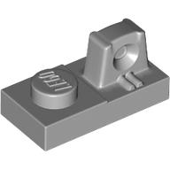 |  | 4219913 | 2 | Medium Stone Grey | 30383 | PLATE 1X2 W/STUB/ALONG/UPPER P | 20-2 | 4625594 | 4514554 | 7 |  | 20-2 | 4625594 | 4514554 | 7 |  | 4210632
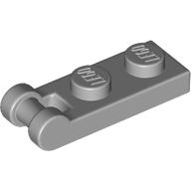 |  | 4515369 | 6 | Medium Stone Grey | 60478 | PLATE 1X2 W/SHAFT Ø3.2 | 20-2 | 4625594 | 4625594 | 1 |  | 20-2 | 4625594 | 4625594 | 1 |  | 4210636
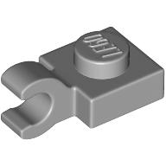 |  | 4541978 | 1 | Medium Stone Grey | 61252 | PLATE 1X1 W/HOLDER VERTICAL | 20-3 | 4625594 | 4514554 | 7 |  | 20-3 | 4625594 | 4514554 | 7 |  | 4210639
 |  | 4556157 | 12 | Medium Stone Grey | 60470 | PLATE 1X2 W/HOLDER, VERTICAL | 20-3 | 4211541 | 4514554 | 4 |  | 20-3 | 4211541 | 4514554 | 4 |  | 4210660
 |  | 4594238 | 4 | Medium Stone Grey | 60897 | PLATE 1X1 W. HOLDER | 20-4 | 4625594 | 4625594 | 2 |  | 20-4 | 4625594 | 4625594 | 2 |  | 4210676
 |  | 6010685 | 3 | Transparent Medium Reddish Violet | 99784 | PLATE 1X2 W. SHAFT 12M | 20-4 | 4625594 | 4514554 | 7 |  | 20-4 | 4625594 | 4514554 | 7 |  | 4210726
 |  | 302126 | 4 | Black | 3021 | PLATE 2X3 | 20-5 | 4625594 | 4625586 | 1 |  | 20-5 | 4625594 | 4625586 | 1 |  | 4210753
 |  | 302226 | 4 | Black | 3022 | PLATE 2X2 | 20-5 | 4514554 | 4625586 | 2 |  | 20-5 | 4514554 | 4625586 | 2 |  | 4210796
 |  | 302326 | 2 | Black | 3023 | PLATE 1X2 | 20-6 | 4514554 | 4625586 | 1 |  | 20-6 | 4514554 | 4625586 | 1 |  | 4210851
 |  | 302426 | 8 | Black | 3024 | PLATE 1X1 | 20-6 | 4211815 | 4625586 | 1 |  | 20-6 | 4211815 | 4625586 | 1 |  | 4210883
 |  | 307026 | 1 | Black | 3070 | FLAT TILE 1X1 | 20-7 | 4210753 | 4625594 | 1 |  | 20-7 | 4210753 | 4625594 | 1 |  | 4210906
 |  | 379426 | 2 | Black | 3794 | PLATE 1X2 W. 1 KNOB | 20-7 | 4210753 | 4514554 | 1 |  | 20-7 | 4210753 | 4514554 | 1 |  | 4210935
 |  | 4114309 | 1 | Brick Yellow | 3020 | PLATE 2X4 | 20-7 | 4210753 | 4211815 | 1 |  | 20-7 | 4210753 | 4211815 | 1 |  | 4210940
 |  | 4114324 | 4 | Brick Yellow | 3460 | PLATE 1X8 | 20-8 | 4625586 | 4211815 | 1 |  | 20-8 | 4625586 | 4211815 | 1 |  | 4211039
 |  | 4121921 | 2 | Brick Yellow | 3623 | PLATE 1X3 | 20-8 | 4625586 | 4210753 | 1 |  | 20-8 | 4625586 | 4210753 | 1 |  | 4211051
 |  | 4550324 | 4 | Brick Yellow | 2431 | FLAT TILE 1X4 | 20-8 | 4625586 | 4514554 | 3 |  | 20-8 | 4625586 | 4514554 | 3 |  | 4211053
 |  | 371023 | 4 | Bright Blue | 3710 | PLATE 1X4 | 20-9 | 4516546 | 370626 | 1 |  | 20-9 | 4516546 | 370626 | 1 |  | 4211069
 |  | 379423 | 2 | Bright Blue | 3794 | PLATE 1X2 W. 1 KNOB | 20-9 | 370626 | 4211573 | 1 |  | 20-9 | 370626 | 4211573 | 1 |  | 4211076
 |  | 4121741 | 8 | Bright Orange | 3795 | PLATE 2X6 | 20-10 | 370626 | 4211573 | 1 |  | 20-10 | 370626 | 4211573 | 1 |  | 4211080
 |  | 4125278 | 20 | Bright Orange | 3021 | PLATE 2X3 | 20-10 | 370626 | 4516546 | 1 |  | 20-10 | 370626 | 4516546 | 1 |  | 4211090
 |  | 4159007 | 4 | Bright Orange | 3022 | PLATE 2X2 | 21-1 | 4211108 | 4249139 | 1 |  | 66 | 4211080 |  |  | pág. 19 | 4211119
 |  | 4160593 | 10 | Bright Orange | 2431 | FLAT TILE 1X4 | 21-2 | 370626 | 4249139 | 2 |  | 67 |  |  |  |  | 4211150
 |  | 4173332 | 8 | Bright Orange | 3666 | PLATE 1X6 | 21-3 | 4511007 | 370626 | 2 |  | 68 |  |  |  |  | 4211186
 |  | 4188771 | 2 | Bright Orange | 3069 | FLAT TILE 1X2 | 21-3 | 4239601 | 370626 | 2 |  | 69 |  |  |  |  | 4211189
 |  | 302221 | 1 | Bright Red | 3022 | PLATE 2X2 | 21-4 | 370626 | 4143005 | 10 |  | 70 |  |  |  |  | 4211350
 |  | 379424 | 12 | Bright Yellow | 3794 | PLATE 1X2 W. 1 KNOB | 21-5 | 4211553 | 370626 | 2 |  | 71 |  |  |  |  | 4211356
 |  | 4210631 | 30 | Dark Stone Grey | 2412 | RADIATOR GRILLE 1X2 | 21-5 | 4142865 | 4211553 | 2 |  | 72 |  |  |  |  | 4211364
 |  | 4210796 | 1 | Dark Stone Grey | 4282 | PLATE 2X16 | 21-6 | 306226 | 4511007 | 10 |  | 73 |  |  |  |  | 4211388
 |  | 4211053 | 2 | Dark Stone Grey | 2431 | FLAT TILE 1X4 | 21-7 | 306226 | 4494222 | 4 |  | 74 |  |  |  |  | 4211395
 |  | 4211119 | 1 | Dark Stone Grey | 3794 | PLATE 1X2 W. 1 KNOB | 21-8 | 4142865 | 4516546 | 2 |  | 75 |  |  |  |  | 4211396
 |  | 4243831 | 1 | Dark Stone Grey | 3031 | PLATE 4X4 | 76 | 306226 | 4645091 | 2 |  | 76 |  |  |  |  | 4211404
 |  | 4568734 | 2 | Dark Stone Grey | 63864 | FLAT TILE 1x3 | 77 |  |  |  | pág. 22 | 77 |  |  |  |  | 4211414
 |  | 4598769 | 2 | Dark Stone Grey | 92593 | PLATE 1X4 W. 2 KNOBS | 78 |  |  |  | bag #2 | 78 |  |  |  |  | 4211437
 |  | 4211350 | 10 | Medium Stone Grey | 2412 | RADIATOR GRILLE 1X2 | 79 |  |  |  |  | 79 |  |  |  |  | 4211442
 |  | 4211356 | 4 | Medium Stone Grey | 2431 | FLAT TILE 1X4 | 80 |  |  |  |  | 80 |  |  |  |  | 4211445
 |  | 4211395 | 2 | Medium Stone Grey | 3020 | PLATE 2X4 | 81 |  |  |  |  | 81 |  |  |  |  | 4211452
 |  | 4211396 | 10 | Medium Stone Grey | 3021 | PLATE 2X3 | 82 |  |  |  |  | 82 |  |  |  |  | 4211462
 |  | 4211404 | 8 | Medium Stone Grey | 3032 | PLATE 4X6 | 83 |  |  |  |  | 83 |  |  |  |  | 4211469
 |  | 4211414 | 2 | Medium Stone Grey | 3069 | FLAT TILE 1X2 | 84 |  |  |  |  | 84 |  |  |  |  | 4211470
 |  | 4211445 | 2 | Medium Stone Grey | 3710 | PLATE 1X4 | 85 |  |  |  |  | 85 |  |  |  |  | 4211475
 |  | 4211452 | 5 | Medium Stone Grey | 3795 | PLATE 2X6 | 86 |  |  |  |  | 86 |  |  |  |  | 4211483
 |  | 4211462 | 4 | Medium Stone Grey | 3832 | PLATE 2X10 | 87 |  |  |  |  | 87 |  |  |  |  | 4211525
 |  | 4211150 | 8 | Reddish Brown | 3023 | PLATE 1X2 | 88 |  |  |  |  | 88 |  |  |  |  | 4211541
 |  | 4211186 | 8 | Reddish Brown | 3020 | PLATE 2X4 | 89 |  |  |  |  | 89 |  |  |  |  | 4211553
 |  | 4211189 | 1 | Reddish Brown | 3021 | PLATE 2X3 | 90 |  |  |  |  | 90 |  |  |  |  | 4211566
 |  | 4528604 | 8 | Sand Yellow | 3023 | PLATE 1X2 | 91 |  |  |  |  | 91 |  |  |  |  | 4211573
 |  | 362301 | 4 | White | 3623 | PLATE 1X3 | 92 |  |  |  |  | 92 |  |  |  |  | 4211575
 |  | 366601 | 12 | White | 3666 | PLATE 1X6 | 93 |  |  |  |  | 93 |  |  |  |  | 4211584
 |  | 4218868 | 2 | Black | 2723 | DISK Ø24 | 94 |  |  |  |  | 94 |  |  |  |  | 4211628
 |  | 4540177 | 4 | Bright Orange | 64712 | RIM W. STUDS Ø62 | 95 |  |  |  |  | 95 |  |  |  |  | 4211632
 |  | 4211566 | 2 | Medium Stone Grey | 6632 | TECHNIC LEVER 3M | 96 |  |  |  |  | 96 |  |  |  |  | 4211791
 |  | 393726 | 1 | Black | 3937 | ROCKER BEARING 1X2 | 97 |  |  |  |  | 97 |  |  |  |  | 4211794
 |  | 613421 | 4 | Bright Red | 6134 | PLATE 2X2 (ROCKING) | 98 |  |  |  |  | 98 |  |  |  |  | 4211815
 |  | 4211469 | 4 | Medium Stone Grey | 3937 | ROCKER BEARING 1X2 | 99 |  |  |  |  | 99 |  |  |  |  | 4216581
 |  | 4211470 | 1 | Medium Stone Grey | 3938 | PLATE 1X2 (ROCKING) | 100 |  |  |  |  | 100 |  |  |  |  | 4216653
 |  | 4624801 | 24 | Bright Orange | 4865 | WALL ELEMENT 1X2X1 | 101 |  |  |  |  | 101 |  |  |  |  | 4218696
 |  | 4113106 | 2 | Transparent | 30010 | WALL ELEMENT 1X2X1 - TR. | 102 |  |  |  |  | 102 |  |  |  |  | 4218868
 |  | 4548731 | 1 | Cool Silver, Drum Lacquered | 86132 | LIGHT SWORD STOCK, DRUM LAC. | 103 |  |  |  |  | 103 |  |  |  |  | 4219913
 |  | 4630120 | 1 | Light Nougat | 96747 | MINI HEAD NO "816" | 104 |  |  |  |  | 104 |  |  |  |  | 4220284
 |  | 6023696 | 1 | Light Nougat | 96769 | MINI HEAD NO "817" | 105 |  |  |  |  | 105 |  |  |  |  | 4221775
 |  | 6020554 | 1 | Sand Blue | 12246 | WATTO NO.1 | 106 |  |  |  |  | 106 |  |  |  |  | 4222047
 |  | 4630118 | 1 | Sand Green | 96745 | GREEDO HEAD "WALD" | 107 |  |  |  |  | 107 |  |  |  |  | 4225201
 |  | 6022456 | 1 | Medium Stone Grey | 96738 | REBEL PILOT HELMET "ANAKIN" | 108 |  |  |  |  | 108 |  |  |  |  | 4227155
 |  | 4655372 | 1 | Reddish Brown | 98011 | HOOD FOR CLOAK | 109 |  |  |  |  | 109 |  |  |  |  | 4227505
 |  | 4107623 | 1 | Brick Yellow | 73200 | MINI LOWER PART, BRICK YELLOW | 110 |  |  |  |  | 110 |  |  |  |  | 4227517
 |  | 4507055 | 2 | Brick Yellow | 41879 | MINI LEG | 111 |  |  |  |  | 111 |  |  |  |  | 4239601
 |  | 4630062 | 1 | Brick Yellow | 76382 | MINI UPPER PART NO. "1802" | 112 |  |  |  |  | 112 |  |  |  |  | 4243831
 |  | 6032085 | 1 | Brick Yellow | 76382 | MINI UPPER PART NO "1808" | 113 |  |  |  |  | 113 |  |  |  |  | 4249139
 |  | 4630326 | 1 | Dark Orange | 76382 | MINI UPPER PART NR "1810" | 114 |  |  |  |  | 114 |  |  |  |  | 4251969
 |  | 4630102 | 1 | Sand Blue | 41879 | MINI LEG | 115 |  |  |  |  | 115 |  |  |  |  | 4268409
 |  | 4630318 | 1 | Sand Blue | 76382 | MINI UPPER PART NO "1809" | 116 |  |  |  |  | 116 |  |  |  |  | 4278274
 |  | 4505757 | 4 | Black | 59230 | SPACE ARM, ANGLED H. | 117 |  |  |  |  | 117 |  |  |  |  | 4283046
 |  | 6044717 | 1 | Dark Stone Grey | 12170 | SEBULBA BODY DEC. | 118 |  |  |  |  | 118 |  |  |  |  | 4283047
 |  | 6044718 | 2 | Dark Stone Grey | 12171 | SEBULBA ARM DEC. | 119 |  |  |  |  | 119 |  |  |  |  | 4289048
 |  | 6008483 | 18 | Silver Metallic | 76116 | BAD ROBOT ARM | 120 |  |  |  |  | 120 |  |  |  |  | 4490142
 |  | 4210676 | 2 | Dark Stone Grey | 6190 | TELEPHONE RECIVER | 121 |  |  |  |  | 121 |  |  |  |  | 4494222
 |  | 4211051 | 2 | Dark Stone Grey | 30162 | PRISMATIC BINOCULARS | 122 |  |  |  |  | 122 |  |  |  |  | 4504369
 |  | 4211080 | 4 | Dark Stone Grey | 30194 | CIRCULAR SAW | 123 |  |  |  |  | 123 |  |  |  |  | 4504371
 |  | 4211584 | 2 | Medium Stone Grey | 6187 | HANDLE 1X4X2 | 124 |  |  |  |  | 124 |  |  |  |  | 4505757
 |  | 4169355 | 1 | Bright Orange | 30602 | FRONT, 2X2, SPORT | 125 |  |  |  |  | 125 |  |  |  |  | 4507055
 |  | 6040337 | 6 | Bright Yellow | 14137 | FLAP 2X8 FRICTION/FORK | 126 |  |  |  |  | 126 |  |  |  |  | 4507056
 |  | 4218696 | 1 | Dark Stone Grey | 47457 | PLATES W. BOWS 2X2 | 127 |  |  |  |  | 127 |  |  |  |  | 4507820
 |  | 4507820 | 2 | Black | 30554 | LINK 1M FRIC/FORK/STUMPF | 128 |  |  |  |  | 128 |  |  |  |  | 4511007
 |  | 370626 | 4 | Black | 3706 | CROSS AXLE 6M | 129 |  |  |  |  | 129 |  |  |  |  | 4514554
 |  | 4514554 | 16 | Brick Yellow | 32556 | 3M CONNECTOR PEG | 130 |  |  |  |  | 130 |  |  |  |  | 4515367
 |  | 4143005 | 12 | Bright Blue | 4274 | CONNECTOR PEG W. KNOB | 131 |  |  |  |  | 131 |  |  |  |  | 4515369
 |  | 4206482 | 2 | Bright Blue | 43093 | CONN.BUSH W.FRIC./CROSSALE | 132 |  |  |  |  | 132 |  |  |  |  | 4516546
 |  | 4142865 | 2 | Bright Red | 32062 | 2M CROSS AXLE W. GROOVE | 133 |  |  |  |  | 133 |  |  |  |  | 4518029
 |  | 4227155 | 2 | Bright Red | 6590 | BUSH FOR CROSS AXLE | 134 |  |  |  |  | 134 |  |  |  |  | 4523159
 |  | 4239601 | 4 | Bright Yellow | 32123 | 1/2 BUSH | 135 |  |  |  |  | 135 |  |  |  |  | 4528604
 |  | 4516546 | 8 | Dark Stone Grey | 59443 | CROSS AXLE, EXTENSION, 2M | 136 |  |  |  |  | 136 |  |  |  |  | 4535768
 |  | 4560177 | 2 | Dark Stone Grey | 87083 | CROSS AXLE 4M WITH END STOP | 137 |  |  |  |  | 137 |  |  |  |  | 4538098
 |  | 4222047 | 2 | Medium Stone Grey | 30553 | FRIC/FORK W. CROSS HOLE | 138 |  |  |  |  | 138 |  |  |  |  | 4540177
 |  | 4211483 | 4 | Medium Stone Grey | 4274 | CONNECTOR PEG W. KNOB | 139 |  |  |  |  | 139 |  |  |  |  | 4541978
 |  | 4211553 | 2 | Medium Stone Grey | 32039 | CATCH W. CROSS HOLE | 140 |  |  |  |  | 140 |  |  |  |  | 4543858
 |  | 4211573 | 2 | Medium Stone Grey | 32123 | 1/2 BUSH | 141 |  |  |  |  | 141 |  |  |  |  | 4544002
 |  | 4211575 | 2 | Medium Stone Grey | 32126 | TOGGEL JOINT | 142 |  |  |  |  | 142 |  |  |  |  | 4548731
 |  | 4211815 | 2 | Medium Stone Grey | 4519 | CROSS AXLE 3M | 143 |  |  |  |  | 143 |  |  |  |  | 4550017
 |  | 4535768 | 4 | Medium Stone Grey | 60485 | CROSS AXLE 9M | 144 |  |  |  |  | 144 |  |  | 2 |  | 4550324
 |  | 6031821 | 4 | Sand Yellow | 13670 | CROSSAXLE 3M WITH KNOB | 145 |  |  |  |  | 145 |  |  |  |  | 4556157
 |  | 428623 | 1 | Bright Blue | 4286 | ROOF TILE 1X3/25° | 146 |  |  |  |  | 146 |  |  |  |  | 4558952
 |  | 4504371 | 8 | Bright Orange | 54200 | ROOF TILE 1X1X2/3, ABS | 147 |  |  |  |  | 147 |  |  |  |  | 4560177
 |  | 4211076 | 1 | Dark Stone Grey | 4871 | ROOF TILE 4X2/45° INV. | 148 |  |  |  |  | 148 |  |  |  |  | 4567887
 |  | 4567887 | 4 | Dark Stone Grey | 85984 | ROOF TILE 1 X 2 X 2/3, ABS | 149 |  |  |  |  | 149 |  |  |  |  | 4568734
 |  | 4211437 | 1 | Medium Stone Grey | 3665 | ROOF TILE 1X2 INV. | 150 |  |  |  |  | 150 |  |  |  |  | 4594238
 |  | 4504369 | 2 | White | 54200 | ROOF TILE 1X1X2/3, ABS | 151 |  |  |  |  | 151 |  |  |  |  | 4596895
 |  | 4210639 | 2 | Dark Stone Grey | 6541 | TECHNIC BRICK 1X1 | 152 |  |  |  |  | 152 |  |  |  |  | 4598769
 |  | 4210935 | 12 | Dark Stone Grey | 32064 | BRICK 1X2 WITH CROSS HOLE | 153 |  |  |  |  | 153 |  |  |  |  | 4600267
 |  | 4211364 | 2 | Medium Stone Grey | 2458 | BRICK 1X2 W. HORIZONTAL SNAP | 154 |  |  |  |  | 154 |  |  |  |  | 4600270
 |  | 4211442 | 1 | Medium Stone Grey | 3702 | TECHNIC BRICK 1X8 | 155 |  |  |  |  | 155 |  |  |  |  | 4609397
 |  | 4211541 | 2 | Medium Stone Grey | 32000 | BRICK 1X2 M. 2 HOLES Ø 4,87 | 156 |  |  |  |  | 156 |  |  |  |  | 4624800
 |  | 306226 | 10 | Black | 3062 | ROUND BRICK 1X1 | 157 |  |  |  |  | 157 |  |  |  |  | 4624801
 |  | 4609397 | 2 | Black | 88293 | ARCH BRICK 3X3X2 | 158 |  |  |  |  | 158 |  |  |  |  | 4625586
 |  | 4141089 | 4 | Bright Orange | 6143 | BRICK Ø16 W. CROSS | 159 |  |  |  |  | 159 |  |  |  |  | 4625594
 |  | 4216653 | 2 | Bright Orange | 30367 | FINAL BRICK 2X2 | 160 |  |  |  |  | 160 |  |  |  |  | 4630062
 |  | 4518029 | 4 | Bright Orange | 59900 | NOSE CONE SMALL 1X1 | 161 |  |  |  |  | 161 |  |  |  |  | 4630102
 |  | 306224 | 2 | Bright Yellow | 3062 | ROUND BRICK 1X1 | 162 |  |  |  |  | 162 |  |  |  |  | 4630118
 |  | 4211090 | 10 | Dark Stone Grey | 3062 | ROUND BRICK 1X1 | 163 |  |  |  |  | 163 |  |  |  |  | 4630120
 |  | 4249139 | 2 | Dark Stone Grey | 6143 | BRICK Ø16 W. CROSS | 164 |  |  |  |  | 164 |  |  |  |  | 4630318
 |  | 6022161 | 2 | Dark Stone Grey | 3942 | NOSE CONE 2X2X2 | 165 |  |  |  |  | 165 |  |  |  |  | 4630326
 |  | 4162443 | 8 | Black | 30414 | BRICK 1X4 W. 4 KNOBS | 166 |  |  |  |  | 166 |  |  |  |  | 4645091
 |  | 4220284 | 8 | Bright Yellow | 30364 | BRICK 1X2 W/STUB VERTICAL END | 167 |  |  |  |  | 167 |  |  |  |  | 4655372
 |  | 6289719 | 2 | Bright Yellow | 52107 | BRICK 1X2 W. FOUR KNOBS | 168 |  |  |  |  | 168 |  |  |  |  | 6008483
 |  | 4558952 | 10 | White | 87087 | BRICK 1X1 W. 1 KNOB | 169 |  |  |  |  | 169 |  |  |  |  | 6010685
 |  | 4289048 | 2 | Bright Orange | 47753 | BRICK 4X4 W. BOW/ANGLE | 170 |  |  |  |  | 170 |  |  |  |  | 6018805
 |  | 4210906 | 1 | Dark Stone Grey | 4855 | ROOF TILE 4X2/18° INV. | 171 |  |  |  |  | 171 |  |  |  |  | 6019726
 |  | 6019726 | 8 | Black | 10314 | BRICK 1X4X1 1/3 | 172 |  |  |  |  | 172 |  |  |  |  | 6020554
 |  | 6042952 | 6 | Brick Yellow | 11153 | BRICK WITH BOW 1X4 | 173 |  |  |  |  | 173 |  |  |  |  | 6022161
 |  | 4251969 | 4 | Bright Orange | 50950 | Brick w/bow 1/3 | 174 |  |  |  |  | 174 |  |  |  |  | 6022456
 |  | 4624800 | 8 | Bright Orange | 6191 | BRICK 1X4X1 1/3 | 175 |  |  |  |  | 175 |  |  |  |  | 6023696
 |  | 4160406 | 2 | Bright Red | 42023 | BRICK 1X6 W/BOW, REV. | 176 |  |  |  |  | 176 |  |  |  |  | 6031821
 |  | 362226 | 4 | Black | 3622 | BRICK 1X3 | 177 |  |  |  |  | 177 |  |  |  |  | 6032085
 |  | 4118787 | 2 | Bright Orange | 3622 | BRICK 1X3 | 178 |  |  |  |  | 178 |  |  |  |  | 6040337
 |  | 4153825 | 2 | Bright Orange | 3003 | BRICK 2X2 | 179 |  |  |  |  | 179 |  |  |  |  | 6042952
 |  | 4210636 | 8 | Dark Stone Grey | 2877 | PROFILE BRICK 1X2 | 180 |  |  |  |  | 180 |  |  |  |  | 6044691
 |  | 4211388 | 4 | Medium Stone Grey | 3004 | BRICK 1X2 | 181 |  |  |  |  | 181 |  |  |  |  | 6044717
 |  | 4210851 | 4 | Dark Stone Grey | 6536 | CROSS BLOCK 90° | 182 |  |  |  |  | 182 |  |  |  |  | 6044718
 |  | 4210753 | 2 | Dark Stone Grey | 32526 | TECHNIC ANG. BEAM 3X5 90 DEG. | 183 |  |  |  |  | 183 |  |  |  |  | 6052200
 |  | 4625586 | 4 | Transparent | 32009 | DOUBLE ANGULAR BEAM 3X7 45° | 184 |  |  |  |  | 184 |  |  |  |  | 6117972
 |  | 4625594 | 6 | Transparent | 32278 | TECHNIC 15M BEAM | 185 |  |  |  |  | 185 |  |  |  |  | 6289719

