Sheet1
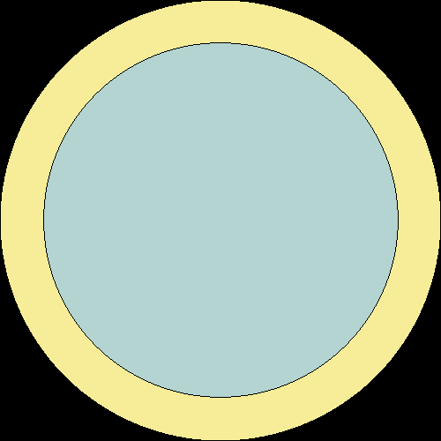
Criticality Eigenvalues (Case 001, 10 kg) |  |  |  |  | Materials (Case 001, 10 kg)
Creator | Chris |  | Benchmark PDF (MCNP) |  | Layer 1 (inner)
Code | Serpent 2 |  | MCNP |  | Overall Mass Density (g/cm3) | 18.621
Cross-section library | ENDF-7 |  | ENDF-5 |  | Name | Atom Density (atoms/cm3)
Name | Value | Uncertainty | Value | Uncertainty | U-233 | 4.7253E-02
ANA_KEFF | 9.97288E-01 | 0.00212 | 0.9969 | 0.0009 | U-234 | 5.2705E-04
 | 9.93620E-01 | 0.00207 |  |  | U-238 | 3.2975E-04
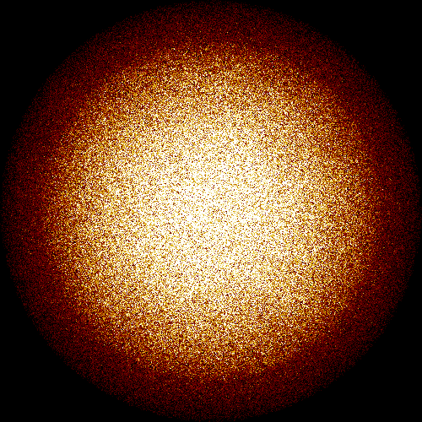
 | 3.64533E-03 | 0.03567 |  |  | Layer 2 (outer)
IMP_KEFF | 9.97731E-01 | 0.00141 |  |  | Overall Mass Density (g/cm3) | 18.80
COL_KEFF | 9.98139E-01 | 0.00157 |  |  | Name | Atom Density (atoms/cm3)
ABS_KEFF | 9.97731E-01 | 0.00141 |  |  | U-235 | 4.4892E-02
ABS_KINF | 2.53835E+00 | 0.00025 |  |  | U-238 | 3.2340E-03
GEOM_ALBEDO | 1.00000E+00 | 0.0E+00
 | 1.00000E+00 | 0.0E+00
 | 1.00000E+00 | 0.0E+00

Neutron Settings (Case 001, 10 kg)
Creator | Chris |  | Benchmark PDF (MCNP)
Code | Serpent 2 |  | MCNP
Setting | Value |  | Value
Neutrons per cycle | 5000 |  | 1500
Cycles | 100 |  | 305
Inactive cycles | 20 |  | 5
Total neutrons | 400000 |  | 450000

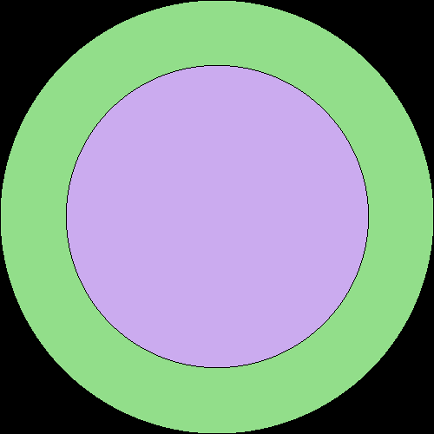
Criticality Eigenvalues (Case 002, 7.6 kg) |  |  |  |  | Materials (Case 002, 7.6 kg)
Creator | Chris |  | Benchmark PDF (MCNP) |  | Layer 1 (inner)
Code | Serpent 2 |  | MCNP |  | Overall Mass Density (g/cm3) | 18.644
Cross-section library | ENDF-7 |  | ENDF-5 |  | Name | Atom Density (atoms/cm3)
Name | Value | Uncertainty | Value | Uncertainty | U-233 | 4.7312E-02
ANA_KEFF | 1.00013E+00 | 0.00208 | 1.0007 | 0.0009 | U-234 | 5.2770E-04
 | 9.97276E-01 | 0.00198 |  |  | U-238 | 3.3015E-04
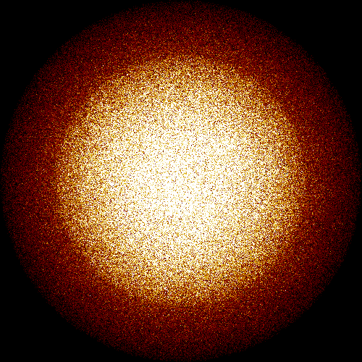
 | 3.86536E-03 | 0.03522 |  |  | Layer 2 (outer)
IMP_KEFF | 1.00120E+00 | 0.00130 |  |  | Overall Mass Density (g/cm3) | 18.80
COL_KEFF | 1.00088E+00 | 0.00138 |  |  | Name | Atom Density (atoms/cm3)
ABS_KEFF | 1.00120E+00 | 0.00130 |  |  | U-235 | 4.4892E-02
ABS_KINF | 2.50588E+00 | 0.00023 |  |  | U-238 | 3.2340E-03
GEOM_ALBEDO | 1.00000E+00 | 0.0E+00
 | 1.00000E+00 | 0.0E+00
 | 1.00000E+00 | 0.0E+00

Neutron Settings (Case 002, 7.6 kg)
Creator | Chris |  | Benchmark PDF (MCNP)
Code | Serpent 2 |  | MCNP
Setting | Value |  | Value
Neutrons per cycle | 5000 |  | 1500
Cycles | 100 |  | 305
Inactive cycles | 20 |  | 5
Total neutrons | 400000 |  | 450000

