Sheet1
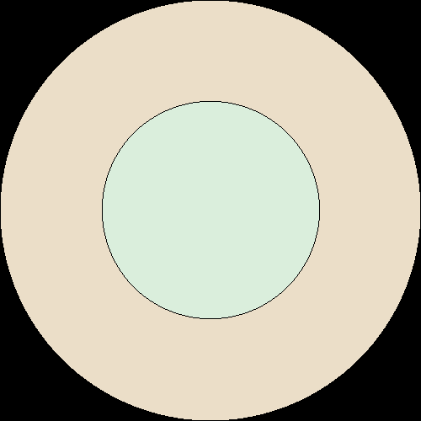
Criticality Eigenvalues |  |  |  |  | Materials
Creator | Chris |  | Benchmark PDF (MCNP) |  | Layer 1 (inner)
Code | Serpent 2 |  | MCNP |  | Overall Mass Density (g/cm3) | 15.778
Cross-section library | ENDF-7 |  | ENDF-5 |  | Name | Atom Density (atoms/cm3)
Name | Value | Uncertainty | Value | Uncertainty | Pu-239 | 3.7291E-02
ANA_KEFF | 1.01231E+00 | 0.00206 | 1.0080 | 0.0010 | Pu-240 | 1.9277E-03
 | 1.01028E+00 | 0.00198 |  |  | Pu-241 | 1.2196E-04
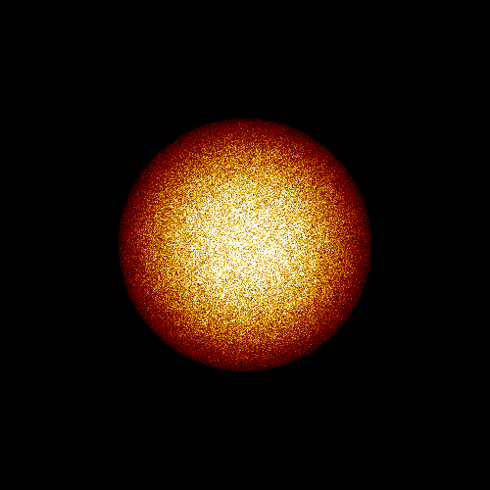
 | 2.05914E-03 | 0.04941 |  |  | Ga | 1.3628E-03
IMP_KEFF | 1.01087E+00 | 0.00130 |  |  | Layer 2 (outer)
COL_KEFF | 1.01104E+00 | 0.00160 |  |  | Overall Mass Density (g/cm3) | 17.21
ABS_KEFF | 1.01087E+00 | 0.00130 |  |  | Name | Atom Density (atoms/cm3)
ABS_KINF | 2.70157E+00 | 0.00040 |  |  | W | 5.1468E-02
GEOM_ALBEDO | 1.00000E+00 | 0.0E+00 |  |  | Ni | 9.7124E-03
 | 1.00000E+00 | 0.0E+00 |  |  | Cu | 4.0774E-03
 | 1.00000E+00 | 0.0E+00 |  |  | Zr | 7.9528E-04

Neutron Settings
Creator | Chris |  | Benchmark PDF (MCNP)
Code | Serpent 2 |  | MCNP
Setting | Value |  | Value
Neutrons per cycle | 5000 |  | 1500
Cycles | 100 |  | 310
Inactive cycles | 20 |  | 10
Total neutrons | 400000 |  | 450000

