Sheet1

Criticality Eigenvalues |  |  |  |  |  |  | Materials
Creator | Chris |  | Pedro |  | Benchmark PDF (MCNP) |  | Overall Mass Density (g/cm3) | 18.424
Code | Serpent 2 |  | Serpent 2 |  | MCNP |  | Name | Atom Density (atoms/cm3)
Cross-section library | ENDF-7 |  | ML-generated |  | ENDF-5 |  | U-233 | 4.67E-02
Name | Value | Uncertainty | Value | Uncertainty | Value | Uncertainty | U-234 | 5.90E-04
ANA_KEFF | 1.00031E+00 | 0.00188 | 1.00414E+00 | 0.00132 | 0.9970 | 0.0011 | U-235 | 1.43E-05
 | 9.97337E-01 | 0.00181 | 1.00143E+00 | 0.00126 |  |  | U-238 | 2.86E-04
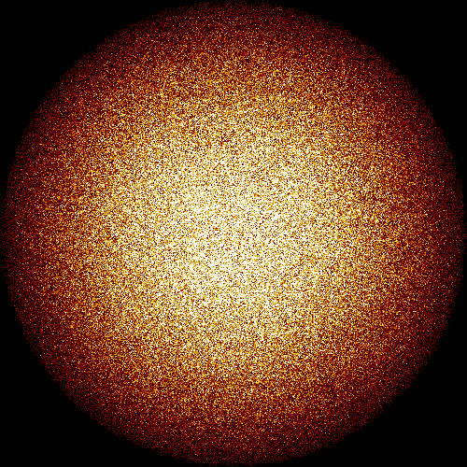
 | 2.84204E-03 | 0.04024 | 2.74964E-03 | 0.02814
IMP_KEFF | 9.97914E-01 | 0.00121 | 1.00443E+00 | 0.00091
COL_KEFF | 9.96363E-01 | 0.00145 | 1.00475E+00 | 0.00106
ABS_KEFF | 9.97914E-01 | 0.00121 | 1.00443E+00 | 0.00091
ABS_KINF | 2.58355E+00 | 0.00019 | 2.55537E+00 | 0.00015
GEOM_ALBEDO | 1.00000E+00 | 0.0E+00 | 1.00000E+00 | 0.0E+00
 | 1.00000E+00 | 0.0E+00 | 1.00000E+00 | 0.0E+00
 | 1.00000E+00 | 0.0E+00 | 1.00000E+00 | 0.0E+00

Neutron Settings
Creator | Chris |  | Pedro |  | Benchmark PDF (MCNP)
Code | Serpent 2 |  | Serpent 2 |  | MCNP
Setting | Value |  | Value |  | Value
Neutrons per cycle | 5000 |  | 10000 |  | 2500
Cycles | 100 |  | 100 |  | 115
Inactive cycles | 20 |  | 50 |  | 15
Total neutrons | 400000 |  | 500000 |  | 250000

