Sheet2
MSBR 0%
 | Total CR (-2) | Total CR2 (-2) | Total CR1 (-1) | Total CR1 Flux (-1)
Fuel | 5.30E-01 | 0.00971187 | 16.1885 | 0.29643
U233 | 4.61E-02 | 0.000843444 | 0.490327 | 0.00897865
Xe135 | 2.61E-02 | 4.79E-04 | 3.14E-02 | 0.000575488
Ratio | 56.76% | 56.76% | 6.41% | 6.41%

MSBR 100%
 | Total CR (-2) | Total CR2 (-2) | Total CR1 (-1) | Total CR1 Flux (-1)
Fuel | 5.21E-01 | 0.00929516 | 16.5772 | 0.295647
U233 | 4.67E-02 | 0.000832502 | 0.498092 | 0.00888353
Xe135 | 4.32E-04 | 7.71E-06 | 5.19E-04 | 9.26E-06 | -2 | macroscopic total capture cross section | sum of all reactions that do not produce secondary neutrons
Ratio | 0.93% | 0.93% | 0.10% | 0.10% | -1 | macroscopic total cross section

MSBR 5%
 | Total CR (-2) | Total CR2 (-2) | Total CR1 (-1) | Total CR1 Flux (-1) | OGS Efficiency | Xe Poison Fraction
Fuel | 5.24E-01 | 0.00939231 | 16.5041 | 0.295755 | 100.00% | 0.93%
U233 | 4.64E-02 | 0.000831698 | 0.495157 | 0.00887345 | 5.00% | 14.07%
Xe135 | 6.53E-03 | 1.17E-04 | 7.85E-03 | 1.41E-04 | 0.00% | 56.76%
Ratio | 14.07% | 14.07% | 1.59% | 1.59%

MSBR 5% ATOM
 | Total CR (-2) | Total CR2 (-2) | Total CR1 (-1) | Total CR1 Flux (-1)
Fuel | 5.25E-01 | 0.00939275 | 16.5186 | 0.295794
U233 | 4.64E-02 | 0.0008305 | 0.494729 | 0.00885918
Xe135 | 6.52E-03 | 1.17E-04 | 7.84E-03 | 1.40E-04
Ratio | 14.06% | 14.06% | 1.58% | 1.58%

MSBR
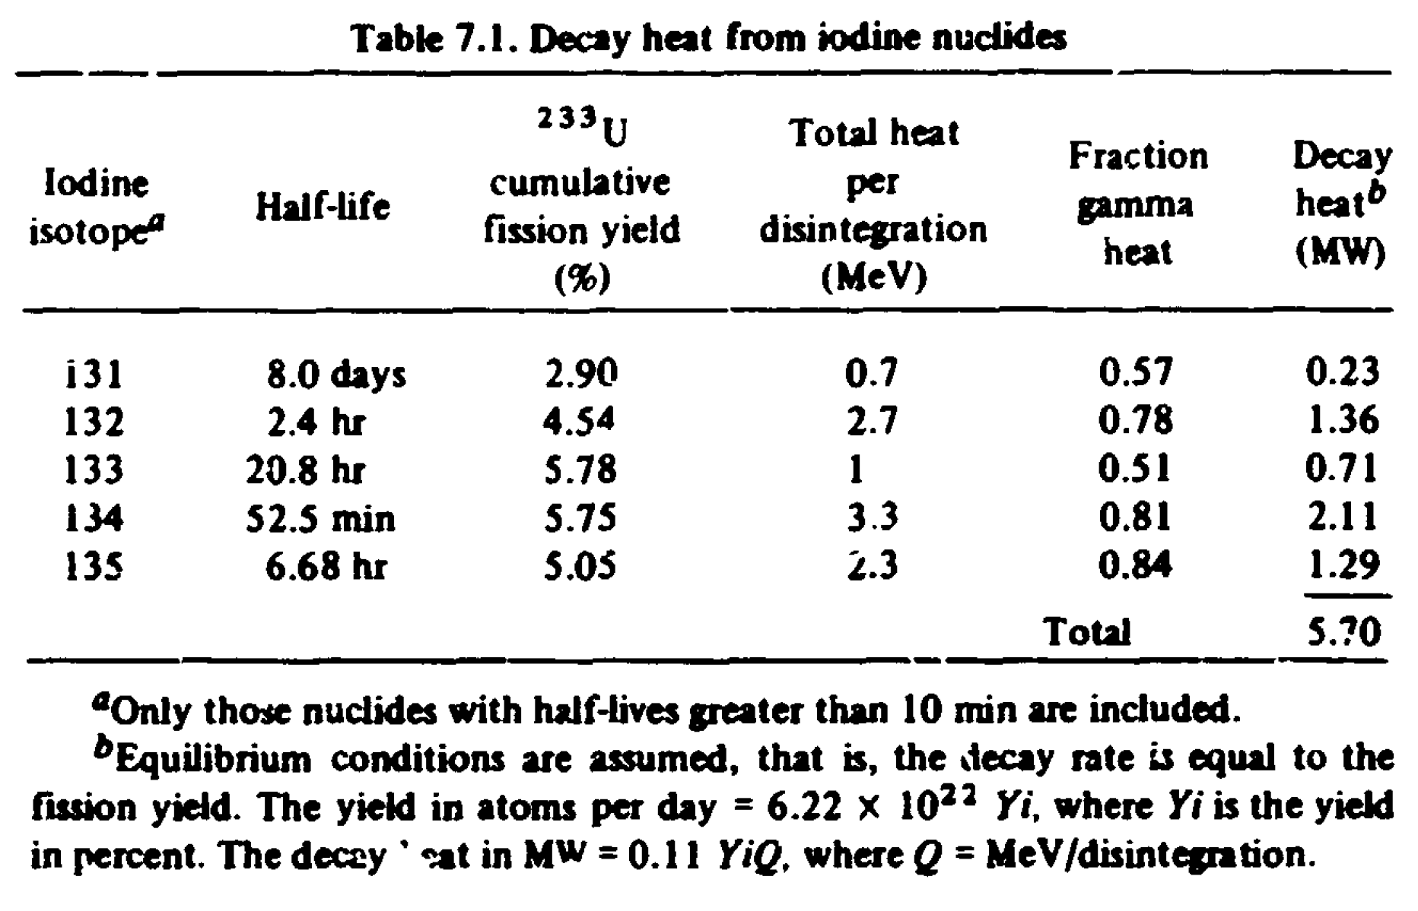
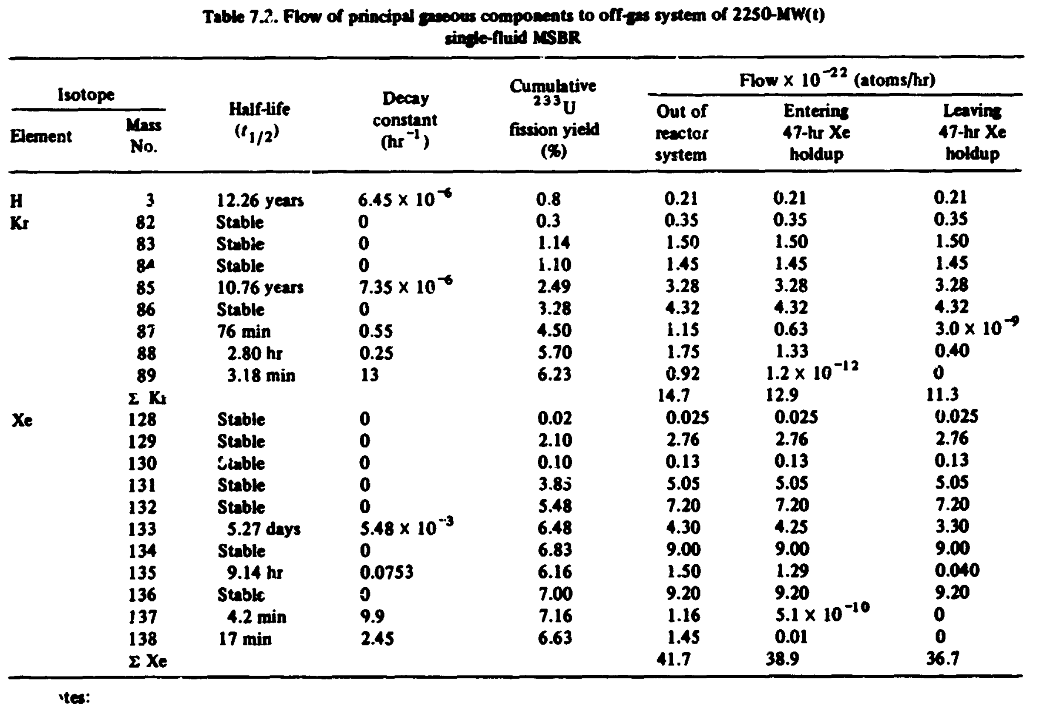
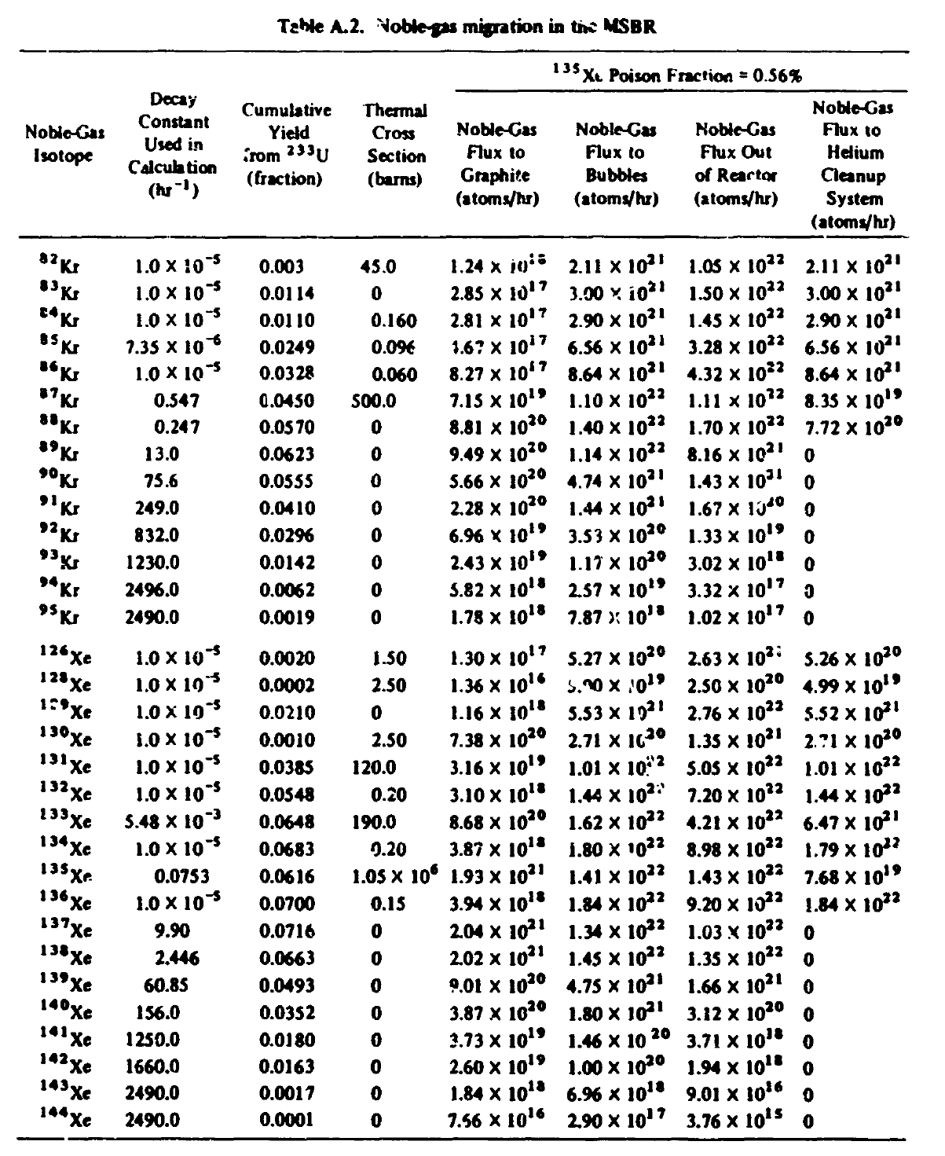
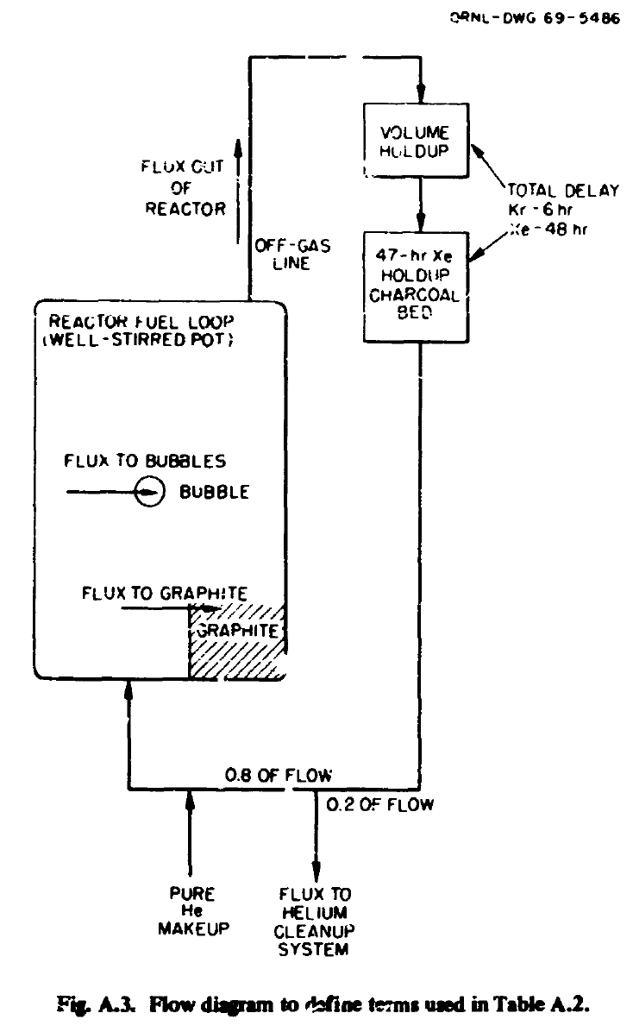
Efficiency | PF_D_MSBR | PF_MSBR | Diff
0 | 47.26% | 53.22% | 0.059587308447
0.05 | 12.94% | 13.33% | 0.0039575004285
0.1 | 7.49% | 7.63% | 0.0013294325908
0.15 | 5.29% | 5.35% | 0.0006002712123
0.2 | 4.07% | 4.11% | 0.00040298702508
0.4 | 2.13% | 2.14% | 8.9687935854E-05
0.6 | 1.44% | 1.45% | 5.5590004089E-05 |  | 0.1 | 1.3 | s/loop
0.8 | 1.09% | 1.09% | 3.0204839003E-05 |  | 1 | 13 | s/loop
1 | 0.88% | 0.88% | 2.7735823626E-05
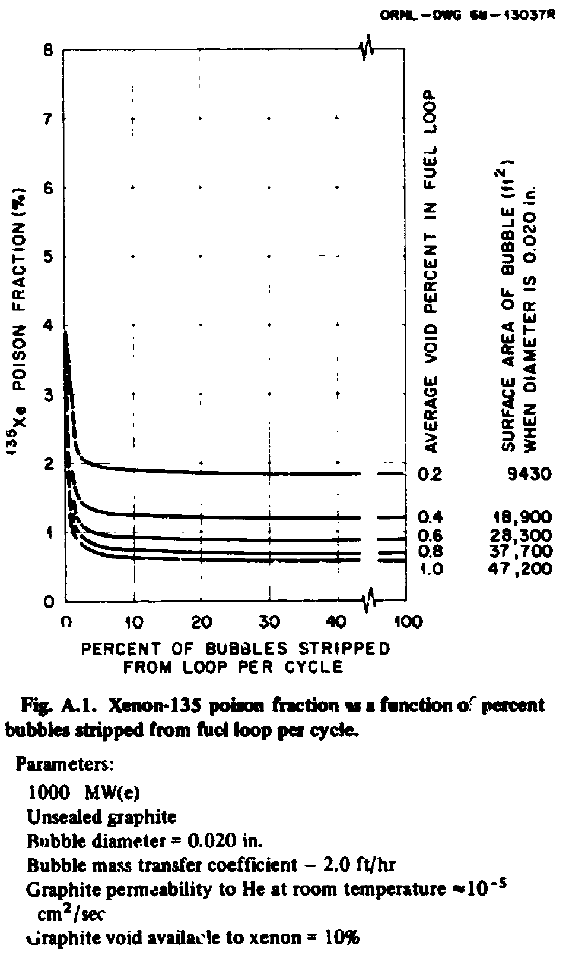
Goal | 0.56% | 0.56%
 | 56.43360042596750% |  |  |  | 1.24E+22 | at/hr
 |  |  |  |  | 3.44E+18 | at/hr
 |  |  |  |  | 1.50E-22 | at/hr
 | 0.00512153 | 0.044998857763 |  |  | 4.17E-26 | at/hr
 | 0.000230463

 | 0.0369713 | 0.0087602816239
 | 0.000323879 |  |  | 10% Efficiency Comp
 | Using day ~600 |  |  | 0.0539214 | 4.96%
 | 0.0500061 | 0.698% |  | 0.00267401
 | 0.000349062 |  |  | Comp Bumped
 |  |  |  | 0.0578753 | 3.98%
 | 100% Efficiency Comp |  |  | 0.00230164

 | 0.0540906 | 0.560% |  | 10% Efficiency Crit
 | 0.000302749 |  |  | 0.0499064 | 6.08%
 | Comp Bumped |  |  | 0.00303471
 | 0.0579618 | 0.467% |  | Crit Bumped
 | 0.000270949 |  |  | 0.0585207 | 4.10%
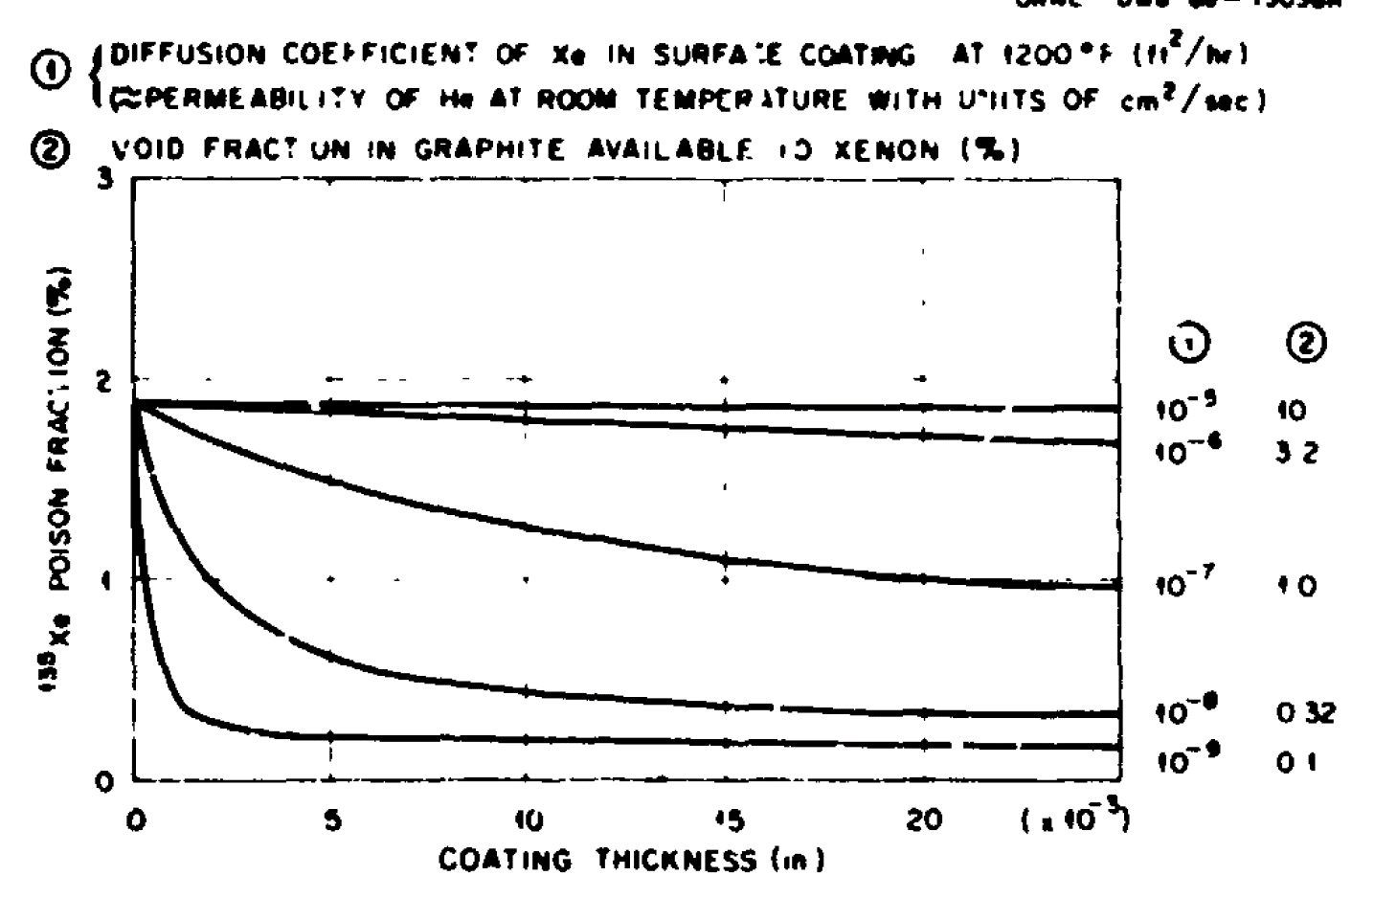
 |  |  |  | 0.00239799

MSRE
Efficiency | PF_D_MSRE | PF_MSRE | DIFF
0 | 4.74% | 8.26% | 0.035127979243 | 3.12%
0.05 | 1.81% | 2.17% | 0.0035554407596 |  |  |  | 7.5 | MJ/s
0.1 | 1.12% | 1.25% | 0.0012620178065 | 0.71% |  |  | 6.24E+18 | MeV/MJ |  | MSRE | ENDF |  | 15% Efficiency
0.15 | 0.81% | 0.87% | 0.00062632747433 | 0.13% |  |  | 4.68E+19 | MeV/s |  | 0.30% | 0.18% | Xe-135 | 0.095929 | 0.13%
0.2 | 0.64% | 0.67% | 0.00038090658896 |  |  |  | 2.34E+17 | fission/s |  | 6.10% | 2.93% | I-135 | 0.000126319
0.4 | 0.34% | 0.35% | 0.00010063246429 |  |  | 1.48E+16 | 1.50E+16 | Xe/s |  | 0.00% | 3.22% | Te-135
0.6 | 0.23% | 0.24% | 5.1567303015E-05 |  |  | 5.33E+19 | 5.39E+19 | fission/hour |  | 6.40% | 6.33% |  | 10% Efficiency
0.8 | 0.18% | 0.18% | 2.5469937186E-05 |  |  | 1.99% | 5.44E+19 | ORNL4069 |  |  | Difference | 1.137800252844498% | 0.148586 | 0.71%
1 | 0.14% | 0.14% | 1.7436738565E-05 |  |  |  |  |  |  |  |  |  | 0.00106071
 |  |  |  |  |  |  |  |  |  |  |  |  | ALMOST THERE
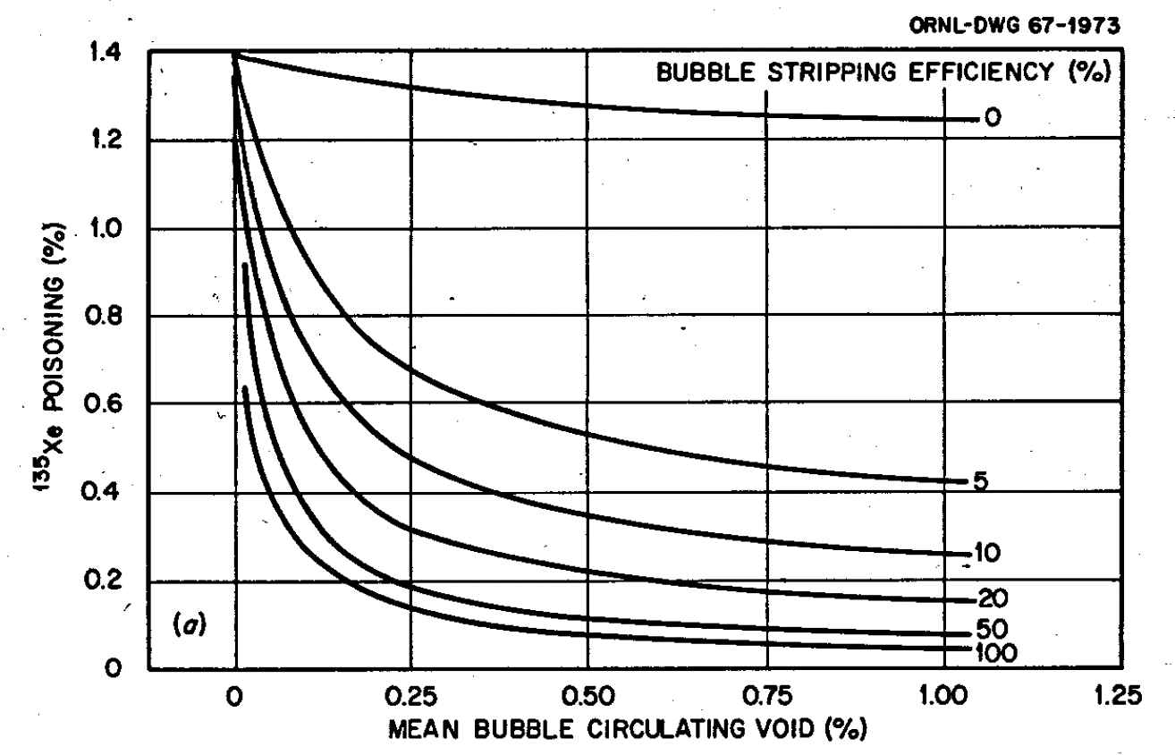
 |  |  |  |  |  |  |  |  |  |  |  |  | 12% Efficiency
 | Xe-135 Half Life |  |  |  |  |  |  |  |  |  |  |  | 0.14857 | 0.50%
 | 0.0011 | 9.15 | ORNL | Decay Constant | Removal Constant |  |  |  |  |  |  |  | 0.00074
 | 1 | 9.14 | NNDC | 2.0916666667E-05 | 0.00160106467 |  |  |  |  |  |  |  | GOOD

 | Generation Rate |  |  | 0.0001203114854 | grams FS |  |  |  |  |  |  |  | 0% Efficiency
 | 0.0093 | 5.44E+19 | ORNL | 5.3667834452E+17 | atoms |  |  |  |  |  |  |  | 0.14815 | 3.12%
 | 1 | 5.39E+19 | US | 0.0091471554484 | grams OFGS |  |  |  |  |  |  |  | 0.00461
 | 0.0206 | 5.44E+19 | ORNL | 4.0803088971E+19 | atoms
 | 1 | 5.33E+19 | US | 4.1339767315E+19 | Total N
 |  |  |  | 6.7052331047E+16 | #/s
 | Xe Absorption Cross Section |  |  | 2.4138839177E+20 | #/hour
 | 1.9081 | 1.18E+06 | ORNL
 | 1 | 4.06E+05 | SERPENT | Total | 0.0331

 | Efficiency | Xe-Cross Section
 | 0 | 402012
 | 5 | 403880
 | 100 | 405867
 |  |  |  |  |  |  | Isotope | HALF LIFE |  | DEVIATION
 | I-135 Half Life |  |  |  |  |  |  | ORNL | PRESENT
 | 0.0152 | 6.68 | ORNL |  |  |  | I-135 | 6.68 | 6.58 | 0.015197568389
 | 1 | 6.58 | NNDC |  |  |  | Xe-135 | 9.15 | 9.14 | 0.0010940919037

