Planilha1
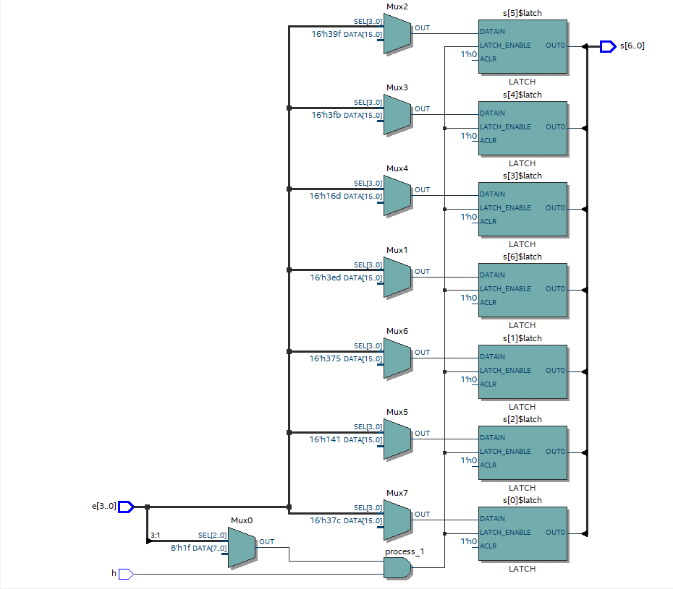
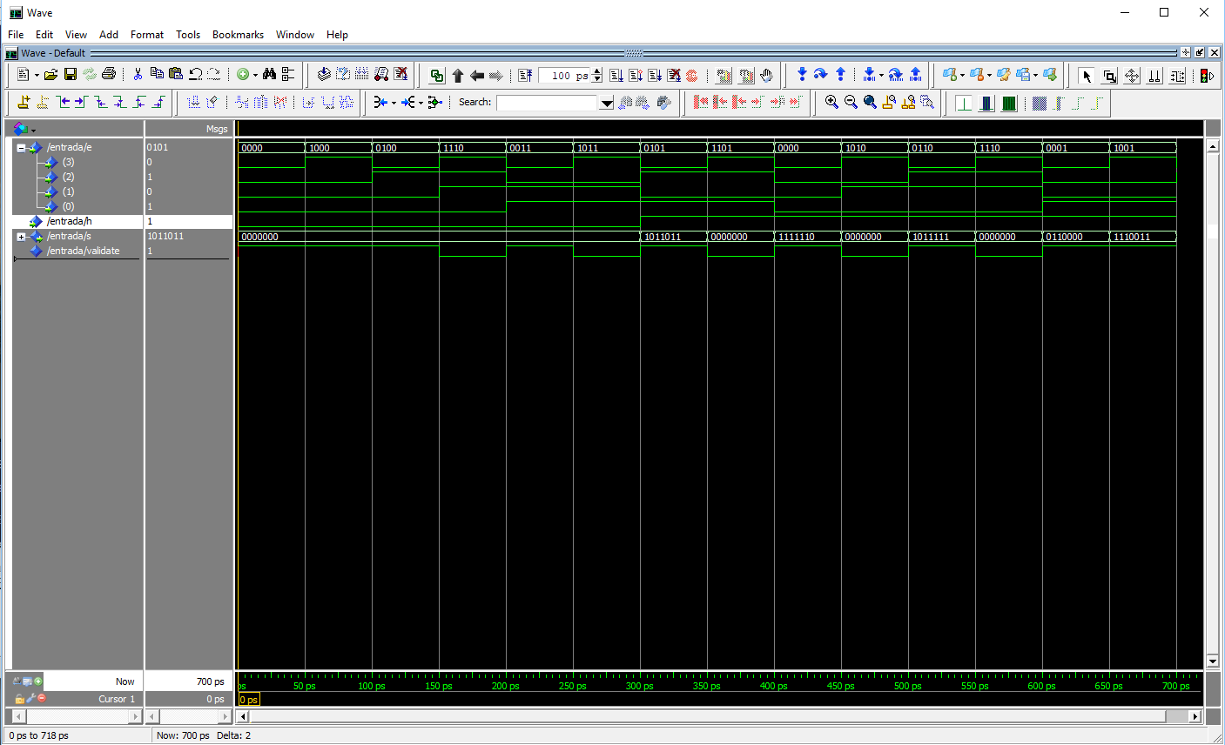
 |  |  |  |  |  |  | SEGMENTOS
H | NUMERO | ENTRADAS |  |  |  | V | A | B | C | D | E | F | G
1 | 0 | 0 | 0 | 0 | 0 | 1 | 1 | 1 | 1 | 1 | 1 | 1 | 0
1 | 1 | 0 | 0 | 0 | 1 | 1 | 0 | 1 | 1 | 0 | 0 | 0 | 0
1 | 2 | 0 | 0 | 1 | 0 | 1 | 1 | 1 | 0 | 1 | 0 | 1 | 1
1 | 3 | 0 | 0 | 1 | 1 | 1 | 1 | 1 | 1 | 1 | 0 | 0 | 1
1 | 4 | 0 | 1 | 0 | 0 | 1 | 0 | 1 | 1 | 0 | 0 | 1 | 1
1 | 5 | 0 | 1 | 0 | 1 | 1 | 1 | 0 | 1 | 1 | 0 | 1 | 1
1 | 6 | 0 | 1 | 1 | 0 | 1 | 1 | 0 | 1 | 1 | 1 | 1 | 1
1 | 7 | 0 | 1 | 1 | 1 | 1 | 1 | 1 | 1 | 0 | 0 | 0 | 0
1 | 8 | 1 | 0 | 0 | 0 | 1 | 1 | 1 | 1 | 1 | 1 | 1 | 1
1 | 9 | 1 | 0 | 0 | 1 | 1 | 1 | 1 | 1 | 0 | 0 | 1 | 1
0 | X | 1 | 0 | 1 | 0 | 0 | x | x | x | x | x | x | x
0 | X | 1 | 0 | 1 | 1 | 0 | x | x | x | x | x | x | x
0 | X | 1 | 1 | 0 | 0 | 0 | x | x | x | x | x | x | x
0 | X | 1 | 1 | 0 | 1 | 0 | x | x | x | x | x | x | x
0 | X | 1 | 1 | 1 | 0 | 0 | x | x | x | x | x | x | x
0 | X | 1 | 1 | 1 | 1 | 0 | x | x | x | x | x | x | x
 |  | SOMA DE MINTERMOS
 |  | ¬(ABCD) + (¬A¬B¬CD) + (¬A¬BC¬D) + (¬A¬BCD) + (¬AB¬C¬D) + (¬AB¬CD) + (¬ABC¬D) + (¬ABCD) + (A¬B¬C¬D) + (A¬B¬CD) |  |  |  |  |  | imagine um led de 7 segmentos |  |  |  |  |  | C\D
 |  |  |  |  |  |  |  |  | a |  |  |  |  |  | 00 | 01 | 11 | 10
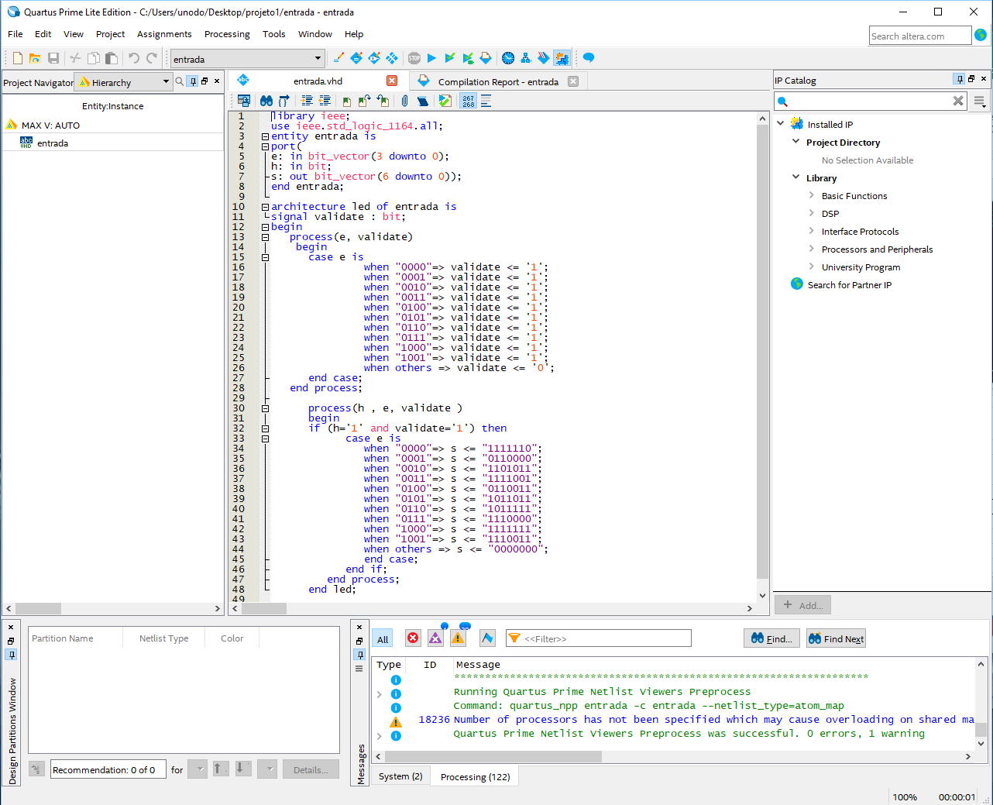
 |  |  |  |  |  |  |  | f |  | b |  |  | A\B | 00 | 1 | 1 | 1 | 1 | = | ¬A
 |  |  |  |  |  |  |  |  | g |  |  |  |  | 01 | 1 | 1 | 1 | 1
 |  | SOMA DE MAXTERMOS |  |  |  |  |  | e |  | c |  |  |  | 11 |  |  |  |  |  |  | >>>> | ¬A + ¬B¬C
 |  | (A+¬B+C+¬D).(A+¬B+C+D) . (A+B+¬C+¬D).(A+B+¬C+D) . (A+B+C+¬D).(A+B+C+D) |  |  |  |  |  |  | d |  |  |  |  | 10 | 1 | 1 |  |  | = | ¬B¬C

