Sheet1
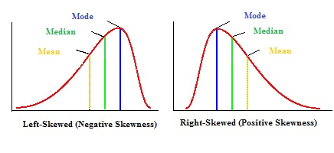
http://brownmath.com/stat/shape.htm
http://www.medcalc.org/manual/skewnesskurtosis.php

https://www.statisticshowto.com/probability-and-statistics/skewed-distribution/

