Sheet1
Correlating branch predictor |  |  |  |  |  |  |  | Local Branch Predictor

branch PC (dec) | branch PC (hexa) | last outcome | entry | internal state (present) | prediction | outcome | internal state (next) | branch PC (dec) | branch PC (hexa) | last two outcomes | entry | internal state (present) | prediction | outcome | internal state (next)
454 | 1C6 | NT | 4 | 3 | T | T | 3 | 454 | 1C6 | T-NT | 2 | 0 | NT | T | 1
543 | 21F | T | 7 | 1 | NT | NT | 0 | 543 | 21F | T-T | 7 | 3 | T | NT | 2
777 | 309 | NT | 2 | 3 | T | NT | 2 | 777 | 309 | NT-T | 5 | 0 | NT | NT | 0
543 | 21F | NT | 6 | 0 | NT | NT | 0 | 543 | 21F | NT-NT | 4 | 0 | NT | NT | 0
777 | 309 | NT | 2 | 2 | T | NT | 0 | 777 | 309 | NT-NT | 4 | 0 | NT | NT | 0
454 | 1C6 | NT | 4 | 3 | T | T | 3 | 454 | 1C6 | T-T | 3 | 2 | T | T | 3
777 | 309 | T | 3 | 0 | NT | NT | 0 | 777 | 309 | NT-NT | 4 | 0 | NT | NT | 0
454 | 1C6 | NT | 4 | 3 | T | T | 3 | 454 | 1C6 | T-T | 3 | 3 | T | T | 3
543 | 21F | T | 7 | 0 | NT | T | 1 | 543 | 21F | NT-NT | 4 | 0 | NT | T | 1
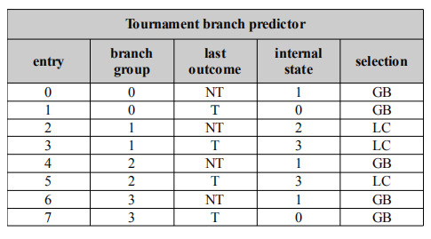

Misprediction rate | 33.3% |  |  |  |  |  |  | Misprediction rate | 33.3%
States 0-1 Prediction: | NT
States 2-3 Prediction: | T |  |  |  |  |  |  | Correlating branch predictor

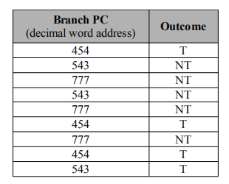
 |  |  |  |  |  |  |  | branch PC (dec) | branch PC (hexa) | last outcome | entry | internal state (present) | predictor | prediction | outcome | internal state (next)
 |  |  |  |  |  |  |  | 454 | 1C6 | NT | 4 | 1 | GB | T | T | 0
 |  |  |  |  |  |  |  | 543 | 21F | T | 7 | 0 | GB | NT | NT | 0
 |  |  |  |  |  |  |  | 777 | 309 | NT | 2 | 2 | LC | NT | NT | 3
 |  |  |  |  |  |  |  | 543 | 21F | NT | 6 | 1 | GB | NT | NT | 1 | Both gave the same result! No one is better than the other
 |  |  |  |  |  |  |  | 777 | 309 | NT | 2 | 3 | LC | NT | NT | 3
 |  |  |  |  |  |  |  | 454 | 1C6 | NT | 4 | 0 | GB | T | T | 0
 |  |  |  |  |  |  |  | 777 | 309 | T | 3 | 3 | LC | NT | NT | 3
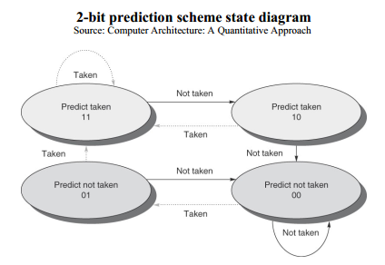
 |  |  |  |  |  |  |  | 454 | 1C6 | NT | 4 | 0 | GB | T | T | 0
 |  |  |  |  |  |  |  | 543 | 21F | T | 7 | 0 | GB | NT | T | 0

 |  |  |  |  |  |  |  | Misprediction rate | 11.1%

