Sheet1
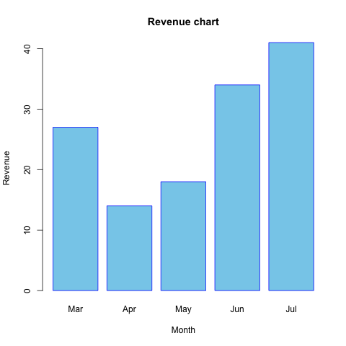
doi
file name | avgbar2.png
x-text
x-labels
y-text
y-labels | 8
legends | Revenue

Revenue

Sheet2
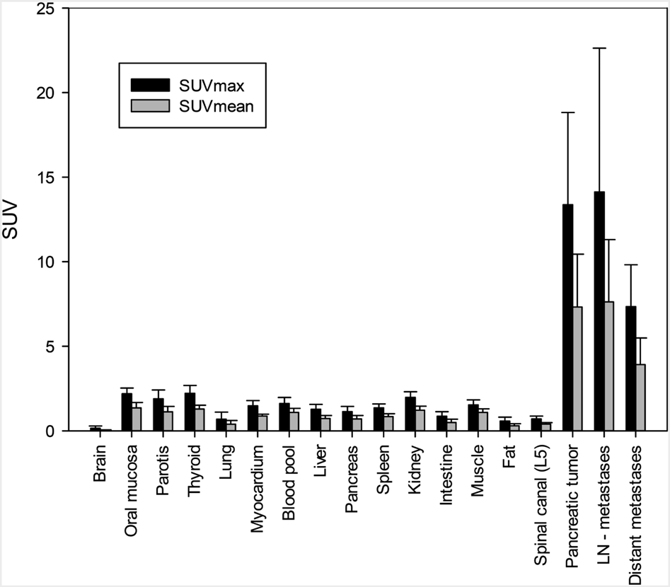
doi
file name | bar.png
x-text
x-labels
y-text
y-labels | 25 | 20 | 5 | 0 | 5 | 0
legends | SUV

SUV

