Sheet1
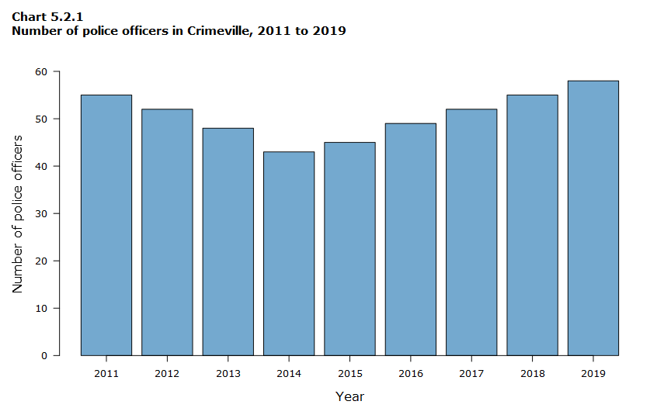
x-labels | 2011 | 2012 | 2013 | 2014 | 2015 | 2016 | 2017 | 2018 | 2019
y-text
y-labels
legends | of | Crimeville, | officers | to | in | police

Sheet2
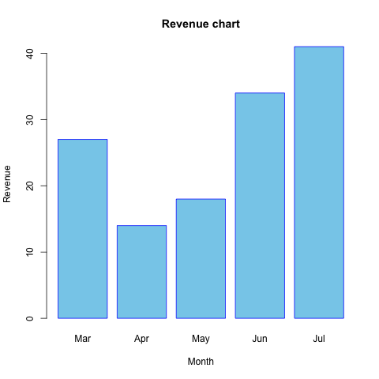
x-labels | Mar | Apr | May | Jun | Jul
y-text | 10 | Revenue | 30 | 40
y-labels | 8
legends | Revenue | chart

Sheet3
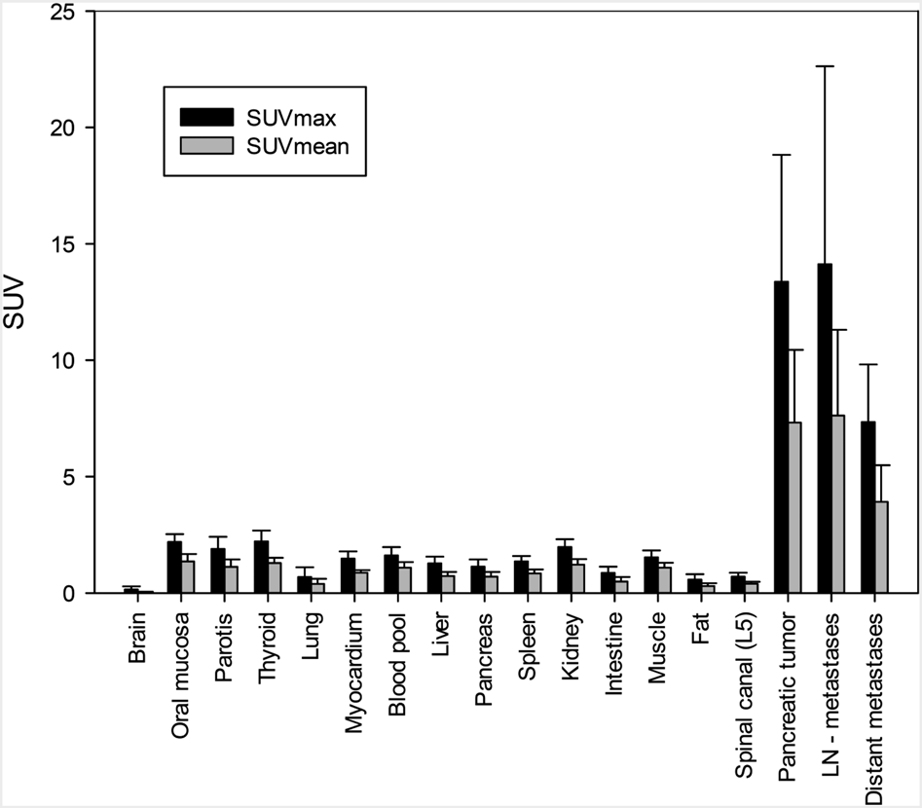
x-labels
y-text | SUV
y-labels | 25 | 20 | 5 | 0 | 5 | 0
legends | ni

