Sheet1
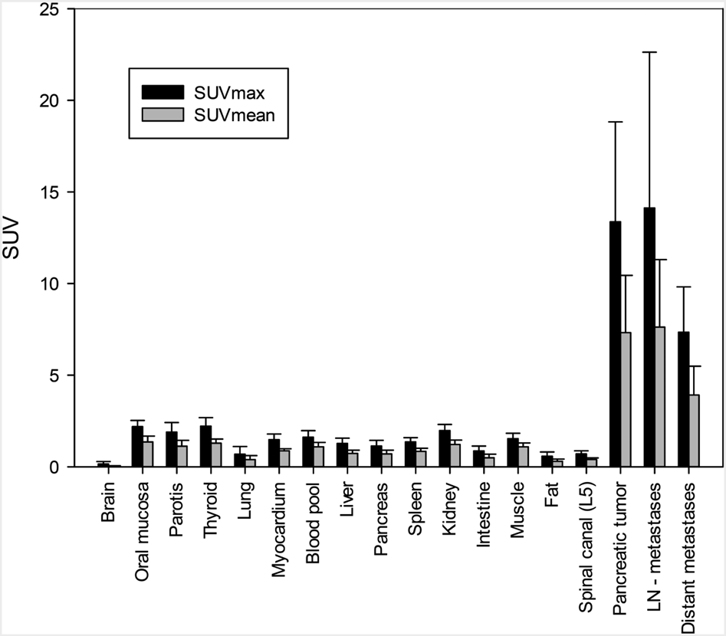
x-labels
y-text | SUV
y-labels | 25 | 20 | 5 | 0 | 5 | 0
legends | ni

