Sheet1
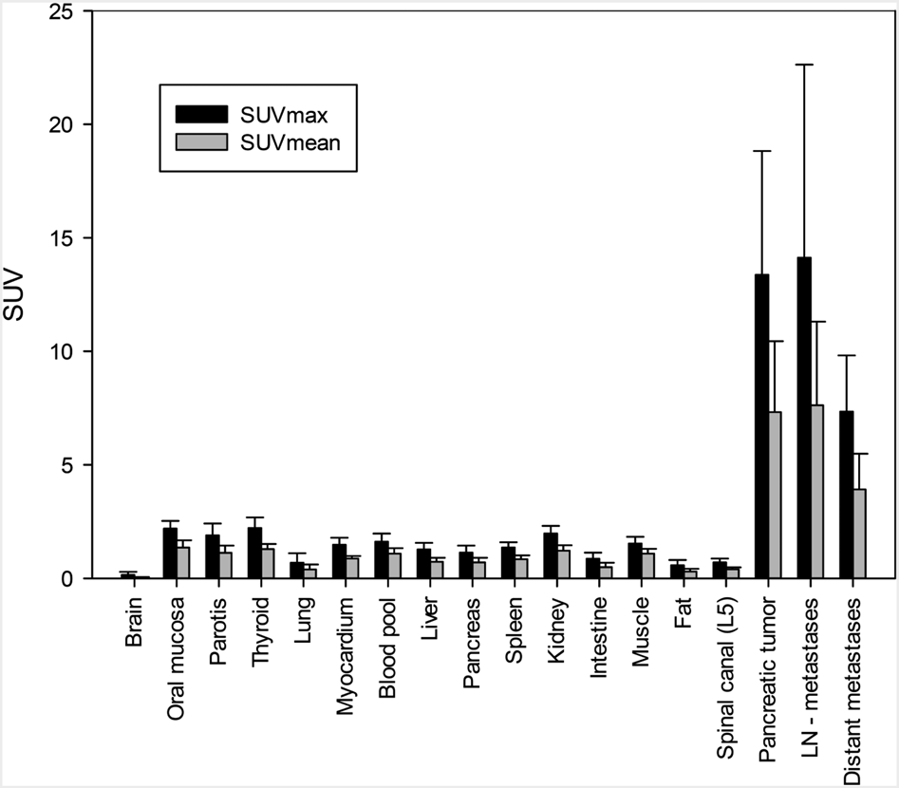
doi
file name | bar.png
x-text | Oral | Spinal | Pancreatic | Distant
x-labels | Brain | mucosa | Parotis | Thyroid | Lung | Myocardium | pool | Liver | Pancreas | Spleen | Kidney | Intestine | Muscle | Fat | (L5) | tumor | metastases
y-text | SUV
y-labels | 20 | 25 | 10 | 15 | 0 | 5
legends | SUVmean | SUVmax

 | Brain | mucosa | Parotis | Thyroid | Lung | Myocardium | pool | Liver | Pancreas | Spleen | Kidney | Intestine | Muscle | Fat | (L5) | tumor | metastases
SUVmean | 0 | 0 | 0 | 0 | 0 | 0 | 0 | 0 | 0 | 0 | 0 | 0 | 0 | 0 | 0 | 0 | 0
SUVmax | 0 | 0 | 0 | 0 | 0 | 0 | 0 | 0 | 0 | 0 | 0 | 0 | 0 | 0 | 0 | 0 | 0

