Sheet1
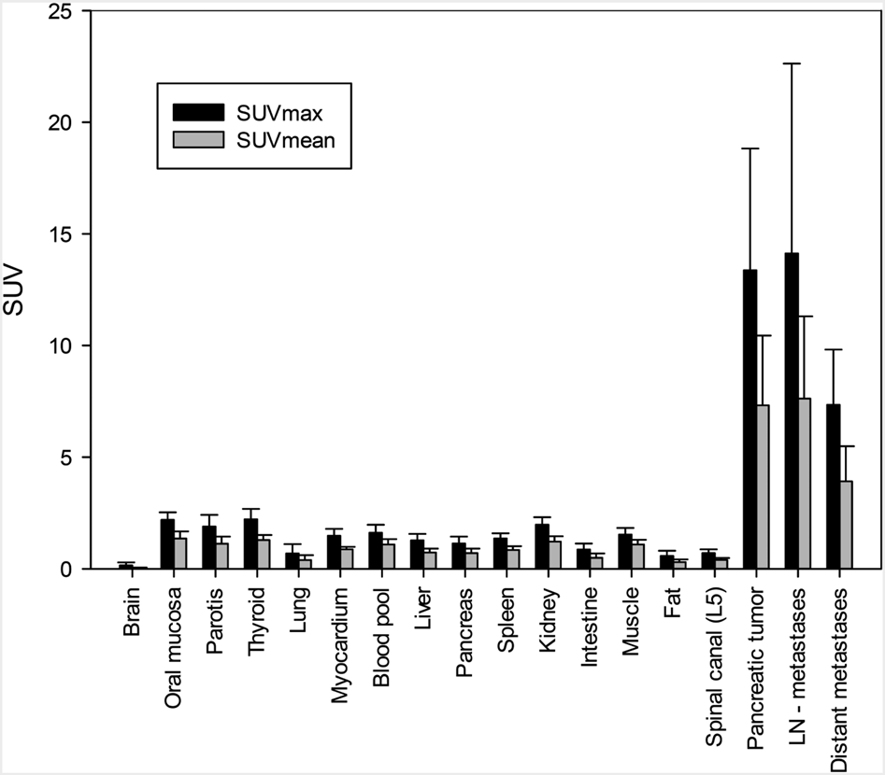
doi
file name | bar.png
x-text | Oral | Spinal | Pancreatic | Distant
x-labels | Brain | mucosa | Parotis | Thyroid | Lung | Myocardium | pool | Liver | Pancreas | Spleen | Kidney | Intestine | Muscle | Fat | (L5) | tumor | metastases
y-text | SUV
y-labels | 20 | 25 | 10 | 15 | 0 | 5
legends | SUVmean | SUVmax

 | Brain | mucosa | Parotis | Thyroid | Lung | Myocardium | pool | Liver | Pancreas | Spleen | Kidney | Intestine | Muscle | Fat | (L5) | tumor | metastases
SUVmean | 0 | 0 | 0 | 0 | 0 | 0 | 0 | 0 | 0 | 0 | 0 | 0 | 0 | 0 | 0 | 0 | 0
SUVmax | 0 | 0 | 0 | 0 | 0 | 0 | 0 | 0 | 0 | 0 | 0 | 0 | 0 | 0 | 0 | 0 | 0

Sheet2
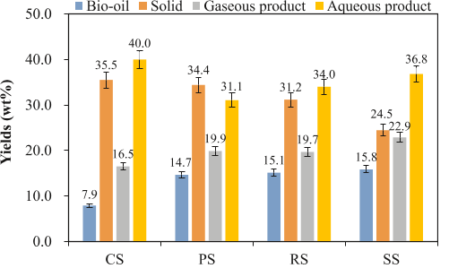
doi
file name | DataExtractionExample.png
x-text
x-labels | CS | PS | RS | SS
y-text | Yields | (wt%)
y-labels | 50.0 | 40.0 | 30.0 | 20.0 | 10.0 | 0.0
legends | Bio-oil | Solid | Gaseous product | Aqueous product

 | CS | PS | RS | SS
Bio-oil | 7.8 | 14.7 | 15.1 | 15.9
Solid | 35.3 | 34.3 | 31 | 24.3
Gaseous product | 16.5 | 19.8 | 19.6 | 22.7
Aqueous product | 39.8 | 31 | 33.9 | 36.7

