Sheet1
Logo
Stock Market
UserName*
UserName*
 |  |  | USER
Sign up
PassWord*
PassWord*
Stock Market
Save
Log Out

Email*
Sign in
Sign up
Sign up
IPOList
IPOList
Mobile
Compare Company
IPOID
Compare name
Stock Exchange
Price
Detail
 |  | Admin

Location
Compare Sector
Link
Delete

Link
Delete
Change User Information
Submit
Link
Delete

New Row
 |  |  |  | Admin can add and modify the information
 | USER login the System

Stock Market
Log Out

IPOList
IPOList
IPO Detail

Compare Company
IPOID
Compare name
Stock Exchange
Price
Detail
ExchangeID
Compare Sector
Link

Link
Price
Change User Information
Link
Change Time

Stock Market
Log Out

Compare Company
IPOList

Compare Company
CompareID
Compare name
Stock Exchange
Price

Compare Sector

Change User Information

Stock Market
Log Out

Compare Sector
IPOList

Compare Company
CompareID
Compare name
Stock Exchange
Price

Compare Sector

Change User Information

Stock Market
Log Out
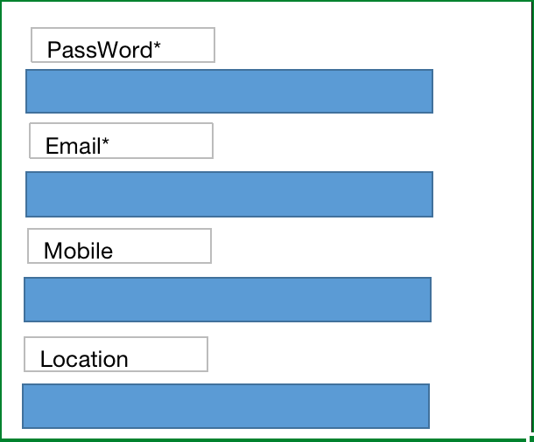

Change User Information
IPOList

Compare Company

Compare Sector

Change User Information

