S Figure 1
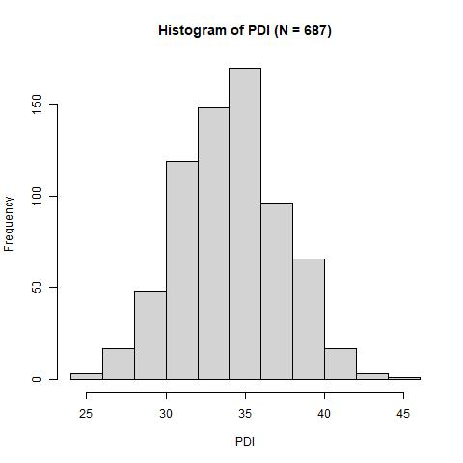
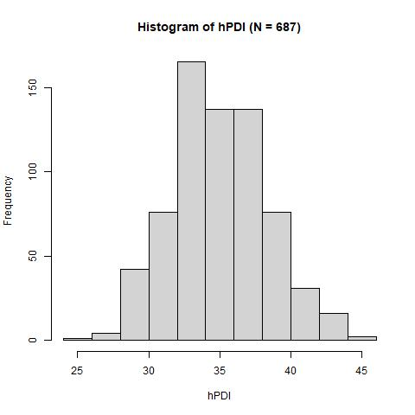
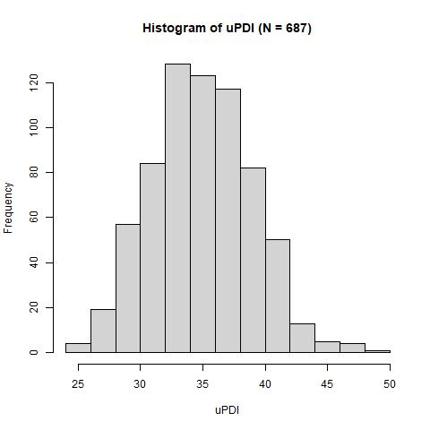

Supplementary Figure 1. Distribution of the overall plant-based diet index (left), healthful plant-based diet index (middle), and unhealthful plant-based diet index (right) in ALSPAC pregnant women included in the EWAS analysis.
PDI, overall plant-based diet index. hPDI, healthful plant-based diet index. uPDI, unhealthful plant-based diet index. ALSPAC, Avon Longitudinal Study of Parents and Children. EWAS, epigenome-wide association study.

S Figure 2
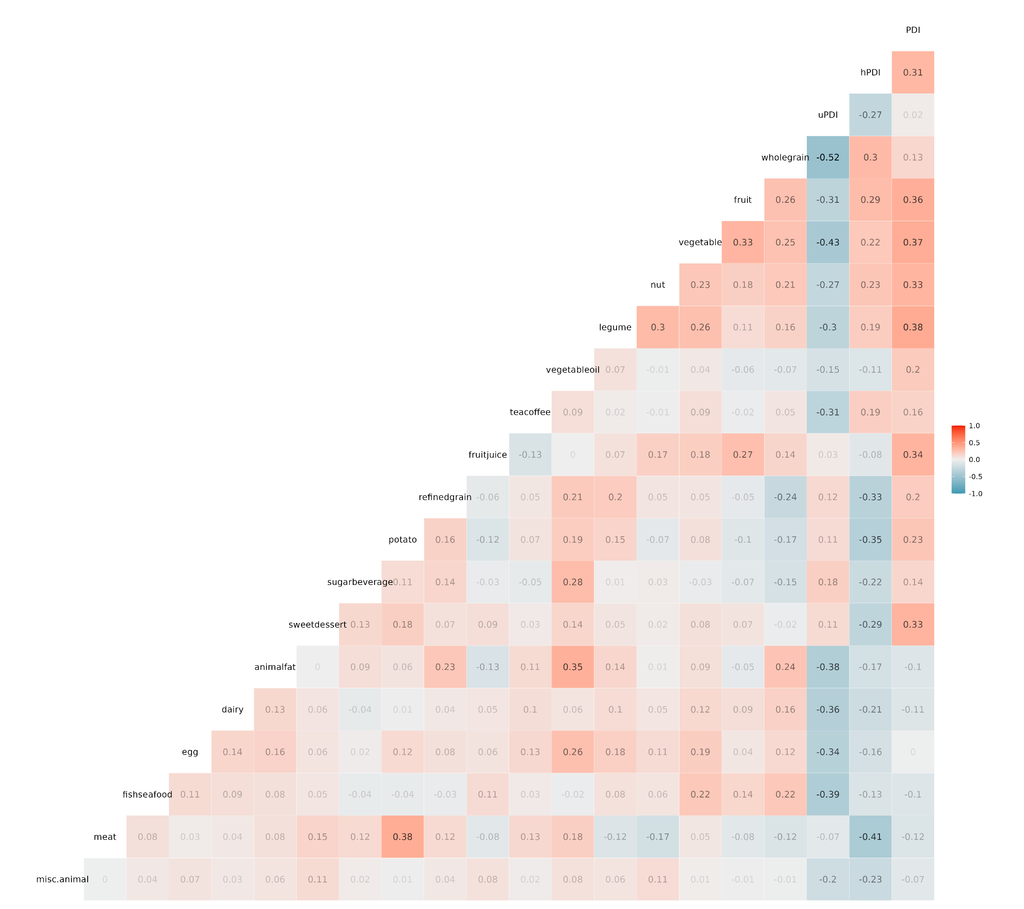

Supplementary Figure 2. Correlation matrix between plant-based diet indices and intakes of the 18 food groups in ALSPAC pregnant women included in the EWAS analysis.
PDI, overall plant-based diet index. hPDI, healthful plant-based diet index. uPDI, unhealthful plant-based diet index. ALSPAC, Avon Longitudinal Study of Parents and Children. EWAS, epigenome-wide association study.

