Hourly emissions-proxy summary
Calculation of hourly emissions - level of activity | Description | Type | Source | Year of the data used for the project | Link | Example
Working days (WD) |  | Binary
Working days + working weekends (WDWW) |  | Binary
Working time [08-16h] (WT0816) |  | Periodic - sine |  |  |  |  | Periodic, Periodic-sine or Binary
Working time [16-24h] (WT1624) |  | Periodic - sine
Working time [00-24h] (WT0024) |  | Periodic - sine
Working time for heating season [06-22h] (WT0624) |  | Periodic
Day light (DL) | Data collected from public service dateandtime.com, for 2015 year. Function was created from the data that describes daylight for the whole year. | Periodic | Sunrise, Sunset, and Daylength for Serbia in 2015 year | 2015 | https://www.timeanddate.com/sun/serbia/belgrade?month=12&year=2015
Weekends (WE) |  | Binary
Working Weekends (WW) |  | Binary
Rush hours [07-09h] (RH0709) |  | Periodic - sine
Rush hours [15-17h] (RH1517) |  | Periodic - sine
Public holidays (PH) |  | Binary
Seasons (SA) | Data collected from public service dateandtime.com, for 2015 year. Function was created from the data that describes season periods for the whole year. | Periodic | Solstices and Equinoxes for Serbia in 2015 | 2015 | https://www.timeanddate.com/calendar/seasons.html
Heating season (HS) |  | Periodic
Agriculture Seasons (SAAG) |  | Periodic
Temperature (TEMP) |  | Periodic
Sea level pressure (SLP) |  | Periodic
Transport - road class 1A - vehicles activity
Transport - road class 1A, 1B,- vehicles activity
Vehicles trend activity (VA) | Obtained from ~400 automatic Vehicle Counting Devices (VCD), spreaded over the whole territory of Serbia, on three different road category (1A, 2A and 1B) | Periodic | Public Enterprise “Roads of Serbia” | 2015 |  | 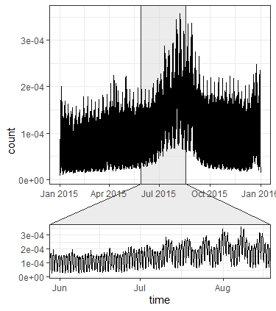 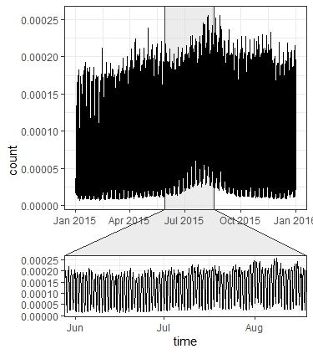
Number of flights per hour (NFH) |  | Periodic
Repair - overhaul period (RP) |  | Binary

References:
Lenhart L. et al. (1997) Temporal Disaggregation of Emission Data. In: Ebel A., Friedrich R., Rodhe H. (eds) Tropospheric Modelling and Emission Estimation. Transport and Chemical Transformation of Pollutants in the Troposphere, vol 7. Springer, Berlin, Heidelberg https://doi.org/10.1007/978-3-662-03470-5_7

