Temporal distribution - summary
Calculation of hourly emissions - indicator for temporal disaggregation | Description | Type | Source | The origin of the source | Year of the data used for the project | Link | Example
Working days (WD) | Information collected on the basis of the official labor law in the Republic of Serbia. Working days are from Monday to Friday. | Indicator | From data | The official labor law in the Republic of Serbia | 2015 | http://www.ilo.org/dyn/travail/docs/2403/Labour%20Law%20Republic%20of%20Serbia.pdf | 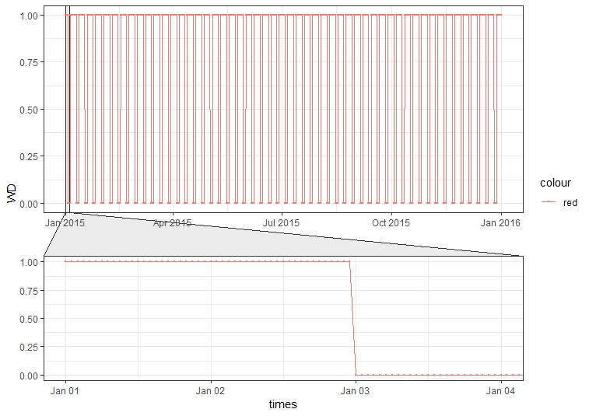
Working days + working weekends (WDWW) | This indicator represent working days from Monday to Sunday. | Indicator | From data |  | 2015 |  | 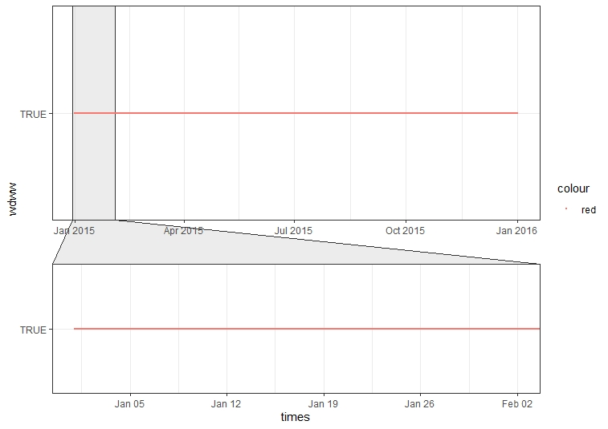
Working time [08-16h] (WT0816) | This indicator represent working time from 08h to 16h, with a working time of 8 hours which is by labor law. | Periodic - sine | Simulated |  | 2015 |  | 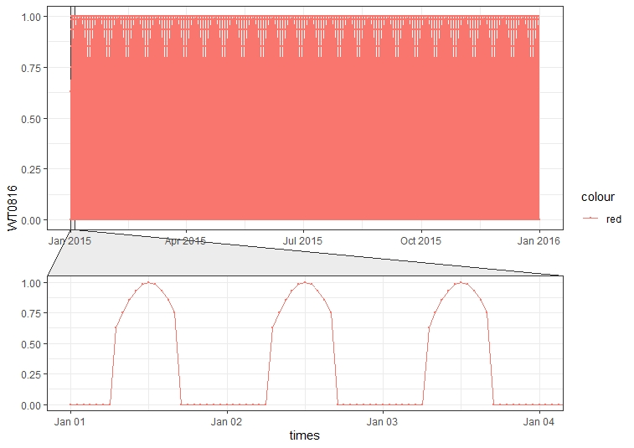
Working time [16-24h] (WT1624) | This indicator represent working time from 16h to 24h, with a working time of 8 hours which is by labor law. | Periodic - sine | Simulated |  | 2015 |  | 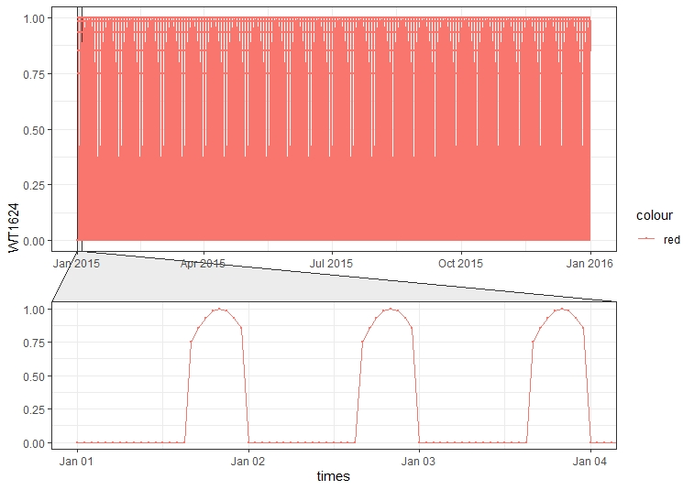
Working time [00-24h] (WT0024) | This indicator represent working time from 00h to 24h, assuming the activity is expressed throughout the day. | Periodic - sine | Simulated |  | 2015 |  | 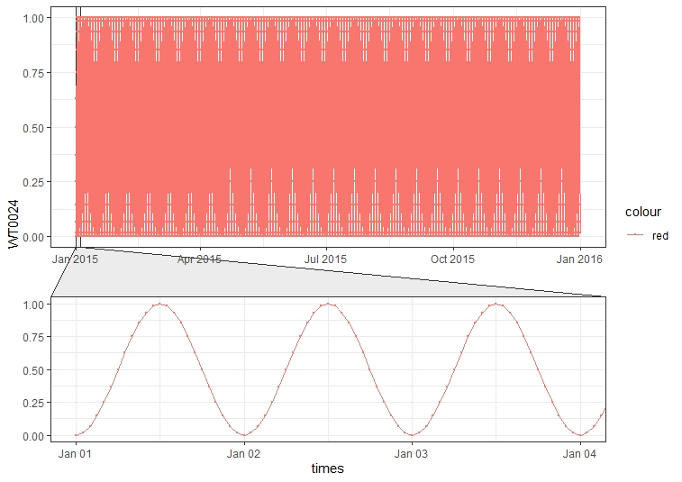
Working time for heating season [06-22h] (WT0624) | This indicator represent working time for heating season, assuming the activity of public heat production is expressed from 06h to 22h. | Periodic - sine | Simulated | Public company “Toplane Srbije” | 2015 | https://www.beoelektrane.rs/?cat=19 http://www.nstoplana.rs/ckfinder/userfiles/images/pdf/odluka.pdf | 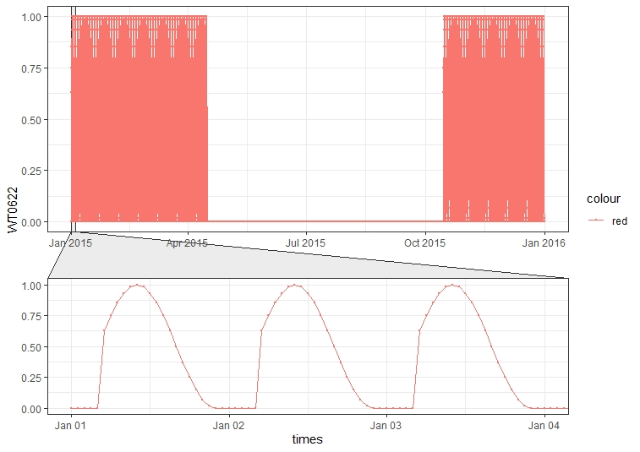
Day light (DL) | Data collected from public service dateandtime.com, for 2015 year. Function was created from the data that describes daylight for the whole year. | Periodic - sine | From data | Sunrise, Sunset, and Daylength for Serbia in 2015 year | 2015 | https://www.timeanddate.com/sun/serbia/belgrade?month=12&year=2015 | 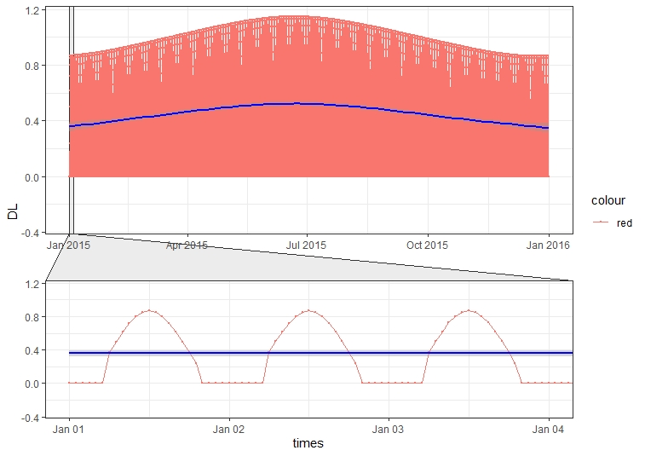
Weekends (WE) | This indicator represents weekends as indicator - binary function, where weekend days are Saturday and Sunday. | Indicator | From data |  | 2015 |  | 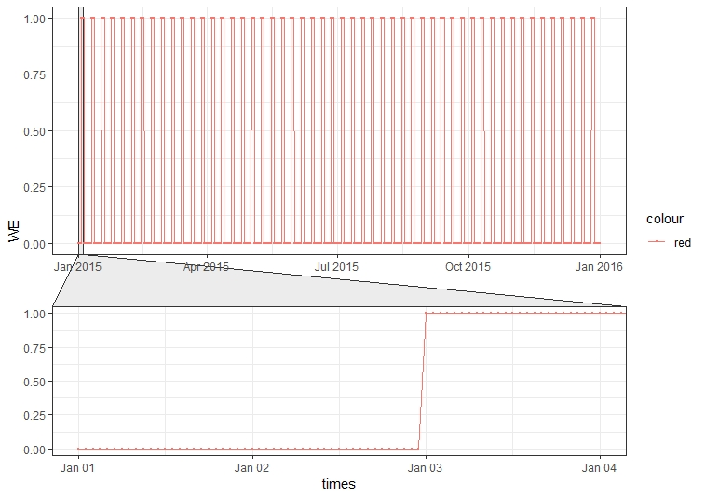
Working Weekends (WW) | This indicator represents weekends as periodic - sine function, where weekend days are Saturday and Sunday. This indicator is necessary to create a periodic function for the purposes of continuous temporal disaggregations. | Periodic - sine | Simulated |  | 2015 |  | 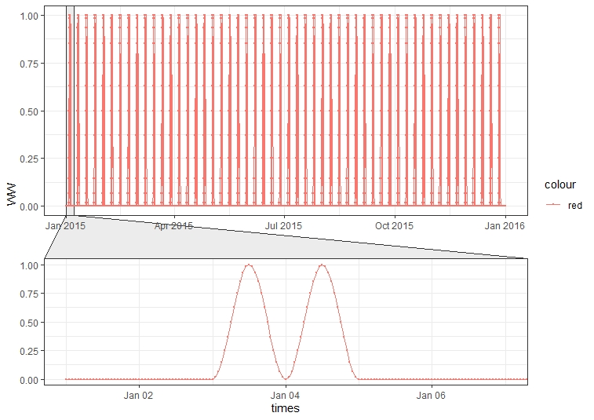
Rush hours [07-09h] (RH0709) | This indicator represents rush hours from 07h to 09h during working days, which is modeled as periodic - sine function. | Periodic - sine | Simulated |  | 2015 |  | 
Rush hours [15-17h] (RH1517) | This indicator represents rush hours from 15h to 17h during working days, which is modeled as periodic - sine function. | Periodic - sine | Simulated |  | 2015 |  | 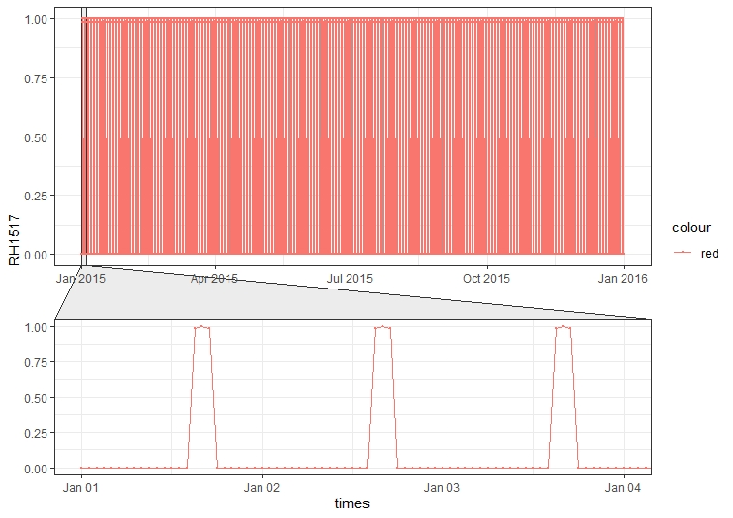
Public holidays (PH) | This indicator represents official public holidays for 2015 year in the Republic of Serbia, and they are represented for some functions as days off for working time. | Indicator | From data | The official labor law in the Republic of Serbia | 2015 | https://www.paragraf.rs/neradni-dani/2015.html | 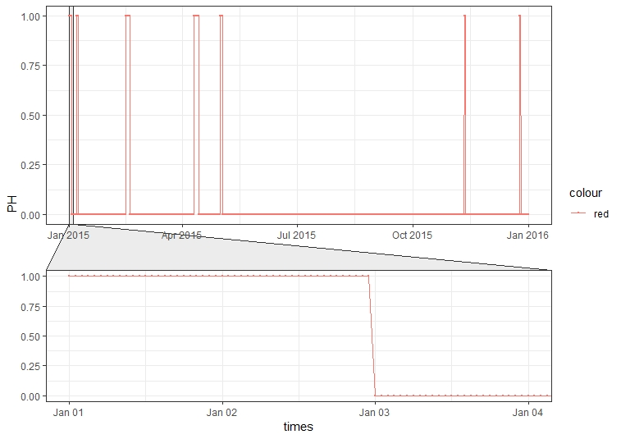
Seasons (SA) | Data collected from public service dateandtime.com, for 2015 year. Function was created from the data that describes season periods for the whole year. | Indicator | From data | Solstices and Equinoxes for Serbia in 2015 | 2015 | https://www.timeanddate.com/calendar/seasons.html | 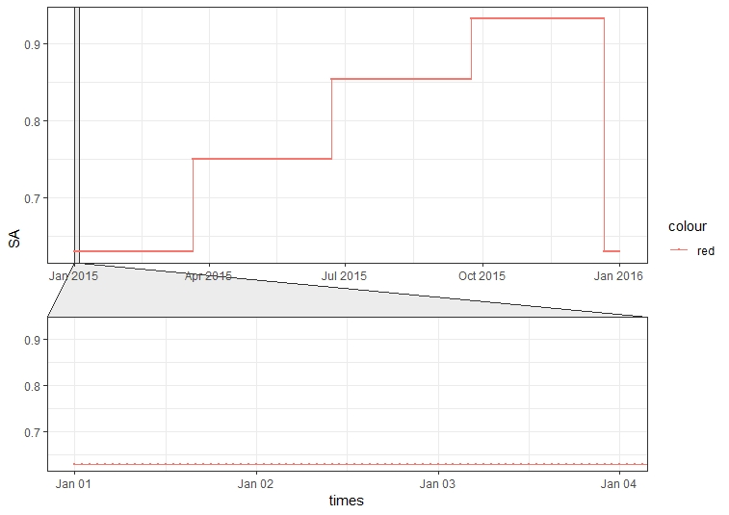 | 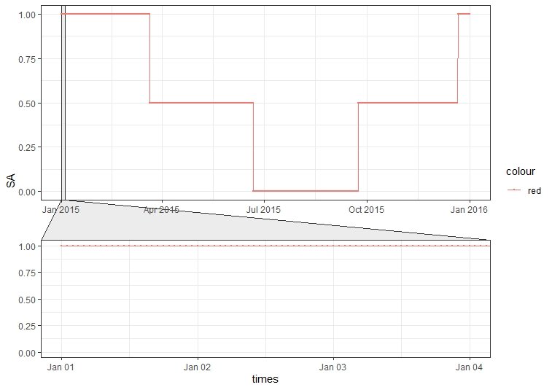
Heating season (HS) | This indicator represent heating season for 2015 year. | Periodic - step | From data | Public company “Toplane Srbije” | 2015 | https://www.beoelektrane.rs/?cat=19 http://www.nstoplana.rs/ckfinder/userfiles/images/pdf/odluka.pdf | 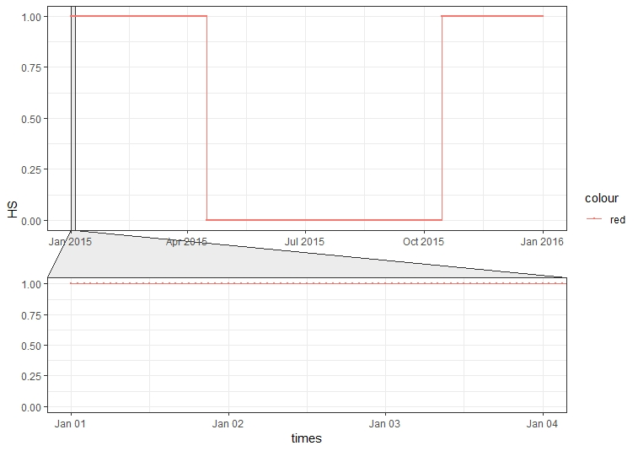
Agriculture Seasons (SAAG) | This indicator represent agriculture season for 2015 year. | Periodic - step | From data |  | 2015 |  | 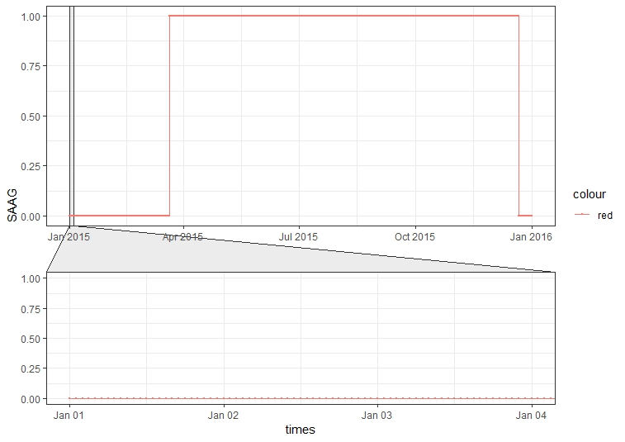
Temperature (TEMP) | This indicator represents mean temperature function, obtained from data, which is collected from aprox. 65 measuring station. Raw data are measured each hour for whole year. | Periodic - step | From data | OGIMET public service | 2015 | https://www.ogimet.com/home.phtml.en | 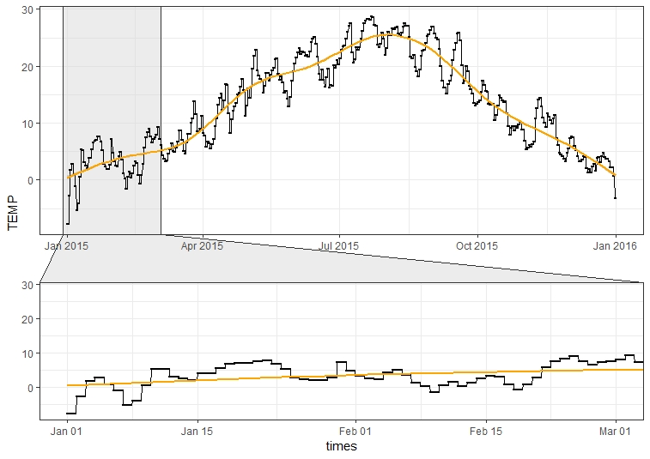
Sea level pressure (SLP) | This indicator represents mean sea level function, obtained from data, which is collected from aprox. 65 measuring station. Raw data are measured each hour for whole year. | Periodic - step | From data | OGIMET public service | 2015 | https://www.ogimet.com/home.phtml.en | 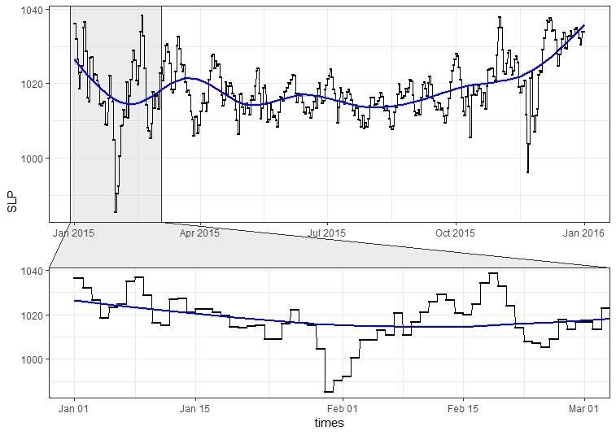
Transport - road class 1A - vehicles activity
Transport - road class 1A, 1B,- vehicles activity
Vehicles trend activity (VA) | Obtained from ~400 automatic Vehicle Counting Devices (VCD), spreaded over the whole territory of Serbia, on three different road category (1A, 2A and 1B) | Periodic | From data | Public Enterprise “Roads of Serbia” | 2015 |  | 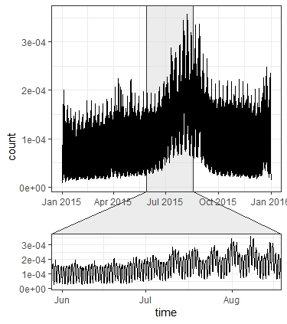 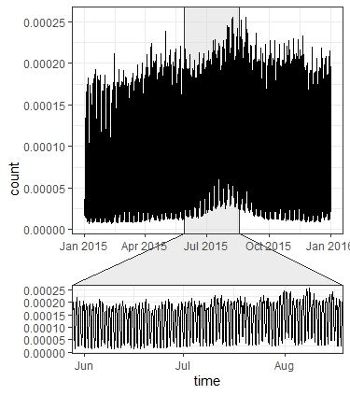
Number of flights per hour (NFH) | This indicator represents mean number of flights per hour, for 2015 year for each day in week. Function is represented as mean for both airports, which is simulated as periodic - sine function, with assuming the number flights per hour changes periodically and follows the daylight. | Periodic - sine | Simulated |  | 2015 |  | 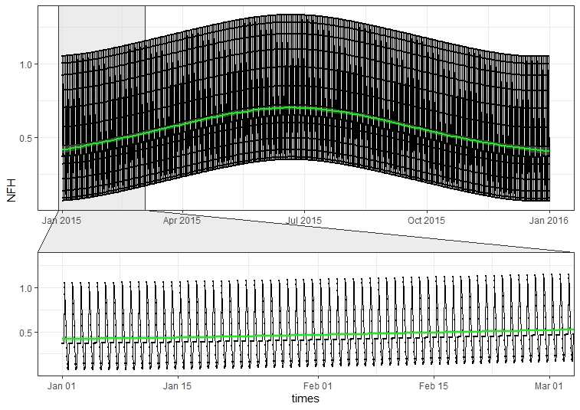
Repair - overhaul period (RP) | This indicator represents repair - overhaul period which is present and necessary in production. Repair period is in the most production sectors in the third quarter of the year and shall not exceed two weeks. | Indicator | From data |  | 2015 |  | 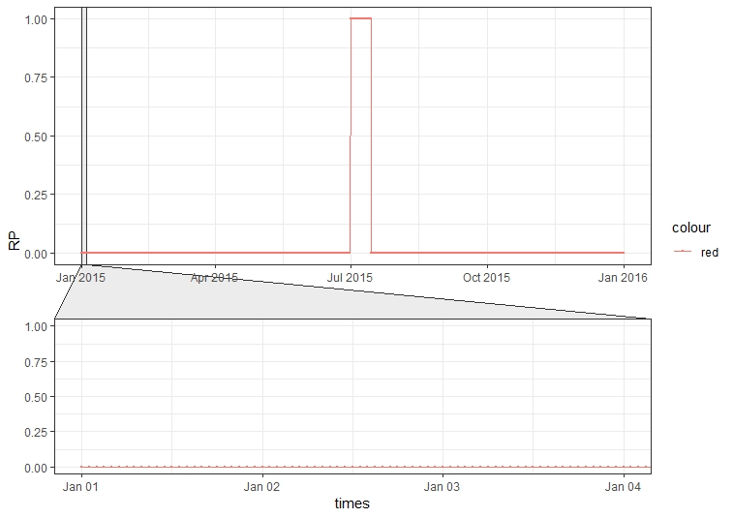

References:
Lenhart L. et al. (1997) Temporal Disaggregation of Emission Data. In: Ebel A., Friedrich R., Rodhe H. (eds) Tropospheric Modelling and Emission Estimation. Transport and Chemical Transformation of Pollutants in the Troposphere, vol 7. Springer, Berlin, Heidelberg https://doi.org/10.1007/978-3-662-03470-5_7

