Temporal distribution - summary
Calculation of hourly emissions - indicator for temporal disaggregation | Description | Type | Source | The origin of the source | Year of the data used for the project | Link | Example
Working days (WD) | Information collected on the basis of the official labor law in the Republic of Serbia. Working days are from Monday to Friday. | Indicator | From data | The official labor law in the Republic of Serbia | 2015 | http://www.ilo.org/dyn/travail/docs/2403/Labour%20Law%20Republic%20of%20Serbia.pdf | 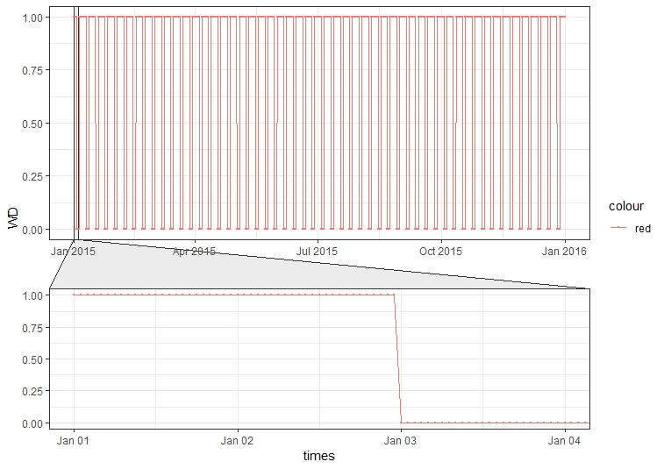
Working days + working weekends (WDWW) | This indicator represent working days from Monday to Sunday. | Indicator | From data |  | 2015 |  | 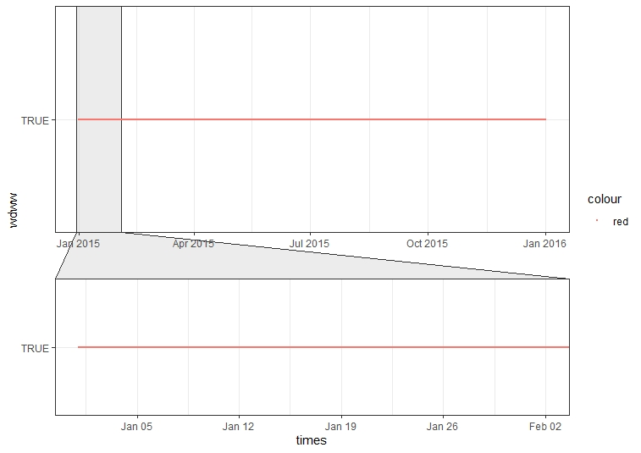
Working time [08-16h] (WT0816) | This indicator represent working time from 08h to 16h, with a working time of 8 hours which is by labor law. | Periodic - sine | Simulated |  | 2015 |  | 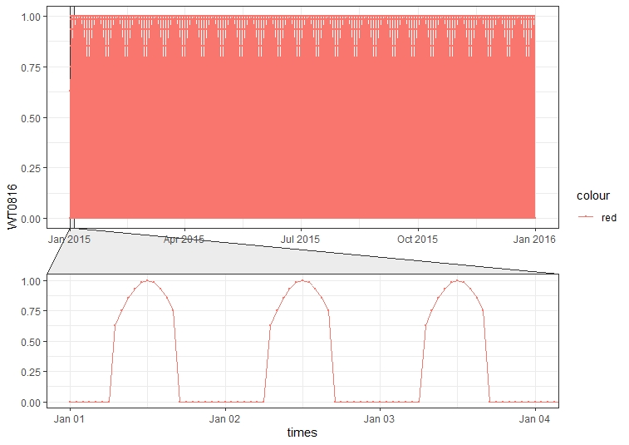
Working time [16-24h] (WT1624) | This indicator represent working time from 16h to 24h, with a working time of 8 hours which is by labor law. | Periodic - sine | Simulated |  | 2015 |  | 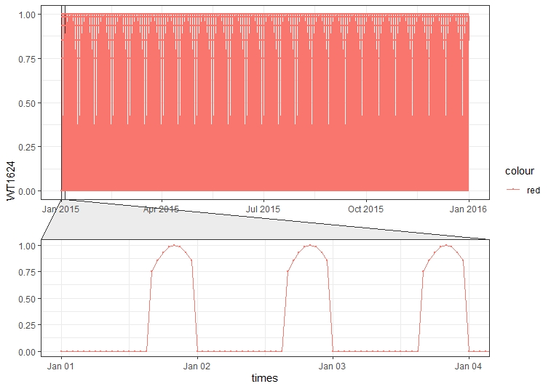
Working time [00-24h] (WT0024) | This indicator represent working time from 00h to 24h, assuming the activity is expressed throughout the day. | Periodic - sine | Simulated |  | 2015 |  | 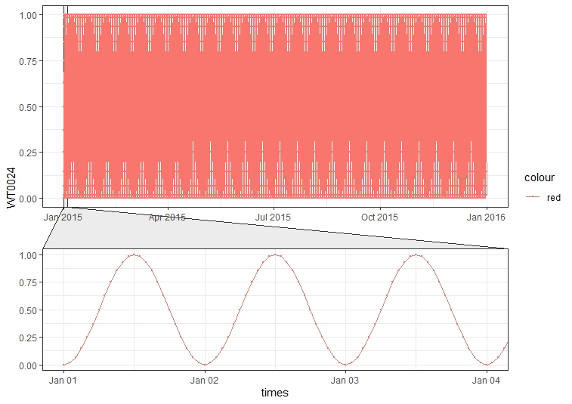
Working time for heating season [06-22h] (WT0624) | This indicator represent working time for heating season, assuming the activity of public heat production is expressed from 06h to 22h. | Periodic - sine | Simulated | Public company “Toplane Srbije” | 2015 | https://www.beoelektrane.rs/?cat=19 http://www.nstoplana.rs/ckfinder/userfiles/images/pdf/odluka.pdf | 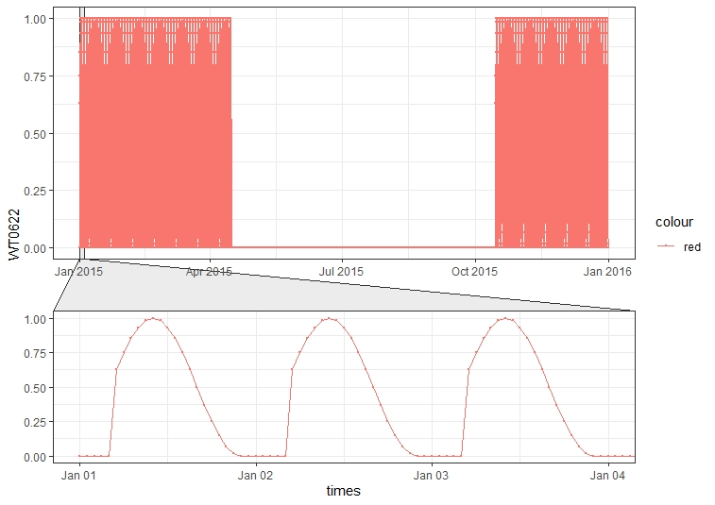
Day light (DL) | Data collected from public service dateandtime.com, for 2015 year. Function was created from the data that describes daylight for the whole year. | Periodic - sine | From data | Sunrise, Sunset, and Daylength for Serbia in 2015 year | 2015 | https://www.timeanddate.com/sun/serbia/belgrade?month=12&year=2015 | 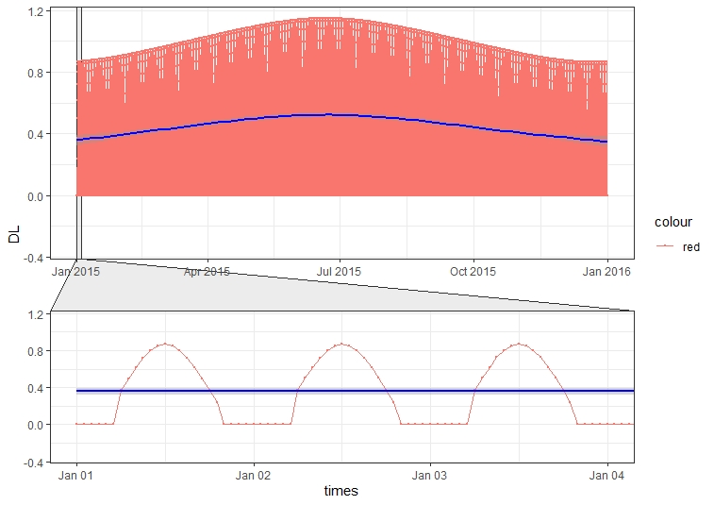
Weekends (WE) | This indicator represents weekends as indicator - binary function, where weekend days are Saturday and Sunday. | Indicator | From data |  | 2015 |  | 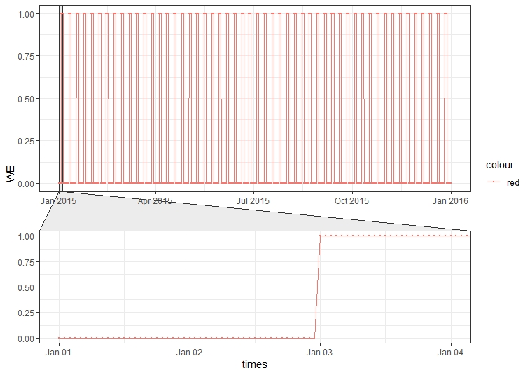
Working Weekends (WW) | This indicator represents weekends as periodic - sine function, where weekend days are Saturday and Sunday. This indicator is necessary to create a periodic function for the purposes of continuous temporal disaggregations. | Periodic - sine | Simulated |  | 2015 |  | 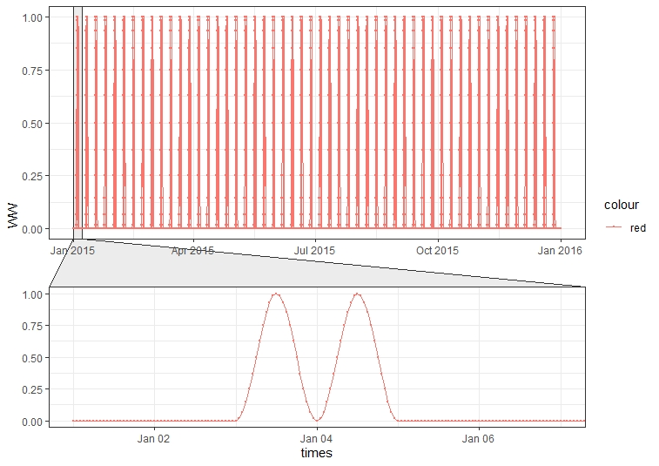
Rush hours [07-09h] (RH0709) | This indicator represents rush hours from 07h to 09h during working days, which is modeled as periodic - sine function. | Periodic - sine | Simulated |  | 2015 |  | 
Rush hours [15-17h] (RH1517) | This indicator represents rush hours from 15h to 17h during working days, which is modeled as periodic - sine function. | Periodic - sine | Simulated |  | 2015 |  | 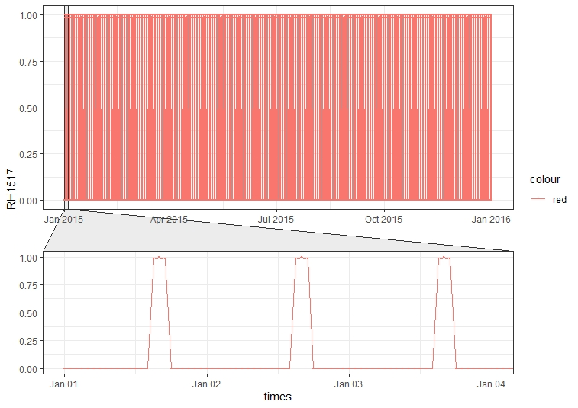
Public holidays (PH) | This indicator represents official public holidays for 2015 year in the Republic of Serbia, and they are represented for some functions as days off for working time. | Indicator | From data | The official labor law in the Republic of Serbia | 2015 | https://www.paragraf.rs/neradni-dani/2015.html | 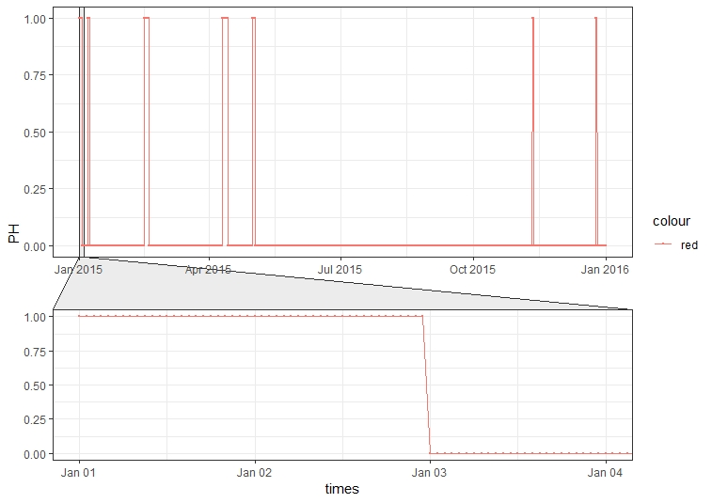
Seasons (SA) | Data collected from public service dateandtime.com, for 2015 year. Function was created from the data that describes season periods for the whole year. REPLACED with temperature, because it describes seasonality much better. | Indicator | From data | Solstices and Equinoxes for Serbia in 2015 | 2015 | https://www.timeanddate.com/calendar/seasons.html | 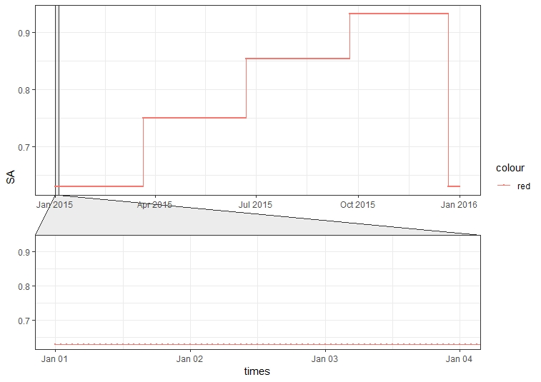 | 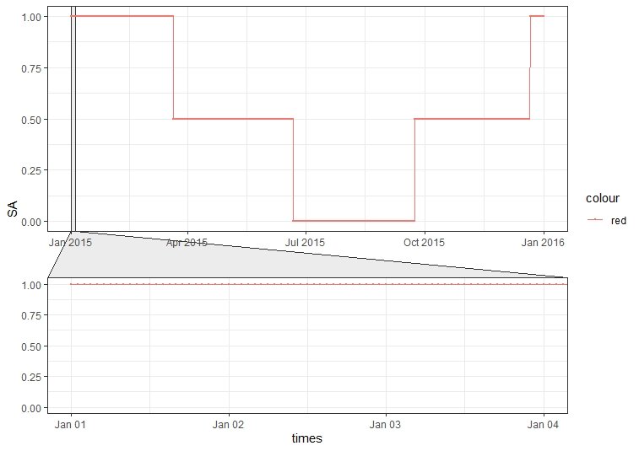
Heating season (HS) | This indicator represent heating season for 2015 year. | Periodic - step | From data | Public company “Toplane Srbije” | 2015 | https://www.beoelektrane.rs/?cat=19 http://www.nstoplana.rs/ckfinder/userfiles/images/pdf/odluka.pdf | 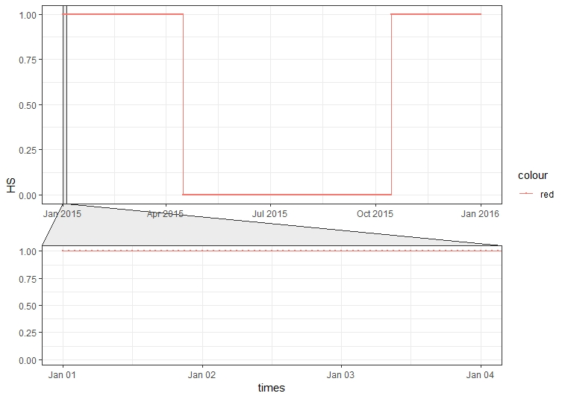
Agriculture Seasons (SAAG) | This indicator represent agriculture season for 2015 year. | Periodic - step | From data |  | 2015 |  | 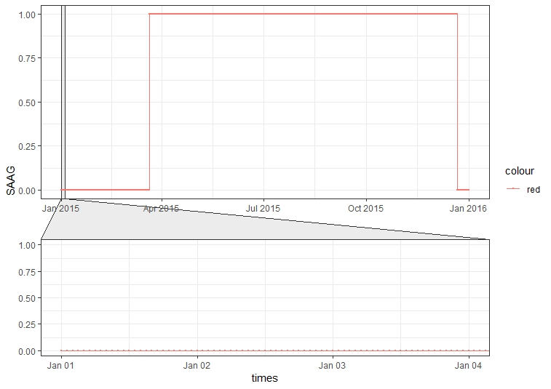
Temperature (TEMP) | This indicator represents mean temperature function, obtained from data, which is collected from aprox. 65 measuring station. Raw data are measured each hour for whole year. | Periodic - step | From data | OGIMET public service | 2015 | https://www.ogimet.com/home.phtml.en | 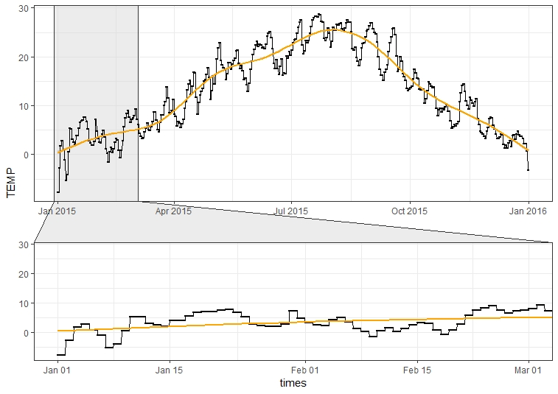
Sea level pressure (SLP) | This indicator represents mean sea level function, obtained from data, which is collected from aprox. 65 measuring station. Raw data are measured each hour for whole year. | Periodic - step | From data | OGIMET public service | 2015 | https://www.ogimet.com/home.phtml.en | 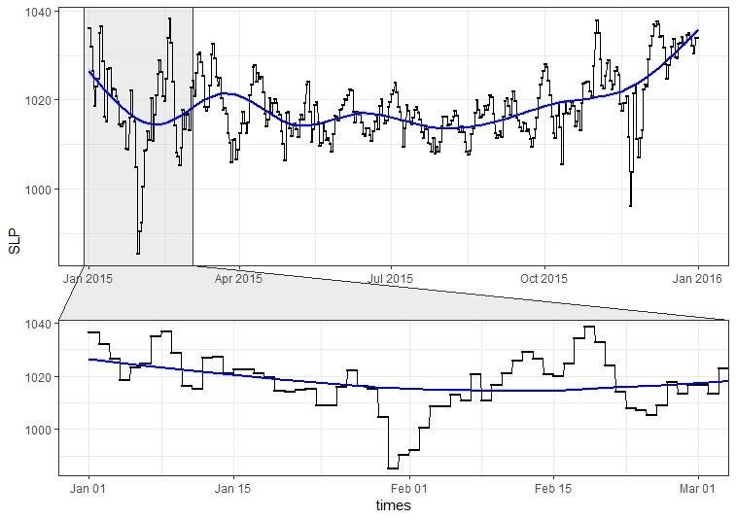
Transport - road class 1A - vehicles activity
Transport - road class 1A, 1B,- vehicles activity
Vehicles trend activity (VA) | Obtained from ~400 automatic Vehicle Counting Devices (VCD), spreaded over the whole territory of Serbia, on three different road category (1A, 2A and 1B) | Periodic | From data | Public Enterprise “Roads of Serbia” | 2015 |  | 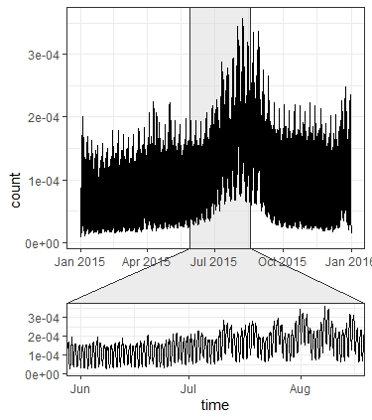 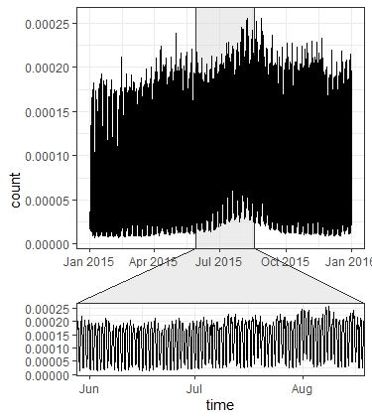
Number of flights per hour (NFH) | This indicator represents mean number of flights per hour, for 2015 year for each day in week. Function is represented as mean for both airports, which is simulated as periodic - sine function, with assuming the number flights per hour changes periodically and follows the daylight. | Periodic - sine | Simulated |  | 2015 |  | 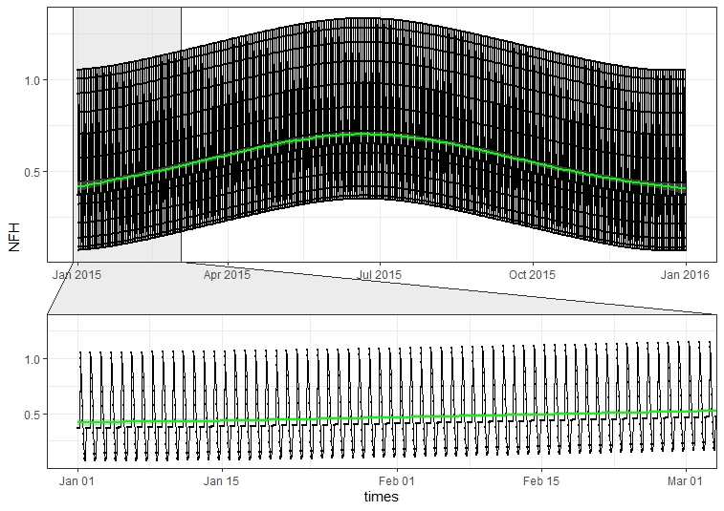
Repair - overhaul period (RP) | This indicator represents repair - overhaul period which is present and necessary in production. Repair period is in the most production sectors in the third quarter of the year and shall not exceed two weeks. | Indicator | From data |  | 2015 |  | 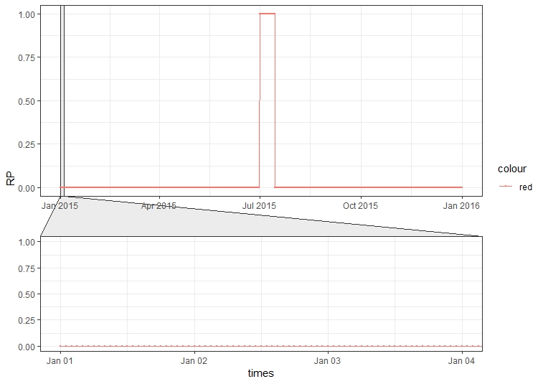

References:
Lenhart L. et al. (1997) Temporal Disaggregation of Emission Data. In: Ebel A., Friedrich R., Rodhe H. (eds) Tropospheric Modelling and Emission Estimation. Transport and Chemical Transformation of Pollutants in the Troposphere, vol 7. Springer, Berlin, Heidelberg https://doi.org/10.1007/978-3-662-03470-5_7

