Tabelle1
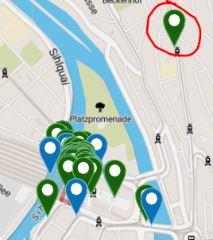
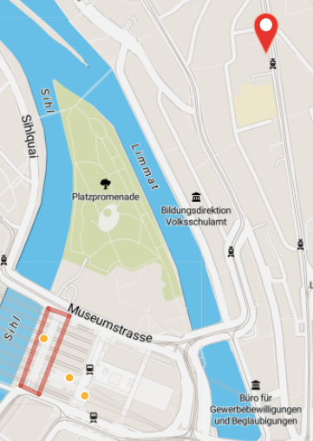
Aussreisser 1: -> gleiche Position bei beiden berechnungen (SlidingWindo/NoFiltering)

 | TRILATERATION_SLIDING_WINDOW | Device-ID 1 |  | TRILATERATION_NO_SMOOTHING | Device-ID 1
 | Geopos | (47.38289810939168|8.54332306899618|-2) |  | Geopos | (47.38289810939168|8.54332306899618|-2)
 | Position Time | 4/17/22 |  | Position Time | 4/17/22
 | Signal 1 ID | 20.956 |  | Signal 1 ID | 20.956
 | Signal 1 Beacon-ID | 277 |  | Signal 1 Beacon-ID | 277
 | Signal 2 ID | 20.957 |  | Signal 2 ID | 20.957
 | Signal 2 Beacon-ID | 360 |  | Signal 2 Beacon-ID | 360
 | Signal 3 ID | 20.958 |  | Signal 3 ID | 20.958
 | Signal 3 Beacon-ID | 365 |  | Signal 3 Beacon-ID | 365

 | Beacons -> Export/OpenDataSoftFile -> Gleich wie in DB & SBB (verglichen)
 | beacon_id | MAJOR | MINOR | Name | geopos | register_source | UID | Geoposition | floor
 | 277 | 40942 | 7467 | Kontakt-SBB 40942.7467 | (47.377709|8.539251|-2) | CALIBMAP[IOS] | 40942.7467 | 47.377709,8.539251 | -2
 | 360 | 38148 | 62629 | Kontakt-SBB 38148.62629 | (47.3785815346535|8.53833549504951|-2) | CALIBMAP[IOS] | 38148.62629 | 47.3785815347,8.53833549505 | -2
 | 365 | 38137 | 62618 | Kontakt-SBB 38137.62618 | (47.3779880196078|8.53891850980392|-2) | CALIBMAP[IOS] | 38137.62618 | 47.3779880196,8.5389185098 | -2

 | Signale
 | id |  | txPower | rssi | runningAverageRssi | distance | calculated_distance | beaconId | sliding_window_distance
 | 20956 | 2022-04-17 18:29:58.813+02 | -72 | -91 | -91 | 2.6920341225 | 2.9853826189 | 277 | 2.9853826189
 | 20957 | 2022-04-17 18:29:58.813+02 | -72 | -92 | -92 | 2.8610210581 | 3.1622776602 | 360 | 3.1622776602
 | 20958 | 2022-04-17 18:29:58.813+02 | -72 | -95 | -95 | 3.4381990309 | 3.7583740429 | 365 | 3.7583740429

 | Position
 | Calculation-Method | Calculation Time | Route Start-Time | Rout End-time | Device-Fingerprint | Device-ID | geopos | Geoposition | Position Time | Estimated Floor | signals_floors | Signal 1 ID | Signal 1 Beacon-ID | Signal 2 ID | Signal 2 Beacon-ID | Signal 3 ID | Signal 3 Beacon-ID
 | TRILATERATION_NO_SMOOTHING | Wed Apr 20 01:46:58 CEST 2022 | 4/17/22 | 4/17/22 | OnePlus/Nord_EEA/Nord:11/RP1A.201005.001/2203101723:user/release-keys | 1 | (47.38289810939168|8.54332306899618|-2) | 47.38289810939168,8.54332306899618 | 4/17/22 | -2 | -2,-2,-2, | 20956 | 277 | 20957 | 360 | 20958 | 365

Aussreisser 2:

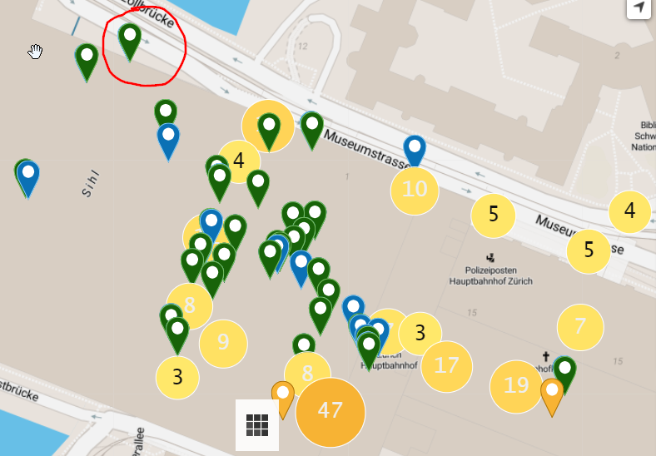
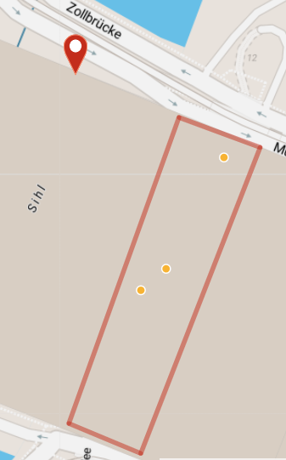
 | TRILATERATION_SLIDING_WINDOW | Device-ID1 |  | TRILATERATION_NO_SMOOTHING | Device-ID1
 | Geopos | (47.37920532200122|8.537844721995093|-2) |  | Geopos | (47.37920689750174|8.537843293995081|-2)
 | Position Time | 4/17/22 |  | Position Time | 4/17/22
 | Signal 1 ID | 20.392 |  | Signal 1 ID | 20.39
 | Signal 1 Beacon-ID | 374 |  | Signal 1 Beacon-ID | 358
 | Signal 2 ID | 20.394 |  | Signal 2 ID | 20.394
 | Signal 2 Beacon-ID | 350 |  | Signal 2 Beacon-ID | 350
 | Signal 3 ID | 20.39 |  | Signal 3 ID | 20.392
 | Signal 3 Beacon-ID | 358 |  | Signal 3 Beacon-ID | 374

 | Beacons
 | beacon_id | MAJOR | MINOR | Name | geopos | register_source | UID | Geoposition | floor
 | 350 | 38164 | 62645 | Kontakt-SBB 38164.62645 | (47.3783753564356|8.53821566336634|-2) | CALIBMAP[IOS] | 38164.62645 | 47.3783753564,8.53821566337 | -2
 | 358 | 38152 | 62633 | Kontakt-SBB 38152.62633 | (47.3788888421053|8.538697|-2) | CALIBMAP[IOS] | 38152.62633 | 47.3788888421,8.538697 | -2
 | 374 | 38122 | 62603 | Kontakt-SBB 38122.62603 | (47.3784592475248|8.53836412871287|-2) | CALIBMAP[IOS] | 38122.62603 | 47.3784592475,8.53836412871 | -2

 | Signale
 | id |  | txPower | rssi | runningAverageRssi | distance | calculated_distance | beaconId | sliding_window_distance
 | 20390 | 2022-04-17 18:27:49.944+02 | -72 | -83 | -91 | 2.6920341225 | 1.8836490895 | 358 | 2.9853826189
 | 20392 | 2022-04-17 18:27:49.944+02 | -72 | -88 | -89.666666667 | 2.48324977 | 2.5118864315 | 374 | 2.764818754
 | 20394 | 2022-04-17 18:27:49.944+02 | -72 | -86 | -90 | 2.5337382706 | 2.2387211386 | 350 | 2.8183829313

 | Position
 | Calculation-Method | Calculation Time | Route Start-Time | Rout End-time | Device-Fingerprint | Device-ID | geopos | Geoposition | Position Time | Estimated Floor | signals_floors | Signal 1 ID | Signal 1 Beacon-ID | Signal 2 ID | Signal 2 Beacon-ID | Signal 3 ID | Signal 3 Beacon-ID
 | TRILATERATION_NO_SMOOTHING | Wed Apr 20 01:46:58 CEST 2022 | 4/17/22 | 4/17/22 | OnePlus/Nord_EEA/Nord:11/RP1A.201005.001/2203101723:user/release-keys | 1 | (47.37920689750174|8.537843293995081|-2) | 47.37920689750174,8.537843293995081 | 4/17/22 | -2 | -2,-2,-2, | 20390 | 358 | 20394 | 350 | 20392 | 374

Im Bereich

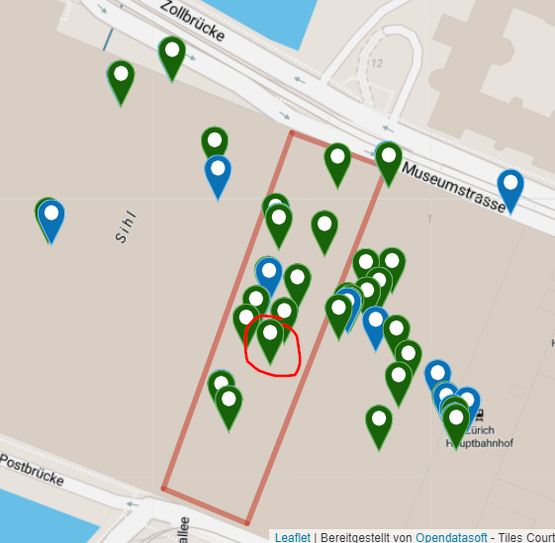
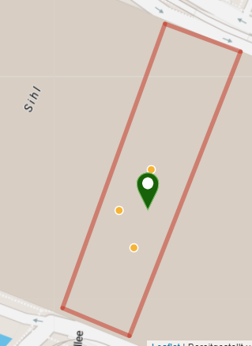
 | TRILATERATION_SLIDING_WINDOW | Device-ID1 |  | TRILATERATION_NO_SMOOTHING | Device-ID1
 | Geopos | (47.37826304689444|8.538330781079992|-2) |  | Geopos | (47.3782619284238|8.538330845319953|-2)
 | Position Time | 4/17/22 |  | Position Time | 4/17/22
 | Signal 1 ID | 20.542 |  | Signal 1 ID | 20.542
 | Signal 1 Beacon-ID | 392 |  | Signal 1 Beacon-ID | 392
 | Signal 2 ID | 20.543 |  | Signal 2 ID | 20.543
 | Signal 2 Beacon-ID | 380 |  | Signal 2 Beacon-ID | 380
 | Signal 3 ID | 20.545 |  | Signal 3 ID | 20.545
 | Signal 3 Beacon-ID | 385 |  | Signal 3 Beacon-ID | 385

 | Beacons
 | beacon_id | MAJOR | MINOR | Name | geopos | register_source | UID | Geoposition | floor
 | 392 | 38087 | 62568 | Kontakt-SBB 38087.62568 | (47.3784374455445|8.53835183168317|-2) | CALIBMAP[IOS] | 38087.62568 | 47.3784374455,8.53835183168 | -2
 | 380 | 38113 | 62594 | Kontakt-SBB 38113.62594 | (47.3781076938775|8.53824342857143|-2) | CALIBMAP[IOS] | 38113.62594 | 47.3781076939,8.53824342857 | -2
 | 385 | 38102 | 62583 | Kontakt-SBB 38102.62583 | (47.3782668415842|8.53815259405941|-2) | CALIBMAP[IOS] | 38102.62583 | 47.3782668416,8.53815259406 | -2

 | Signale
 | id |  | txPower | rssi | runningAverageRssi | distance | calculated_distance | beaconId | sliding_window_distance
 | 20542 | 2022-04-17 18:28:04.385+02 | -72 | -89 | -89.75 | 2.4957675968 | 2.6607250598 | 392 | 2.7781135966
 | 20543 | 2022-04-17 18:28:04.385+02 | -72 | -91 | -96.5 | 3.7703108893 | 2.9853826189 | 380 | 4.0973210981
 | 20545 | 2022-04-17 18:28:04.385+02 | -72 | -94 | -96.5 | 3.7703108893 | 3.5481338923 | 385 | 4.0973210981

 | Position
 | Calculation-Method | Calculation Time | Route Start-Time | Rout End-time | Device-Fingerprint | Device-ID | geopos | Geoposition | Position Time | Estimated Floor | signals_floors | Signal 1 ID | Signal 1 Beacon-ID | Signal 2 ID | Signal 2 Beacon-ID | Signal 3 ID | Signal 3 Beacon-ID
 | TRILATERATION_NO_SMOOTHING | Wed Apr 20 01:46:58 CEST 2022 | 4/17/22 | 4/17/22 | OnePlus/Nord_EEA/Nord:11/RP1A.201005.001/2203101723:user/release-keys | 1 | (47.3782619284238|8.538330845319953|-2) | 47.3782619284238,8.538330845319953 | 4/17/22 | -2 | -2,-2,-2, | 20542 | 392 | 20543 | 380 | 20545 | 385

Trilateration-Calc-Tests-Cases
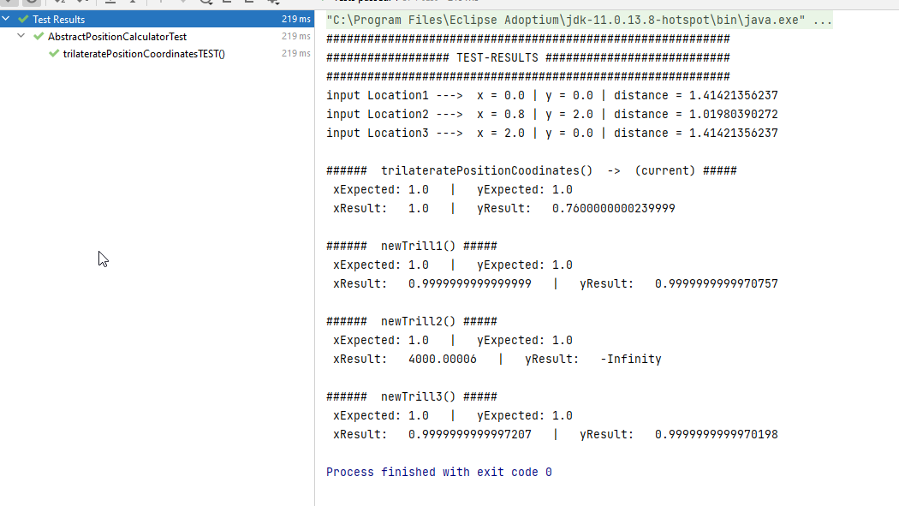
Quelle | https://www.desmos.com/calculator/vdy4hafwyb?lang=de

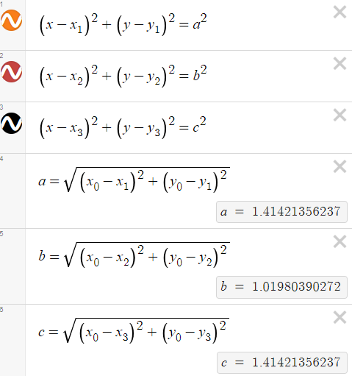
 | Test-Case 1 | Simple-Trilateration-Optimum mit Mock-Daten |  |  |  |  | Test Pass
 |  |  |  |  |  |  | Schnittpunkt
 |  |  |  |  | x | y | x | y
 |  |  |  | Mittelpunkt 1 | 0 | 0 | 1 | 1
 |  |  |  | Mittelpunkt 2 | 0.8 | 2
 |  |  |  | Mittelpunkt 3 | 2 | 0
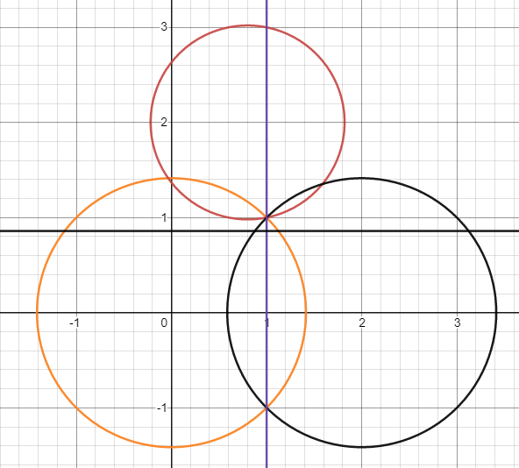

 | C | Conclusions:
 |  |  | current -> bad performance in this scenario
 |  |  | newTrill1 berforms best
 |  |  | newTrill2 calculation completely wrong

 | changing all double-types to decimal to try to increase the precision |  |  |  | _> no visible effect in result

