Sample
Common Configuration |  |  | Input Rule
 | VTGT [V] | 3.3 | Pin #4 and #6 drive, List from "OFF", "3.3V" or "5.0V"
 | VIO [V] | 3.0 | Pin #22 and #24 drive, List from variation
 | Sleep Duration [ms] | 100 | Sleep Time in between Sequences

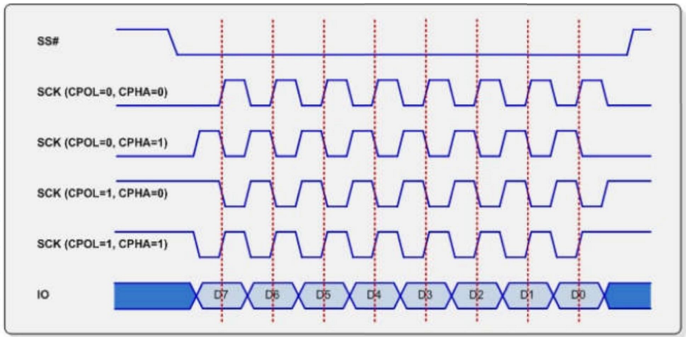
I2C Configuration
 | I2C Pull-Up | ON | "OFF" or "ON"
 | I2C Data Rate [kHz] | 100 | Integer value in bewtween 1and 3400, 1kHz - 3.4MHz

SPI Configuration |  |  |  |  |  |  |  | Notes:
 | SPI Data Rate [kHz] | 200 | Integer value in bewtween 31 and 80,000, 31kHz - 80MHz |  |  |  |  | SPI Mode | Clock Polarity | Clock Phase | Promira Serial Platform
 | SPI Polarity | rising/falling | "rising/falling" or "falling/rising" |  |  |  |  |  |  |  | SPI Poloarity |  | SPI Phase
 | SPI Phase | setup/sample | "sample/setup" or "setup/sample" |  |  |  |  |  | CPOL | CPHA
 | SPI Bit Order | msb | "msb" or "lsb" |  |  |  |  | 0 | 0 | 0 | rising/falling |  | sample/setup
 | SPI CS Polarity | active_low | "active_low" or "active_high" |  |  |  |  | 1 | 0 | 1 |  |  | setup/sample
 |  |  |  |  |  |  |  | 2 | 1 | 0 | falling/rising |  | sample/setup
GPIO Configuration |  |  |  |  |  |  |  | 3 | 1 | 1 |  |  | setup/sample
 | GPIO Internal Pull Up | ON | "OFF or "ON"

Sequence
 | Sequence # | Remote Operaton |  |  |  |  | Fixed Operation (GPIO), 14pin CON: (GPIO00 ~ 07), 34pin CON: (Full GPIOs)
 |  | Direction | Mode | I2C: Address | SPI: CS | Data | GPIO: 00 | GPIO: 01 | GPIO: 02 | GPIO: 03 | GPIO: 04 | GPIO: 05 | GPIO: 06 | GPIO: 07 | GPIO: 08 | GPIO: 09 | GPIO: 10 | GPIO: 11 | GPIO: 12 | GPIO: 13 | GPIO: 14 | GPIO: 15
 |  |  |  |  |  |  | I2C: SCL | I2C: SDA | SPI:CS0 | SPI:CS2 | SPI:CS1 | SPI:CS3 | SPI:CS4 | SPI:CS5 | SPI:CS6 |  |  |  |  |  |  | SPI:CS7
 | 1 | Write | SPI | 48 | CS0 | 04FF |  | High | High
 | 2 | Write | SPI | 40 | CS1 | 0122 |  | High | Low
 | 3 | Write | I2C | 40 |  | FFFF | Low | Low | High
 | 4
 | 5
 | 6
 | 7
 | 8
 | 9
 | 10
 | 11
 | 12
 | 13
 | 14
 | 15
 | 16
 | 17
 | 18
 | 19
 | 20
 | 21
 | 22
 | 23
 | 24
 | 25
 | 26
 | 27
 | 28
 | 29
 | 30

