HolidaySales
Store | (All)

Row Labels | Sum of Valentine_Sales | Sum of Prez_Sales | Sum of Easter_Sales | Sum of Mothers_Sales | Sum of Memorial_Sales | Sum of Fathers_Sales | Sum of July4_Sales | Sum of Labor_Sales | Sum of Halloween_Sales | Sum of BlackFri_Sales | Sum of Xmas_Sales | Sum of Jan1_Sales
2010 | 48,336,678 | 48,276,994 | 50,423,831 | 48,503,244 | 47,757,503 | 47,622,046 | 48,917,485 | 47,194,258 | 43,602,831 | 65,821,003 | 80,931,416 | 40,432,519
2011 | 47,336,193 | 48,716,164 | 48,676,692 | 45,446,145 | 45,293,457 | 47,447,562 | 47,578,520 | 45,376,623 | 45,855,821 | 66,593,605 | 76,998,241 | 46,042,461
2012 | 50,009,408 | 50,197,057 | 53,502,316 | 46,925,879 | 47,892,463 | 48,412,111 | 46,597,112 | 47,159,639 | 45,544,116 | 0 | 0 | 0
Grand Total | 145,682,278 | 147,190,215 | 152,602,839 | 140,875,267 | 140,943,423 | 143,481,719 | 143,093,116 | 139,730,520 | 135,002,768 | 132,414,608 | 157,929,657 | 86,474,980

Holiday Weeks Only

AvgSalesAll
Average Monthly Sales
 | Total
Feb | 1,057,405
Mar | 1,010,666
Apr | 1,028,499
May | 1,037,283
Jun | 1,068,034
Jul | 1,033,689
Aug | 1,042,445
Sep | 984,822
Oct | 965,164
Nov | 1,126,963
Dec | 1,283,380
Jan | 909,466
Feb | 1,035,174
Mar | 996,425
Apr | 1,006,784
May | 1,009,156
Jun | 1,054,297
Jul | 1,021,828
Aug | 1,047,774
Sep | 981,546
Oct | 1,018,118
Nov | 1,167,569
Dec | 1,280,347
Jan | 938,303
Feb | 1,067,020
Mar | 1,028,932
Apr | 1,049,561
May | 1,048,703
Jun | 1,069,379
Jul | 1,041,719
Aug | 1,052,670
Sep | 1,003,586
Oct | 1,024,232
Store | (All)
Date | (All)
Holiday_Sales | (All)

Row Labels | Average of Weekly_Sales
2010
Qtr1
Feb | 1,057,405
Mar | 1,010,666
Qtr2
Apr | 1,028,499
May | 1,037,283
Jun | 1,068,034
Qtr3
Jul | 1,033,689
Aug | 1,042,445
Sep | 984,822
Qtr4
Oct | 965,164
Nov | 1,126,963
Dec | 1,283,380
2011
Qtr1
Jan | 909,466
Feb | 1,035,174
Mar | 996,425
Qtr2
Apr | 1,006,784
May | 1,009,156
Jun | 1,054,297
Qtr3
Jul | 1,021,828
Aug | 1,047,774
Sep | 981,546
Qtr4
Oct | 1,018,118
Nov | 1,167,569
Dec | 1,280,347
2012
Qtr1
Jan | 938,303
Feb | 1,067,020
Mar | 1,028,932
Qtr2
Apr | 1,049,561
May | 1,048,703
Jun | 1,069,379
Qtr3
Jul | 1,041,719
Aug | 1,052,670
Sep | 1,003,586
Qtr4
Oct | 1,024,232
Grand Total | 1,046,965

TotalSalesBoth
Store | (All)
Holiday | (All)
Weekly Sales Data
Row Labels | Non-Holidays | Holidays
2010 | 1671066314.5 | 617,819,806
Qtr1 | 275639114.13 | 96,613,671
Feb | 93719311.63 | 96,613,671
2010-02-05 | 49750740.5 | 0
2010-02-12 | 0 | 48,336,678
2010-02-19 | 0 | 48,276,994
2010-02-26 | 43968571.13 | 0
Mar | 181919802.5 | 0
2010-03-05 | 46871470.3 | 0
2010-03-12 | 45925396.51 | 0
2010-03-19 | 44988974.64 | 0
2010-03-26 | 44133961.05 | 0
Qtr2 | 416062851.18 | 194,306,624
Apr | 180988536.79 | 50,423,831
2010-04-02 | 0 | 50,423,831
2010-04-09 | 47365290.44 | 0
2010-04-16 | 45183667.08 | 0
2010-04-23 | 44734452.56 | 0
2010-04-30 | 43705126.71 | 0
May | 90450188.26 | 96,260,746
2010-05-07 | 0 | 48,503,244
2010-05-14 | 45330080.2 | 0
2010-05-21 | 45120108.06 | 0
2010-05-28 | 0 | 47,757,503
Jun | 144624126.13 | 47,622,046
2010-06-04 | 50188543.12 | 0
2010-06-11 | 47826546.72 | 0
2010-06-18 | 0 | 47,622,046
2010-06-25 | 46609036.29 | 0
Qtr3 | 501376391.13 | 96,111,742
Jul | 183662641.48 | 48,917,485
2010-07-02 | 0 | 48,917,485
2010-07-09 | 47899529.37 | 0
2010-07-16 | 46243899.58 | 0
2010-07-23 | 44888849.11 | 0
2010-07-30 | 44630363.42 | 0
Aug | 187640110.89 | 0
2010-08-06 | 48204999.12 | 0
2010-08-13 | 46464418.41 | 0
2010-08-20 | 47060952.92 | 0
2010-08-27 | 45909740.44 | 0
Sep | 130073638.76 | 47,194,258
2010-09-03 | 0 | 47,194,258
2010-09-10 | 45634397.84 | 0
2010-09-17 | 43080726.51 | 0
2010-09-24 | 41358514.41 | 0
Qtr4 | 477987958.09 | 230,787,769
Oct | 173558993.07 | 43,602,831
2010-10-01 | 42239875.87 | 0
2010-10-08 | 45102974.23 | 0
2010-10-15 | 43149473.45 | 0
2010-10-22 | 43066669.52 | 0
2010-10-29 | 0 | 43,602,831
Nov | 137032366.9 | 65,821,003
2010-11-05 | 45781981.89 | 0
2010-11-12 | 46124800.83 | 0
2010-11-19 | 45125584.18 | 0
2010-11-26 | 0 | 65,821,003
Dec | 167396598.12 | 121,363,935
2010-12-03 | 49909027.88 | 0
2010-12-10 | 55666770.39 | 0
2010-12-17 | 61820799.85 | 0
2010-12-24 | 0 | 80,931,416
2010-12-31 | 0 | 40,432,519
2011 | 1836838523.3 | 611,361,484
Qtr1 | 433339386.08 | 96,052,357
Jan | 163703966.83 | 0
2011-01-07 | 42775787.77 | 0
2011-01-14 | 40673678.04 | 0
2011-01-21 | 40654648.03 | 0
2011-01-28 | 39599852.99 | 0
Feb | 90278970.96 | 96,052,357
2011-02-04 | 46153111.12 | 0
2011-02-11 | 0 | 47,336,193
2011-02-18 | 0 | 48,716,164
2011-02-25 | 44125859.84 | 0
Mar | 179356448.29 | 0
2011-03-04 | 46980603.74 | 0
2011-03-11 | 44627319.4 | 0
2011-03-18 | 44872325.97 | 0
2011-03-25 | 42876199.18 | 0
Qtr2 | 411084198.63 | 186,863,856
Apr | 177849818.91 | 48,676,692
2011-04-01 | 43458991.19 | 0
2011-04-08 | 45887466.8 | 0
2011-04-15 | 44973328.14 | 0
2011-04-22 | 0 | 48,676,692
2011-04-29 | 43530032.78 | 0
May | 90908556.3 | 90,739,602
2011-05-06 | 46861958.29 | 0
2011-05-13 | 0 | 45,446,145
2011-05-20 | 44046598.01 | 0
2011-05-27 | 0 | 45,293,457
Jun | 142325823.42 | 47,447,562
2011-06-03 | 48771994.18 | 0
2011-06-10 | 47669734.66 | 0
2011-06-17 | 0 | 47,447,562
2011-06-24 | 45884094.58 | 0
Qtr3 | 546403326.77 | 92,955,143
Jul | 182332879.37 | 47,578,520
2011-07-01 | 0 | 47,578,520
2011-07-08 | 47859263.78 | 0
2011-07-15 | 45515929.92 | 0
2011-07-22 | 45274411.39 | 0
2011-07-29 | 43683274.28 | 0
Aug | 188599332.25 | 0
2011-08-05 | 48015466.97 | 0
2011-08-12 | 46249569.21 | 0
2011-08-19 | 46917347.62 | 0
2011-08-26 | 47416948.45 | 0
Sep | 175471115.15 | 45,376,623
2011-09-02 | 0 | 45,376,623
2011-09-09 | 46763227.53 | 0
2011-09-16 | 43793960.08 | 0
2011-09-23 | 42718096.73 | 0
2011-09-30 | 42195830.81 | 0
Qtr4 | 446011611.84 | 235,490,129
Oct | 137405462.1 | 45,855,821
2011-10-07 | 47211688.36 | 0
2011-10-14 | 44374820.3 | 0
2011-10-21 | 45818953.44 | 0
2011-10-28 | 0 | 45,855,821
Nov | 143568749.61 | 66,593,605
2011-11-04 | 48655544.3 | 0
2011-11-11 | 48474224.75 | 0
2011-11-18 | 46438980.56 | 0
2011-11-25 | 0 | 66,593,605
Dec | 165037400.13 | 123,040,702
2011-12-02 | 49390556.49 | 0
2011-12-09 | 55561147.7 | 0
2011-12-16 | 60085695.94 | 0
2011-12-23 | 0 | 76,998,241
2011-12-30 | 0 | 46,042,461
2012 | 1563892757.8 | 436,240,102
Qtr1 | 492261236.81 | 100,206,465
Jan | 168894471.66 | 0
2012-01-06 | 44955421.95 | 0
2012-01-13 | 42023078.48 | 0
2012-01-20 | 42080996.56 | 0
2012-01-27 | 39834974.67 | 0
Feb | 91857114.66 | 100,206,465
2012-02-03 | 46085608.09 | 0
2012-02-10 | 0 | 50,009,408
2012-02-17 | 0 | 50,197,057
2012-02-24 | 45771506.57 | 0
Mar | 231509650.49 | 0
2012-03-02 | 46861034.97 | 0
2012-03-09 | 47480454.11 | 0
2012-03-16 | 46901504.94 | 0
2012-03-23 | 44993794.45 | 0
2012-03-30 | 45272862.02 | 0
Qtr2 | 374967833.7 | 243,329,881
Apr | 135418590.08 | 53,502,316
2012-04-06 | 0 | 53,502,316
2012-04-13 | 46629261.41 | 0
2012-04-20 | 45072529.78 | 0
2012-04-27 | 43716798.89 | 0
May | 93948137.15 | 94,818,342
2012-05-04 | 47124197.93 | 0
2012-05-11 | 0 | 46,925,879
2012-05-18 | 46823939.22 | 0
2012-05-25 | 0 | 47,892,463
Jun | 145601106.47 | 95,009,223
2012-06-01 | 48281649.72 | 0
2012-06-08 | 49651171.78 | 0
2012-06-15 | 0 | 48,412,111
2012-06-22 | 47668284.97 | 0
2012-06-29 | 0 | 46,597,112
Qtr3 | 557846123.12 | 47,159,639
Jul | 187509452.4 | 0
2012-07-06 | 51253021.88 | 0
2012-07-13 | 46099732.1 | 0
2012-07-20 | 46059543.45 | 0
2012-07-27 | 44097154.97 | 0
Aug | 189691126.25 | 47,159,639
2012-08-03 | 47485899.56 | 0
2012-08-10 | 47403451.04 | 0
2012-08-17 | 47354452.05 | 0
2012-08-24 | 47447323.6 | 0
2012-08-31 | 0 | 47,159,639
Sep | 180645544.47 | 0
2012-09-07 | 48330059.31 | 0
2012-09-14 | 44226038.65 | 0
2012-09-21 | 44354547.11 | 0
2012-09-28 | 43734899.4 | 0
Qtr4 | 138817564.13 | 45,544,116
Oct | 138817564.13 | 45,544,116
2012-10-05 | 47566639.31 | 0
2012-10-12 | 46128514.25 | 0
2012-10-19 | 45122410.57 | 0
2012-10-26 | 0 | 45,544,116
Grand Total | 5071797595.6 | 1,665,421,391

 | #NAME?

UnemplStatic
Store | Average of Weekly_Sales | Avg Unemployment
28 | 1,323,522 | 13.116
12 | 1,009,002 | 13.116
38 | 385,732 | 13.116
Avg Weekly Sales Sorted By Avg Unemployment Rate In Store Region
34 | 966,782 | 9.935
43 | 633,325 | 9.935
29 | 539,451 | 9.806
18 | 1,084,718 | 8.838
35 | 919,725 | 8.789
14 | 2,020,978 | 8.649
45 | 785,981 | 8.649
32 | 1,166,568 | 8.586
7 | 570,617 | 8.586
33 | 259,862 | 8.533
24 | 1,356,755 | 8.447
10 | 1,899,425 | 8.363
42 | 556,404 | 8.363
22 | 1,028,501 | 8.069
27 | 1,775,216 | 8.002
19 | 1,444,999 | 7.996
15 | 623,312 | 7.996
26 | 1,002,912 | 7.872
39 | 1,450,668 | 7.869
37 | 518,900 | 7.869
36 | 373,512 | 7.869
2 | 1,925,751 | 7.624
31 | 1,395,901 | 7.624
21 | 756,069 | 7.624
30 | 438,580 | 7.624
1 | 1,555,264 | 7.610
20 | 2,107,677 | 7.371
25 | 706,722 | 7.371
11 | 1,356,383 | 7.177
3 | 402,704 | 7.177
13 | 2,003,620 | 7.002
41 | 1,268,125 | 6.973
44 | 302,749 | 6.736
6 | 1,564,728 | 6.607
17 | 893,581 | 6.549
16 | 519,248 | 6.478
5 | 318,012 | 6.295
9 | 543,981 | 6.100
8 | 908,750 | 6.092
4 | 2,094,713 | 5.965
23 | 1,389,864 | 4.796
40 | 964,128 | 4.796
Avg | 1,048,563

CPI
Store | 29

Average Weekly Sales and CPI Figures
 | Avg Weekly_Sales | Avg CPI
Feb | 524,781 | 131.610
Mar | 525,992 | 131.802
Apr | 537,002 | 131.982
May | 541,772 | 132.194
Jun | 568,254 | 132.443
Jul | 534,718 | 132.563
Aug | 523,116 | 132.650
Sep | 499,914 | 132.753
Oct | 504,010 | 132.792
Nov | 632,224 | 132.914
Dec | 760,794 | 132.735
Jan | 434,605 | 132.992
Feb | 520,176 | 133.326
Mar | 500,472 | 133.790
Apr | 516,299 | 134.263
May | 531,898 | 134.639
Jun | 559,741 | 135.037
Jul | 520,387 | 135.739
Aug | 520,287 | 136.149
Sep | 479,767 | 136.324
Oct | 502,739 | 136.494
Nov | 642,526 | 136.471
Dec | 703,660 | 136.552
Jan | 439,345 | 136.817
Feb | 521,847 | 137.207
Mar | 503,364 | 137.579
Apr | 544,193 | 137.892
May | 532,011 | 138.085
Jun | 564,099 | 138.144
Jul | 518,851 | 138.232
Aug | 520,227 | 138.232
Sep | 498,673 | 138.608
Oct | 521,562 | 138.825
Row Labels | Avg Weekly_Sales | Avg CPI
2010
Qtr1
Feb | 524,781 | 131.610
Mar | 525,992 | 131.802
Qtr2
Apr | 537,002 | 131.982
May | 541,772 | 132.194
Jun | 568,254 | 132.443
Qtr3
Jul | 534,718 | 132.563
Aug | 523,116 | 132.650
Sep | 499,914 | 132.753
Qtr4
Oct | 504,010 | 132.792
Nov | 632,224 | 132.914
Dec | 760,794 | 132.735
2011
Qtr1
Jan | 434,605 | 132.992
Feb | 520,176 | 133.326
Mar | 500,472 | 133.790
Qtr2
Apr | 516,299 | 134.263
May | 531,898 | 134.639
Jun | 559,741 | 135.037
Qtr3
Jul | 520,387 | 135.739
Aug | 520,287 | 136.149
Sep | 479,767 | 136.324
Qtr4
Oct | 502,739 | 136.494
Nov | 642,526 | 136.471
Dec | 703,660 | 136.552
2012
Qtr1
Jan | 439,345 | 136.817
Feb | 521,847 | 137.207
Mar | 503,364 | 137.579
Qtr2
Apr | 544,193 | 137.892
May | 532,011 | 138.085
Jun | 564,099 | 138.144
Qtr3
Jul | 518,851 | 138.232
Aug | 520,227 | 138.232
Sep | 498,673 | 138.608
Qtr4
Oct | 521,562 | 138.825
Grand Total | 539,451 | 135.093

storegroups
Relationship Between Fuel Price and Weekly Sales
 | Store | Avg Fuel Price | Avg Temp | Avg Weekly Sales | Avg Holiday Sales | Avg Non Holiday Sales | Avg CPI | Avg Unemployment | Avg Fuel Price | Avg Temp | Concat_Helper | Clean_Helper | Matching
 | 12 | 3.607 | 70.252 | 1,009,002 | 255,317 | 753,685 | 128.680 | 13.116 | 3.607 | 70.252 | 13.116-3.607-70.252 | 13.116-3.607-70.252 | 3
 | 28 | 3.607 | 70.252 | 1,323,522 | 324,793 | 998,730 | 128.680 | 13.116 | 3.607 | 70.252 | 13.116-3.607-70.252 | 13.116-3.607-70.252 | 3
 | 38 | 3.607 | 70.252 | 385,732 | 88,369 | 297,363 | 128.680 | 13.116 | 3.607 | 70.252 | 13.116-3.607-70.252 | 13.116-3.607-70.252 | 3
 | 21 | 3.220 | 68.902 | 756,069 | 191,831 | 564,238 | 215.646 | 7.624 | 3.220 | 68.902 | 7.624-3.220-68.902 | 7.624-3.220-68.902 | 3
 | 30 | 3.220 | 68.902 | 438,580 | 102,509 | 336,070 | 215.646 | 7.624 | 3.220 | 68.902 | 7.624-3.220-68.902 | 7.624-3.220-68.902 | 3
 | 31 | 3.220 | 68.902 | 1,395,901 | 339,244 | 1,056,657 | 215.646 | 7.624 | 3.220 | 68.902 | 7.624-3.220-68.902 | 7.624-3.220-68.902 | 3
 | 10 | 3.576 | 72.301 | 1,899,425 | 476,091 | 1,423,334 | 128.680 | 8.363 | 3.576 | 72.301 | 8.363-3.576-72.301 | 8.363-3.576-72.301 | 2
 | 42 | 3.576 | 72.301 | 556,404 | 125,786 | 430,618 | 128.680 | 8.363 | 3.576 | 72.301 | 8.363-3.576-72.301 | 8.363-3.576-72.301 | 2
 | 14 | 3.418 | 57.804 | 2,020,978 | 501,385 | 1,519,594 | 186.286 | 8.649 | 3.418 | 57.804 | 8.649-3.418-57.804 | 8.649-3.418-57.804 | 2
 | 45 | 3.418 | 57.804 | 785,981 | 199,846 | 586,135 | 186.286 | 8.649 | 3.418 | 57.804 | 8.649-3.418-57.804 | 8.649-3.418-57.804 | 2
 | 40 | 3.442 | 47.685 | 964,128 | 236,452 | 727,676 | 135.093 | 4.796 | 3.442 | 47.685 | 4.796-3.442-47.685 | 4.796-3.442-47.685 | 1
 | 23 | 3.442 | 48.839 | 1,389,864 | 351,371 | 1,038,493 | 135.093 | 4.796 | 3.442 | 48.839 | 4.796-3.442-48.839 | 4.796-3.442-48.839 | 1
 | 4 | 3.217 | 62.252 | 2,094,713 | 516,360 | 1,578,353 | 128.680 | 5.965 | 3.217 | 62.252 | 5.965-3.217-62.252 | 5.965-3.217-62.252 | 1
 | 8 | 3.220 | 62.524 | 908,750 | 225,050 | 683,700 | 219.439 | 6.092 | 3.220 | 62.524 | 6.092-3.220-62.524 | 6.092-3.220-62.524 | 1
 | 9 | 3.220 | 67.776 | 543,981 | 135,988 | 407,992 | 219.627 | 6.100 | 3.220 | 67.776 | 6.100-3.220-67.776 | 6.100-3.220-67.776 | 1
 | 5 | 3.220 | 69.420 | 318,012 | 79,199 | 238,812 | 216.566 | 6.295 | 3.220 | 69.420 | 6.295-3.220-69.420 | 6.295-3.220-69.420 | 1
 | 16 | 3.242 | 45.014 | 519,248 | 126,984 | 392,263 | 193.664 | 6.478 | 3.242 | 45.014 | 6.478-3.242-45.014 | 6.478-3.242-45.014 | 1
 | 17 | 3.287 | 46.420 | 893,581 | 213,842 | 679,739 | 128.680 | 6.549 | 3.287 | 46.420 | 6.549-3.287-46.420 | 6.549-3.287-46.420 | 1
 | 6 | 3.220 | 69.699 | 1,564,728 | 390,913 | 1,173,815 | 217.553 | 6.607 | 3.220 | 69.699 | 6.607-3.220-69.699 | 6.607-3.220-69.699 | 1
 | 44 | 3.287 | 53.727 | 302,749 | 71,345 | 231,403 | 128.680 | 6.736 | 3.287 | 53.727 | 6.736-3.287-53.727 | 6.736-3.287-53.727 | 1
 | 41 | 3.242 | 48.399 | 1,268,125 | 312,608 | 955,518 | 193.664 | 6.973 | 3.242 | 48.399 | 6.973-3.242-48.399 | 6.973-3.242-48.399 | 1
 | 13 | 3.287 | 53.727 | 2,003,620 | 497,820 | 1,505,800 | 128.680 | 7.002 | 3.287 | 53.727 | 7.002-3.287-53.727 | 7.002-3.287-53.727 | 1
 | 3 | 3.220 | 71.441 | 402,704 | 98,421 | 304,284 | 219.392 | 7.177 | 3.220 | 71.441 | 7.177-3.220-71.441 | 7.177-3.220-71.441 | 1
 | 11 | 3.220 | 72.476 | 1,356,383 | 332,976 | 1,023,407 | 219.392 | 7.177 | 3.220 | 72.476 | 7.177-3.220-72.476 | 7.177-3.220-72.476 | 1
 | 25 | 3.418 | 52.168 | 706,722 | 177,519 | 529,203 | 209.038 | 7.371 | 3.418 | 52.168 | 7.371-3.418-52.168 | 7.371-3.418-52.168 | 1
Relationship Between Temperature and Average Weekly Sales
 | 20 | 3.418 | 55.448 | 2,107,677 | 524,736 | 1,582,941 | 209.038 | 7.371 | 3.418 | 55.448 | 7.371-3.418-55.448 | 7.371-3.418-55.448 | 1
 | 1 | 3.220 | 68.336 | 1,555,264 | 379,304 | 1,175,961 | 215.997 | 7.610 | 3.220 | 68.336 | 7.610-3.220-68.336 | 7.610-3.220-68.336 | 1
 | 2 | 3.220 | 68.231 | 1,925,751 | 480,097 | 1,445,654 | 215.646 | 7.624 | 3.220 | 68.231 | 7.624-3.220-68.231 | 7.624-3.220-68.231 | 1
 | 36 | 3.204 | 71.168 | 373,512 | 86,392 | 287,120 | 214.729 | 7.869 | 3.204 | 71.168 | 7.869-3.204-71.168 | 7.869-3.204-71.168 | 1
 | 39 | 3.220 | 70.622 | 1,450,668 | 357,836 | 1,092,832 | 214.729 | 7.869 | 3.220 | 70.622 | 7.869-3.220-70.622 | 7.869-3.220-70.622 | 1
 | 37 | 3.220 | 71.168 | 518,900 | 121,021 | 397,879 | 214.729 | 7.869 | 3.220 | 71.168 | 7.869-3.220-71.168 | 7.869-3.220-71.168 | 1
 | 26 | 3.442 | 43.720 | 1,002,912 | 244,841 | 758,070 | 135.093 | 7.872 | 3.442 | 43.720 | 7.872-3.442-43.720 | 7.872-3.442-43.720 | 1
 | 15 | 3.579 | 51.853 | 623,312 | 162,582 | 460,731 | 135.093 | 7.996 | 3.579 | 51.853 | 7.996-3.579-51.853 | 7.996-3.579-51.853 | 1
 | 19 | 3.579 | 52.273 | 1,444,999 | 363,841 | 1,081,158 | 135.093 | 7.996 | 3.579 | 52.273 | 7.996-3.579-52.273 | 7.996-3.579-52.273 | 1
 | 27 | 3.579 | 57.329 | 1,775,216 | 438,710 | 1,336,506 | 139.011 | 8.002 | 3.579 | 57.329 | 8.002-3.579-57.329 | 8.002-3.579-57.329 | 1
 | 22 | 3.442 | 54.874 | 1,028,501 | 259,498 | 769,003 | 139.011 | 8.069 | 3.442 | 54.874 | 8.069-3.442-54.874 | 8.069-3.442-54.874 | 1
 | 24 | 3.579 | 54.042 | 1,356,755 | 334,173 | 1,022,582 | 135.093 | 8.447 | 3.579 | 54.042 | 8.447-3.579-54.042 | 8.447-3.579-54.042 | 1
 | 33 | 3.576 | 76.713 | 259,862 | 59,717 | 200,145 | 128.680 | 8.533 | 3.576 | 76.713 | 8.533-3.576-76.713 | 8.533-3.576-76.713 | 1
 | 7 | 3.242 | 39.762 | 570,617 | 140,400 | 430,217 | 193.664 | 8.586 | 3.242 | 39.762 | 8.586-3.242-39.762 | 8.586-3.242-39.762 | 1
 | 32 | 3.242 | 52.776 | 1,166,568 | 286,393 | 880,176 | 193.664 | 8.586 | 3.242 | 52.776 | 8.586-3.242-52.776 | 8.586-3.242-52.776 | 1
 | 35 | 3.418 | 57.329 | 919,725 | 236,895 | 682,830 | 139.011 | 8.789 | 3.418 | 57.329 | 8.789-3.418-57.329 | 8.789-3.418-57.329 | 1
 | 18 | 3.442 | 53.343 | 1,084,718 | 272,816 | 811,902 | 135.093 | 8.838 | 3.442 | 53.343 | 8.838-3.442-53.343 | 8.838-3.442-53.343 | 1
 | 29 | 3.442 | 54.874 | 539,451 | 140,032 | 399,420 | 135.093 | 9.806 | 3.442 | 54.874 | 9.806-3.442-54.874 | 9.806-3.442-54.874 | 1
 | 34 | 3.217 | 58.490 | 966,782 | 239,073 | 727,708 | 128.680 | 9.935 | 3.217 | 58.490 | 9.935-3.217-58.490 | 9.935-3.217-58.490 | 1
 | 43 | 3.220 | 68.881 | 633,325 | 145,926 | 487,399 | 207.735 | 9.935 | 3.220 | 68.881 | 9.935-3.220-68.881 | 9.935-3.220-68.881 | 1

 | Store | Avg of Fuel_Price | Avg Temp | Average of Weekly_Sales | Avg Holiday_Sales | Avg Non_Holiday_Sales | Avg CPI | Avg Unemployment | Avg of Fuel_Price | Avg Temp | Concat_Helper |  | Matching
 | 14 | 3.418 | 57.804 | 2,020,978 | 501,385 | 1,519,594 | 186.286 | 8.649 | 3.418 | 57.804 | 8.649-3.418-57.804 |  | 2
 | 45 | 3.418 | 57.804 | 785,981 | 199,846 | 586,135 | 186.286 | 8.649 | 3.418 | 57.804 | 8.649-3.418-57.804 |  | 2
 | 21 | 3.220 | 68.902 | 756,069 | 191,831 | 564,238 | 215.646 | 7.624 | 3.220 | 68.902 | 7.624-3.220-68.902 |  | 3
 | 30 | 3.220 | 68.902 | 438,580 | 102,509 | 336,070 | 215.646 | 7.624 | 3.220 | 68.902 | 7.624-3.220-68.902 |  | 3
 | 31 | 3.220 | 68.902 | 1,395,901 | 339,244 | 1,056,657 | 215.646 | 7.624 | 3.220 | 68.902 | 7.624-3.220-68.902 |  | 3
 | 12 | 3.607 | 70.252 | 1,009,002 | 255,317 | 753,685 | 128.680 | 13.116 | 3.607 | 70.252 | 13.116-3.607-70.252 |  | 3
 | 28 | 3.607 | 70.252 | 1,323,522 | 324,793 | 998,730 | 128.680 | 13.116 | 3.607 | 70.252 | 13.116-3.607-70.252 |  | 3
 | 38 | 3.607 | 70.252 | 385,732 | 88,369 | 297,363 | 128.680 | 13.116 | 3.607 | 70.252 | 13.116-3.607-70.252 |  | 3
 | 10 | 3.576 | 72.301 | 1,899,425 | 476,091 | 1,423,334 | 128.680 | 8.363 | 3.576 | 72.301 | 8.363-3.576-72.301 |  | 2
 | 42 | 3.576 | 72.301 | 556,404 | 125,786 | 430,618 | 128.680 | 8.363 | 3.576 | 72.301 | 8.363-3.576-72.301 |  | 2

Group | Store | Avg of Fuel_Price | Avg Temp | Average of Weekly_Sales
1 | 14 | 3.418 | 57.804 | 2,020,978
1 | 45 | 3.418 | 57.804 | 785,981
2 | 21 | 3.220 | 68.902 | 756,069
2 | 30 | 3.220 | 68.902 | 438,580
2 | 31 | 3.220 | 68.902 | 1,395,901
3 | 12 | 3.607 | 70.252 | 1,009,002
3 | 28 | 3.607 | 70.252 | 1,323,522
3 | 38 | 3.607 | 70.252 | 385,732
4 | 10 | 3.576 | 72.301 | 1,899,425
4 | 42 | 3.576 | 72.301 | 556,404

SalesChartsStatic
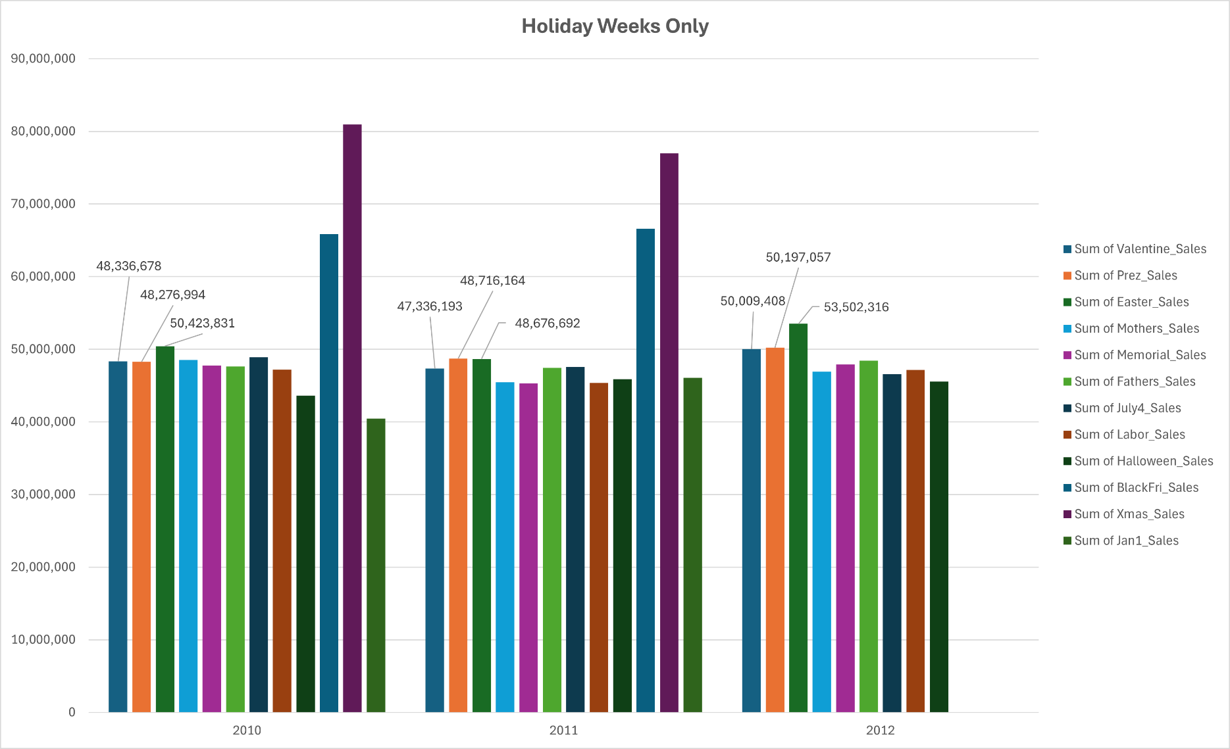
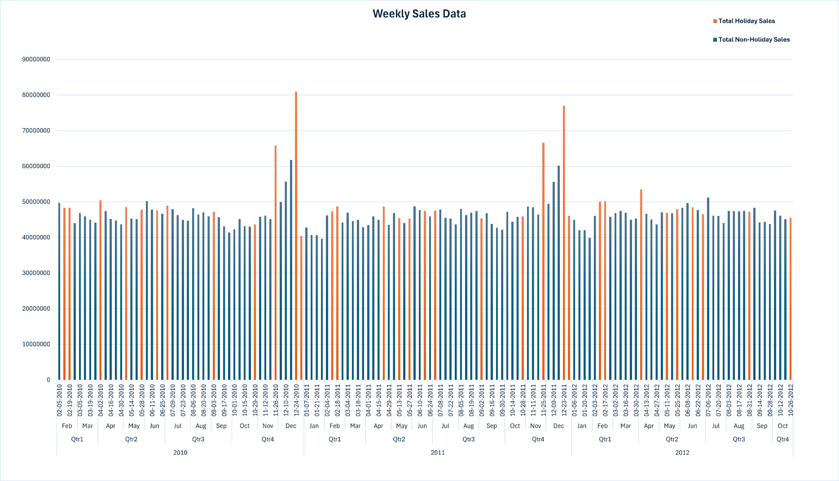

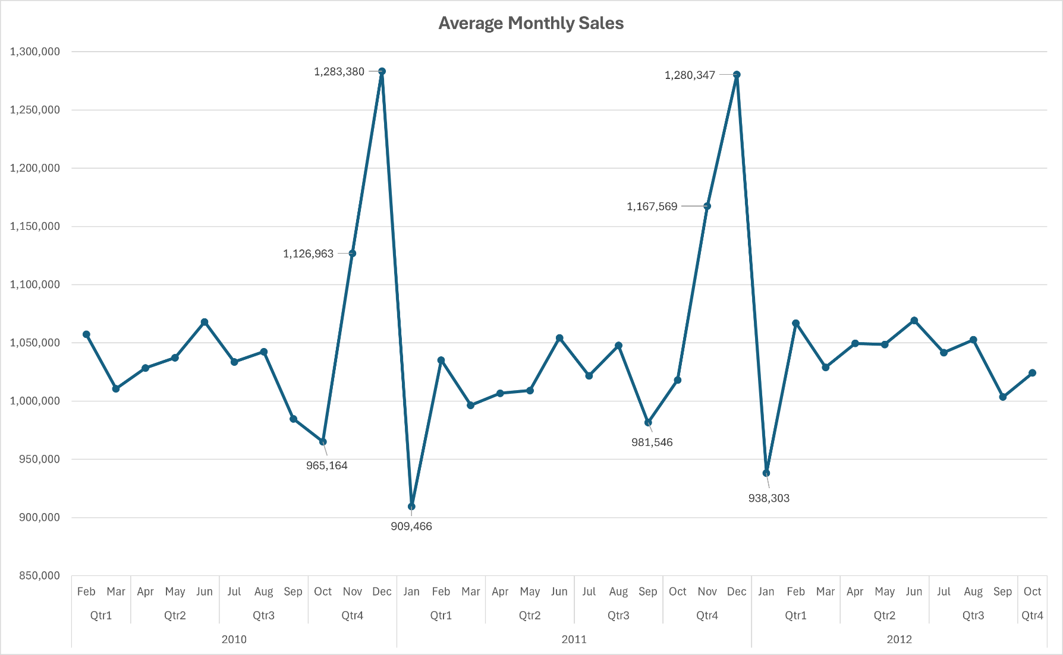

UnemplChartStatic
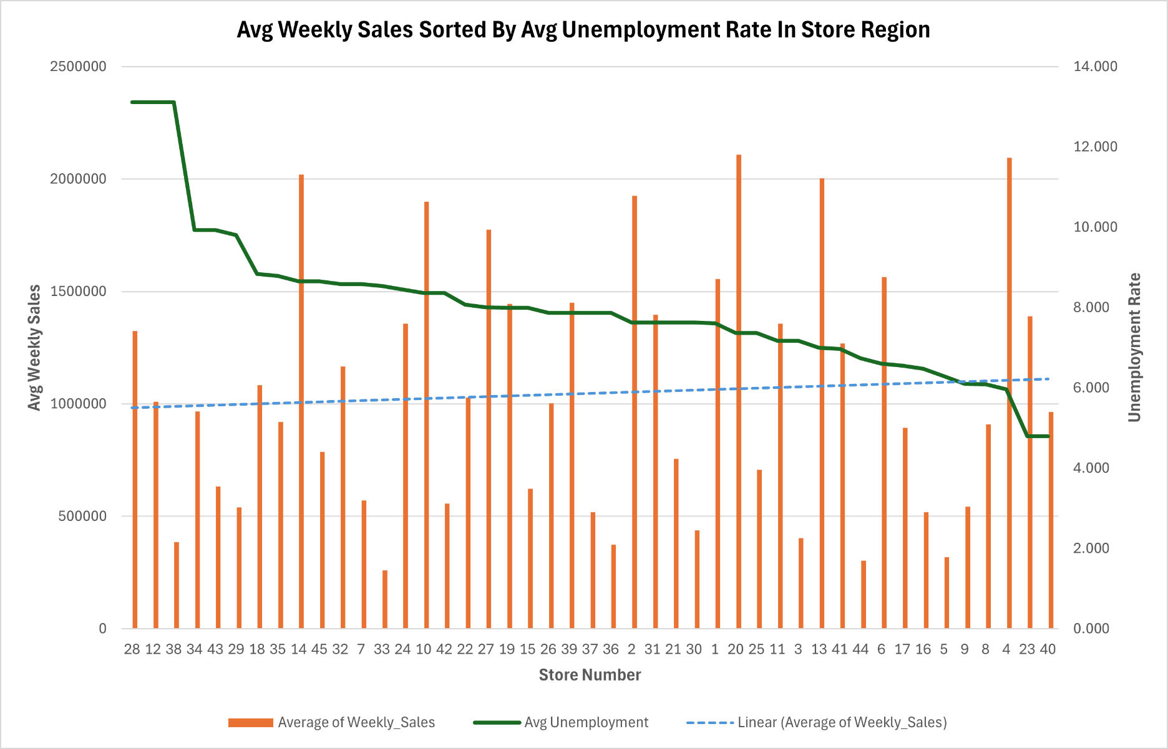

FuelChartStatic
Store | (All)

Row Labels | Average of Weekly_Sales | Average of Fuel_Price
2010
Qtr1
Feb | 1,057,405 | 2.692
Mar | 1,010,666 | 2.787
Qtr2
Apr | 1,028,499 | 2.870
May | 1,037,283 | 2.919
Jun | 1,068,034 | 2.789
Qtr3
Average Fuel Prices and Monthly Sales Figures
 | Average of Weekly_Sales | Average of Fuel_Price
Feb | 1,057,405 | 2.692
Mar | 1,010,666 | 2.787
Apr | 1,028,499 | 2.870
May | 1,037,283 | 2.919
Jun | 1,068,034 | 2.789
Jul | 1,033,689 | 2.774
Aug | 1,042,445 | 2.783
Sep | 984,822 | 2.735
Oct | 965,164 | 2.808
Nov | 1,126,963 | 2.887
Dec | 1,283,380 | 2.989
Jan | 909,466 | 3.114
Feb | 1,035,174 | 3.174
Mar | 996,425 | 3.522
Apr | 1,006,784 | 3.770
May | 1,009,156 | 3.966
Jun | 1,054,297 | 3.784
Jul | 1,021,828 | 3.689
Aug | 1,047,774 | 3.695
Sep | 981,546 | 3.647
Oct | 1,018,118 | 3.523
Nov | 1,167,569 | 3.484
Dec | 1,280,347 | 3.331
Jan | 938,303 | 3.369
Feb | 1,067,020 | 3.534
Mar | 1,028,932 | 3.816
Apr | 1,049,561 | 3.974
May | 1,048,703 | 3.850
Jun | 1,069,379 | 3.640
Jul | 1,041,719 | 3.507
Aug | 1,052,670 | 3.690
Sep | 1,003,586 | 3.866
Oct | 1,024,232 | 3.854
Jul | 1,033,689 | 2.774
Aug | 1,042,445 | 2.783
Sep | 984,822 | 2.735
Qtr4
Oct | 965,164 | 2.808
Nov | 1,126,963 | 2.887
Dec | 1,283,380 | 2.989
2011
Qtr1
Jan | 909,466 | 3.114
Feb | 1,035,174 | 3.174
Mar | 996,425 | 3.522
Qtr2
Apr | 1,006,784 | 3.770
May | 1,009,156 | 3.966
Jun | 1,054,297 | 3.784
Qtr3
Jul | 1,021,828 | 3.689
Aug | 1,047,774 | 3.695
Sep | 981,546 | 3.647
Qtr4
Oct | 1,018,118 | 3.523
Nov | 1,167,569 | 3.484
Dec | 1,280,347 | 3.331
2012
Qtr1
Jan | 938,303 | 3.369
Feb | 1,067,020 | 3.534
Mar | 1,028,932 | 3.816
Qtr2
Apr | 1,049,561 | 3.974
May | 1,048,703 | 3.850
Jun | 1,069,379 | 3.640
Qtr3
Jul | 1,041,719 | 3.507
Aug | 1,052,670 | 3.690
Sep | 1,003,586 | 3.866
Qtr4
Oct | 1,024,232 | 3.854
Grand Total | 1,046,965 | 3.359

