Picture
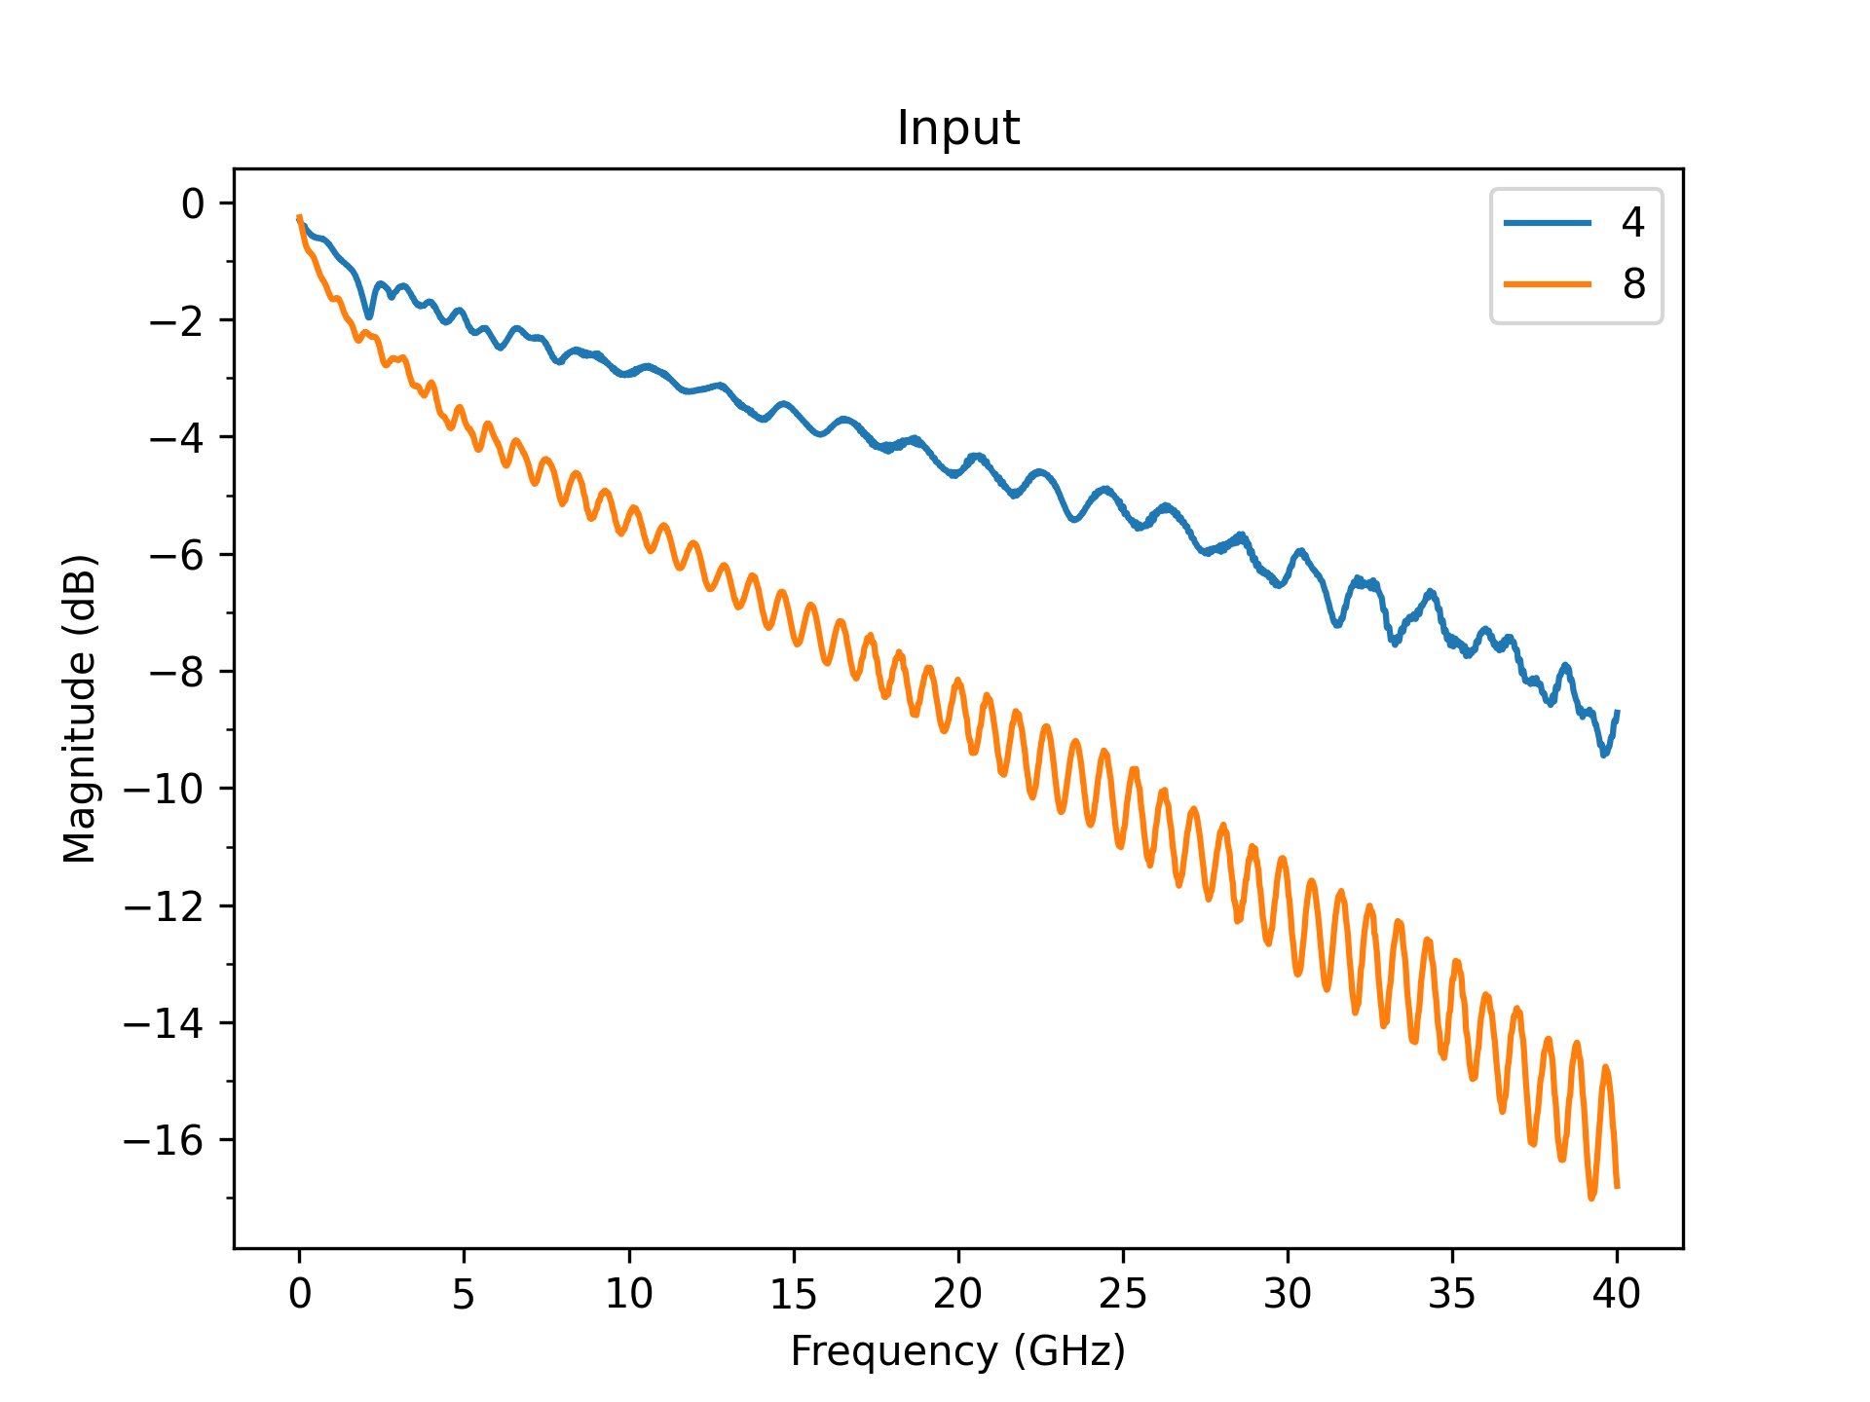
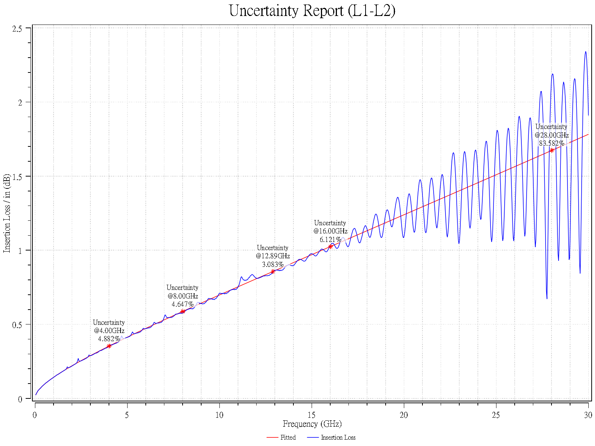

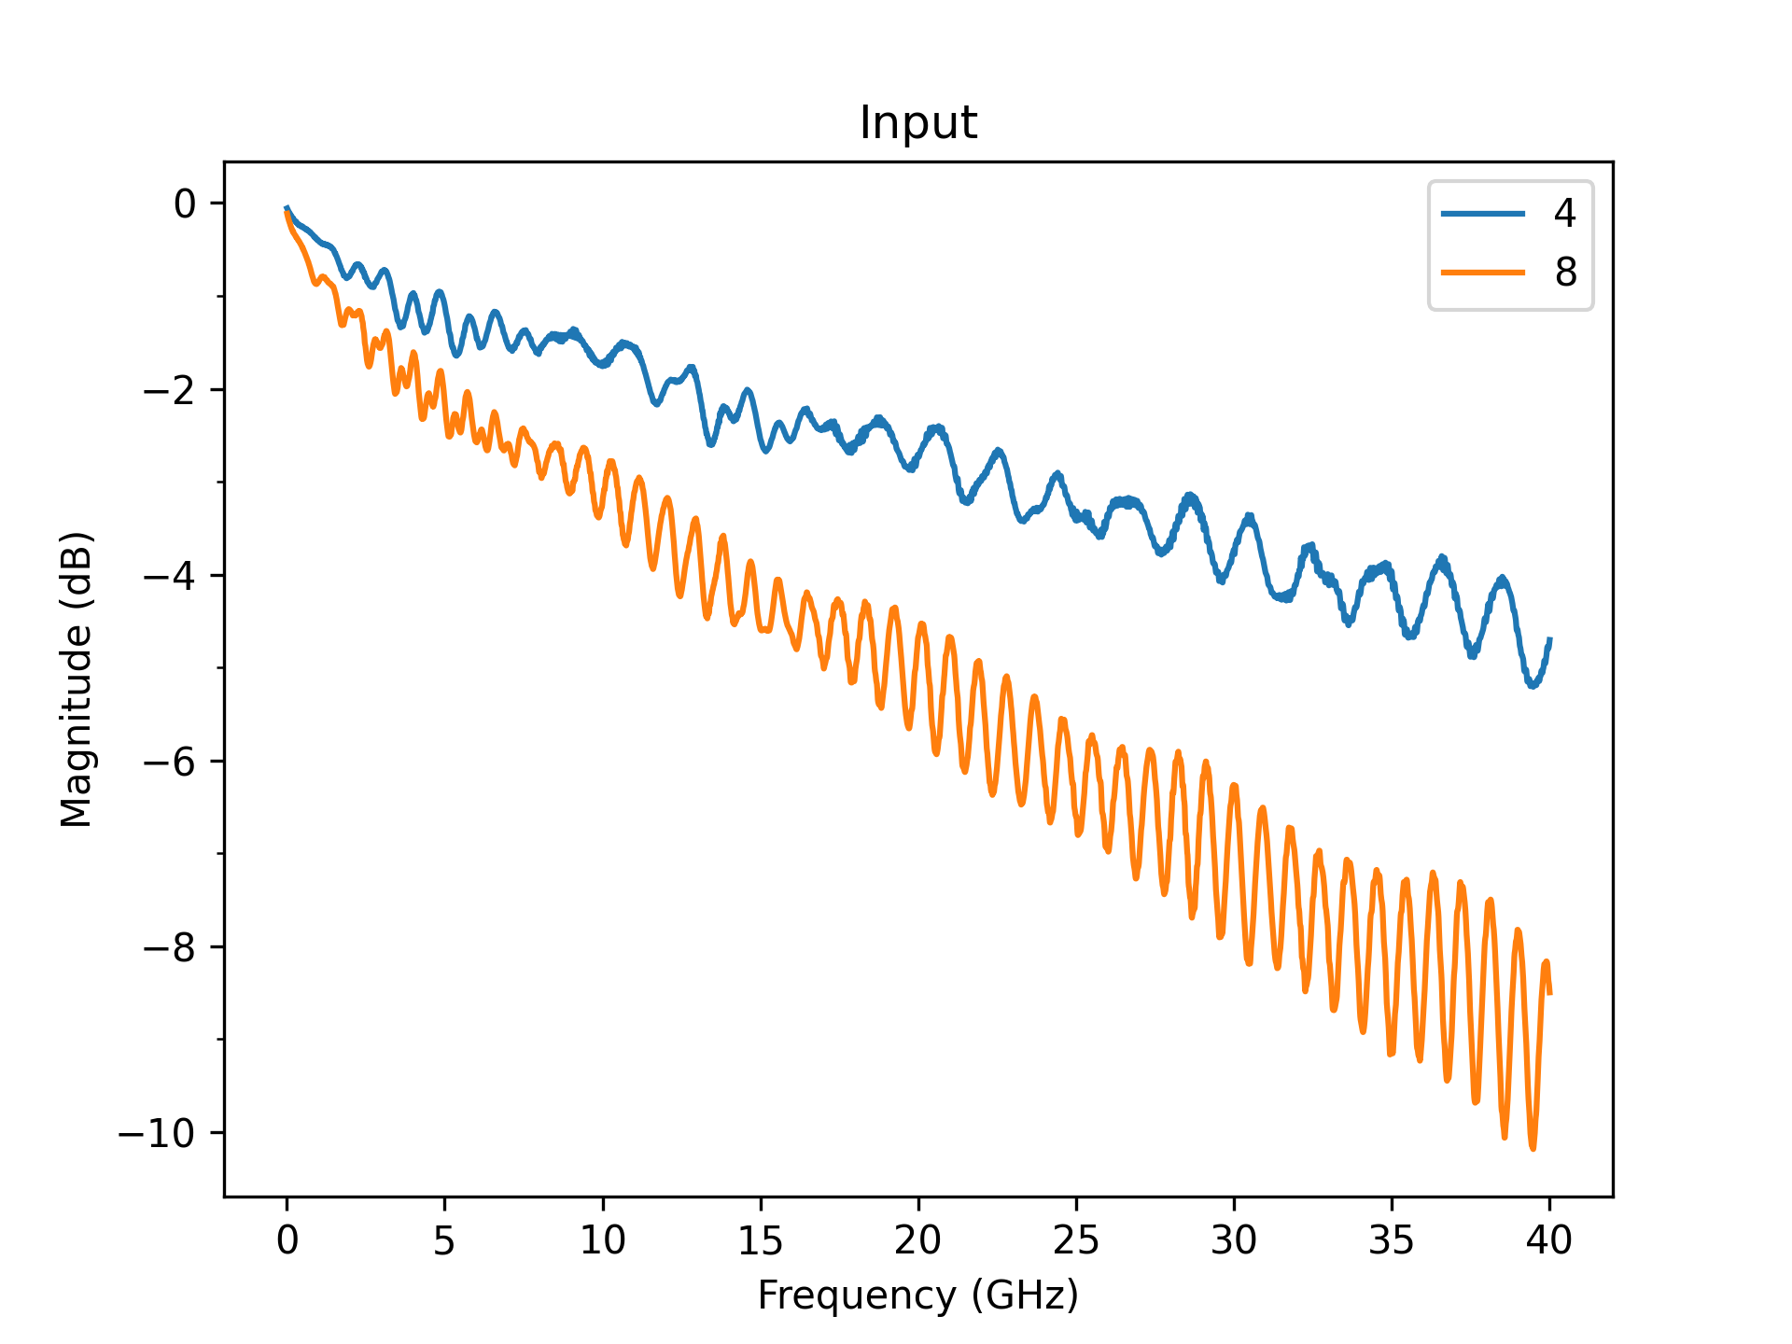
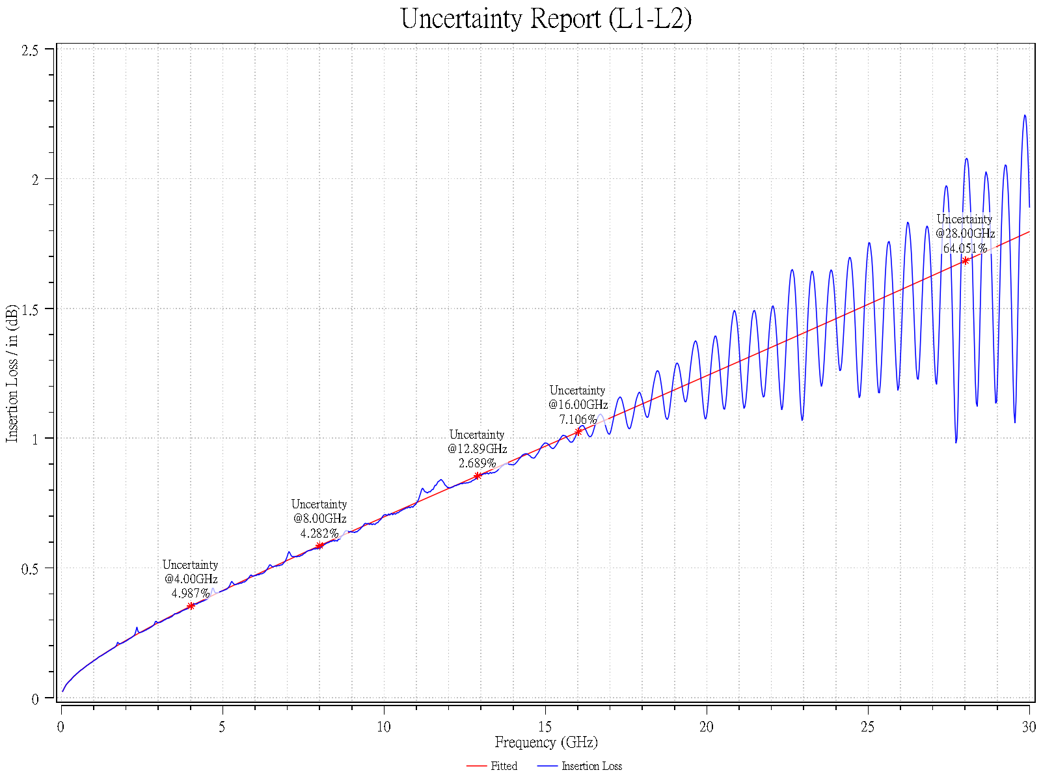

L3
Not assigned
 | Not assigned_1
0.06 | -0.030268241625
0.09 | -0.037441328737
0.12 | -0.04416046183
0.15 | -0.051164268114
0.18 | -0.054985451453
0.21 | -0.058963515341
0.24 | -0.06332878253
0.27 | -0.067483475269
0.3 | -0.071462801105
0.33 | -0.075293212642
0.36 | -0.078995173383
0.39 | -0.082584894029
0.42 | -0.086075471716
0.45 | -0.089477665213
0.48 | -0.092800438759
0.51 | -0.096051353633
0.54 | -0.09923685648
0.57 | -0.10236249579
0.6 | -0.10543308724
0.63 | -0.10845284196
0.66 | -0.1114254673
0.69 | -0.11435424707
0.72 | -0.11724210607
0.75 | -0.12009166253
0.78 | -0.12290527114
0.81 | -0.1256850586
0.84 | -0.12843295323
0.87 | -0.1311507099
0.9 | -0.13383993097
0.93 | -0.13650208419
0.96 | -0.13913851795
0.99 | -0.14175047438
1.02 | -0.14433910064
1.05 | -0.14690545881
1.08 | -0.14945053437
1.11 | -0.15197524372
1.14 | -0.15448044074
1.17 | -0.15696692258
1.2 | -0.15943543476
1.23 | -0.16188667575
1.26 | -0.16432130097
1.29 | -0.16673992643
1.32 | -0.16914313194
1.35 | -0.17153146399
1.38 | -0.17390543841
1.41 | -0.17626554266
1.44 | -0.178612238
1.47 | -0.18094596138
1.5 | -0.18326712721
1.53 | -0.18557612895
...

L4
Not assigned
 | Not assigned_1
0.06 | -0.029746947793
0.09 | -0.037195356304
0.12 | -0.04399829039
0.15 | -0.050670916688
0.18 | -0.054762030577
0.21 | -0.058537578749
0.24 | -0.062937490826
0.27 | -0.067125388457
0.3 | -0.071136441486
0.33 | -0.074997116163
0.36 | -0.078727915707
0.39 | -0.082345103241
0.42 | -0.085861833769
0.45 | -0.089288925351
0.48 | -0.09263540072
0.51 | -0.095908877652
0.54 | -0.099115856684
0.57 | -0.10226193732
0.6 | -0.10535198333
0.63 | -0.10839025101
0.66 | -0.11138049015
0.69 | -0.11432602436
0.72 | -0.11722981577
0.75 | -0.12009451766
0.78 | -0.12292251762
0.81 | -0.12571597329
0.84 | -0.12847684211
0.87 | -0.13120690635
0.9 | -0.13390779423
0.93 | -0.13658099789
0.96 | -0.13922788878
0.99 | -0.14184973082
1.02 | -0.14444769185
1.05 | -0.14702285352
1.08 | -0.14957621989
1.11 | -0.15210872503
1.14 | -0.15462123959
1.17 | -0.15711457671
1.2 | -0.15958949714
1.23 | -0.16204671386
1.26 | -0.16448689617
1.29 | -0.16691067331
1.32 | -0.16931863774
1.35 | -0.1717113481
1.38 | -0.1740893318
1.41 | -0.17645308744
1.44 | -0.17880308692
1.47 | -0.18113977746
1.5 | -0.18346358329
1.53 | -0.18577490731
...

