Picture
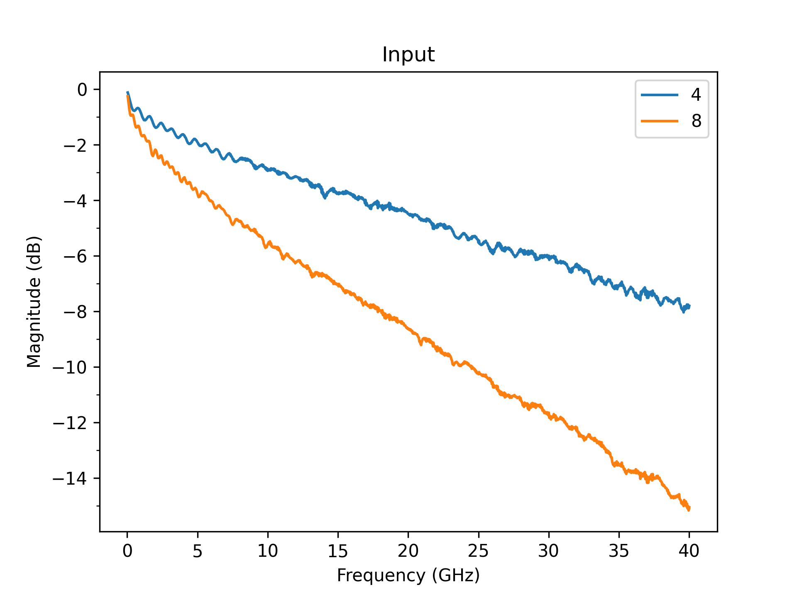
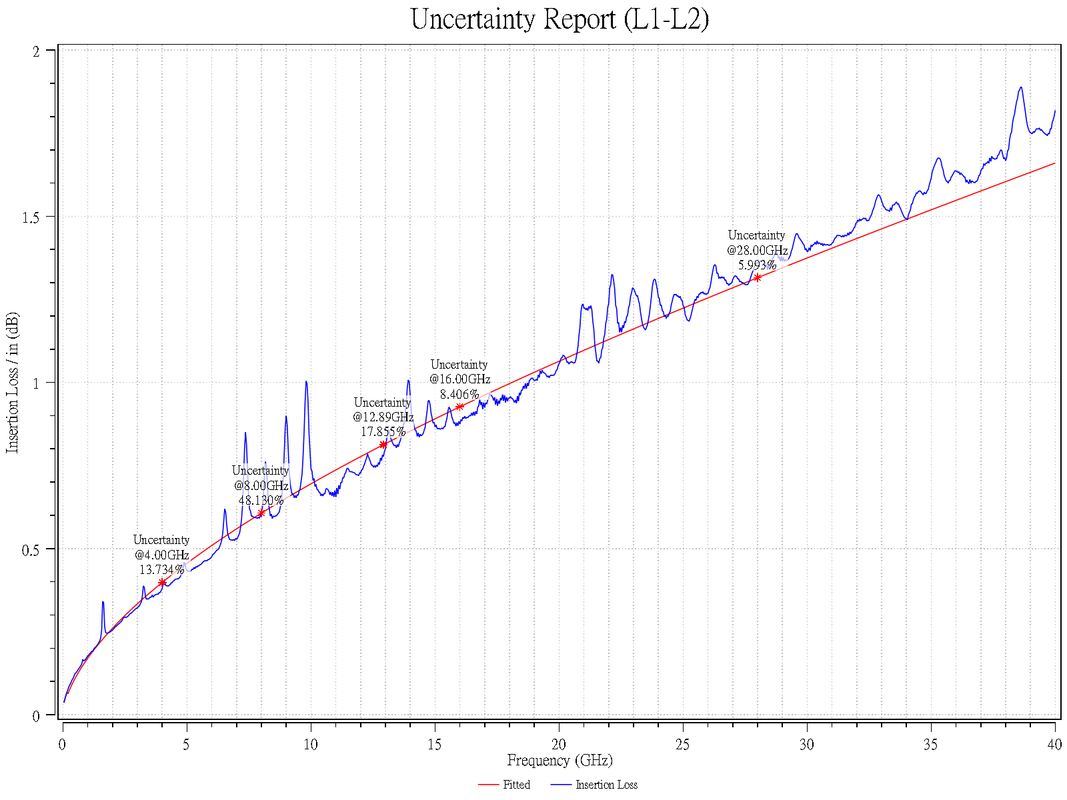

L7
Unimicron EM888
 | Unimicron EM888_3 | Unimicron EM888_5 | Unimicron EM888_9
0.08 | 0.047594991238 | 0.047594991238 | 0.047594991238
0.12 | 0.057996211214 | 0.057996211214 | 0.057996211214
0.16 | 0.06744319366 | 0.06744319366 | 0.06744319366
0.2 | 0.06258112526 | 0.06258112526 | 0.06258112526
0.24 | 0.070113868638 | 0.070113868638 | 0.070113868638
0.28 | 0.077179326652 | 0.077179326652 | 0.077179326652
0.32 | 0.083867155833 | 0.083867155833 | 0.083867155833
0.36 | 0.090240857157 | 0.090240857157 | 0.090240857157
0.4 | 0.096347454034 | 0.096347454034 | 0.096347454034
0.44 | 0.10222298025 | 0.10222298025 | 0.10222298025
0.48 | 0.10789580841 | 0.10789580841 | 0.10789580841
0.52 | 0.11338877771 | 0.11338877771 | 0.11338877771
0.56 | 0.11872061318 | 0.11872061318 | 0.11872061318
0.6 | 0.12390690589 | 0.12390690589 | 0.12390690589
0.64 | 0.12896081015 | 0.12896081015 | 0.12896081015
0.68 | 0.1338935519 | 0.1338935519 | 0.1338935519
0.72 | 0.13871480754 | 0.13871480754 | 0.13871480754
0.76 | 0.14343299146 | 0.14343299146 | 0.14343299146
0.8 | 0.14805547806 | 0.14805547806 | 0.14805547806
0.84 | 0.15258877552 | 0.15258877552 | 0.15258877552
0.88 | 0.15703866372 | 0.15703866372 | 0.15703866372
0.92 | 0.16141030499 | 0.16141030499 | 0.16141030499
0.96 | 0.16570833387 | 0.16570833387 | 0.16570833387
1 | 0.16993693077 | 0.16993693077 | 0.16993693077
1.04 | 0.1740998827 | 0.1740998827 | 0.1740998827
1.08 | 0.17820063395 | 0.17820063395 | 0.17820063395
1.12 | 0.18224232859 | 0.18224232859 | 0.18224232859
1.16 | 0.18622784637 | 0.18622784637 | 0.18622784637
1.2 | 0.19015983322 | 0.19015983322 | 0.19015983322
1.24 | 0.19404072742 | 0.19404072742 | 0.19404072742
1.28 | 0.19787278197 | 0.19787278197 | 0.19787278197
1.32 | 0.20165808405 | 0.20165808405 | 0.20165808405
1.36 | 0.20539857182 | 0.20539857182 | 0.20539857182
1.4 | 0.20909604913 | 0.20909604913 | 0.20909604913
1.44 | 0.21275219838 | 0.21275219838 | 0.21275219838
1.48 | 0.21636859183 | 0.21636859183 | 0.21636859183
1.52 | 0.21994670158 | 0.21994670158 | 0.21994670158
1.56 | 0.22348790839 | 0.22348790839 | 0.22348790839
1.6 | 0.22699350957 | 0.22699350957 | 0.22699350957
1.64 | 0.23046472596 | 0.23046472596 | 0.23046472596
1.68 | 0.23390270817 | 0.23390270817 | 0.23390270817
1.72 | 0.23730854221 | 0.23730854221 | 0.23730854221
1.76 | 0.24068325453 | 0.24068325453 | 0.24068325453
1.8 | 0.24402781654 | 0.24402781654 | 0.24402781654
1.84 | 0.24734314875 | 0.24734314875 | 0.24734314875
1.88 | 0.25063012444 | 0.25063012444 | 0.25063012444
1.92 | 0.25388957307 | 0.25388957307 | 0.25388957307
1.96 | 0.25712228333 | 0.25712228333 | 0.25712228333
2 | 0.2603290059 | 0.2603290059 | 0.2603290059
2.04 | 0.26351045608 | 0.26351045608 | 0.26351045608
...

L12
Unimicron EM888
 | Unimicron EM888_3 | Unimicron EM888_5 | Unimicron EM888_9
0.08 | 0.047594991238 | 0.047594991238 | 0.047594991238
0.12 | 0.057996211214 | 0.057996211214 | 0.057996211214
0.16 | 0.06744319366 | 0.06744319366 | 0.06744319366
0.2 | 0.06258112526 | 0.06258112526 | 0.06258112526
0.24 | 0.070113868638 | 0.070113868638 | 0.070113868638
0.28 | 0.077179326652 | 0.077179326652 | 0.077179326652
0.32 | 0.083867155833 | 0.083867155833 | 0.083867155833
0.36 | 0.090240857157 | 0.090240857157 | 0.090240857157
0.4 | 0.096347454034 | 0.096347454034 | 0.096347454034
0.44 | 0.10222298025 | 0.10222298025 | 0.10222298025
0.48 | 0.10789580841 | 0.10789580841 | 0.10789580841
0.52 | 0.11338877771 | 0.11338877771 | 0.11338877771
0.56 | 0.11872061318 | 0.11872061318 | 0.11872061318
0.6 | 0.12390690589 | 0.12390690589 | 0.12390690589
0.64 | 0.12896081015 | 0.12896081015 | 0.12896081015
0.68 | 0.1338935519 | 0.1338935519 | 0.1338935519
0.72 | 0.13871480754 | 0.13871480754 | 0.13871480754
0.76 | 0.14343299146 | 0.14343299146 | 0.14343299146
0.8 | 0.14805547806 | 0.14805547806 | 0.14805547806
0.84 | 0.15258877552 | 0.15258877552 | 0.15258877552
0.88 | 0.15703866372 | 0.15703866372 | 0.15703866372
0.92 | 0.16141030499 | 0.16141030499 | 0.16141030499
0.96 | 0.16570833387 | 0.16570833387 | 0.16570833387
1 | 0.16993693077 | 0.16993693077 | 0.16993693077
1.04 | 0.1740998827 | 0.1740998827 | 0.1740998827
1.08 | 0.17820063395 | 0.17820063395 | 0.17820063395
1.12 | 0.18224232859 | 0.18224232859 | 0.18224232859
1.16 | 0.18622784637 | 0.18622784637 | 0.18622784637
1.2 | 0.19015983322 | 0.19015983322 | 0.19015983322
1.24 | 0.19404072742 | 0.19404072742 | 0.19404072742
1.28 | 0.19787278197 | 0.19787278197 | 0.19787278197
1.32 | 0.20165808405 | 0.20165808405 | 0.20165808405
1.36 | 0.20539857182 | 0.20539857182 | 0.20539857182
1.4 | 0.20909604913 | 0.20909604913 | 0.20909604913
1.44 | 0.21275219838 | 0.21275219838 | 0.21275219838
1.48 | 0.21636859183 | 0.21636859183 | 0.21636859183
1.52 | 0.21994670158 | 0.21994670158 | 0.21994670158
1.56 | 0.22348790839 | 0.22348790839 | 0.22348790839
1.6 | 0.22699350957 | 0.22699350957 | 0.22699350957
1.64 | 0.23046472596 | 0.23046472596 | 0.23046472596
1.68 | 0.23390270817 | 0.23390270817 | 0.23390270817
1.72 | 0.23730854221 | 0.23730854221 | 0.23730854221
1.76 | 0.24068325453 | 0.24068325453 | 0.24068325453
1.8 | 0.24402781654 | 0.24402781654 | 0.24402781654
1.84 | 0.24734314875 | 0.24734314875 | 0.24734314875
1.88 | 0.25063012444 | 0.25063012444 | 0.25063012444
1.92 | 0.25388957307 | 0.25388957307 | 0.25388957307
1.96 | 0.25712228333 | 0.25712228333 | 0.25712228333
2 | 0.2603290059 | 0.2603290059 | 0.2603290059
2.04 | 0.26351045608 | 0.26351045608 | 0.26351045608
...

